Sheet
EAN | REF | INTRASTAT | OMSCHRIJVING VL/NL | DESCRIPTION WA/FR | TOELATING# | EENHEID/ KARTON | EENHEID/ PALLET | HP 26 .BE | VP 26 .BE | RET. | REC. | BEB. | BTW .BE | ECO CHEQUE | VERKOOPBAAR IN/VENDU EN | PACKSHOT nl_BE | PACKSHOT fr_BE | AFBEELDING
3495694011864 | 01186 EX | 38089910 | Generation Grain'Tech | 5 kg (bulk) | Generation Grain'Tech | 5 kg (bulk) | BE2011-0004,NL-0001116-0000 EOS,149/11/L-000 | 1 | 112 | 39,00 | 69,95 | 0,0250 |  |  | 21 |  | BE,LU,NL | https://pim.bsi-products.com/00_Marketing/02_Packshots/BSIExpert/47916/image-thumb__47916__web/01186-EX_C1L1.png | https://pim.bsi-products.com/00_Marketing/02_Packshots/BSIExpert/47916/image-thumb__47916__web/01186-EX_C1L1.png | 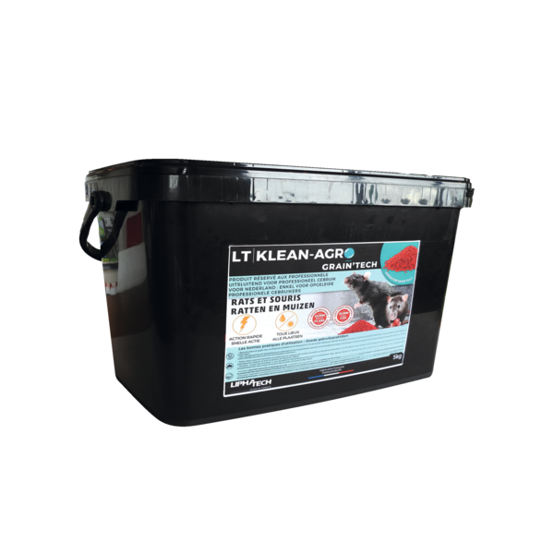
4004718105008 | 10500 | 73269098 | Muizenvangkooi 1 ingang | 1 st. | Nasse pour Souris 1 entrée | 1 pc. |  | 12 | 1872 | 4,80 | 7,95 |  |  |  | 21 |  | BE,LU,NL,FR | https://pim.bsi-products.com/00_Marketing/02_Packshots/BSI/32742/image-thumb__32742__web/10500_C1R1.png | https://pim.bsi-products.com/00_Marketing/02_Packshots/BSI/32742/image-thumb__32742__web/10500_C1R1.png | 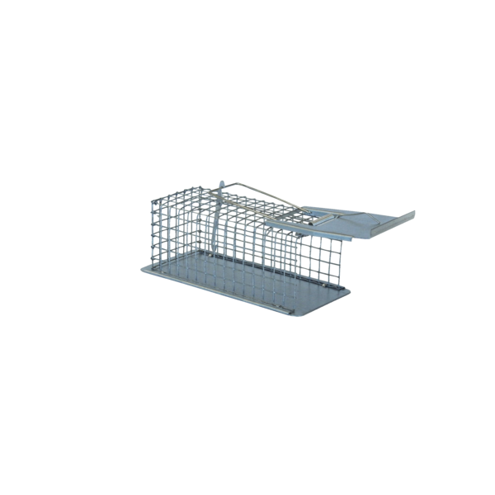
4004718106005 | 10600 | 73269098 | Muizenvangkooi 2 ingangen | 1 st. | Nasse pour Souris 2 entrées | 1 pc. |  | 8 | 672 | 7,55 | 12,50 |  |  |  | 21 |  | BE,LU,NL,FR | https://pim.bsi-products.com/00_Marketing/02_Packshots/BSI/32755/image-thumb__32755__web/10600_C1R1.png | https://pim.bsi-products.com/00_Marketing/02_Packshots/BSI/32755/image-thumb__32755__web/10600_C1R1.png | 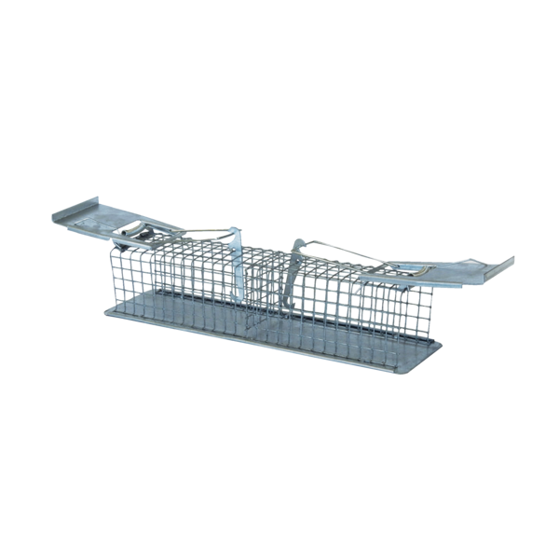
4004718113003 | 11300 | 73269098 | Rattenvangkooi 2 ingangen | 1 st. | Nasse pour Rats 2 entrées | 1 pc. |  | 6 | 168 | 13,05 | 21,50 |  |  |  | 21 |  | BE,LU,NL,FR | https://pim.bsi-products.com/00_Marketing/02_Packshots/BSI/32760/image-thumb__32760__web/11300_C1R1.png | https://pim.bsi-products.com/00_Marketing/02_Packshots/BSI/32760/image-thumb__32760__web/11300_C1R1.png | 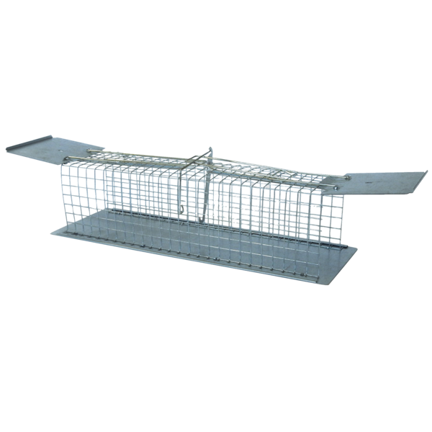
4004718554004 | 55400 | 73269098 | Rattenvangkooi met kantelval | 1 st. | Nasse pour Rats avec piège basculant | 1 pc. |  | 6 | 168 | 35,50 | 58,50 |  |  |  | 21 |  | BE,LU,NL,FR | https://pim.bsi-products.com/00_Marketing/03_Beeldbank/Product/BSI/32904/image-thumb__32904__web/55400_C1R0.png | https://pim.bsi-products.com/00_Marketing/03_Beeldbank/Product/BSI/32904/image-thumb__32904__web/55400_C1R0.png | 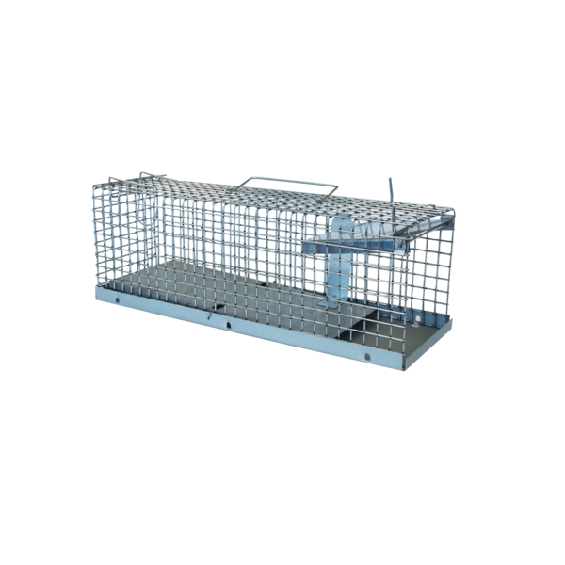
4027600104446 | 10444 AE | 38089110 | Aeroxon Mierenlokdoos | Aeroxon Boîte Fourmis | BE2019-0068,190/19/L-000,NL-0022157-0000,FR-2020-0022 | 14 | 2688 | 3,05 | 4,95 |  |  |  | 21 |  | BE,LU,NL,FR | https://pim.bsi-products.com/00_Marketing/02_Packshots/Aeroxon/33322/image-thumb__33322__web/10444-AE_C1N1.png | https://pim.bsi-products.com/00_Marketing/02_Packshots/Aeroxon/33322/image-thumb__33322__web/10444-AE_C1N1.png | 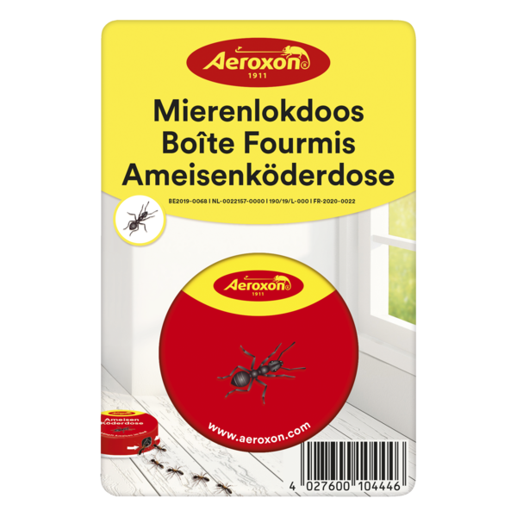
4027600194423 | 19442 AE | 38089190 | Aeroxon Lavendelbloemen | 1 st. | Aeroxon Fleurs de Lavande | 1 pc. |  | 16 | 2304 | 4,20 | 6,95 |  |  |  | 21 |  | BE,LU,NL | https://pim.bsi-products.com/00_Marketing/02_Packshots/Aeroxon/33319/image-thumb__33319__web/19442-AE_C1N1.png | https://pim.bsi-products.com/00_Marketing/02_Packshots/Aeroxon/33319/image-thumb__33319__web/19442-AE_C1N1.png | 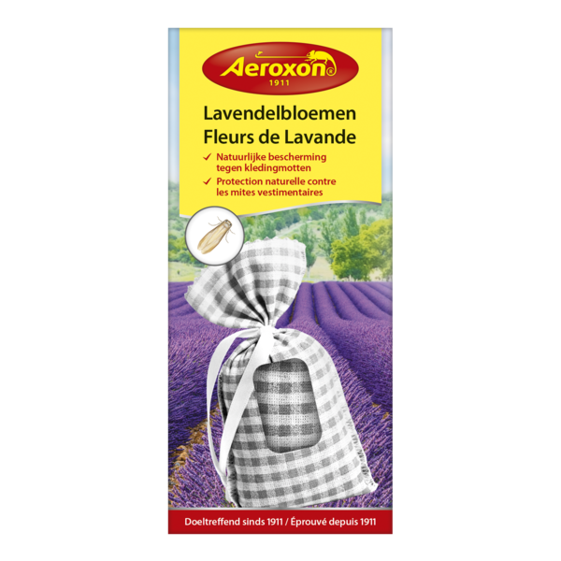
4027600204436 | 20443 AE | 38089990 | Aeroxon Zilvervisjeslokdoos | Aeroxon Boîte Anti-Poissons d'argent | BE2026-0023 | 14 | 2688 |  |  |  |  |  | 21 |  | BE | https://pim.bsi-products.com/00_Marketing/02_Packshots/Aeroxon/51651/image-thumb__51651__web/20443-AE_C1N1.png | https://pim.bsi-products.com/00_Marketing/02_Packshots/Aeroxon/51651/image-thumb__51651__web/20443-AE_C1N1.png | 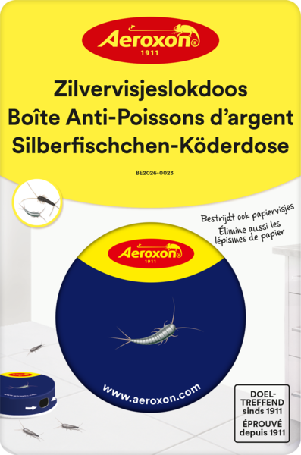
4027600234402 | 23440 AE | 38089190 | Aeroxon Kleermottenval | Aeroxon Piège à mites des vêtements | EU-0030989-0000,FR-2024-0056,96/24/L-000 | 14 | 2240 | 3,65 | 5,95 |  |  |  | 21 |  | BE,LU,NL,FR | https://pim.bsi-products.com/00_Marketing/02_Packshots/Aeroxon/33317/image-thumb__33317__web/23440-AE_C1N1.png | https://pim.bsi-products.com/00_Marketing/02_Packshots/Aeroxon/33317/image-thumb__33317__web/23440-AE_C1N1.png | 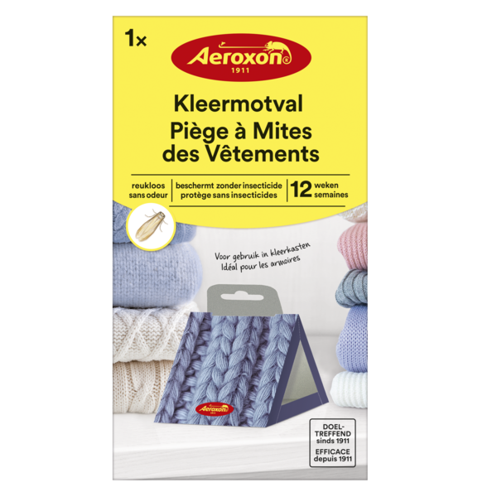
4027600278048 | 27804 AE | 38086100 | Aeroxon Venstersticker tegen vliegen | 3 st. | Aeroxon Sticker vitre anti-mouches | 3 pc. | BE-REG-01672 | 24 | 4032 | 4,85 | 7,95 |  |  |  | 21 |  | BE | https://pim.bsi-products.com/00_Marketing/02_Packshots/Aeroxon/33321/image-thumb__33321__web/27804-AE_C1N1.png | https://pim.bsi-products.com/00_Marketing/02_Packshots/Aeroxon/33321/image-thumb__33321__web/27804-AE_C1N1.png | 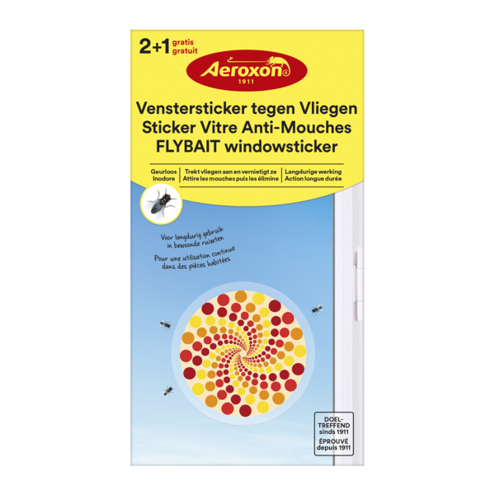
4027600298015 | 29801 AE | 38089110 | Aeroxon Venstersticker tegen Vliegen | 4 st | Aeroxon Sticker Vitre Anti-Mouches | 4 pc | LU-0035682-0000,FR-2025-0053,BE2026-0002 | 12 | 3960 |  |  |  |  |  | 21 |  | BE,LU,FR | https://pim.bsi-products.com/a.%20Marketing/e.%20Packshots/51650/image-thumb__51650__web/29801-AE_C1N1.png | https://pim.bsi-products.com/a.%20Marketing/e.%20Packshots/51650/image-thumb__51650__web/29801-AE_C1N1.png | 51650
4027600364406 | 36440 AE | 38089190 | Aeroxon Gele insectenvallen | 10 st. | Aeroxon Pièges collants jaunes | 10 pc. |  | 7 | 2394 | 6,10 | 9,95 |  |  |  | 21 |  | BE,LU,NL,FR | https://pim.bsi-products.com/00_Marketing/02_Packshots/Aeroxon/33323/image-thumb__33323__web/36440-AE_C1N1.png | https://pim.bsi-products.com/00_Marketing/02_Packshots/Aeroxon/33323/image-thumb__33323__web/36440-AE_C1N1.png | 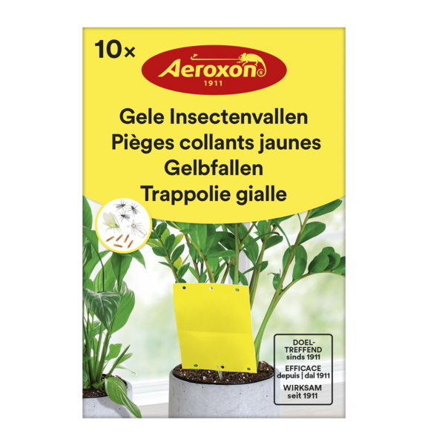
4027600448014 | 44801 AE | 38089190 | Aeroxon Levensmiddelenmottenval | 2 st. | Aeroxon Piège à mites alimentaires | 2 pc. | 121/24/L,EU-0032219-0000 ,FR-2025-0028 | 14 | 2240 | 4,20 | 6,95 |  |  |  | 21 |  | BE,LU,NL,FR | https://pim.bsi-products.com/00_Marketing/02_Packshots/Aeroxon/33315/image-thumb__33315__web/44801-AE_C1N1.png | https://pim.bsi-products.com/00_Marketing/02_Packshots/Aeroxon/33315/image-thumb__33315__web/44801-AE_C1N1.png | 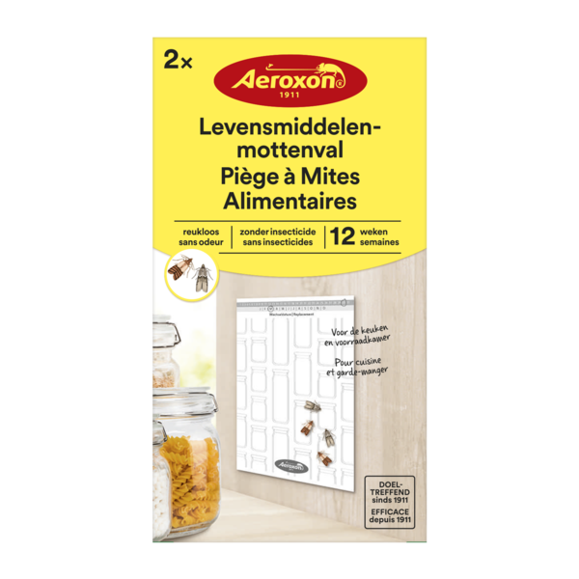
4027600500903 | 50090 AE | 39269097 | Aeroxon Vliegenmepper | Aeroxon Tapette à mouches |  | 72 | 2304 | 0,90 | 1,50 |  |  |  | 21 |  | BE,LU,NL,FR | https://pim.bsi-products.com/00_Marketing/02_Packshots/Aeroxon/33328/image-thumb__33328__web/50090-AE_C1R1.png | https://pim.bsi-products.com/00_Marketing/02_Packshots/Aeroxon/33328/image-thumb__33328__web/50090-AE_C1R1.png | 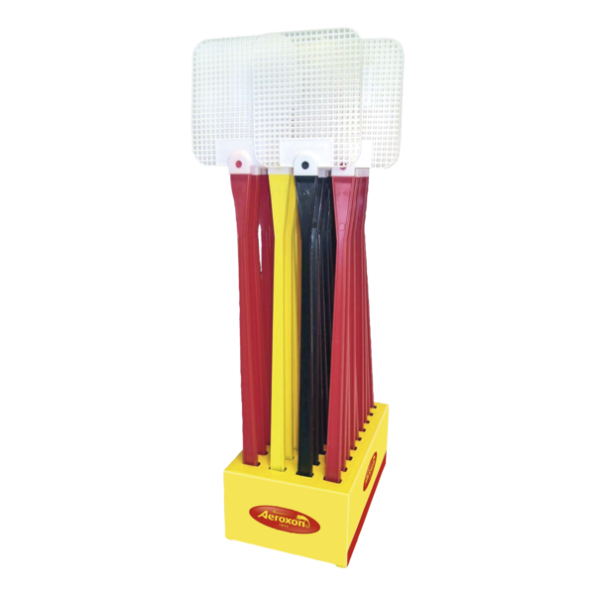
4027600753408 | 75340 AE | 38089190 | Aeroxon Vliegenval voor ramen | 4 st. | Aeroxon Piège à mouches pour fenêtres | 4 pc. |  | 12 | 2664 | 3,65 | 5,95 |  |  |  | 21 |  | BE,LU,NL | https://pim.bsi-products.com/00_Marketing/02_Packshots/Aeroxon/33305/image-thumb__33305__web/75340-AE_C1N1.png | https://pim.bsi-products.com/00_Marketing/02_Packshots/Aeroxon/33305/image-thumb__33305__web/75340-AE_C1N1.png | 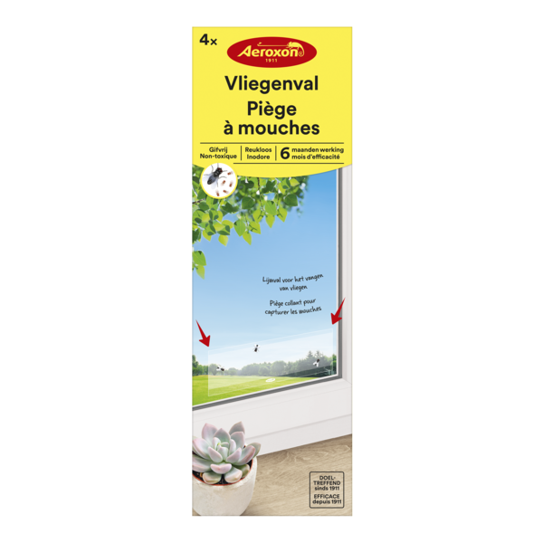
4027600764510 | 76451 AE | 38089190 | Aeroxon Vliegenval Venstersticker | 4 st. | Aeroxon Piège à mouches Autocol. Fenêtres | 4 pc. |  | 12 | 5292 | 3,65 | 5,95 |  |  |  | 21 |  | BE,LU,NL | https://pim.bsi-products.com/00_Marketing/02_Packshots/Aeroxon/33326/image-thumb__33326__web/76451-AE_C1N1.png | https://pim.bsi-products.com/00_Marketing/02_Packshots/Aeroxon/33326/image-thumb__33326__web/76451-AE_C1N1.png | 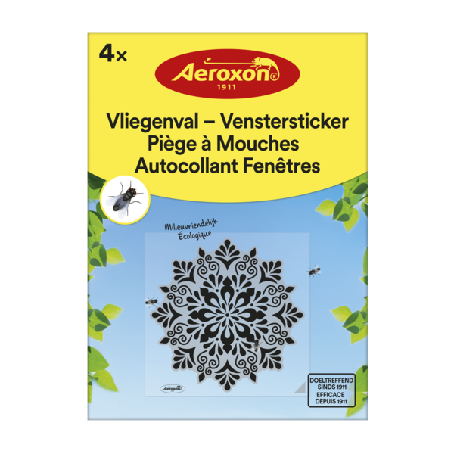
4027600908020 | 90802 AE | 38089190 | Aeroxon Vliegenvangers | 4 st. | Aeroxon Attrape-Mouches | 4 pc. |  | 22 | 4620 | 1,70 | 2,95 |  |  |  | 21 |  | BE,LU,NL | https://pim.bsi-products.com/00_Marketing/02_Packshots/Aeroxon/33310/image-thumb__33310__web/90802-AE_C1N1.png | https://pim.bsi-products.com/00_Marketing/02_Packshots/Aeroxon/33310/image-thumb__33310__web/90802-AE_C1N1.png | 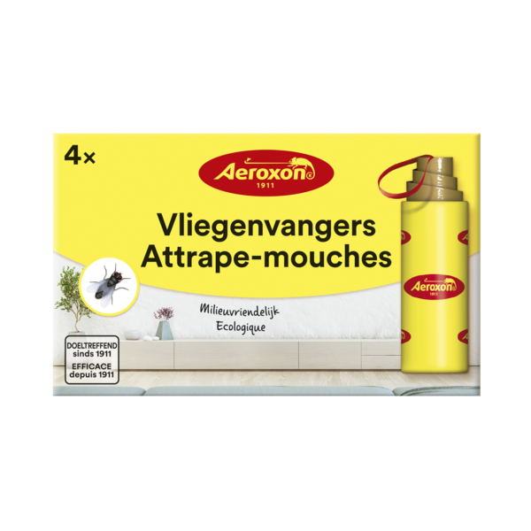
4027600924419 | 92441 AE | 38089190 | Aeroxon Fruitvliegenval | 40 ml | Aeroxon Piège à mouches à fruits | 40 ml | EU-0026770-0000,122/22/L-000,FR-2022-0066 | 6 | 1152 | 5,40 | 8,95 |  |  |  | 21 |  | BE,LU,NL,FR | https://pim.bsi-products.com/00_Marketing/02_Packshots/Aeroxon/33311/image-thumb__33311__web/92441-AE_C1N1.png | https://pim.bsi-products.com/00_Marketing/02_Packshots/Aeroxon/33311/image-thumb__33311__web/92441-AE_C1N1.png | 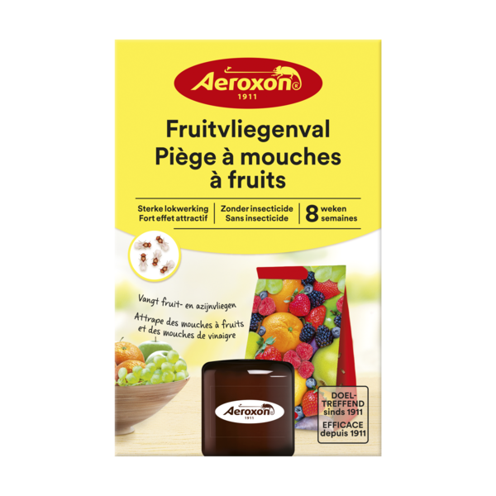
5390740223179 | 22317 | 38089327 | Barclay Gallup Super 360 | 5 l | Barclay Gallup Super 360 | 5 l | 10189P/B | 4 | 160 |  |  | 0,2000 |  |  | 21 |  | BE | https://pim.bsi-products.com/00_Marketing/02_Packshots/BSI/32553/image-thumb__32553__web/22317_C1N1.png | https://pim.bsi-products.com/00_Marketing/02_Packshots/BSI/32553/image-thumb__32553__web/22317_C1N1.png | 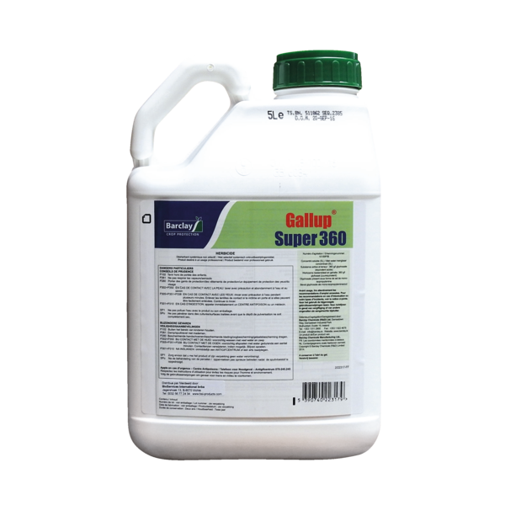
5390740223186 | 22318 | 38089327 | Barclay Gallup Super 360 | 20 l | Barclay Gallup Super 360 | 20 l | 10189P/B | 1 | 40 |  |  | 0,8000 |  |  | 21 |  | BE
5390740225531 | 22553 | 38089327 | Barclay Gallup Super 360 | 1 l | Barclay Gallup Super 360 | 1 l | 10189P/B | 12 | 660 |  |  | 0,0400 |  |  | 21 |  | BE
5420046601002 | 01002 | 38089420 | Eur-O-Tabs Chloortabletten 20G | 1KG | Eur-O-Tabs Tablettes de Chlore 20G | 1KG | 226/16/L,BE-REG-01647 | 6 | 432 | 12,10 | 19,95 | 0,0250 |  |  | 21 |  | BE,LU | https://pim.bsi-products.com/00_Marketing/02_Packshots/BSI/32403/image-thumb__32403__web/01002_C1N1.png | https://pim.bsi-products.com/00_Marketing/02_Packshots/BSI/32403/image-thumb__32403__web/01002_C1N1.png | 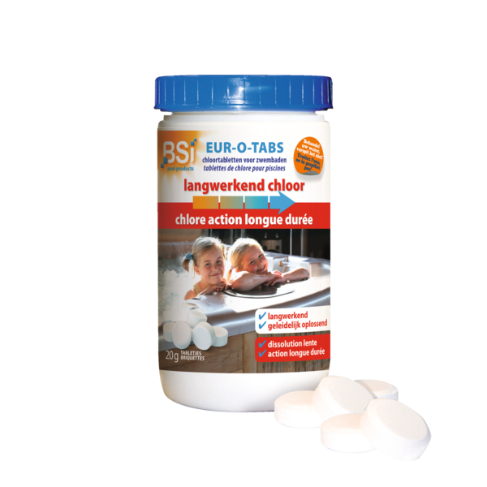
5420046601378 | 01378 | 28334000 | Oxy-Pool & Spa | 2,5 kg | Oxy-Pool & Spa | 2,5 kg |  | 8 | 192 | 30,30 | 49,95 |  |  |  | 21 |  | BE,LU,NL | https://pim.bsi-products.com/00_Marketing/02_Packshots/BSI/32739/image-thumb__32739__web/01378_C1N1.png | https://pim.bsi-products.com/00_Marketing/02_Packshots/BSI/32739/image-thumb__32739__web/01378_C1N1.png | 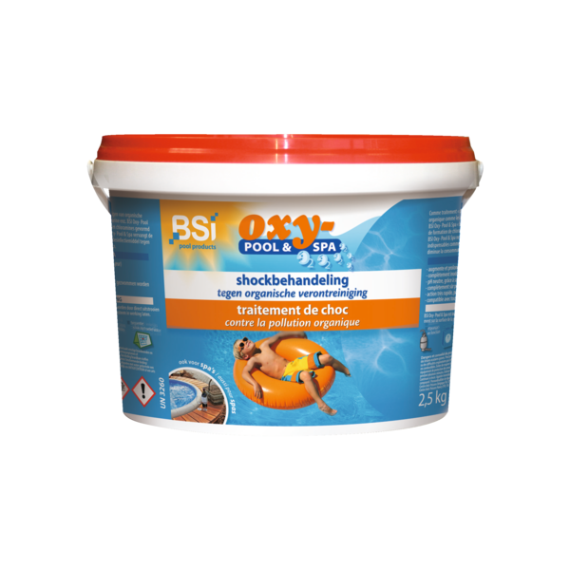
5420046601842 | 01842 | 39269097 | Bodemschepnet Deluxe | Épuisette de fond Deluxe |  | 6 | 300 | 5,10 | 8,50 |  |  |  | 21 |  | BE,LU,NL,FR | https://pim.bsi-products.com/00_Marketing/02_Packshots/BSI/32431/image-thumb__32431__web/01842_C1N1.png | https://pim.bsi-products.com/00_Marketing/02_Packshots/BSI/32431/image-thumb__32431__web/01842_C1N1.png | 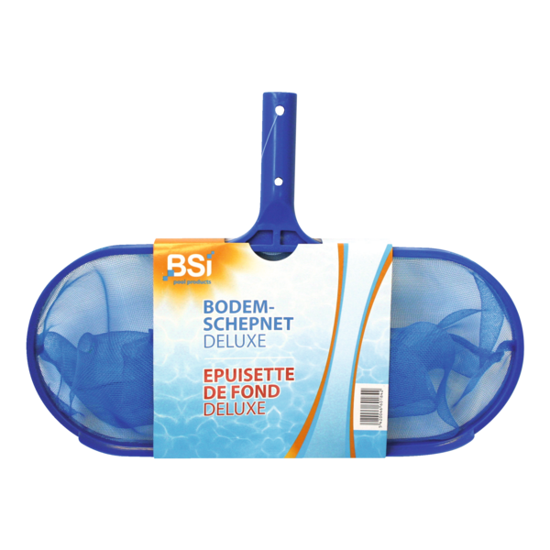
5420046601859 | 01859 | 76169990 | Telescopische steel | 3 m (3 x 1 m) | Manche Télescopique | 3 m (3 x 1 m) |  | 12 | 480 | 14,00 | 22,95 |  |  |  | 21 |  | BE,LU,NL,FR | https://pim.bsi-products.com/00_Marketing/02_Packshots/BSI/32383/image-thumb__32383__web/01859_C1N1.png | https://pim.bsi-products.com/00_Marketing/02_Packshots/BSI/32383/image-thumb__32383__web/01859_C1N1.png | 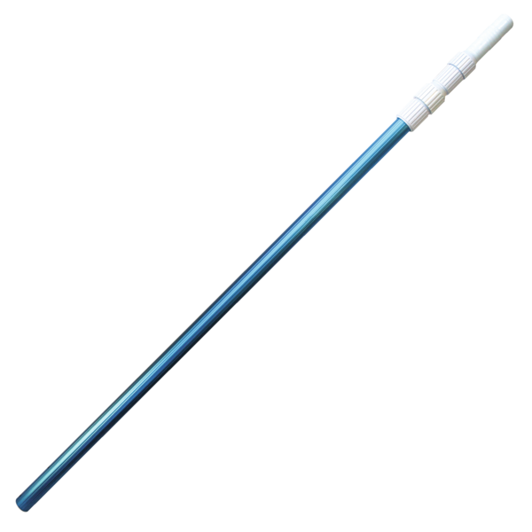
5420046601866 | 01866 | 96039099 | Wand- & Waterlijnborstel | Brosse de Paroi et ligne d'eau |  | 6 | 336 | 4,85 | 7,95 |  |  |  | 21 |  | BE,LU,NL,FR | https://pim.bsi-products.com/00_Marketing/02_Packshots/BSI/32385/image-thumb__32385__web/01866_C1C1.png | https://pim.bsi-products.com/00_Marketing/02_Packshots/BSI/32385/image-thumb__32385__web/01866_C1C1.png | 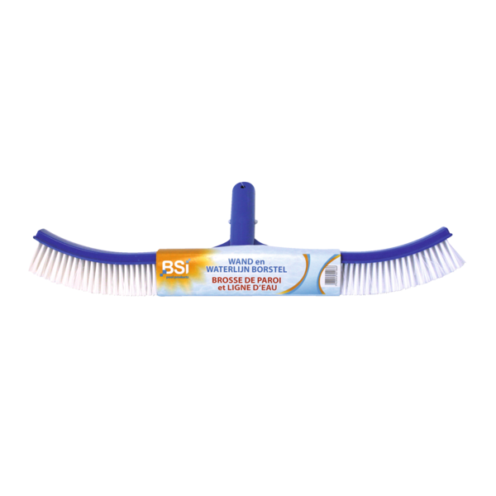
5420046601873 | 01873 | 96039099 | Handschuurborstel | Brosse de Paroi |  | 6 | 1620 | 2,00 | 3,50 |  |  |  | 21 |  | BE,LU,NL,FR | https://pim.bsi-products.com/00_Marketing/02_Packshots/BSI/32436/image-thumb__32436__web/01873_C1N1.png | https://pim.bsi-products.com/00_Marketing/02_Packshots/BSI/32436/image-thumb__32436__web/01873_C1N1.png | 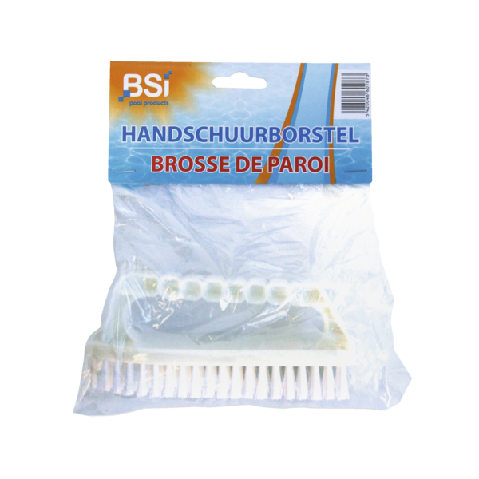
5420046601927 | 01927 | 90278930 | pH-Meter | pH-Mètre |  | 12 | 840 | 36,50 | 59,95 |  | 0,3719 | 0,2560 | 21 |  | BE,LU,NL,FR | https://pim.bsi-products.com/00_Marketing/02_Packshots/BSI/32420/image-thumb__32420__web/01927_C1N1.png | https://pim.bsi-products.com/00_Marketing/02_Packshots/BSI/32420/image-thumb__32420__web/01927_C1N1.png | 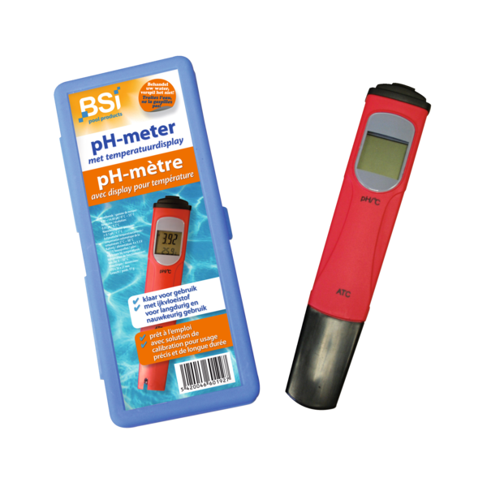
5420046602047 | 02047 | 39269097 | Mini Vlotter | Tabletjes 20G | Flotteur Mini | Tablettes 20G |  | 12 | 840 | 3,00 | 4,95 |  |  |  | 21 |  | BE,LU,NL,FR | https://pim.bsi-products.com/00_Marketing/03_Beeldbank/Product/BSI/32868/image-thumb__32868__web/02047_C1N0.png | https://pim.bsi-products.com/00_Marketing/03_Beeldbank/Product/BSI/32868/image-thumb__32868__web/02047_C1N0.png | 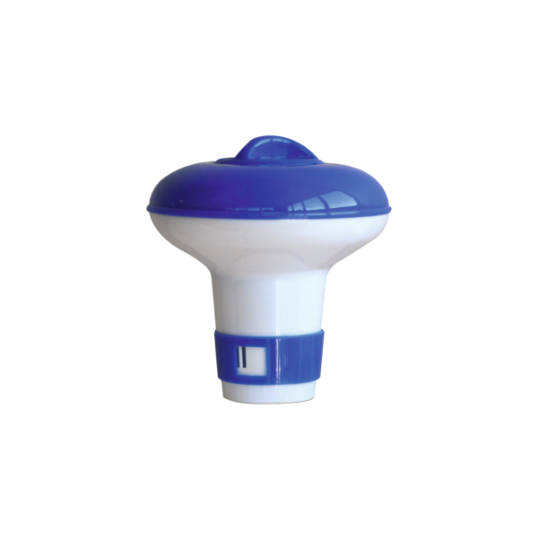
5420046602122 | 02122 | 33019090 | Essence Lavendel | 250 ml | Essence Lavande | 250 ml |  | 12 | 2352 | 12,15 | 19,95 |  |  |  | 21 |  | BE,LU,NL,FR | https://pim.bsi-products.com/00_Marketing/02_Packshots/BSI/32390/image-thumb__32390__web/02122_C1N1.png | https://pim.bsi-products.com/00_Marketing/02_Packshots/BSI/32390/image-thumb__32390__web/02122_C1N1.png | 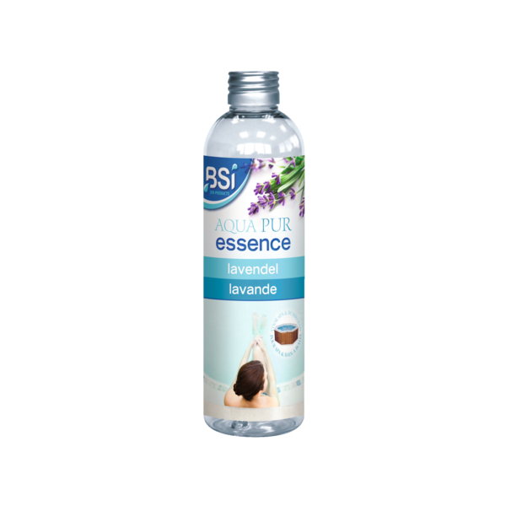
5420046602139 | 02139 | 33019090 | Essence Eucalyptus | 250 ml | Essence Eucalyptol | 250 ml |  | 12 | 2352 | 12,15 | 19,95 |  |  |  | 21 |  | BE,LU,NL,FR | https://pim.bsi-products.com/00_Marketing/02_Packshots/BSI/32386/image-thumb__32386__web/02139_C1N1.png | https://pim.bsi-products.com/00_Marketing/02_Packshots/BSI/32386/image-thumb__32386__web/02139_C1N1.png | 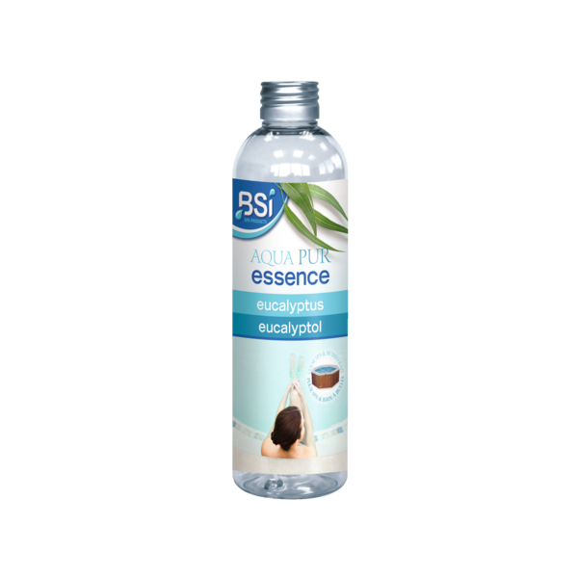
5420046602146 | 02146 | 33019090 | Essence Ijsmunt | 250 ml | Essence Menthe | 250 ml |  | 12 | 2352 | 12,15 | 19,95 |  |  |  | 21 |  | BE,LU,NL,FR | https://pim.bsi-products.com/00_Marketing/02_Packshots/BSI/32384/image-thumb__32384__web/02146_C1N1.png | https://pim.bsi-products.com/00_Marketing/02_Packshots/BSI/32384/image-thumb__32384__web/02146_C1N1.png | 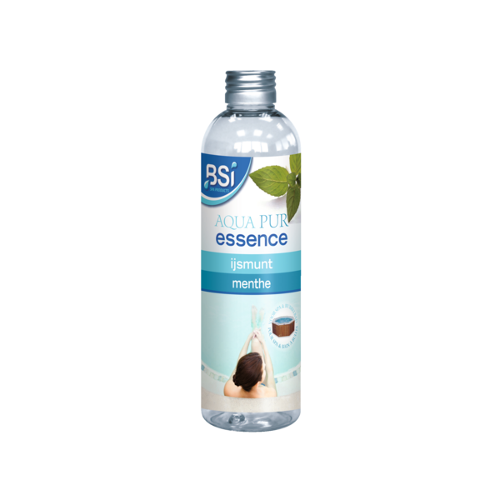
5420046602153 | 02153 | 33019090 | Essence Rozentuin | 250 ml | Essence Jardin de Roses | 250 ml |  | 12 | 2352 | 12,15 | 19,95 |  |  |  | 21 |  | BE,LU,NL,FR | https://pim.bsi-products.com/00_Marketing/02_Packshots/BSI/32387/image-thumb__32387__web/02153_C1N1.png | https://pim.bsi-products.com/00_Marketing/02_Packshots/BSI/32387/image-thumb__32387__web/02153_C1N1.png | 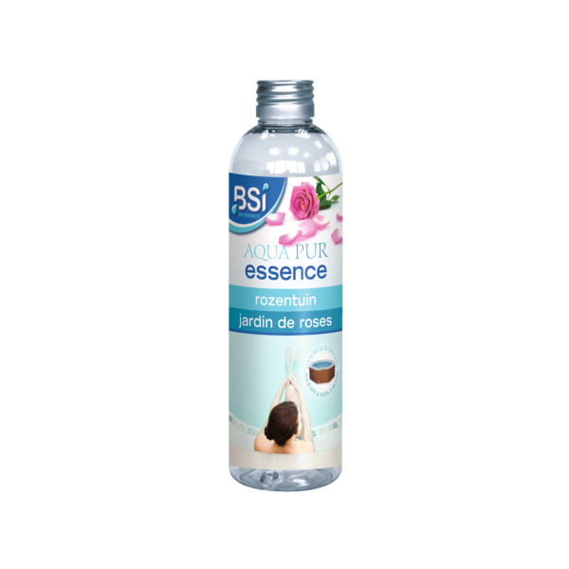
5420046602160 | 02160 | 33019090 | Essence Appelbloesem | 250 ml | Essence Fleur de Pommier | 250 ml |  | 12 | 2352 | 12,15 | 19,95 |  |  |  | 21 |  | BE,LU,NL,FR | https://pim.bsi-products.com/00_Marketing/02_Packshots/BSI/32388/image-thumb__32388__web/02160_C1N1.png | https://pim.bsi-products.com/00_Marketing/02_Packshots/BSI/32388/image-thumb__32388__web/02160_C1N1.png | 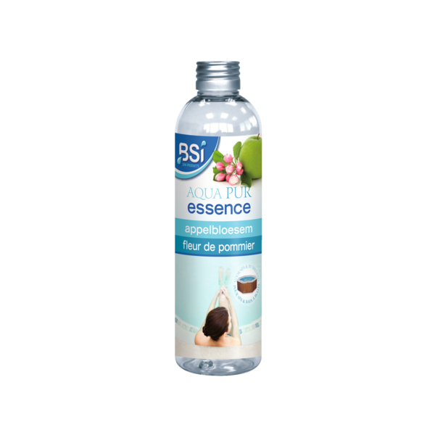
5420046602177 | 02177 | 33019090 | Essence Heidebloem | 250 ml | Essence Fleur de Bruyère | 250 ml |  | 12 | 2352 | 12,15 | 19,95 |  |  |  | 21 |  | BE,LU,NL,FR | https://pim.bsi-products.com/00_Marketing/02_Packshots/BSI/32389/image-thumb__32389__web/02177_C1N1.png | https://pim.bsi-products.com/00_Marketing/02_Packshots/BSI/32389/image-thumb__32389__web/02177_C1N1.png | 
5420046602184 | 02184 | 34025010 | Aqua Pur Schuimverwijderaar | 1 L | Aqua Pur Éliminateur Mousse | 1 L |  | 12 | 432 | 10,00 | 15,95 |  |  |  | 21 |  | BE,LU,NL,FR | https://pim.bsi-products.com/00_Marketing/02_Packshots/BSI/32402/image-thumb__32402__web/02184_C1N1_nl.png | https://pim.bsi-products.com/00_Marketing/02_Packshots/BSI/32401/image-thumb__32401__web/02184_C1N1_fr.png | 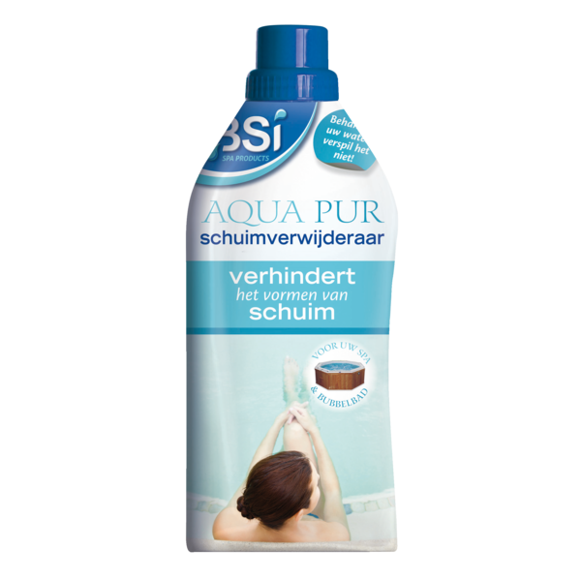
5420046602191 | 02191 | 34025010 | Aqua Pur 5 in 1 | 1 L | Aqua Pur 5 en 1 | 1 L |  | 12 | 432 | 14,85 | 23,95 |  |  |  | 21 |  | BE,LU,NL,FR | https://pim.bsi-products.com/00_Marketing/02_Packshots/BSI/32397/image-thumb__32397__web/02191_C1N1_nl.png | https://pim.bsi-products.com/00_Marketing/02_Packshots/BSI/32396/image-thumb__32396__web/02191_C1N1_fr.png | 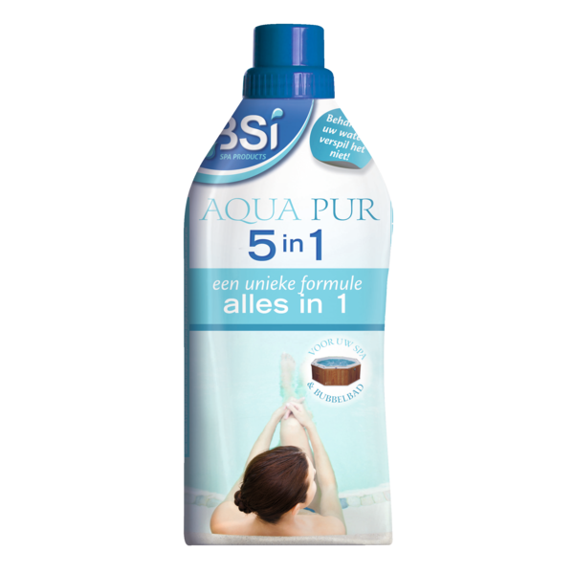
5420046602207 | 02207 | 35069900 | Aqua Pur Deluxe Start Kit | Aqua Pur Deluxe Start Kit |  | 1 | 60 | 44,95 | 74,95 | 0,0300 |  |  | 21 |  | BE | https://pim.bsi-products.com/00_Marketing/02_Packshots/BSI/32417/image-thumb__32417__web/02207_C1L1_nl.png | https://pim.bsi-products.com/00_Marketing/02_Packshots/BSI/32411/image-thumb__32411__web/02207_C1L1_fr.png | 
5420046602221 | 02221 | 33019090 | ASSORTIMENT Geuressences | ASSORTIMENT Odeurs d'Essence |  | 1 | 60 | 145,80 | 239,40 |  |  |  | 21 |  | BE,LU,NL,FR | https://pim.bsi-products.com/00_Marketing/02_Packshots/BSI/33608/image-thumb__33608__web/02221_C1N1.png | https://pim.bsi-products.com/00_Marketing/02_Packshots/BSI/33608/image-thumb__33608__web/02221_C1N1.png | 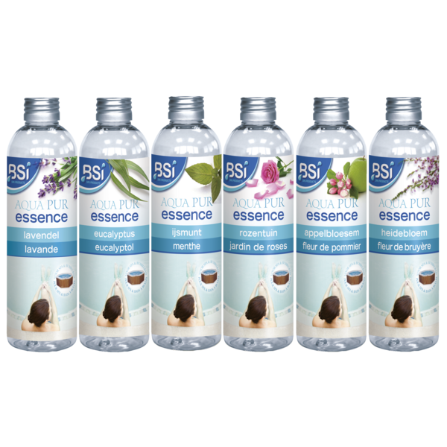
5420046610080 | 10080 | 38089327 | Cito RTU | Herbicide 800 ml | Cito RTU | Herbicide 800 ml | 10199G/B,13858N | 12 | 432 | 9,70 | 15,95 | 0,0168 |  |  | 21 |  | BE,NL | https://pim.bsi-products.com/00_Marketing/02_Packshots/BSI/32457/image-thumb__32457__web/10080_C1N1.png | https://pim.bsi-products.com/00_Marketing/02_Packshots/BSI/32457/image-thumb__32457__web/10080_C1N1.png | 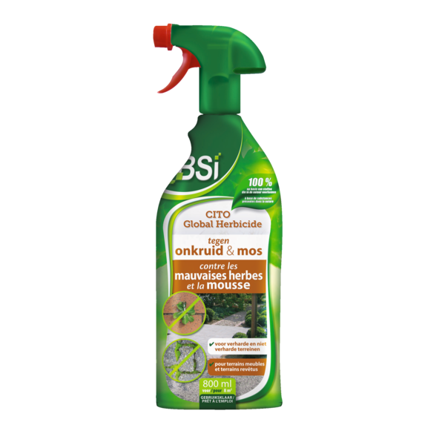
5420046610103 | 10103 | 38089327 | Cito | Herbicide Concentraat 2,5 L | Cito | Herbicide Concentré 2,5 L | 10198G/B | 6 | 240 | 33,50 | 55,50 | 1,3125 |  |  | 21 |  | BE | https://pim.bsi-products.com/00_Marketing/02_Packshots/BSI/32966/image-thumb__32966__web/10103_C1C1.png | https://pim.bsi-products.com/00_Marketing/02_Packshots/BSI/32966/image-thumb__32966__web/10103_C1C1.png | 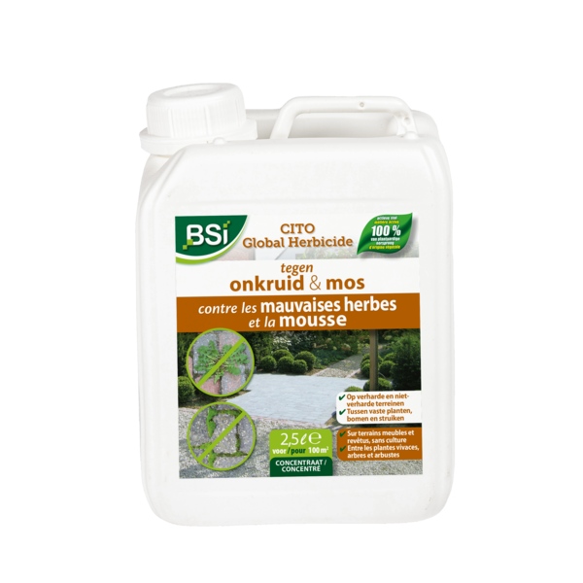
5420046615061 | 15061 | 38089190 | MiteSpray | 500 ml | MiteSpray | 500 ml |  | 12 | 840 | 12,80 | 20,95 |  |  |  | 21 |  | BE,LU,NL,FR | https://pim.bsi-products.com/00_Marketing/02_Packshots/BSI/32453/image-thumb__32453__web/15061_C1N1.png | https://pim.bsi-products.com/00_Marketing/02_Packshots/BSI/32453/image-thumb__32453__web/15061_C1N1.png | 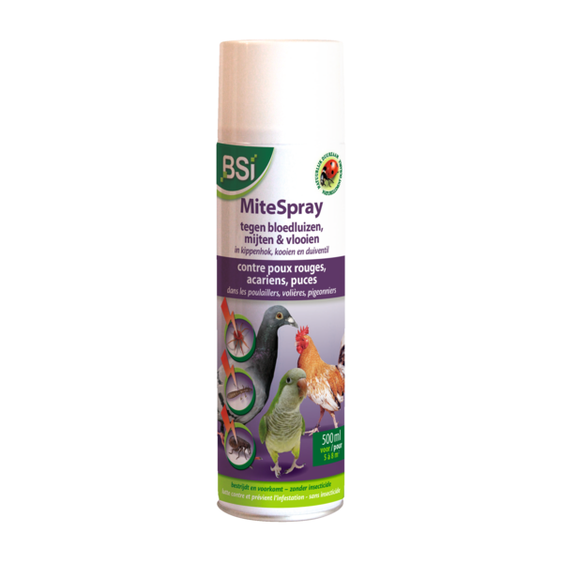
5420046615207 | 15207 | 38089190 | Kleefvallen spinnen e.a. kruipende ins. | 6 st. | Pièges à colle pour araignées | 6 pc. |  | 12 | 2016 | 5,40 | 8,95 |  |  |  | 21 |  | BE,LU,NL,FR | https://pim.bsi-products.com/00_Marketing/02_Packshots/BSI/32460/image-thumb__32460__web/15207_C1L1.png | https://pim.bsi-products.com/00_Marketing/02_Packshots/BSI/32460/image-thumb__32460__web/15207_C1L1.png | 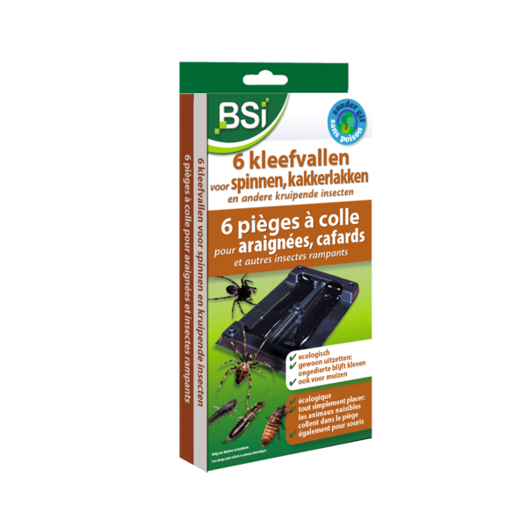
5420046616518 | 16518 | 38248600 | COMBI-DISPLAY Aqua Power Type A WALU | COMBI-DISPLAY Aqua Power Type A WALU |  | 1 | 4 | 1373,40 | 2284,20 |  |  |  | 21 |  | BE,LU | https://pim.bsi-products.com/00_Marketing/02_Packshots/BSI/32487/image-thumb__32487__web/16518_C1LP_fr.png | https://pim.bsi-products.com/00_Marketing/02_Packshots/BSI/32487/image-thumb__32487__web/16518_C1LP_fr.png | 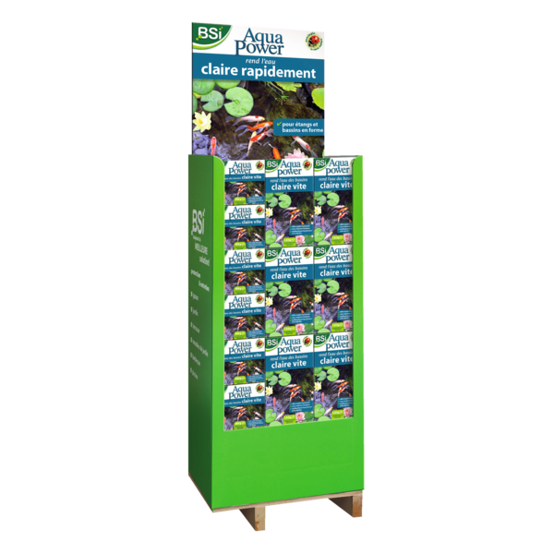
5420046616709 | 16709 | 38248600 | COMBI-DISPLAY Aqua Power Type B VLNL | COMBI-DISPLAY Aqua Power Type B VLNL |  | 1 | 4 | 1332,00 | 2219,40 |  |  |  | 21 |  | BE,NL | https://pim.bsi-products.com/00_Marketing/02_Packshots/BSI/32491/image-thumb__32491__web/16709_C1LP_nl.png | https://pim.bsi-products.com/00_Marketing/02_Packshots/BSI/32491/image-thumb__32491__web/16709_C1LP_nl.png | 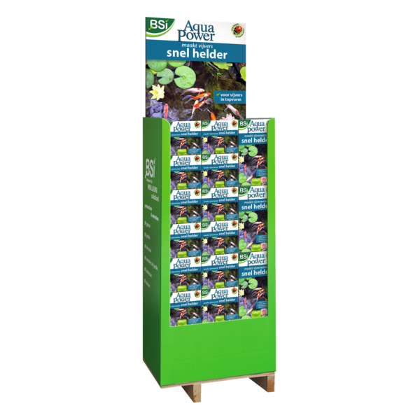
5420046616716 | 16716 | 38248600 | COMBI-DISPLAY Aqua Power Type B WALU | COMBI-DISPLAY Aqua Power Type B WALU |  | 1 | 4 | 1332,00 | 2219,40 |  |  |  | 21 |  | BE,LU |  | https://pim.bsi-products.com/00_Marketing/02_Packshots/BSI/33863/image-thumb__33863__web/16716_C1LP.png | 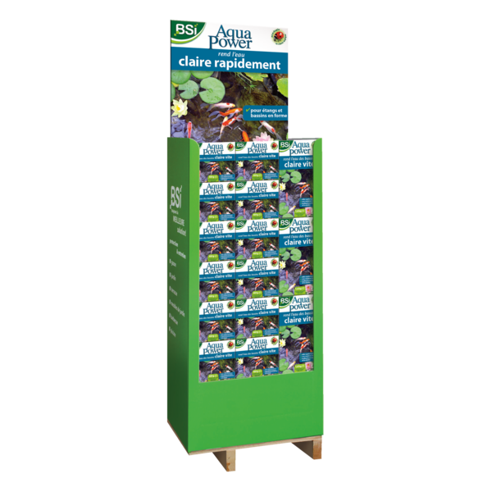
5420046617898 | 17898 | 38249996 | Aqua Clear | 900 g | Aqua Clear | 900 g |  | 12 | 432 | 13,10 | 21,50 |  |  |  | 21 |  | BE,LU,NL,FR | https://pim.bsi-products.com/00_Marketing/02_Packshots/BSI/32493/image-thumb__32493__web/17898_C1N1_nl.png | https://pim.bsi-products.com/00_Marketing/02_Packshots/BSI/32492/image-thumb__32492__web/17898_C1N1_fr.png | 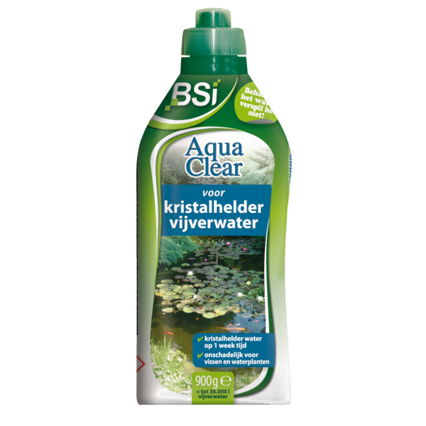
5420046617904 | 17904 | 38249996 | Aqua Clear | 4 kg | Aqua Clear | 4 kg |  | 4 | 96 | 39,40 | 64,95 |  |  |  | 21 |  | BE,LU,NL,FR | https://pim.bsi-products.com/00_Marketing/02_Packshots/BSI/32497/image-thumb__32497__web/17904_C1N1.png | https://pim.bsi-products.com/00_Marketing/02_Packshots/BSI/32497/image-thumb__32497__web/17904_C1N1.png | 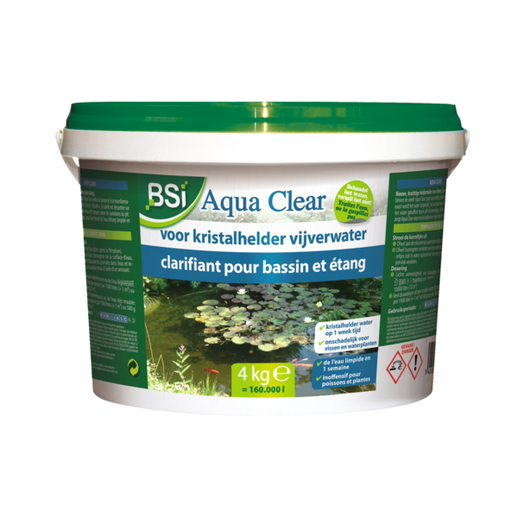
5420046618079 | 18079 | 38089327 | Empress Garden | 500 g | Empress Garden | 500 g | 9959G/B | 12 | 432 | 18,20 | 29,95 | 0,2625 |  |  | 21 |  | BE | https://pim.bsi-products.com/00_Marketing/02_Packshots/BSI/32762/image-thumb__32762__web/18079_C1L1_nl.png | https://pim.bsi-products.com/00_Marketing/02_Packshots/BSI/32766/image-thumb__32766__web/18079_C1L1_fr.png | 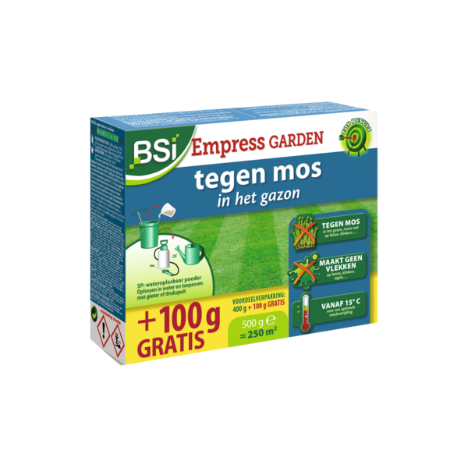
5420046618093 | 18093 | 38089327 | Empress Garden | 1 kg | Empress Garden | 1 kg | 9959G/B | 12 | 288 | 27,50 | 45,50 | 0,5250 |  |  | 21 |  | BE | https://pim.bsi-products.com/00_Marketing/02_Packshots/BSI/32812/image-thumb__32812__web/18093_C1L1_nl.png | https://pim.bsi-products.com/00_Marketing/02_Packshots/BSI/32547/image-thumb__32547__web/18093_C1L1_fr.png | 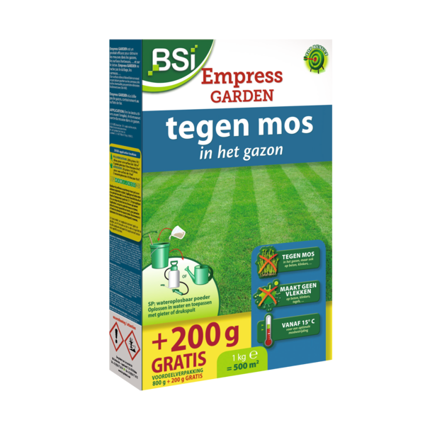
5420046618239 | 18239 | 38089250 | Fungistop Garden | 40 ml | Fungistop Garden | 40 ml | 1009G/P | 12 | 576 | 12,50 | 20,50 | 0,0412 |  |  | 21 |  | BE | https://pim.bsi-products.com/00_Marketing/02_Packshots/BSI/32534/image-thumb__32534__web/18239_C1L1_nl.png | https://pim.bsi-products.com/00_Marketing/02_Packshots/BSI/32536/image-thumb__32536__web/18239_C1L1_fr.png | 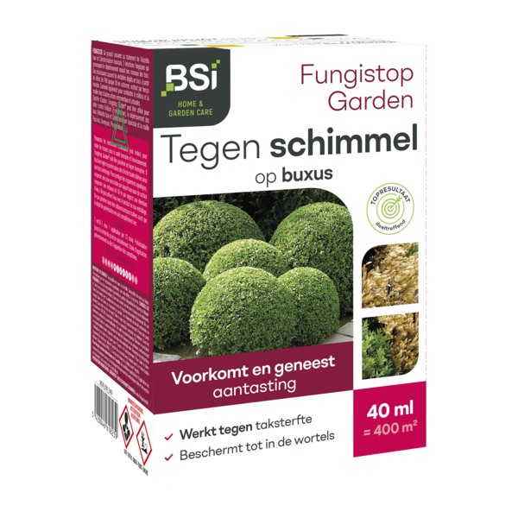
5420046618260 | 18260 | 31021090 | Compostversneller voor Grasmaaisel | 6 kg | Activateur de Compost pour Herbe Tondue | 6 kg |  | 4 | 96 | 10,70 | 15,95 |  |  |  | 6 |  | BE,LU,NL,FR | https://pim.bsi-products.com/00_Marketing/02_Packshots/BSI/32538/image-thumb__32538__web/18260_C1N1.png | https://pim.bsi-products.com/00_Marketing/02_Packshots/BSI/32538/image-thumb__32538__web/18260_C1N1.png | 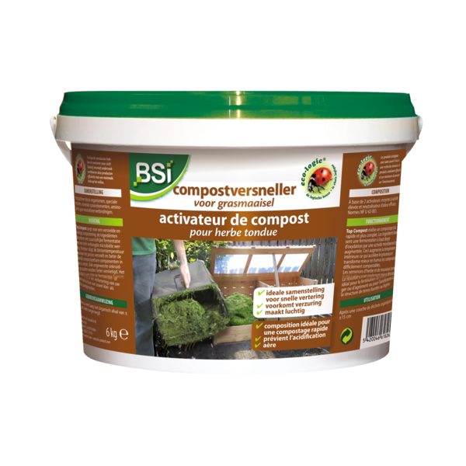
5420046618352 | 18352 | 38089327 | COMBI-DISPLAY Empress Garden VL | COMBI-DISPLAY Empress Garden VL |  | 1 | 4 | 1645,20 | 2716,20 |  |  |  | 21 |  | BE | https://pim.bsi-products.com/00_Marketing/02_Packshots/BSI/32531/image-thumb__32531__web/18352_C1LP_nl.png |  | 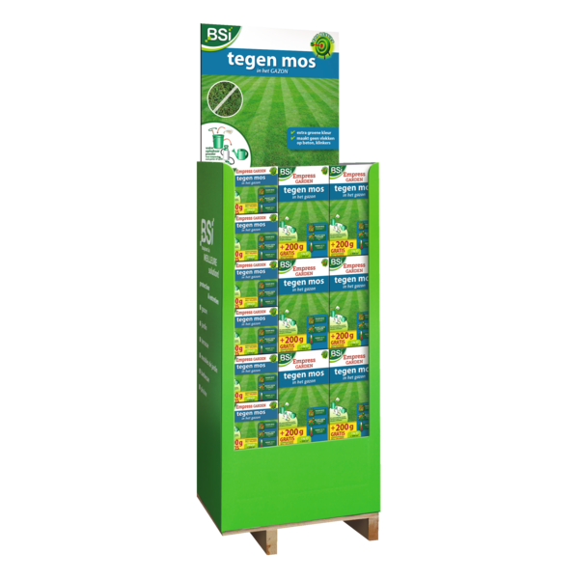
5420046618369 | 18369 | 38089327 | COMBI-DISPLAY Empress Garden WA | COMBI-DISPLAY Empress Garden WA |  | 1 | 4 | 1645,20 | 2716,20 |  |  |  | 21 |  | BE |  | https://pim.bsi-products.com/00_Marketing/02_Packshots/BSI/32533/image-thumb__32533__web/18369_C1LP_fr.png | 
5420046618376 | 18376 | 38089327 | DISPLAY Empress Garden | 54 x 1 kg VL | DISPLAY Empress Garden | 54 x 1 kg VL |  | 1 | 4 | 1485,00 | 2457,00 |  |  |  | 21 |  | BE | https://pim.bsi-products.com/00_Marketing/02_Packshots/BSI/32528/image-thumb__32528__web/18376_C1LP_nl.png |  | 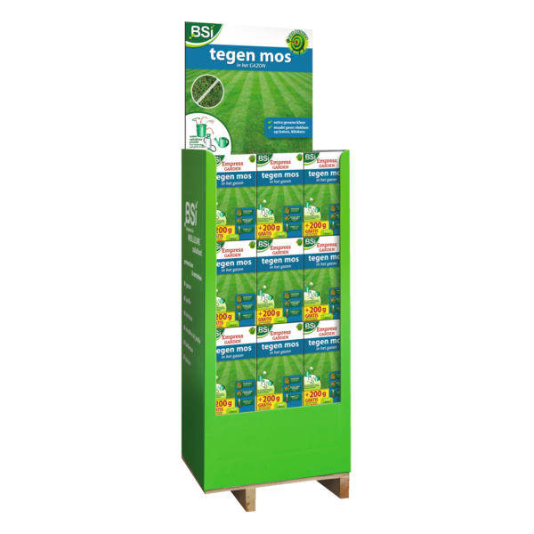
5420046618383 | 18383 | 38089327 | DISPLAY Empress Garden | 54 x 1 kg WA | DISPLAY Empress Garden | 54 x 1 kg WA |  | 1 | 4 | 1485,00 | 2457,00 |  |  |  | 21 |  | BE |  | https://pim.bsi-products.com/00_Marketing/02_Packshots/BSI/32532/image-thumb__32532__web/18383_C1LP_fr.png | 
5420046618499 | 18499 | 38089190 | Insect Free | Spray 500 ml | Insect Free | Spray 500 ml | NOTIF799,2/21/L,69380 | 12 | 840 | 18,25 | 29,95 | 0,0025 |  |  | 21 |  | BE,LU,FR | https://pim.bsi-products.com/00_Marketing/02_Packshots/BSI/32729/image-thumb__32729__web/18499_C1N1.png | https://pim.bsi-products.com/00_Marketing/02_Packshots/BSI/32729/image-thumb__32729__web/18499_C1N1.png | 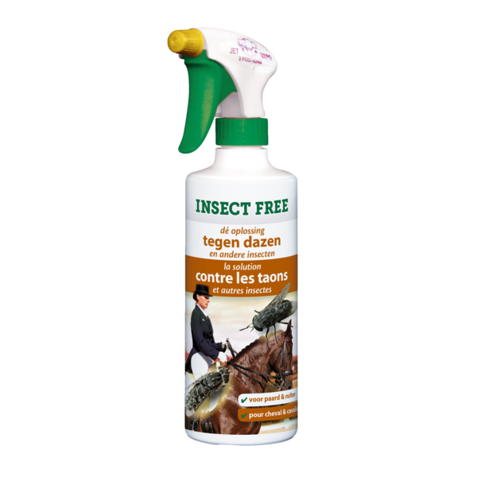
5420046618512 | 18512 | 38089190 | Insect Free | 2,5 L | Insect Free | 2,5 L | NOTIF799,69380 | 6 | 240 | 69,25 | 114,50 | 0,0125 |  |  | 21 |  | BE,FR | https://pim.bsi-products.com/00_Marketing/02_Packshots/BSI/32743/image-thumb__32743__web/18512_C1C1.png | https://pim.bsi-products.com/00_Marketing/02_Packshots/BSI/32743/image-thumb__32743__web/18512_C1C1.png | 
5420046618765 | 18765 | 38089990 | Slakkenvraat GR | 2,5 kg | Limaces GR | 2,5 kg |  | 8 | 192 | 11,20 | 18,50 |  |  |  | 21 |  | BE,NL,FR | https://pim.bsi-products.com/00_Marketing/02_Packshots/BSI/32522/image-thumb__32522__web/18765_C1N1.png | https://pim.bsi-products.com/00_Marketing/02_Packshots/BSI/32522/image-thumb__32522__web/18765_C1N1.png | 
5420046618796 | 18796 | 85437090 | Solar Mol | 1 st. | Solar Taupe | 1 pc. |  | 6 | 192 | 24,00 | 39,50 |  | 0,3719 |  | 21 |  | BE,LU,NL,FR | https://pim.bsi-products.com/00_Marketing/02_Packshots/BSI/32542/image-thumb__32542__web/18796_C1L1.png | https://pim.bsi-products.com/00_Marketing/02_Packshots/BSI/32542/image-thumb__32542__web/18796_C1L1.png | 
5420046618819 | 18819 | 85437090 | Elektrische Muizen- en Rattenval | 1 st. | Piège à Souris & Rats Électrique | 1 pc. |  | 6 | 288 | 30,20 | 49,95 |  | 0,1488 |  | 21 |  | BE,LU,NL,FR | https://pim.bsi-products.com/00_Marketing/02_Packshots/BSI/32527/image-thumb__32527__web/18819_C1L1.png | https://pim.bsi-products.com/00_Marketing/02_Packshots/BSI/32527/image-thumb__32527__web/18819_C1L1.png | 
5420046618826 | 18826 | 39269097 | Adapter Elektrische Muizen- en Rattenval | 1 pc. | Adaptateur Piège à Souris & Rats Électrique | 1 pc |  | 6 | 3696 | 6,50 | 10,95 |  | 0,0579 |  | 21 |  | BE,LU,NL,FR | https://pim.bsi-products.com/00_Marketing/02_Packshots/BSI/32801/image-thumb__32801__web/18826_C1N0.png | https://pim.bsi-products.com/00_Marketing/02_Packshots/BSI/32801/image-thumb__32801__web/18826_C1N0.png | 
5420046618840 | 18840 | 39269097 | Kantelval voor Muizen | 1 st. | Piège Basculant pour Souris | 1 pc. |  | 24 | 960 | 3,85 | 6,50 |  |  |  | 21 |  | BE,LU,NL,FR | https://pim.bsi-products.com/00_Marketing/02_Packshots/BSI/32537/image-thumb__32537__web/18840_C1R1.png | https://pim.bsi-products.com/00_Marketing/02_Packshots/BSI/32537/image-thumb__32537__web/18840_C1R1.png | 
5420046618925 | 18925 | 39235090 | BDS | Bovendop Vat | BDS | Bouchon supérieur pour fût pulvérisateur |  | 1 | 0 | 5,00 | 9,95 |  |  |  | 21 |  | BE,LU,NL,FR
5420046618932 | 18932 | 84219990 | BDS | Zeef voor Vat | BDS | Tamis pour fût pulvérisateur |  | 1 | 0 | 5,00 | 9,95 |  |  |  | 21 |  | BE,LU,NL,FR
5420046618956 | 18956 | 39269097 | Flash Off Vogelafweerlinten | 2 st. | Flash Off Chasse-Oiseaux | 2 pc. |  | 12 | 3648 | 12,20 | 19,95 |  |  |  | 21 |  | BE,LU,NL,FR | https://pim.bsi-products.com/00_Marketing/02_Packshots/BSI/32521/image-thumb__32521__web/18956_C1L1_nl.png | https://pim.bsi-products.com/00_Marketing/02_Packshots/BSI/32757/image-thumb__32757__web/18956_C1L1_fr.png | 
5420046619038 | 19038 | 38089990 | Stop GR Konijn | 600 g | Stop GR Lapin | 600 g |  | 12 | 432 | 9,10 | 14,95 |  |  |  | 21 |  | BE,LU,NL,FR | https://pim.bsi-products.com/00_Marketing/02_Packshots/BSI/32529/image-thumb__32529__web/19038_C1C1_nl.png | https://pim.bsi-products.com/00_Marketing/02_Packshots/BSI/32530/image-thumb__32530__web/19038_C1C1_fr.png | 
5420046619076 | 19076 | 38089327 | Fertimoss | 12 kg | Fertimoss | 12 kg | 10411G/B (EM028.B) | 1 | 66 | 22,80 | 37,50 | 0,5058 |  |  | 21 |  | BE | https://pim.bsi-products.com/00_Marketing/02_Packshots/BSI/33590/image-thumb__33590__web/19076_C1L1.png | https://pim.bsi-products.com/00_Marketing/02_Packshots/BSI/33590/image-thumb__33590__web/19076_C1L1.png | 
5420046619151 | 19151 | 38089990 | Slakkenlokstof | 200 g | Attractif Limaces | 200 g |  | 12 | 840 | 10,30 | 16,95 |  |  |  | 21 |  | BE,NL | https://pim.bsi-products.com/00_Marketing/02_Packshots/BSI/32519/image-thumb__32519__web/19151_C1L1_nl.png | https://pim.bsi-products.com/00_Marketing/02_Packshots/BSI/32520/image-thumb__32520__web/19151_C1L1_fr.png | 
5420046619182 | 19182 | 85437090 | Mollen-Stop + Kabel & Adapter | 1 st. | Stop-Taupes + Câble & Adaptateur | 1 pc. |  | 6 | 336 | 43,00 | 69,95 |  | 0,3719 |  | 21 |  | BE,LU,NL,FR | https://pim.bsi-products.com/00_Marketing/02_Packshots/BSI/33591/image-thumb__33591__web/19182_C1N1.png | https://pim.bsi-products.com/00_Marketing/02_Packshots/BSI/33591/image-thumb__33591__web/19182_C1N1.png | 
5420046619199 | 19199 | 85365011 | BDS | Fiche voor Lader | BDS | Fiche pour chargeur |  | 1 | 0 | 5,00 | 9,95 |  |  |  | 21 |  | BE,LU,NL,FR
5420046619205 | 19205 | 84219910 | BDS | Binnenfilter | BDS | Filtre Intérieur |  | 1 | 0 | 5,00 | 9,95 |  |  |  | 21 |  | BE,LU,NL,FR
5420046619212 | 19212 | 85365011 | BDS | Switchregelaar | BDS | Commutateur-contrôleur |  | 1 | 0 | 5,00 | 9,95 |  |  |  | 21 |  | BE,LU,NL,FR
5420046619434 | 19434 | 84244100 | Handdrukspuit Turbo 360 | 1,3 L | Pulvérisateur à main Turbo 360 | 1,3 L |  | 12 | 384 | 10,90 | 17,95 |  |  |  | 21 |  | BE,LU,NL,FR | https://pim.bsi-products.com/00_Marketing/02_Packshots/BSI/32727/image-thumb__32727__web/19434_C1C1.png | https://pim.bsi-products.com/00_Marketing/02_Packshots/BSI/32727/image-thumb__32727__web/19434_C1C1.png | 
5420046619441 | 19441 | 84244100 | Handdrukspuit Double Action 360 | 500 ml | Pulvérisateur à main Double Action 360 | 500 ml |  | 24 | 720 | 7,85 | 12,95 |  |  |  | 21 |  | BE,LU,NL,FR | https://pim.bsi-products.com/00_Marketing/02_Packshots/BSI/32720/image-thumb__32720__web/19441_C1N1.png | https://pim.bsi-products.com/00_Marketing/02_Packshots/BSI/32720/image-thumb__32720__web/19441_C1N1.png | 
5420046619496 | 19496 | 38089990 | Slakkenval | 1 stuk + Slakkenlokstof (50 g) | Piège à Limaces|1 pièce + Attractif Limaces (50 g) |  | 12 | 480 | 7,25 | 11,95 |  |  |  | 21 |  | BE,NL | https://pim.bsi-products.com/00_Marketing/02_Packshots/BSI/32550/image-thumb__32550__web/19496_C1C1.png | https://pim.bsi-products.com/00_Marketing/02_Packshots/BSI/32550/image-thumb__32550__web/19496_C1C1.png | 
5420046619519 | 19519 | 38089990 | Wildafweer | 600 g | Répulsif Gibier | 600 g |  | 12 | 432 | 9,10 | 14,95 |  |  |  | 21 |  | BE,LU,NL,FR | https://pim.bsi-products.com/00_Marketing/02_Packshots/BSI/32559/image-thumb__32559__web/19519_C1C1_nl.png | https://pim.bsi-products.com/00_Marketing/02_Packshots/BSI/32563/image-thumb__32563__web/19519_C1C1_fr.png | 
5420046619571 | 19571 | 28369990 | Minipool Net in situ | 1 kg | Minipool Net in situ | 1 kg | 237/16/L,BE-REG-02244 | 12 | 432 | 8,50 | 13,95 | 0,0050 |  |  | 21 |  | BE,LU | https://pim.bsi-products.com/00_Marketing/02_Packshots/BSI/32558/image-thumb__32558__web/19571_C1C1.png | https://pim.bsi-products.com/00_Marketing/02_Packshots/BSI/32558/image-thumb__32558__web/19571_C1C1.png | 
5420046619632 | 61963 | 38089110 | Clean Kill Micro-Fast Spinnen | 500 ml | Clean Kill Micro-Fast Araignées | 500 ml | 27/25/L,BE-REG-00745 | 12 | 840 | 9,65 | 15,95 | 0,0050 |  |  | 21 |  | BE,LU | https://pim.bsi-products.com/00_Marketing/02_Packshots/BSI/49032/image-thumb__49032__web/61963_C1N1.png | https://pim.bsi-products.com/00_Marketing/02_Packshots/BSI/49032/image-thumb__49032__web/61963_C1N1.png | 
5420046619687 | 61968 | 38249996 | Alg-Stop in situ | 500 g | Alg-Stop in situ | 500 g | 1/21/L EOS,BE-REG-02242 | 12 | 432 | 11,50 | 18,95 | 0,0025 |  |  | 21 |  | BE,LU | https://pim.bsi-products.com/00_Marketing/02_Packshots/BSI/32632/image-thumb__32632__web/61968_C1L1_nl.png | https://pim.bsi-products.com/00_Marketing/02_Packshots/BSI/32630/image-thumb__32630__web/61968_C1L1_fr.png | 
5420046619694 | 61969 | 38249996 | Alg-Stop in situ | 2 kg | Alg-Stop in situ | 2 kg | 1/21/L EOS,BE-REG-02242 | 6 | 288 | 22,30 | 36,95 | 0,0100 |  |  | 21 |  | BE,LU | https://pim.bsi-products.com/00_Marketing/02_Packshots/BSI/32656/image-thumb__32656__web/61969_C1L1_nl.png | https://pim.bsi-products.com/00_Marketing/02_Packshots/BSI/32657/image-thumb__32657__web/61969_C1L1_fr.png | 
5420046619700 | 61970 | 38249996 | Alg-Stop in situ | 5 kg | Alg-Stop in situ| 5 kg | 1/21/L EOS,BE-REG-02242 | 4 | 96 | 40,05 | 65,95 | 0,0250 |  |  | 21 |  | BE,LU | https://pim.bsi-products.com/00_Marketing/02_Packshots/BSI/33589/image-thumb__33589__web/61970_C1N1.png | https://pim.bsi-products.com/00_Marketing/02_Packshots/BSI/33589/image-thumb__33589__web/61970_C1N1.png | 
5420046619793 | 61979 | 38089110 | Clean Kill Micro-Fast | 375 ml | Clean Kill Micro-Fast | 375 ml | BE-REG-02472,25/25/L | 12 | 1008 | 8,00 | 12,95 | 0,0038 |  |  | 21 |  | BE,LU | https://pim.bsi-products.com/00_Marketing/02_Packshots/BSI/49035/image-thumb__49035__web/61979_C1L1.png | https://pim.bsi-products.com/00_Marketing/02_Packshots/BSI/49035/image-thumb__49035__web/61979_C1L1.png | 
5420046619809 | 61980 | 38089110 | Clean Kill Micro-Fast | 500 ml | Clean Kill Micro-Fast | 500 ml | BE-REG-02472,25/25/L | 12 | 840 | 9,65 | 15,95 | 0,0050 |  |  | 21 |  | BE,LU | https://pim.bsi-products.com/00_Marketing/02_Packshots/BSI/49037/image-thumb__49037__web/61980_C1L1.png | https://pim.bsi-products.com/00_Marketing/02_Packshots/BSI/49037/image-thumb__49037__web/61980_C1L1.png | 
5420046619816 | 61981 | 38089110 | Clean Kill Micro-Fast | 2,5 L | Clean Kill Micro-Fast | 2,5 L | BE-REG-02472,25/25/L | 6 | 240 | 29,10 | 47,95 | 0,0250 |  |  | 21 |  | BE,LU | https://pim.bsi-products.com/00_Marketing/02_Packshots/BSI/49040/image-thumb__49040__web/61981_C1N1.png | https://pim.bsi-products.com/00_Marketing/02_Packshots/BSI/49040/image-thumb__49040__web/61981_C1N1.png | 
5420046619823 | 61982 | 38089110 | Clean Kill Micro-Fast | 5 L | Clean Kill Micro-Fast | 5 L | BE-REG-02472,25/25/L | 4 | 128 | 54,00 | 88,95 | 0,0500 |  |  | 21 |  | BE,LU | https://pim.bsi-products.com/00_Marketing/02_Packshots/BSI/49000/image-thumb__49000__web/61982_C1C1.png | https://pim.bsi-products.com/00_Marketing/02_Packshots/BSI/49000/image-thumb__49000__web/61982_C1C1.png | 
5420046619922 | 61992 | 31010000 | Larvex Bio-Gazon | 2 kg | Larvex Bio-Gazon | 2 kg |  | 6 | 144 | 20,50 | 30,50 |  |  |  | 6 | ja | BE,LU,NL | https://pim.bsi-products.com/00_Marketing/02_Packshots/BSI/32661/image-thumb__32661__web/61992_C1L1_nl.png | https://pim.bsi-products.com/00_Marketing/02_Packshots/BSI/32662/image-thumb__32662__web/61992_C1L1_fr.png | 
5420046619939 | 61993 | 31010000 | Larvex Bio-Gazon | 6 kg | Larvex Bio-Gazon | 6 kg |  | 1 | 60 | 49,10 | 73,50 |  |  |  | 6 | ja | BE,LU,NL | https://pim.bsi-products.com/00_Marketing/02_Packshots/BSI/33568/image-thumb__33568__web/61993_C1N1.png | https://pim.bsi-products.com/00_Marketing/02_Packshots/BSI/33568/image-thumb__33568__web/61993_C1N1.png | 
5420046620010 | 20010 | 31010000 | Bio-Korrel-Kalk | 25 kg | Calcaire-Granulé-Bio | 25 kg |  | 1 | 42 | 10,35 | 15,50 |  |  |  | 6 | ja | BE,LU,NL | https://pim.bsi-products.com/00_Marketing/02_Packshots/BSI/32567/image-thumb__32567__web/20010_C1L1.png | https://pim.bsi-products.com/00_Marketing/02_Packshots/BSI/32567/image-thumb__32567__web/20010_C1L1.png | 
5420046620072 | 20072 | 31052010 | Minerale Gazonmest | 25 kg | Engrais Gazon Minéral | 25 kg |  | 1 | 40 | 65,60 | 98,50 |  |  |  | 6 | ja | BE,LU,NL | https://pim.bsi-products.com/00_Marketing/02_Packshots/BSI/32574/image-thumb__32574__web/20072_C1L1.png | https://pim.bsi-products.com/00_Marketing/02_Packshots/BSI/32574/image-thumb__32574__web/20072_C1L1.png | 
5420046620164 | 20164 | 31010000 | Greentime | 4 kg | Greentime | 4 kg |  | 6 | 144 | 13,85 | 20,95 |  |  |  | 6 | ja | BE,LU,NL | https://pim.bsi-products.com/00_Marketing/02_Packshots/BSI/32578/image-thumb__32578__web/20164_C1L1_nl.png | https://pim.bsi-products.com/00_Marketing/02_Packshots/BSI/32579/image-thumb__32579__web/20164_C1L1_fr.png | 
5420046620300 | 20300 | 31010000 | Rozen Meststof | 1,25 kg | Engrais Rosiers | 1,25 kg |  | 12 | 288 | 7,00 | 10,50 |  |  |  | 6 | ja | BE,LU,NL,FR | https://pim.bsi-products.com/00_Marketing/02_Packshots/BSI/33593/image-thumb__33593__web/20300_C1L1_nl.png | https://pim.bsi-products.com/00_Marketing/02_Packshots/BSI/33596/image-thumb__33596__web/20300_C1L1_fr.png | 
5420046620317 | 20317 | 31010000 | Rozen Meststof | 4 kg | Engrais Rosiers | 4 kg |  | 6 | 144 | 12,70 | 18,95 |  |  |  | 6 | ja | BE,LU,NL | https://pim.bsi-products.com/00_Marketing/02_Packshots/BSI/32572/image-thumb__32572__web/20317_C1L1_nl.png | https://pim.bsi-products.com/00_Marketing/02_Packshots/BSI/32576/image-thumb__32576__web/20317_C1L1_fr.png | 
5420046620324 | 20324 | 31010000 | Hagen, Taxus & Coniferen Meststof | 1,25 kg | Engrais Haies, Ifs & Conifères | 1,25 kg |  | 12 | 288 | 7,00 | 10,50 |  |  |  | 6 | ja | BE,LU,NL,FR | https://pim.bsi-products.com/00_Marketing/02_Packshots/BSI/33597/image-thumb__33597__web/20324_C1L1_nl.png | https://pim.bsi-products.com/00_Marketing/02_Packshots/BSI/33599/image-thumb__33599__web/20324_C1L1_fr.png | 
5420046620331 | 20331 | 31010000 | Hagen, Taxus & Coniferen Meststof | 4 kg | Engrais Haies, Ifs & Conifères | 4 kg |  | 6 | 144 | 12,70 | 18,95 |  |  |  | 6 | ja | BE,LU,NL,FR | https://pim.bsi-products.com/00_Marketing/02_Packshots/BSI/32586/image-thumb__32586__web/20331_C1L1_nl.png | https://pim.bsi-products.com/00_Marketing/02_Packshots/BSI/32584/image-thumb__32584__web/20331_C1L1_fr.png | 
5420046620348 | 20348 | 31010000 | Hortensia & Rododendron Meststof | 1,25 kg | Engrais Hortensia & Rhododendron | 1,25 kg |  | 12 | 288 | 7,00 | 10,50 |  |  |  | 6 | ja | BE,LU,NL,FR | https://pim.bsi-products.com/00_Marketing/02_Packshots/BSI/33598/image-thumb__33598__web/20348_C1L1_nl.png | https://pim.bsi-products.com/00_Marketing/02_Packshots/BSI/33595/image-thumb__33595__web/20348_C1L1_fr.png | 
5420046620355 | 20355 | 31010000 | Hortensia & Rododendron Meststof | 4 kg | Engrais Hortensia & Rhododendron | 4 kg |  | 6 | 144 | 12,70 | 18,95 |  |  |  | 6 | ja | BE,LU,NL,FR | https://pim.bsi-products.com/00_Marketing/02_Packshots/BSI/32573/image-thumb__32573__web/20355_C1L1_nl.png | https://pim.bsi-products.com/00_Marketing/02_Packshots/BSI/32577/image-thumb__32577__web/20355_C1L1_fr.png | 
5420046620379 | 20379 | 31010000 | Buxus Meststof | 1,25 kg | Engrais Buis | 1,25 kg |  | 12 | 288 | 7,00 | 10,50 |  |  |  | 6 | ja | BE,LU,NL,FR | https://pim.bsi-products.com/00_Marketing/02_Packshots/BSI/33602/image-thumb__33602__web/20379_C1L1_nl.png | https://pim.bsi-products.com/00_Marketing/02_Packshots/BSI/33594/image-thumb__33594__web/20379_C1L1_fr.png | 
5420046620386 | 20386 | 31010000 | Buxus Meststof | 4 kg | Engrais Buis | 4 kg |  | 6 | 144 | 12,70 | 18,95 |  |  |  | 6 | ja | BE,LU,NL,FR | https://pim.bsi-products.com/00_Marketing/02_Packshots/BSI/32585/image-thumb__32585__web/20386_C1L1_nl.png | https://pim.bsi-products.com/00_Marketing/02_Packshots/BSI/32583/image-thumb__32583__web/20386_C1L1_fr.png | 
5420046620393 | 20393 | 31010000 | Universele Tuinmeststof | 1,25 kg | Engrais Jardin Universel | 1,25 kg |  | 12 | 288 | 7,00 | 10,50 |  |  |  | 6 | ja | BE,LU,NL,FR | https://pim.bsi-products.com/00_Marketing/02_Packshots/BSI/33600/image-thumb__33600__web/20393_C1L1_nl.png | https://pim.bsi-products.com/00_Marketing/02_Packshots/BSI/33592/image-thumb__33592__web/20393_C1L1_fr.png | 
5420046620409 | 20409 | 31010000 | Universele Tuinmeststof | 4 kg | Engrais Jardin Universel | 4 kg |  | 6 | 144 | 12,70 | 18,95 |  |  |  | 6 | ja | BE,LU,NL,FR | https://pim.bsi-products.com/00_Marketing/02_Packshots/BSI/32581/image-thumb__32581__web/20409_C1L1_nl.png | https://pim.bsi-products.com/00_Marketing/02_Packshots/BSI/32582/image-thumb__32582__web/20409_C1L1_fr.png | 
5420046620423 | 20423 | 31052090 | Orchideeën Anorganische Meststof | 800 ml | Engrais Minéral Orchidées | 800 ml |  | 12 | 432 | 7,30 | 10,95 |  |  |  | 6 | ja | BE,LU,NL,FR | https://pim.bsi-products.com/00_Marketing/02_Packshots/BSI/32562/image-thumb__32562__web/20423_C1N1.png | https://pim.bsi-products.com/00_Marketing/02_Packshots/BSI/32562/image-thumb__32562__web/20423_C1N1.png | 
5420046620522 | 20522 | 31010000 | Duo Gazon | Meststof + Kalk 20 kg | Duo Gazon | Engrais + Chaux 20 kg |  | 1 | 42 | 25,00 | 37,50 |  |  |  | 6 | ja | BE,LU,NL | https://pim.bsi-products.com/00_Marketing/02_Packshots/BSI/32575/image-thumb__32575__web/20522_C1L1.png | https://pim.bsi-products.com/00_Marketing/02_Packshots/BSI/32575/image-thumb__32575__web/20522_C1L1.png | 
5420046620539 | 20539 | 31010000 | Greentime | 10 kg | Greentime | 10 kg |  | 1 | 66 | 22,00 | 32,95 |  |  |  | 6 | ja | BE,LU,NL | https://pim.bsi-products.com/00_Marketing/02_Packshots/BSI/33601/image-thumb__33601__web/20539_C1L1.png | https://pim.bsi-products.com/00_Marketing/02_Packshots/BSI/33601/image-thumb__33601__web/20539_C1L1.png | 
5420046625015 | 25015 | 85437090 | Mollen-Stop | Mollenverjager 1 st. | Stop-Taupes | Chasse-Taupes 1 pc. |  | 12 | 432 | 27,35 | 44,95 |  | 0,3719 |  | 21 |  | BE,LU,NL,FR | https://pim.bsi-products.com/00_Marketing/02_Packshots/BSI/32733/image-thumb__32733__web/25015_C1L1.png | https://pim.bsi-products.com/00_Marketing/02_Packshots/BSI/32733/image-thumb__32733__web/25015_C1L1.png | 
5420046625053 | 25053 | 73261990 | Mol-Weg in 1 dag | 2 st. | Adieu la Taupe en 1 journée | 2 pc. |  | 12 | 432 | 15,45 | 25,50 |  |  |  | 21 |  | BE,LU,NL,FR | https://pim.bsi-products.com/00_Marketing/02_Packshots/BSI/32796/image-thumb__32796__web/25053_C1L1_nl.png | https://pim.bsi-products.com/00_Marketing/02_Packshots/BSI/32798/image-thumb__32798__web/25053_C1L1_fr.png | 
5420046625060 | 25060 | 73261990 | Mollen-, woelratten- en woelmuizenval | 1 st. | Piège à taupes, mulots et campagnols | 1 pc. |  | 12 | 1584 | 5,40 | 8,95 |  |  |  | 21 |  | BE,LU,NL,FR | https://pim.bsi-products.com/00_Marketing/02_Packshots/BSI/32524/image-thumb__32524__web/25060_C1L1_nl.png | https://pim.bsi-products.com/00_Marketing/02_Packshots/BSI/32523/image-thumb__32523__web/25060_C1L1_fr.png | 
5420046625084 | 25084 | 38089910 | Lijmvallen | 6 st. | Pièges à colle | 6 pc. |  | 12 | 2016 | 5,15 | 8,50 |  |  |  | 21 |  | BE,LU,FR | https://pim.bsi-products.com/00_Marketing/02_Packshots/BSI/32546/image-thumb__32546__web/25084_C1L1.png | https://pim.bsi-products.com/00_Marketing/02_Packshots/BSI/32546/image-thumb__32546__web/25084_C1L1.png | 
5420046625107 | 25107 | 39269097 | Klassieke Muizenvallen | 2 st. | Souricières Classiques | 2 pc. |  | 24 | 3960 | 2,40 | 3,95 |  |  |  | 21 |  | BE,LU,NL,FR | https://pim.bsi-products.com/00_Marketing/02_Packshots/BSI/32580/image-thumb__32580__web/25107_C1N1.png | https://pim.bsi-products.com/00_Marketing/02_Packshots/BSI/32580/image-thumb__32580__web/25107_C1N1.png | 
5420046625329 | 25329 | 38089910 | Lijmvallen | 2 st. | Pièges à colle | 2 pc. |  | 24 | 3456 | 5,05 | 8,50 |  |  |  | 21 |  | BE,LU,FR | https://pim.bsi-products.com/00_Marketing/02_Packshots/BSI/32551/image-thumb__32551__web/25329_C1N1.png | https://pim.bsi-products.com/00_Marketing/02_Packshots/BSI/32551/image-thumb__32551__web/25329_C1N1.png | 
5420046625411 | 25411 | 39269097 | BDS | Spleetdop + Spuitkap + Koppelstuk | BDS | Buse à fente + Cache de désh. + Pièce d'acc |  | 6 | 600 | 12,20 | 19,95 |  |  |  | 21 |  | BE,LU,NL,FR | https://pim.bsi-products.com/00_Marketing/03_Beeldbank/Product/BSI/32908/image-thumb__32908__web/25411_C1L0.png | https://pim.bsi-products.com/00_Marketing/03_Beeldbank/Product/BSI/32908/image-thumb__32908__web/25411_C1L0.png | 
5420046625480 | 25480 | 39239000 | Sproeiboom | 1 st. | Rampe d'Arrosoir | 1 pc. |  | 12 | 336 | 8,50 | 13,95 |  |  |  | 21 |  | BE,LU,NL,FR | https://pim.bsi-products.com/00_Marketing/02_Packshots/BSI/32535/image-thumb__32535__web/25480_C1N1.png | https://pim.bsi-products.com/00_Marketing/02_Packshots/BSI/32535/image-thumb__32535__web/25480_C1N1.png | 
5420046625497 | 25497 | 39269097 | Multi-Muizenval | 1 st. | Multi-Souris | 1 pc. |  | 12 | 288 | 10,00 | 16,50 |  |  |  | 21 |  | BE,LU,NL,FR | https://pim.bsi-products.com/00_Marketing/02_Packshots/BSI/32566/image-thumb__32566__web/25497_C1L1.png | https://pim.bsi-products.com/00_Marketing/02_Packshots/BSI/32566/image-thumb__32566__web/25497_C1L1.png | 
5420046625527 | 25527 | 73170020 | Pigeon Free | 6 x 25 cm | Pigeon Free | 6 x 25 cm |  | 12 | 216 | 16,70 | 27,50 |  |  |  | 21 |  | BE,LU,NL,FR | https://pim.bsi-products.com/00_Marketing/02_Packshots/BSI/32568/image-thumb__32568__web/25527_C1L1_nl.png | https://pim.bsi-products.com/00_Marketing/02_Packshots/BSI/32570/image-thumb__32570__web/25527_C1L1_fr.png | 
5420046625558 | 25558 | 39239000 | Zuinige Sproeiboom | 1 st. | Rampe d'Arrosoir Économique | 1 pc. |  | 12 | 336 | 8,50 | 13,95 |  |  |  | 21 |  | BE,LU,NL,FR | https://pim.bsi-products.com/00_Marketing/02_Packshots/BSI/33931/image-thumb__33931__web/25558_C1N1.png | https://pim.bsi-products.com/00_Marketing/02_Packshots/BSI/33931/image-thumb__33931__web/25558_C1N1.png
5420046625565 | 25565 | 73269098 | Mollenklem | 1 st. | Piège à Taupes | 1 pc. |  | 24 | 1152 | 5,20 | 8,50 |  |  |  | 21 |  | BE,LU,NL,FR | https://pim.bsi-products.com/00_Marketing/02_Packshots/BSI/32818/image-thumb__32818__web/25565_C1N0.png | https://pim.bsi-products.com/00_Marketing/02_Packshots/BSI/32818/image-thumb__32818__web/25565_C1N0.png | 
5420046625589 | 25589 | 39173900 | BDS | Verlengdarm | BDS | Tuyau d'extension pulvérisateur sur batterie |  | 30 | 360 | 24,40 | 39,95 |  |  |  | 21 |  | BE,LU,NL,FR | https://pim.bsi-products.com/00_Marketing/02_Packshots/BSI/32366/image-thumb__32366__web/25589_C1N1.png | https://pim.bsi-products.com/00_Marketing/02_Packshots/BSI/32366/image-thumb__32366__web/25589_C1N1.png | 
5420046630101 | 30101 | 38089990 | Stop GR Hond | 600 g | Stop GR Chiens | 600 g |  | 12 | 432 | 9,10 | 14,95 |  |  |  | 21 |  | BE,LU,NL,FR | https://pim.bsi-products.com/00_Marketing/02_Packshots/BSI/32555/image-thumb__32555__web/30101_C1C1_nl.png | https://pim.bsi-products.com/00_Marketing/02_Packshots/BSI/32557/image-thumb__32557__web/30101_C1C1_fr.png | 
5420046640025 | 40025 | 34025010 | Power cleaner vinyl & plastics gebruiksklaar 800ml | Power Cleaner Vinyl & Plastic RTU | 800 ml |  | 12 | 432 | 7,30 | 11,95 |  |  |  | 21 |  | BE,LU,NL | https://pim.bsi-products.com/00_Marketing/02_Packshots/BSI/32719/image-thumb__32719__web/40025_C1N1.png | https://pim.bsi-products.com/00_Marketing/02_Packshots/BSI/32719/image-thumb__32719__web/40025_C1N1.png | 
5420046640582 | 64058 | 84198998 | Thermo Kill Trio | Thermo Kill Trio |  | 6 | 72 | 28,00 | 45,95 |  | 0,3719 |  | 21 |  | BE,LU,NL,FR | https://pim.bsi-products.com/00_Marketing/02_Packshots/BSI/32753/image-thumb__32753__web/64058_C1N1.png | https://pim.bsi-products.com/00_Marketing/02_Packshots/BSI/32753/image-thumb__32753__web/64058_C1N1.png | 
5420046640599 | 64059 | 84198998 | HerbiFlam | Onkruidbrander op gas | HerbiFlam | Désherbeur à gaz |  | 6 | 180 | 34,50 | 56,95 |  |  |  | 21 |  | BE,LU,NL,FR | https://pim.bsi-products.com/00_Marketing/02_Packshots/BSI/32761/image-thumb__32761__web/64059_C1N1.png | https://pim.bsi-products.com/00_Marketing/02_Packshots/BSI/32761/image-thumb__32761__web/64059_C1N1.png | 
5420046640605 | 64060 | 27111391 | HerbiFlam Gaz | 600 ml | HerbiFlam Gaz | 600 ml |  | 12 | 840 | 5,75 | 9,50 |  |  |  | 21 |  | BE,LU,NL,FR | https://pim.bsi-products.com/00_Marketing/02_Packshots/BSI/32728/image-thumb__32728__web/64060_C1N1.png | https://pim.bsi-products.com/00_Marketing/02_Packshots/BSI/32728/image-thumb__32728__web/64060_C1N1.png | 
5420046640636 | 64063 | 38089110 | Omni Insect | Sierplanten 20 ml BE | Omni Insect | Plantes ornementales 20 ml BE | 1185G/P | 12 | 576 | 9,50 | 15,50 | 0,0206 |  |  | 21 |  | BE | https://pim.bsi-products.com/00_Marketing/02_Packshots/BSI/32622/image-thumb__32622__web/64063_C1L1_nl.png | https://pim.bsi-products.com/00_Marketing/02_Packshots/BSI/32623/image-thumb__32623__web/64063_C1L1_fr.png | 
5420046640643 | 64064 | 38089110 | Omni Insect | Sierplanten 50 ml BE | Omni Insect | Plantes ornementales 50 ml BE | 1185G/P | 12 | 576 | 20,00 | 32,95 | 0,0515 |  |  | 21 |  | BE | https://pim.bsi-products.com/00_Marketing/02_Packshots/BSI/33559/image-thumb__33559__web/64064_C1L1_nl.png | https://pim.bsi-products.com/00_Marketing/02_Packshots/BSI/33558/image-thumb__33558__web/64064_C1L1_fr.png | 
5420046640827 | 64082 | 39269097 | Houten Muizenvallen | 4 st. | Souricières en bois | 4 pc. |  | 12 | 1176 | 3,20 | 5,50 |  |  |  | 21 |  | BE,LU,NL,FR | https://pim.bsi-products.com/00_Marketing/02_Packshots/BSI/32642/image-thumb__32642__web/64082_C1N1.png | https://pim.bsi-products.com/00_Marketing/02_Packshots/BSI/32642/image-thumb__32642__web/64082_C1N1.png | 
5420046640834 | 64083 | 39269097 | Houten Rattenval | 1 st. | Ratière en bois | 1 pc. |  | 12 | 1080 | 3,30 | 5,50 |  |  |  | 21 |  | BE,LU,NL,FR | https://pim.bsi-products.com/00_Marketing/02_Packshots/BSI/32629/image-thumb__32629__web/64083_C1N1.png | https://pim.bsi-products.com/00_Marketing/02_Packshots/BSI/32629/image-thumb__32629__web/64083_C1N1.png | 
5420046640865 | 64086 | 39269097 | Lokaasdozen Muis | 3 st. | Boîtes à Appâts Souris | 3 pc. |  | 6 | 420 | 10,70 | 17,50 |  |  |  | 21 |  | BE,LU,NL,FR | https://pim.bsi-products.com/00_Marketing/02_Packshots/BSI/32626/image-thumb__32626__web/64086_C1L1_nl.png | https://pim.bsi-products.com/00_Marketing/02_Packshots/BSI/32627/image-thumb__32627__web/64086_C1L1_fr.png | 
5420046640872 | 64087 | 39269097 | Lokaasdoos Rat | 1 st. | Boîte à Appâts Rats | 1 pc. |  | 6 | 240 | 7,25 | 11,95 |  |  |  | 21 |  | BE,LU,NL,FR | https://pim.bsi-products.com/00_Marketing/02_Packshots/BSI/32637/image-thumb__32637__web/64087_C1L1.png | https://pim.bsi-products.com/00_Marketing/02_Packshots/BSI/32637/image-thumb__32637__web/64087_C1L1.png | 
5420046640896 | 64089 | 38089110 | DISPLAY Clean Kill Micro-Fast | 96 x 500 ml BELU | DISPLAY Clean Kill Micro-Fast | 96 x 500 ml BELU |  | 1 | 4 | 926,40 | 1531,20 |  |  |  | 21 |  | BE,LU | https://pim.bsi-products.com/00_Marketing/02_Packshots/BSI/32651/image-thumb__32651__web/64089_C1LP.png | https://pim.bsi-products.com/00_Marketing/02_Packshots/BSI/32651/image-thumb__32651__web/64089_C1LP.png | 
5420046641107 | 64110 | 33029090 | Mollen-Weg Geurzakjes | 50 st. | Sans-Taupes Sachets odorants | 50 pc. |  | 12 | 432 | 12,20 | 19,95 |  |  |  | 21 |  | BE,LU,NL,FR | https://pim.bsi-products.com/00_Marketing/02_Packshots/BSI/32638/image-thumb__32638__web/64110_C1L1_nl.png | https://pim.bsi-products.com/00_Marketing/02_Packshots/BSI/32636/image-thumb__32636__web/64110_C1L1_fr.png | 
5420046641213 | 64121 | 38089110 | Imidasect | 10 g | Imidasect | 10 g | BE2017-0013,NL-0018484-0000,Fr-2017-0020,175/22/L-000 | 12 | 2100 | 10,85 | 17,95 | 0,0001 |  |  | 21 |  | BE,LU,NL,FR | https://pim.bsi-products.com/00_Marketing/02_Packshots/BSI/32732/image-thumb__32732__web/64121_C1N1.png | https://pim.bsi-products.com/00_Marketing/02_Packshots/BSI/32732/image-thumb__32732__web/64121_C1N1.png | 
5420046641688 | 64168 | 38089910 | Generation Grain'Tech | 150 g (6 x 25 g) | Generation Grain'Tech | 150 g (6 x 25 g) | BE2011-0004,149/11/L-000,FR-2012-0504 | 12 | 864 | 6,60 | 10,95 | 0,0008 |  |  | 21 |  | BE,LU,FR | https://pim.bsi-products.com/00_Marketing/02_Packshots/BSI/32617/image-thumb__32617__web/64168_C1L1_nl.png | https://pim.bsi-products.com/00_Marketing/02_Packshots/BSI/32612/image-thumb__32612__web/64168_C1L1_fr.png | 
5420046641695 | 64169 | 38089910 | Generation Grain'Tech | 150 g (3 x (6 x 25 g)) | Generation Grain'Tech | 150 g (3 x (6 x 25 g)) | BE2011-0004,149/11/L-000,FR-2012-0504 | 12 | 288 | 19,10 | 31,50 | 0,0023 |  |  | 21 |  | BE,LU,FR | https://pim.bsi-products.com/00_Marketing/02_Packshots/BSI/33891/image-thumb__33891__web/64169_C1L1_nl.png | https://pim.bsi-products.com/00_Marketing/02_Packshots/BSI/33890/image-thumb__33890__web/64169_C1L1_fr.png | 
5420046641701 | 64170 | 38089910 | Generation Pat' | 150 g (15 x 10 g) | Generation Pat' | 150 g (15 x 10 g) | BE2011-0011,144/11/L-000,FR-2012-0500 | 12 | 864 | 7,65 | 12,50 | 0,0008 |  |  | 21 |  | BE,LU,FR | https://pim.bsi-products.com/00_Marketing/02_Packshots/BSI/32609/image-thumb__32609__web/64170_C1L1_nl.png | https://pim.bsi-products.com/00_Marketing/02_Packshots/BSI/32608/image-thumb__32608__web/64170_C1L1_fr.png | 
5420046641718 | 64171 | 38089910 | Generation Pat' | 150 g (3 x (15 x 10 g)) | Generation Pat' | 150 g (3 x (15 x 10 g)) | BE2011-0011,144/11/L-000 | 12 | 288 | 21,85 | 35,95 | 0,0023 |  |  | 21 |  | BE,LU | https://pim.bsi-products.com/00_Marketing/02_Packshots/BSI/32649/image-thumb__32649__web/64171_C1L1_nl.png | https://pim.bsi-products.com/00_Marketing/02_Packshots/BSI/32648/image-thumb__32648__web/64171_C1L1_fr.png | 
5420046641732 | 64173 | 38089327 | Herbex | 225 ml BELU | Herbex | 225 ml BELU | 10836G/B,L02255-214 | 12 | 576 | 11,80 | 19,50 | 0,1181 |  |  | 21 |  | BE,LU | https://pim.bsi-products.com/00_Marketing/02_Packshots/BSI/34177/image-thumb__34177__web/64173_C1L1.png | https://pim.bsi-products.com/00_Marketing/02_Packshots/BSI/34177/image-thumb__34177__web/64173_C1L1.png | 
5420046641749 | 64174 | 38089327 | Herbex | 450 ml BELU | Herbex | 450 ml BELU | 10836G/B,L02255-214 | 12 | 576 | 20,20 | 33,50 | 0,2363 |  |  | 21 |  | BE,LU | https://pim.bsi-products.com/00_Marketing/02_Packshots/BSI/34179/image-thumb__34179__web/64174_C1L1.png | https://pim.bsi-products.com/00_Marketing/02_Packshots/BSI/34179/image-thumb__34179__web/64174_C1L1.png | 
5420046641756 | 64175 | 38089327 | Herbex | 900 ml BELU | Herbex | 900 ml BELU | 10836G/B,L02255-214 | 12 | 480 | 33,65 | 55,50 | 0,4725 |  |  | 21 |  | BE,LU | https://pim.bsi-products.com/00_Marketing/02_Packshots/BSI/34181/image-thumb__34181__web/64175_C1L1.png | https://pim.bsi-products.com/00_Marketing/02_Packshots/BSI/34181/image-thumb__34181__web/64175_C1L1.png | 
5420046641763 | 64176 | 38089110 | Omni Insect | Buxus 20 ml BE | Omni Insect | Buis 20 ml BE | 1185G/P | 12 | 576 | 9,50 | 15,50 | 0,0206 |  |  | 21 |  | BE | https://pim.bsi-products.com/00_Marketing/02_Packshots/BSI/32605/image-thumb__32605__web/64176_C1L1_nl.png | https://pim.bsi-products.com/00_Marketing/02_Packshots/BSI/32606/image-thumb__32606__web/64176_C1L1_fr.png | 
5420046641770 | 64177 | 38089110 | Omni Insect | Buxus 50 ml BE | Omni Insect | Buis 50 ml BE | 1185G/P | 12 | 576 | 20,00 | 32,95 | 0,0515 |  |  | 21 |  | BE | https://pim.bsi-products.com/00_Marketing/02_Packshots/BSI/33560/image-thumb__33560__web/64177_C1L1_nl.png | https://pim.bsi-products.com/00_Marketing/02_Packshots/BSI/33561/image-thumb__33561__web/64177_C1L1_fr.png | 
5420046641787 | 64178 | 38089990 | Limaslak | 400 g | Limaslak | 400 g | 9646G/B | 12 | 432 | 6,70 | 10,95 | 0,2100 |  |  | 21 |  | BE | https://pim.bsi-products.com/00_Marketing/02_Packshots/BSI/49252/image-thumb__49252__web/64178_C1N1.png | https://pim.bsi-products.com/00_Marketing/02_Packshots/BSI/49252/image-thumb__49252__web/64178_C1N1.png | 
5420046641800 | 64180 | 38089990 | Ferrimax | 400 g BELU | Ferrimax | 400 g BELU | 10773G/B, L02177-140 | 12 | 432 | 6,70 | 10,95 | 0,0084 |  |  | 21 |  | BE,LU | https://pim.bsi-products.com/00_Marketing/02_Packshots/BSI/39166/image-thumb__39166__web/64180_C1N1.png | https://pim.bsi-products.com/00_Marketing/02_Packshots/BSI/39166/image-thumb__39166__web/64180_C1N1.png | 
5420046641817 | 64181 | 38089990 | Ferrimax | 1 kg BELU | Ferrimax | 1 kg BELU | 10773G/B, L02177-140 | 12 | 360 | 11,20 | 18,50 | 0,0210 |  |  | 21 |  | BE,LU | https://pim.bsi-products.com/00_Marketing/02_Packshots/BSI/39165/image-thumb__39165__web/64181_C1N1.png | https://pim.bsi-products.com/00_Marketing/02_Packshots/BSI/39165/image-thumb__39165__web/64181_C1N1.png | 
5420046641893 | 64189 | 38089327 | Fertimoss | 3,5 kg | Fertimoss | 3,5 kg | 10411G/B (EM028.B),15149N | 4 | 200 | 10,90 | 17,95 | 0,2008 |  |  | 21 |  | BE,NL | https://pim.bsi-products.com/00_Marketing/02_Packshots/BSI/33552/image-thumb__33552__web/64189_C1L1_nl.png | https://pim.bsi-products.com/00_Marketing/02_Packshots/BSI/33556/image-thumb__33556__web/64189_C1L1_fr.png | 
5420046641909 | 64190 | 38089190 | Feromoonvallen Buxusmotten | 2 st. | Piège à Phéromones Pyrale du Buis | 2 pc. |  | 6 | 120 | 21,80 | 35,95 |  |  |  | 21 |  | BE,LU,NL,FR | https://pim.bsi-products.com/00_Marketing/02_Packshots/BSI/32654/image-thumb__32654__web/64190_C1L1_nl.png | https://pim.bsi-products.com/00_Marketing/02_Packshots/BSI/32655/image-thumb__32655__web/64190_C1L1_fr.png | 
5420046641916 | 64191 | 38089190 | Feromooncapsules Buxusmottenval | 2 st. | Capsules de Phéromones Pyrales du Buis | 2 pc. |  | 12 | 3696 | 10,30 | 16,95 |  |  |  | 21 |  | BE,LU,NL,FR | https://pim.bsi-products.com/00_Marketing/02_Packshots/BSI/32628/image-thumb__32628__web/64191_C1L1.png | https://pim.bsi-products.com/00_Marketing/02_Packshots/BSI/32628/image-thumb__32628__web/64191_C1L1.png | 
5420046641992 | 64199 | 38089110 | COMBI-DISPLAY Buxus VL | COMBI-DISPLAY Buis VL |  | 1 | 4 | 1212,70 | 1994,55 |  |  |  | 21 |  | BE | https://pim.bsi-products.com/00_Marketing/02_Packshots/BSI/33817/image-thumb__33817__web/64199_C1LP.png |  | 
5420046642050 | 64205 | 85394900 | UV-A Lamp Insect Stop | F4T5BL | Lampe uv-A Insect Stop | F4T5BL |  | 1 | 0 | 4,50 | 8,95 |  | 0,0826 |  | 21 |  | BE,LU,NL,FR | https://pim.bsi-products.com/00_Marketing/02_Packshots/BSI/32716/image-thumb__32716__web/64205_C1N1.png | https://pim.bsi-products.com/00_Marketing/02_Packshots/BSI/32716/image-thumb__32716__web/64205_C1N1.png | 
5420046642081 | 64208 | 38089190 | Handy Feromoonval Buxusmotten | Handy Piège à Phéromones Pyrale du Buis |  | 12 | 480 | 10,00 | 16,50 |  |  |  | 21 |  | BE,LU,NL,FR | https://pim.bsi-products.com/00_Marketing/02_Packshots/BSI/32641/image-thumb__32641__web/64208_C1L1_nl.png | https://pim.bsi-products.com/00_Marketing/02_Packshots/BSI/32652/image-thumb__32652__web/64208_C1L1_fr.png | 
5420046642098 | 64209 | 38089910 | Broma Kill | 150 g (6 x 25 g) | Broma Kill | 150 g (6 x 25 g) | BE2018-0024,144/19/L-000,FR-2015-0015 | 12 | 864 | 5,70 | 9,50 | 0,0008 |  |  | 21 |  | BE,LU,FR | https://pim.bsi-products.com/00_Marketing/02_Packshots/BSI/32634/image-thumb__32634__web/64209_C1L1_nl.png | https://pim.bsi-products.com/00_Marketing/02_Packshots/BSI/32635/image-thumb__32635__web/64209_C1L1_fr.png | 
5420046642111 | 64211 | 73269098 | Handy Mollenklem | 1 st. | Handy Piège à Taupes | 1 pc. |  | 12 | 432 | 5,95 | 9,95 |  |  |  | 21 |  | BE,LU,NL,FR | https://pim.bsi-products.com/00_Marketing/02_Packshots/BSI/32600/image-thumb__32600__web/64211_C1L1.png | https://pim.bsi-products.com/00_Marketing/02_Packshots/BSI/32600/image-thumb__32600__web/64211_C1L1.png | 
5420046642203 | 64220 | 38089190 | Diatosect P Kruipende Insecten | 200 g | Diatosect P Insectes Rampants | 200 g | BE2022-0002-01-01,NL-0028080-0001 | 12 | 480 | 7,25 | 11,95 | 0,0010 |  |  | 21 |  | BE,NL | https://pim.bsi-products.com/00_Marketing/02_Packshots/BSI/32714/image-thumb__32714__web/64220_C1N1.png | https://pim.bsi-products.com/00_Marketing/02_Packshots/BSI/32714/image-thumb__32714__web/64220_C1N1.png | 
5420046642210 | 64221 | 38089190 | Diatosect P Pluimvee | 200 g | Diatosect P Volaille | 200 g | BE2022-0002-01-01,NL-0028080-0001 | 12 | 480 | 7,25 | 11,95 | 0,0010 |  |  | 21 |  | BE,NL | https://pim.bsi-products.com/00_Marketing/02_Packshots/BSI/32814/image-thumb__32814__web/64221_C1N1.png | https://pim.bsi-products.com/00_Marketing/02_Packshots/BSI/32814/image-thumb__32814__web/64221_C1N1.png | 
5420046642364 | 64236 EX | 38089910 | Rodi Bro Pasta Pro | 5 kg (10 g) | Rodi Bro Pasta Pro | 5 kg (10 g) | BE2017-0001,104/19/L-000 | 1 | 55 | 33,00 | 59,95 | 0,0250 |  |  | 21 |  | BE,LU | https://pim.bsi-products.com/00_Marketing/02_Packshots/BSIExpert/33697/image-thumb__33697__web/64236-EX_C1N1.png | https://pim.bsi-products.com/00_Marketing/02_Packshots/BSIExpert/33697/image-thumb__33697__web/64236-EX_C1N1.png | 
5420046642531 | 64253 | 38089110 | Somi Mierenpoeder | 150 g | Somi Poudre Fourmis | 150 g | BE2019-0021,FR-2018-0016,72/21/L-000,NL-0019284-0000 | 12 | 1512 | 6,00 | 9,95 | 0,0015 |  |  | 21 |  | BE,LU,NL,FR | https://pim.bsi-products.com/00_Marketing/02_Packshots/BSI/32590/image-thumb__32590__web/64253_C1N1.png | https://pim.bsi-products.com/00_Marketing/02_Packshots/BSI/32590/image-thumb__32590__web/64253_C1N1.png | 
5420046642548 | 64254 | 38089910 | Somi Mierenpoeder | 400 g | Somi Poudre Fourmis | 400 g | BE2019-0021,FR-2018-0016,72/21/L-000,NL-0019284-0000 | 12 | 1152 | 11,50 | 18,95 | 0,0040 |  |  | 21 |  | BE,LU,NL,FR | https://pim.bsi-products.com/00_Marketing/02_Packshots/BSI/32591/image-thumb__32591__web/64254_C1N1.png | https://pim.bsi-products.com/00_Marketing/02_Packshots/BSI/32591/image-thumb__32591__web/64254_C1N1.png | 
5420046642579 | 64257 | 38089910 | Rodi Bro Pasta | 150 g (15 x 10 g) | Rodi Bro Pasta | 150 g (15 x 10 g) | BE2017-0001,104/19/L-000 | 12 | 864 | 6,10 | 9,95 | 0,0008 |  |  | 21 |  | BE,LU | https://pim.bsi-products.com/00_Marketing/02_Packshots/BSI/32615/image-thumb__32615__web/64257_C1L1_nl.png | https://pim.bsi-products.com/00_Marketing/02_Packshots/BSI/32614/image-thumb__32614__web/64257_C1L1_fr.png | 
5420046642685 | 64268 | 39269097 | Vallen Woelmuizen & Woelratten | 2 st. | Pièges Mulots & Campagnols | 2 pc. |  | 12 | 576 | 17,00 | 27,95 |  |  |  | 21 |  | BE,LU,NL,FR | https://pim.bsi-products.com/00_Marketing/02_Packshots/BSI/32644/image-thumb__32644__web/64268_C1L1_nl.png | https://pim.bsi-products.com/00_Marketing/02_Packshots/BSI/32645/image-thumb__32645__web/64268_C1L1_fr.png | 
5420046642692 | 64269 | 39269097 | Woelmuisval + Toolkit | 1 st. | Piège à Campagnols + Set d'Outillage | 1 pc. |  | 6 | 216 | 20,00 | 32,95 |  |  |  | 21 |  | BE,LU,NL,FR | https://pim.bsi-products.com/00_Marketing/02_Packshots/BSI/32647/image-thumb__32647__web/64269_C1L1_nl.png | https://pim.bsi-products.com/00_Marketing/02_Packshots/BSI/32646/image-thumb__32646__web/64269_C1L1_fr.png | 
5420046642739 | 64273 | 39269097 | Muizenvallen | 2 st | Souricières | 2 pc |  | 10 | 490 | 4,15 | 6,95 |  |  |  | 21 |  | BE,LU,NL,FR | https://pim.bsi-products.com/00_Marketing/02_Packshots/BSI/32613/image-thumb__32613__web/64273_C1N1.png | https://pim.bsi-products.com/00_Marketing/02_Packshots/BSI/32613/image-thumb__32613__web/64273_C1N1.png | 
5420046642852 | 64285 | 85437090 | Mousti Lum + | Mousti Lum + |  | 12 | 960 | 12,20 | 19,95 |  | 0,1488 | 0,0800 | 21 |  | BE,LU,NL,FR | https://pim.bsi-products.com/00_Marketing/02_Packshots/BSI/32597/image-thumb__32597__web/64285_C1L1_nl.png | https://pim.bsi-products.com/00_Marketing/02_Packshots/BSI/32625/image-thumb__32625__web/64285_C1L1_fr.png | 
5420046642869 | 64286 | 85437090 | Insect Zap | Insect Zap |  | 6 | 180 | 23,00 | 37,95 |  | 0,1488 |  | 21 |  | BE,LU,NL,FR | https://pim.bsi-products.com/00_Marketing/02_Packshots/BSI/32779/image-thumb__32779__web/64286_C1L1_nl.png | https://pim.bsi-products.com/00_Marketing/02_Packshots/BSI/32781/image-thumb__32781__web/64286_C1L1_fr.png | 
5420046642951 | 64295 | 85437090 | BSI Insect Stop 15W | Insect Stop | 15W |  | 6 | 48 | 42,95 | 69,95 |  | 0,1488 |  | 21 |  | BE,LU,NL,FR | https://pim.bsi-products.com/00_Marketing/02_Packshots/BSI/32653/image-thumb__32653__web/64295_C1L1_nl.png | https://pim.bsi-products.com/00_Marketing/02_Packshots/BSI/32740/image-thumb__32740__web/64295_C1L1_fr.png | 
5420046642999 | 64299 | 39269097 | Bird Free Afweerballonnen | 2 st. | Bird Free Ballons Répulsifs | 2 pc. |  | 6 | 360 | 12,20 | 19,95 |  |  |  | 21 |  | BE,LU,NL,FR | https://pim.bsi-products.com/00_Marketing/02_Packshots/BSI/32700/image-thumb__32700__web/64299_C1L1_nl.png | https://pim.bsi-products.com/00_Marketing/02_Packshots/BSI/32339/image-thumb__32339__web/64299_C1L1_fr.png | 
5420046643040 | 64304 | 38089110 | Clean Kill Micro-Fast Mier | 2,5 L | Clean Kill Micro-Fast Fourmi | 2,5 L | BE-REG-00215,28/25/L | 6 | 240 | 25,80 | 42,50 | 0,0250 |  |  | 21 |  | BE,LU | https://pim.bsi-products.com/00_Marketing/02_Packshots/BSI/49013/image-thumb__49013__web/64304_C1N1.png | https://pim.bsi-products.com/00_Marketing/02_Packshots/BSI/49013/image-thumb__49013__web/64304_C1N1.png | 
5420046643200 | 64320 | 38089110 | Clean Kill Micro-Fast Mier | 500 ml | Clean Kill Micro-Fast Fourmi | 500 ml | BE-REG-00215,28/25/L | 12 | 840 | 9,65 | 15,95 | 0,0050 |  |  | 21 |  | BE,LU | https://pim.bsi-products.com/00_Marketing/02_Packshots/BSI/49041/image-thumb__49041__web/64320_C1L1.png | https://pim.bsi-products.com/00_Marketing/02_Packshots/BSI/49041/image-thumb__49041__web/64320_C1L1.png | 
5420046643248 | 64324 | 38089110 | Clean Kill Micro-Fast Vlieg Mug Wesp | 500 ml | Clean Kill Micro-Fast Mouche Moust. Guêpe | 500 ml | BE-REG-00216,30/25/L | 12 | 840 | 9,65 | 15,95 | 0,0050 |  |  | 21 |  | BE,LU | https://pim.bsi-products.com/00_Marketing/02_Packshots/BSI/49050/image-thumb__49050__web/64324_C1L1.png | https://pim.bsi-products.com/00_Marketing/02_Packshots/BSI/49050/image-thumb__49050__web/64324_C1L1.png | 
5420046643255 | 64325 | 38089110 | Clean Kill Micro-Fast Kleermot | 500 ml | Clean Kill Micro-Fast Mite des Vêtements | 500 ml | BE-REG-00365,29/25/L | 12 | 840 | 9,65 | 15,95 | 0,0050 |  |  | 21 |  | BE,LU | https://pim.bsi-products.com/00_Marketing/02_Packshots/BSI/49047/image-thumb__49047__web/64325_C1L1.png | https://pim.bsi-products.com/00_Marketing/02_Packshots/BSI/49047/image-thumb__49047__web/64325_C1L1.png | 
5420046643361 | 64336 | 38089190 | EcoShield | Bladinsecten Ecopur 10 ml | EcoShield | Insectes Foliaires Ecopur 10 ml |  | 12 | 576 | 10,10 | 16,50 |  |  |  | 21 | ja | BE,LU,NL | https://pim.bsi-products.com/00_Marketing/02_Packshots/BSI/32675/image-thumb__32675__web/64336_C1L1_nl.png | https://pim.bsi-products.com/00_Marketing/02_Packshots/BSI/32679/image-thumb__32679__web/64336_C1L1_fr.png | 
5420046643378 | 64337 | 38089190 | EcoShield | Bladinsecten Ecopur 30 ml | EcoShield | Insectes Foliaires Ecopur 30 ml |  | 12 | 576 | 16,85 | 27,95 |  |  |  | 21 | ja | BE,LU,NL | https://pim.bsi-products.com/00_Marketing/02_Packshots/BSI/33565/image-thumb__33565__web/64337_C1L1_nl.png | https://pim.bsi-products.com/00_Marketing/02_Packshots/BSI/33566/image-thumb__33566__web/64337_C1L1_fr.png | 
5420046643460 | 64346 | 38089110 | Clean Kill Micro-Fast Containerspray | 500 ml | Clean Kill Micro-Fast Spray Conteneur | 500 ml | BE-REG-00841,131/25/L | 12 | 840 | 9,65 | 15,95 | 0,0050 |  |  | 21 |  | BE,LU | https://pim.bsi-products.com/00_Marketing/02_Packshots/BSI/49054/image-thumb__49054__web/64346_C1L1.png | https://pim.bsi-products.com/00_Marketing/02_Packshots/BSI/49054/image-thumb__49054__web/64346_C1L1.png | 
5420046643538 | 64353 | 85394900 | UV-A Lamp Insect Zap | PL5WBL | Lampe uv-A Insect Zap | PL5WBL |  | 1 | 0 | 3,50 | 6,95 |  | 0,0826 |  | 21 |  | BE,LU,NL,FR | https://pim.bsi-products.com/00_Marketing/03_Beeldbank/Product/BSI/32873/image-thumb__32873__web/64353_C1N0.png | https://pim.bsi-products.com/00_Marketing/03_Beeldbank/Product/BSI/32873/image-thumb__32873__web/64353_C1N0.png | 
5420046643545 | 64354 | 85437090 | Fly Shock & Flash | Fly Shock & Flash |  | 20 | 720 | 6,10 | 9,95 |  | 0,1488 | 0,0800 | 21 |  | BE,LU,NL,FR | https://pim.bsi-products.com/00_Marketing/02_Packshots/BSI/32786/image-thumb__32786__web/64354_C1N1.png | https://pim.bsi-products.com/00_Marketing/02_Packshots/BSI/32786/image-thumb__32786__web/64354_C1N1.png | 
5420046643552 | 64355 | 38089190 | Wasp Attract | Wespen- en hoornaarval 200 ml | Wasp Attract | Piège à guêpes et frelons 200 ml | EU-0027006-0000 | 12 | 480 | 9,00 | 14,95 |  |  |  | 21 | ja | BE,LU,NL | https://pim.bsi-products.com/00_Marketing/02_Packshots/BSI/32672/image-thumb__32672__web/64355_C1N1_s01.png | https://pim.bsi-products.com/00_Marketing/02_Packshots/BSI/32672/image-thumb__32672__web/64355_C1N1_s01.png | 
5420046643583 | 64358 | 3917400091 | BDS | Dichtingen Spuitlans | BDS | Joints Lance |  | 1 | 0 | 5,00 | 9,95 |  |  |  | 21 |  | BE,LU,NL,FR
5420046643682 | 64368 | 84244100 | Handige Drukspuit 5 L | Pulvérisateur Pratique 5 L |  | 6 | 96 | 7,65 | 15,95 |  |  |  | 21 |  | BE,NL | https://pim.bsi-products.com/00_Marketing/02_Packshots/BSI/49215/image-thumb__49215__web/64368_C1L1_nl.png | https://pim.bsi-products.com/00_Marketing/02_Packshots/BSI/49216/image-thumb__49216__web/64368_C1L1_fr.png | 
5420046644078 | 64407 | 38089110 | Planten Insecticide | Ecopur 400 ml | Insecticide Plantes | Ecopur 400 ml | 6441G/B,L00899-068 | 12 | 1260 | 7,05 | 11,50 | 0,4116 |  |  | 21 | ja | BE,LU | https://pim.bsi-products.com/00_Marketing/02_Packshots/BSI/32666/image-thumb__32666__web/64407_C1N1.png | https://pim.bsi-products.com/00_Marketing/02_Packshots/BSI/32666/image-thumb__32666__web/64407_C1N1.png | 
5420046644092 | 64409 AE | 38089110 | Aeroxon Flyspray | 400 ML | Aeroxon Flyspray | 400 ML | BE-REG-01209,69738 | 12 | 1008 | 6,10 | 9,95 | 0,0120 |  |  | 21 |  | BE,FR | https://pim.bsi-products.com/00_Marketing/02_Packshots/Aeroxon/33327/image-thumb__33327__web/64409-AE_C1N1.png | https://pim.bsi-products.com/00_Marketing/02_Packshots/Aeroxon/33327/image-thumb__33327__web/64409-AE_C1N1.png | 
5420046644153 | 64415 | 38089910 | Brodi-Kill | Graan 150 g (6 x 25 g) | Brodi-Kill | Grain 150 g (6 x 25 g) | BE2019-0004,135/19/L-000,FR-2015-0055 | 12 | 864 | 5,70 | 9,50 | 0,0008 |  |  | 21 |  | BE,LU,FR | https://pim.bsi-products.com/00_Marketing/02_Packshots/BSI/32690/image-thumb__32690__web/64415_C1L1_nl.png | https://pim.bsi-products.com/00_Marketing/02_Packshots/BSI/32689/image-thumb__32689__web/64415_C1L1_fr.png | 
5420046644160 | 64416 | 38089910 | Brodi-Kill Pasta | 150 g (15 x 10 g) | Brodi-Kill Pasta | 150 g (15 x 10 g) | BE2019-0016,FR-2015-0056,216/19/L-000 | 12 | 864 | 6,10 | 9,95 | 0,0008 |  |  | 21 |  | BE,LU,FR | https://pim.bsi-products.com/00_Marketing/02_Packshots/BSI/32691/image-thumb__32691__web/64416_C1L1_nl.png | https://pim.bsi-products.com/00_Marketing/02_Packshots/BSI/32692/image-thumb__32692__web/64416_C1L1_fr.png | 
5420046644238 | 64423 | 12099999 | Graszaad Promo | 3 kg | Semences Gazon Promo | 3 kg |  | 4 | 96 | 29,60 | 44,50 |  |  |  | 6 | ja | BE,LU,NL,FR | https://pim.bsi-products.com/00_Marketing/02_Packshots/BSI/32711/image-thumb__32711__web/64423_C1L1_nl.png | https://pim.bsi-products.com/00_Marketing/02_Packshots/BSI/32712/image-thumb__32712__web/64423_C1L1_fr.png | 
5420046644306 | 64430 | 38089190 | Fly Attract | Vliegenlokstof 400 g (10 x 40 g) | Fly Attract | Attractif Mouches 400 g (10 x 40 g) | EU-0027005-0000,FR-2022-0077 | 12 | 384 | 10,60 | 17,50 |  |  |  | 21 | ja | BE,LU,NL,FR | https://pim.bsi-products.com/00_Marketing/02_Packshots/BSI/32693/image-thumb__32693__web/64430_C1L1_nl.png | https://pim.bsi-products.com/00_Marketing/02_Packshots/BSI/32696/image-thumb__32696__web/64430_C1L1_fr.png | 
5420046644313 | 64431 | 38089110 | Clean Kill Micro-Fast | Birds 500 ml | Clean Kill Micro-Fast | Oiseaux 500 ml | BE-REG-02472,25/25/L | 12 | 840 | 9,65 | 15,95 | 0,0050 |  |  | 21 |  | BE,LU | https://pim.bsi-products.com/00_Marketing/02_Packshots/BSI/49056/image-thumb__49056__web/64431_C1L1.png | https://pim.bsi-products.com/00_Marketing/02_Packshots/BSI/49056/image-thumb__49056__web/64431_C1L1.png | 
5420046644320 | 64432 | 38089190 | MiteStop | 50 ml | MiteStop | 50 ml |  | 12 | 576 | 20,50 | 33,95 |  |  |  | 21 |  | BE,LU,NL,FR | https://pim.bsi-products.com/00_Marketing/02_Packshots/BSI/32334/image-thumb__32334__web/64432_C1L1_nl.png | https://pim.bsi-products.com/00_Marketing/02_Packshots/BSI/32697/image-thumb__32697__web/64432_C1L1_fr.png | 
5420046644337 | 64433 | 38089190 | MiteStop | 50 ml + Drukspuit 1,5 l | MiteStop | 50 ml + Pulvérisateur 1,5 l |  | 4 | 96 | 30,30 | 49,95 |  |  |  | 21 |  | BE,LU,NL | https://pim.bsi-products.com/00_Marketing/02_Packshots/BSI/32345/image-thumb__32345__web/64433_C1L1_nl.png | https://pim.bsi-products.com/00_Marketing/02_Packshots/BSI/32433/image-thumb__32433__web/64433_C1L1_fr.png | 
5420046644351 | 64435 | 12099999 | Graszaad Sport & Speel | 500 g | Semences Gazon Sport & Jeu | 500 g |  | 6 | 510 | 6,40 | 9,50 |  |  |  | 6 | ja | BE,LU,NL,FR | https://pim.bsi-products.com/00_Marketing/02_Packshots/BSI/33573/image-thumb__33573__web/64435_C1L1_nl.png | https://pim.bsi-products.com/00_Marketing/02_Packshots/BSI/33577/image-thumb__33577__web/64435_C1L1_fr.png | 
5420046644368 | 64436 | 12099999 | Graszaad Sport & Speel | 1 kg | Semences Gazon Sport & Jeu | 1 kg |  | 6 | 288 | 11,40 | 16,95 |  |  |  | 6 | ja | BE,LU,NL,FR | https://pim.bsi-products.com/00_Marketing/02_Packshots/BSI/33570/image-thumb__33570__web/64436_C1L1_nl.png | https://pim.bsi-products.com/00_Marketing/02_Packshots/BSI/33571/image-thumb__33571__web/64436_C1L1_fr.png | 
5420046644375 | 64437 | 12099999 | Graszaad Sport & Speel | 2,5 kg | Semences Gazon Sport & Jeu | 2,5 kg |  | 4 | 96 | 26,90 | 39,95 |  |  |  | 6 | ja | BE,LU,NL,FR | https://pim.bsi-products.com/00_Marketing/02_Packshots/BSI/32355/image-thumb__32355__web/64437_C1L1_nl.png | https://pim.bsi-products.com/00_Marketing/02_Packshots/BSI/32441/image-thumb__32441__web/64437_C1L1_fr.png | 
5420046644382 | 64438 | 12099999 | Graszaad Sport & Speel | 5 kg | Semences Gazon Sport & Jeu | 5 kg |  | 1 | 90 | 48,70 | 72,95 |  |  |  | 6 | ja | BE,LU,NL,FR | https://pim.bsi-products.com/00_Marketing/02_Packshots/BSI/33555/image-thumb__33555__web/64438_C1N1_nl.png | https://pim.bsi-products.com/00_Marketing/02_Packshots/BSI/33551/image-thumb__33551__web/64438_C1L1_fr.png | 
5420046644399 | 64439 | 12099999 | Graszaad Snel Herstel | 500 g | Semences Gazon Réparation Rapide | 500 g |  | 6 | 510 | 6,65 | 9,95 |  |  |  | 6 | ja | BE,LU,NL,FR | https://pim.bsi-products.com/00_Marketing/02_Packshots/BSI/33578/image-thumb__33578__web/64439_C1L1_nl.png | https://pim.bsi-products.com/00_Marketing/02_Packshots/BSI/33576/image-thumb__33576__web/64439_C1L1_fr.png | 
5420046644405 | 64440 | 12099999 | Graszaad Snel Herstel | 1 kg | Semences Gazon Réparation Rapide | 1 kg |  | 6 | 288 | 12,10 | 17,95 |  |  |  | 6 | ja | BE,LU,NL,FR | https://pim.bsi-products.com/00_Marketing/02_Packshots/BSI/33569/image-thumb__33569__web/64440_C1L1_nl.png | https://pim.bsi-products.com/00_Marketing/02_Packshots/BSI/33575/image-thumb__33575__web/64440_C1L1_fr.png | 
5420046644412 | 64441 | 12099999 | Graszaad Weide | 2,5 kg | Semences Gazon Prairie | 2,5 kg |  | 4 | 96 | 33,35 | 49,95 |  |  |  | 6 | ja | BE,LU,NL,FR | https://pim.bsi-products.com/00_Marketing/02_Packshots/BSI/32353/image-thumb__32353__web/64441_C1L1_nl.png | https://pim.bsi-products.com/00_Marketing/02_Packshots/BSI/32437/image-thumb__32437__web/64441_C1L1_fr.png | 
5420046644474 | 64447 | 38089490 | PoolSan cs | Zero Chloor 250 ml | PoolSan cs | Zéro Chlore 250 ml | BE2020-0005,NL-0028663-0000 | 12 | 576 | 16,30 | 26,95 | 0,0063 |  |  | 21 |  | BE,NL | https://pim.bsi-products.com/00_Marketing/02_Packshots/BSI/33615/image-thumb__33615__web/64447_C1L1_nl.png | https://pim.bsi-products.com/00_Marketing/02_Packshots/BSI/33613/image-thumb__33613__web/64447_C1R1_fr.png | 
5420046644481 | 64448 | 38089490 | PoolSan cs | Zero Chloor 500 ml | PoolSan cs | Zéro Chlore 500 ml | BE2020-0005,NL-0028663-0000 | 12 | 480 | 26,00 | 42,95 | 0,0125 |  |  | 21 |  | BE,NL | https://pim.bsi-products.com/00_Marketing/02_Packshots/BSI/33614/image-thumb__33614__web/64448_C1L1_nl.png | https://pim.bsi-products.com/00_Marketing/02_Packshots/BSI/33612/image-thumb__33612__web/64448_C1R1_fr.png | 
5420046644528 | 64452 | 38089490 | PoolSan cs | Start Set Zero Chloor | PoolSan cs | Start Set Zéro Chlore | BE2020-0005 | 1 | 112 | 45,85 | 75,50 | 0,0063 |  |  | 21 |  | BE,NL | https://pim.bsi-products.com/00_Marketing/02_Packshots/BSI/33617/image-thumb__33617__web/64452_C1L1.png | https://pim.bsi-products.com/00_Marketing/02_Packshots/BSI/33617/image-thumb__33617__web/64452_C1L1.png | 
5420046644542 | 64454 | 85437090 | Elektrische Muizenval + Adapter | 1 st. | Souricière Électrique + Adaptateur | 1 pc. |  | 6 | 864 | 24,25 | 39,95 |  | 0,1488 |  | 21 |  | BE,LU,NL,FR | https://pim.bsi-products.com/00_Marketing/02_Packshots/BSI/32323/image-thumb__32323__web/64454_C1L1.png | https://pim.bsi-products.com/00_Marketing/02_Packshots/BSI/32323/image-thumb__32323__web/64454_C1L1.png | 
5420046644573 | 64457 | 39269097 | Lokaasdoos Rat XL | 1 st. | Boîte à Appâts Rats XL | 1 pc. |  | 6 | 192 | 8,10 | 13,50 |  |  |  | 21 |  | BE,LU,NL,FR | https://pim.bsi-products.com/00_Marketing/02_Packshots/BSI/32337/image-thumb__32337__web/64457_C1L1.png | https://pim.bsi-products.com/00_Marketing/02_Packshots/BSI/32337/image-thumb__32337__web/64457_C1L1.png | 
5420046644672 | 64467 | 39269097 | Lokaasdoos Muis Bulk | Boîte à Appâts Souris Vrac |  | 24 | 1680 | 3,90 | 6,50 |  |  |  | 21 |  | BE,LU,NL,FR | https://pim.bsi-products.com/00_Marketing/03_Beeldbank/Product/BSI/33698/image-thumb__33698__web/64467_C1L0.png | https://pim.bsi-products.com/00_Marketing/03_Beeldbank/Product/BSI/33698/image-thumb__33698__web/64467_C1L0.png | 
5420046644740 | 64474 EX | 39269097 | Lokaasdoos Rat XL Bulk | Boîte à Appâts Rats XL Vrac |  | 20 | 480 | 5,20 | 8,50 |  |  |  | 21 |  | BE,LU,NL,FR | https://pim.bsi-products.com/00_Marketing/02_Packshots/BSIExpert/49222/image-thumb__49222__web/64474-EX_C1L1.png | https://pim.bsi-products.com/00_Marketing/02_Packshots/BSIExpert/49222/image-thumb__49222__web/64474-EX_C1L1.png | 
5420046644818 | 64481 | 12099999 | COMBI-DISPLAY Graszaad Sport & Speel VLNL | COMBI-DISPLAY Sem. Gazon Sport & Jeu VLNL |  | 1 | 4 | 726,40 | 1079,60 |  |  |  | 6 | ja | BE,NL | https://pim.bsi-products.com/00_Marketing/02_Packshots/BSI/49567/image-thumb__49567__web/64481_C1LP.png |  | 
5420046644832 | 64483 | 12099999 | COMBI-DISPLAY Graszaad Snel Herstel VLNL | COMBI-DISPLAY Sem. Gazon Réparation VLNL |  | 1 | 4 | 767,00 | 1140,20 |  |  |  | 6 | ja | BE,NL | https://pim.bsi-products.com/00_Marketing/02_Packshots/BSI/49591/image-thumb__49591__web/64483_C1LP.png |  | 
5420046644849 | 64484 | 12099999 | DISPLAY Graszaad Promo | 24 x 3 kg VLNL | DISPLAY Sem. Gazon Promo | 24 x 3 kg VLNL |  | 1 | 4 | 710,40 | 1068,00 |  |  |  | 6 | ja | BE,NL | https://pim.bsi-products.com/00_Marketing/02_Packshots/BSI/49587/image-thumb__49587__web/64484_C1LP.png |  | 
5420046644856 | 64485 | 38089190 | COMBI-DISPLAY Rode Vogelmijt Type B VL | COMBI-DISPLAY Poux Rouges Type B VL |  | 1 | 4 | 1319,70 | 2173,35 |  |  |  | 21 |  | BE | https://pim.bsi-products.com/00_Marketing/02_Packshots/BSI/32351/image-thumb__32351__web/64485_C1LP.png | https://pim.bsi-products.com/00_Marketing/02_Packshots/BSI/32351/image-thumb__32351__web/64485_C1LP.png | 
5420046644863 | 64486 | 38089190 | COMBI-DISPLAY Vliegen & Wespen WALU | COMBI-DISPLAY Mouches & Guêpes WALU |  | 1 | 4 | 654,00 | 1080,60 |  |  |  | 21 |  | BE,LU |  | https://pim.bsi-products.com/00_Marketing/02_Packshots/BSI/32352/image-thumb__32352__web/64486_C1LP.png | 
5420046644870 | 64487 | 38089190 | COMBI-DISPLAY Vliegen & Wespen VLNL | COMBI-DISPLAY Mouches & Guêpes VLNL |  | 1 | 4 | 654,00 | 1080,60 |  |  |  | 21 |  | BE,NL | https://pim.bsi-products.com/00_Marketing/02_Packshots/BSI/33824/image-thumb__33824__web/64487_C1LP.png |  | 
5420046644900 | 64490 | 85437090 | Fly Off | Fly Off |  | 6 | 480 | 10,70 | 17,50 |  | 0,1488 |  | 21 |  | BE,LU,NL,FR | https://pim.bsi-products.com/00_Marketing/02_Packshots/BSI/32320/image-thumb__32320__web/64490_C1L1.png | https://pim.bsi-products.com/00_Marketing/02_Packshots/BSI/32320/image-thumb__32320__web/64490_C1L1.png | 
5420046644924 | 64492 | 39269097 | Basis Vuilzuiger voor Kleine Zwembaden | Aspirateur de Saletés de base Petites Piscines |  | 6 | 96 | 11,50 | 18,95 |  |  |  | 21 |  | BE,LU,NL,FR | https://pim.bsi-products.com/00_Marketing/02_Packshots/BSI/32363/image-thumb__32363__web/64492_C1N1.png | https://pim.bsi-products.com/00_Marketing/02_Packshots/BSI/32363/image-thumb__32363__web/64492_C1N1.png | 
5420046644931 | 64493 | 90251180 | Vlotter met Thermometer | Flotteur avec Thermomètre |  | 12 | 216 | 5,40 | 8,95 |  |  |  | 21 |  | BE,LU,NL,FR | https://pim.bsi-products.com/00_Marketing/03_Beeldbank/Product/BSI/32881/image-thumb__32881__web/64493_C1N0.png | https://pim.bsi-products.com/00_Marketing/03_Beeldbank/Product/BSI/32881/image-thumb__32881__web/64493_C1N0.png | 
5420046644962 | 64496 | 39269097 | Comfort Filterbollen | 500 g | Boules Filtrantes Confort | 500 g |  | 24 | 576 | 10,45 | 17,50 |  |  |  | 21 |  | BE,LU,NL,FR | https://pim.bsi-products.com/00_Marketing/02_Packshots/BSI/32817/image-thumb__32817__web/64496_C1L1.png | https://pim.bsi-products.com/00_Marketing/02_Packshots/BSI/32817/image-thumb__32817__web/64496_C1L1.png | 
5420046644979 | 64497 | 90251180 | ASSORTIMENT Thermometer Kids | 4 x 3 stuks | ASSORTIMENT Thermomètre Enfants | 4 x 3 pièces |  | 1 | 24 | 51,00 | 83,40 |  |  |  | 21 |  | BE,LU,NL,FR | https://pim.bsi-products.com/00_Marketing/03_Beeldbank/Product/BSI/32935/image-thumb__32935__web/64497_C1N0.png | https://pim.bsi-products.com/00_Marketing/03_Beeldbank/Product/BSI/32935/image-thumb__32935__web/64497_C1N0.png | 
5420046644986 | 64498 | 90251180 | Thermometer Kids | Vrouw | Thermomètre Enfants | Femme |  | 12 | 119988 | 4,25 | 6,95 |  |  |  | 21 |  | BE,LU,NL,FR | https://pim.bsi-products.com/00_Marketing/03_Beeldbank/Product/BSI/33441/image-thumb__33441__web/64498_C1N0.png | https://pim.bsi-products.com/00_Marketing/03_Beeldbank/Product/BSI/33441/image-thumb__33441__web/64498_C1N0.png | 
5420046644993 | 64499 | 90251180 | Thermometer Kids | Eend | Thermomètre Enfants | Canard |  | 12 | 119988 | 4,25 | 6,95 |  |  |  | 21 |  | BE,LU,NL,FR | https://pim.bsi-products.com/00_Marketing/03_Beeldbank/Product/BSI/33444/image-thumb__33444__web/64499_C1N0.png | https://pim.bsi-products.com/00_Marketing/03_Beeldbank/Product/BSI/33444/image-thumb__33444__web/64499_C1N0.png | 
5420046645006 | 64500 | 90251180 | Thermometer Kids | Ijsbeer | Thermomètre Enfants | Ours Polaire |  | 12 | 119988 | 4,25 | 6,95 |  |  |  | 21 |  | BE,LU,NL,FR | https://pim.bsi-products.com/00_Marketing/03_Beeldbank/Product/BSI/33443/image-thumb__33443__web/64500_C1N0.png | https://pim.bsi-products.com/00_Marketing/03_Beeldbank/Product/BSI/33443/image-thumb__33443__web/64500_C1N0.png | 
5420046645013 | 64501 | 90251180 | Thermometer Kids | Kikker | Thermomètre Enfants | Grenouille |  | 12 | 119988 | 4,25 | 6,95 |  |  |  | 21 |  | BE,LU,NL,FR | https://pim.bsi-products.com/00_Marketing/03_Beeldbank/Product/BSI/33442/image-thumb__33442__web/64501_C1N0.png | https://pim.bsi-products.com/00_Marketing/03_Beeldbank/Product/BSI/33442/image-thumb__33442__web/64501_C1N0.png | 
5420046645020 | 64502 | 39269097 | Onderhoudskit Zwembad | Set d'Entretien Piscine |  | 6 | 36 | 18,20 | 29,95 |  |  |  | 21 |  | BE,LU,NL,FR | https://pim.bsi-products.com/00_Marketing/02_Packshots/BSI/32367/image-thumb__32367__web/64502_C1N1.png | https://pim.bsi-products.com/00_Marketing/02_Packshots/BSI/32367/image-thumb__32367__web/64502_C1N1.png | 
5420046645068 | 64506 | 38089110 | COMBI-DISPLAY Clean Kill Micro-Fast BELU | COMBI-DISPLAY Clean Kill Micro-Fast BELU |  | 1 | 4 | 1044,00 | 1723,80 |  |  |  | 21 |  | BE,LU | https://pim.bsi-products.com/00_Marketing/02_Packshots/BSI/32343/image-thumb__32343__web/64506_C1LP.png | https://pim.bsi-products.com/00_Marketing/02_Packshots/BSI/32343/image-thumb__32343__web/64506_C1LP.png | 
5420046645075 | 64507 | 38089110 | Clean Kill Micro-Fast Spinnen | 2,5 L | Clean Kill Micro-Fast Araignées | 2,5 L | BE-REG-00745,27/25/L | 6 | 240 | 29,10 | 47,95 | 0,0250 |  |  | 21 |  | BE,LU | https://pim.bsi-products.com/00_Marketing/02_Packshots/BSI/49024/image-thumb__49024__web/64507_C1N1.png | https://pim.bsi-products.com/00_Marketing/02_Packshots/BSI/49024/image-thumb__49024__web/64507_C1N1.png | 
5420046645099 | 64509 | 38249996 | COMBI-DISPLAY Alg-Stop Type A VL | COMBI-DISPLAY Alg-Stop Type A VL |  | 1 | 4 | 1216,80 | 2012,40 |  |  |  | 21 |  | BE | https://pim.bsi-products.com/00_Marketing/02_Packshots/BSI/32758/image-thumb__32758__web/64509_C1LP_nl.png |  | 
5420046645105 | 64510 | 38249996 | COMBI-DISPLAY Alg-Stop Type A WALU | COMBI-DISPLAY Alg-Stop Type A WALU |  | 1 | 4 | 1216,80 | 2012,40 |  |  |  | 21 |  | BE,LU |  | https://pim.bsi-products.com/00_Marketing/02_Packshots/BSI/32822/image-thumb__32822__web/64510_C1LP_fr.png | 
5420046645112 | 64511 | 38249996 | COMBI-DISPLAY Alg-Stop Type B VL | COMBI-DISPLAY Alg-Stop Type B VL |  | 1 | 4 | 1229,40 | 2029,50 |  |  |  | 21 |  | BE | https://pim.bsi-products.com/00_Marketing/02_Packshots/BSI/32756/image-thumb__32756__web/64511_C1LP_nl.png |  | 
5420046645129 | 64512 | 38249996 | COMBI-DISPLAY Alg-Stop Type B WALU | COMBI-DISPLAY Alg-Stop Type B WALU |  | 1 | 4 | 1229,40 | 2029,50 |  |  |  | 21 |  | BE,LU |  | https://pim.bsi-products.com/00_Marketing/02_Packshots/BSI/32821/image-thumb__32821__web/64512_C1LP_fr.png
5420046645143 | 64514 | 38089190 | Mierenlokdozen | 3 stuks + 1 GRATIS | Boîtes Anti-Fourmis | 3 pièces + 1 GRATUIT | BE-REG-00842,373/20/L | 6 | 600 | 8,80 | 14,50 |  |  |  | 21 |  | BE,LU | https://pim.bsi-products.com/00_Marketing/02_Packshots/BSI/32328/image-thumb__32328__web/64514_C1N1.png | https://pim.bsi-products.com/00_Marketing/02_Packshots/BSI/32328/image-thumb__32328__web/64514_C1N1.png | 
5420046645174 | 64517 | 38089190 | Mierenlokdoos | 3 st. | Boîte Anti-Fourmis | 3 pc. | BE2019-0068,NL-0022157-0000,FR-2020-0022, DE-0007025-18 ,190/19/L-000 | 14 | 1792 | 7,60 | 12,50 |  |  |  | 21 |  | BE,LU,NL,FR | https://pim.bsi-products.com/00_Marketing/02_Packshots/BSI/32324/image-thumb__32324__web/64517_C1N1.png | https://pim.bsi-products.com/00_Marketing/02_Packshots/BSI/32324/image-thumb__32324__web/64517_C1N1.png | 
5420046645341 | 64534 | 38089190 | COMBI-DISPLAY Vliegen VLNL | COMBI-DISPLAY Mouches VLNL |  | 1 | 4 | 769,60 | 1274,80 |  |  |  | 21 |  | BE,NL | https://pim.bsi-products.com/00_Marketing/02_Packshots/BSI/41087/image-thumb__41087__web/64534_C1LP.png |  | 
5420046645396 | 64539 | 32141010 | Arbopasta Magic | 250 g | Arbopasta Magic | 250 g |  | 12 | 1512 | 8,80 | 14,50 |  |  |  | 21 |  | BE,LU,NL,FR | https://pim.bsi-products.com/00_Marketing/02_Packshots/BSI/32321/image-thumb__32321__web/64539_C1N1.png | https://pim.bsi-products.com/00_Marketing/02_Packshots/BSI/32321/image-thumb__32321__web/64539_C1N1.png | 
5420046645426 | 64542 | 38089190 | Insect Free Kids | 60 ml | Insect Free Kids | 60 ml | BE-REG-00855,162/21/L,68491 | 16 | 3840 | 6,10 | 9,95 | 0,0003 |  |  | 21 |  | BE,LU,FR | https://pim.bsi-products.com/00_Marketing/02_Packshots/BSI/47805/image-thumb__47805__web/64542_C1N1_nl.png | https://pim.bsi-products.com/00_Marketing/02_Packshots/BSI/47804/image-thumb__47804__web/64542_C1N1_fr.png | 
5420046645440 | 64544 | 85437090 | DISPLAY Fly Shock & Flash | 80 st. BELUNLFR | DISPLAY Fly Shock & Flash | 80 pc. BELUNLFR |  | 1 | 9 | 488,00 | 796,00 |  |  |  | 21 |  | BE,LU,NL,FR | https://pim.bsi-products.com/00_Marketing/02_Packshots/BSI/32831/image-thumb__32831__web/64544_C1NP.png | https://pim.bsi-products.com/00_Marketing/02_Packshots/BSI/32831/image-thumb__32831__web/64544_C1NP.png | 
5420046645525 | 64552 | 38089910 | Brodi-Kill Graan & Pasta | COMBI-PACK 2 x 150 g | Brodi-Kill Grain & Pasta | COMBI-PACK 2 x 150 g | BE2019-0004,135/19/L-000,FR-2015-0055 | 6 | 270 | 11,50 | 18,95 |  |  |  | 21 |  | BE,LU,FR | https://pim.bsi-products.com/00_Marketing/02_Packshots/BSI/33693/image-thumb__33693__web/64552 _C1L1_nl.png | https://pim.bsi-products.com/00_Marketing/02_Packshots/BSI/33692/image-thumb__33692__web/64552 _C1L1_fr.png | 
5420046645556 | 64555 | 38089110 | COMBI-DISPLAY Clean Kill Assortiment BELU | COMBI-DISPLAY Clean Kill Assortiment BELU |  | 1 | 4 | 965,40 | 1594,80 |  |  |  | 21 |  | BE,LU | https://pim.bsi-products.com/00_Marketing/02_Packshots/BSI/32340/image-thumb__32340__web/64555_C1LP.png | https://pim.bsi-products.com/00_Marketing/02_Packshots/BSI/32340/image-thumb__32340__web/64555_C1LP.png | 
5420046645570 | 64557 | 82019000 | Easyweed | Onkruidtrekker | Easyweed | Arrache Mauvaises Herbes |  | 6 | 72 | 22,20 | 36,50 |  |  |  | 21 |  | BE,LU,NL,FR | https://pim.bsi-products.com/00_Marketing/02_Packshots/BSI/32325/image-thumb__32325__web/64557_C1N1.png | https://pim.bsi-products.com/00_Marketing/02_Packshots/BSI/32325/image-thumb__32325__web/64557_C1N1.png | 
5420046645587 | 64558 | 84244100 | Batterijdrukspuit met Trolley | 16 L | Pulvérisateur à Batterie | 16 L |  | 1 | 18 | 130,00 | 214,50 |  | 0,3719 | 2,1000 | 21 |  | BE,LU,NL,FR | https://pim.bsi-products.com/00_Marketing/02_Packshots/BSI/32806/image-thumb__32806__web/64558_C1L1_nl.png | https://pim.bsi-products.com/00_Marketing/02_Packshots/BSI/32805/image-thumb__32805__web/64558_C1L1_fr.png | 
5420046645655 | 64565 | 85437090 | BDS1 | Deksel + Inlaatventiel + O-ring (set) | BDS1 | Couverture + Soupape + Joint (set) |  | 1 | 0 | 3,00 | 5,95 |  |  |  | 21 |  | BE,LU,NL,FR
5420046645662 | 64566 | 85437090 | BDS2 | Zeefvat | BDS2 | Tapis de tamisage |  | 1 | 0 | 2,00 | 3,95 |  |  |  | 21 |  | BE,LU,NL,FR
5420046645679 | 64567 | 85437090 | BDS3 | Inlaat + Buis + Kleine zeef (set) | BDS3 | Entrée + Tube + Tamis petit (set) |  | 1 | 0 | 3,00 | 5,95 |  |  |  | 21 |  | BE,LU,NL,FR
5420046645686 | 64568 | 85437090 | BDS4 | Moer H4 + klem + Vijs M4 x 12 | BDS4 | Écrou H4 + Clip + Vis M4 x 12 |  | 1 | 0 | 2,00 | 3,95 |  |  |  | 21 |  | BE,LU,NL,FR
5420046645693 | 64569 | 85437090 | BDS5 | Tank | BDS5 | Réservoir |  | 1 | 0 | 20,00 | 39,95 |  |  |  | 21 |  | BE,LU,NL,FR
5420046645709 | 64570 | 85437090 | BDS6 | O-ring + dichting + buis-clip + inl. | BDS6 | Joint + joint + pipe-clip + entrée |  | 1 | 0 | 3,00 | 5,95 |  |  |  | 21 |  | BE,LU,NL,FR
5420046645716 | 64571 | 85437090 | BDS7 | Vijs ST 4,8 x 25 (2 stuks + PLC) | BDS7 | Vis TS4,8 x 25 (2 pièces + Automate) |  | 1 | 0 | 15,00 | 29,95 |  |  |  | 21 |  | BE,LU,NL,FR
5420046645723 | 64572 | 85437090 | BDS8 | Batterij 12V/ 7AH + Plaat | BDS8 | Batterie 12V / 7AH + Plaque |  | 1 | 0 | 35,00 | 69,95 |  |  | 0,8500 | 21 |  | BE,LU,NL,FR
5420046645730 | 64573 | 85437090 | BDS9 | Vijs M5 x 15 + Sluitring + Membraanpomp | BDS9 | Vis M5 x 15 + Rondelle + Pompe |  | 1 | 0 | 27,00 | 53,95 |  |  |  | 21 |  | BE,LU,NL,FR
5420046645747 | 64574 | 85437090 | BDS10 | Sproeikop (set) | BDS10 | Tête de Pulvérisateur (set) |  | 1 | 0 | 2,00 | 3,95 |  |  |  | 21 |  | BE,LU,NL,FR
5420046645754 | 64575 | 85437090 | BDS11 | Sproeilans + Sproeikop (set) | BDS11 | Lance + Poignée (set) |  | 1 | 0 | 5,00 | 9,95 |  |  |  | 21 |  | BE,LU,NL,FR
5420046645761 | 64576 | 85437090 | BDS12 Spuitleiding (set) | BDS12 | Poignée + Tuyau (set) |  | 1 | 0 | 11,00 | 21,95 |  |  |  | 21 |  | BE,LU,NL,FR
5420046645778 | 64577 | 85437090 | BDS13 | Vijs ST2,9 x 14 (2 stuks) + Voltmeter | PSB13 | Vis ST2,9 x 14 (2 pièces) + Voltmètre |  | 1 | 0 | 7,00 | 13,95 |  |  |  | 21 |  | BE,LU,NL,FR
5420046645785 | 64578 | 85437090 | BDS14 | Potentiometer onderdelen | PSB14 | Potentiomètre pièces |  | 1 | 0 | 16,00 | 31,95 |  |  |  | 21 |  | BE,LU,NL,FR
5420046645792 | 64579 | 85437090 | BDS15 | Schakelaar | BDS15 | Interrupteur |  | 1 | 0 | 3,00 | 5,95 |  |  |  | 21 |  | BE,LU,NL,FR
5420046645808 | 64580 | 85437090 | BDS16 | Zekering onderdeel | BDS16 | Fusible pièces |  | 1 | 0 | 3,00 | 5,95 |  |  |  | 21 |  | BE,LU,NL,FR
5420046645815 | 64581 | 85437090 | BDS17 | Contactdoos onderdeel | BDS17 | Prise pièces |  | 1 | 0 | 4,00 | 7,95 |  | 0,0100 |  | 21 |  | BE,LU,NL,FR
5420046645822 | 64582 | 85437090 | BDS18 | Afdekking achter | BDS18 | Couverture arrière |  | 1 | 0 | 19,00 | 37,95 |  |  |  | 21 |  | BE,LU,NL,FR
5420046645839 | 64583 | 85437090 | BDS19 | Rugkussen + Sluiting (4 stuks) | BDS19 | Coussin de dos + Fermeture (4 pièces) |  | 1 | 0 | 6,00 | 11,95 |  |  |  | 21 |  | BE,LU,NL,FR
5420046645846 | 64584 | 85437090 | BDS20 | Wielbasis | BDS20 | Empattement |  | 1 | 0 | 9,00 | 17,95 |  |  |  | 21 |  | BE,LU,NL,FR
5420046645853 | 64585 | 85437090 | BDS21 | Trolley Frame | BDS21 | Chariot cadre |  | 1 | 0 | 25,00 | 49,95 |  |  |  | 21 |  | BE,LU,NL,FR
5420046645860 | 64586 | 85437090 | BDS22 | Vijs ST2,9 x 16 (5 stuks) + Tray | BDS22 | Vis ST2,9 x 16 (5 pièces) + Plateau |  | 1 | 0 | 4,00 | 7,95 |  |  |  | 21 |  | BE,LU,NL,FR
5420046645877 | 64587 | 85437090 | BDS23 | Borgmoer (2 stuks) | BDS23 | Écrou de blocage (2 pièces) |  | 1 | 0 | 2,00 | 3,95 |  |  |  | 21 |  | BE,LU,NL,FR
5420046645884 | 64588 | 85437090 | BDS24 | Stang + Schroefdop + Handvat | BDS 24 | Tige + Bouchon à vis + Poignée |  | 1 | 0 | 10,00 | 19,95 |  |  |  | 21 |  | BE,LU,NL,FR
5420046645891 | 64589 | 85437090 | BDS25 | Riem + Slot + Haak (set) | BDS25 | Ceinture + Serrure + Crochet (set) |  | 1 | 0 | 8,00 | 15,95 |  |  |  | 21 |  | BE,LU,NL,FR
5420046645907 | 64590 | 85437090 | BDS26 | Oplader 12V | BDS26 | Chargeur 12V |  | 1 | 0 | 12,50 | 24,95 |  | 0,0579 |  | 21 |  | BE,LU,NL,FR
5420046645914 | 64591 | 85437090 | BDS27 | Dubbele (4 gaten) + Enkele Sproeikop | BDS27 | Double + Simple Tête Pulvérisation |  | 1 | 0 | 4,00 | 7,95 |  |  |  | 21 |  | BE,LU,NL,FR
5420046645921 | 64592 | 85394900 | UV-A Lamp Insect Stop 7W | Lampe uv-A Insect Stop | 7W |  | 1 | 0 | 5,00 | 9,95 |  | 0,0826 |  | 21 |  | BE,LU,NL,FR | https://pim.bsi-products.com/00_Marketing/03_Beeldbank/Product/BSI/32873/image-thumb__32873__web/64353_C1N0.png | https://pim.bsi-products.com/00_Marketing/03_Beeldbank/Product/BSI/32873/image-thumb__32873__web/64353_C1N0.png
5420046645952 | 64595 | 12099999 | Graszaad Snel Herstel | 250 g | Semences Gazon Réparation Rapide | 250 g |  | 12 | 1008 | 4,80 | 7,50 |  |  |  | 6 | ja | BE,LU,NL,FR | https://pim.bsi-products.com/00_Marketing/02_Packshots/BSI/33563/image-thumb__33563__web/64595_C1L1_nl.png | https://pim.bsi-products.com/00_Marketing/02_Packshots/BSI/33562/image-thumb__33562__web/64595_C1L1_fr.png | 
5420046645969 | 64596 | 12099999 | Graszaad Snel Herstel | 2,5 kg | Semences Gazon Réparation Rapide | 2,5 kg |  | 4 | 96 | 29,90 | 44,95 |  |  |  | 6 | ja | BE,LU,NL,FR | https://pim.bsi-products.com/00_Marketing/02_Packshots/BSI/32372/image-thumb__32372__web/64596_C1L1_nl.png | https://pim.bsi-products.com/00_Marketing/02_Packshots/BSI/33579/image-thumb__33579__web/64596_C1L1_fr.png | 
5420046645983 | 64598 | 38089110 | Vespa Insecticide | 300 g | Vespa Insecticide | 300 g | 402B,10/08/L | 12 | 384 | 10,60 | 17,50 | 0,0030 |  |  | 21 |  | BE,LU | https://pim.bsi-products.com/00_Marketing/02_Packshots/BSI/32319/image-thumb__32319__web/64598_C1N1.png | https://pim.bsi-products.com/00_Marketing/02_Packshots/BSI/32319/image-thumb__32319__web/64598_C1N1.png | 
5420046645990 | 64599 | 38249996 | Klarvital | 1 l | Klarvital | 1 l |  | 6 | 216 | 36,40 | 59,95 |  |  |  | 21 |  | BE,LU,NL,FR | https://pim.bsi-products.com/00_Marketing/02_Packshots/BSI/32332/image-thumb__32332__web/64599_C1C1.png | https://pim.bsi-products.com/00_Marketing/02_Packshots/BSI/32332/image-thumb__32332__web/64599_C1C1.png | 
5420046646102 | 64610 | 51033000 | Bye Bye Marter | Marterverjager 1 st. | Bye Bye Fouine | Répulsif fouines 1 pc. |  | 12 | 2280 | 6,10 | 9,95 |  |  |  | 21 |  | BE,LU,NL,FR | https://pim.bsi-products.com/00_Marketing/02_Packshots/BSI/32317/image-thumb__32317__web/64610_C1L1_nl.png | https://pim.bsi-products.com/00_Marketing/02_Packshots/BSI/32369/image-thumb__32369__web/64610_C1L1_fr.png | 
5420046646119 | 64611 | 38089190 | Citronella Geurspiralen | 10 st. | Spirales à la Citronnelle | 10 pc. |  | 12 | 1056 | 3,60 | 5,95 |  |  |  | 21 |  | BE,LU,NL,FR | https://pim.bsi-products.com/00_Marketing/02_Packshots/BSI/49593/image-thumb__49593__web/64611_C1N1.png | https://pim.bsi-products.com/00_Marketing/02_Packshots/BSI/49593/image-thumb__49593__web/64611_C1N1.png | 
5420046646126 | 64612 | 38089420 | EUR-O-CHOC Chloorgranulaat | 500G | EUR-O-CHOC Chlore en Granules | 500G | BE-REG-01646,225/16/L | 12 | 864 | 7,25 | 11,95 | 0,0100 |  |  | 21 |  | BE,LU | https://pim.bsi-products.com/00_Marketing/02_Packshots/BSI/32314/image-thumb__32314__web/64612_C1N1.png | https://pim.bsi-products.com/00_Marketing/02_Packshots/BSI/32314/image-thumb__32314__web/64612_C1N1.png | 
5420046646133 | 64613 | 38089420 | Eur-O-Tabs Chloortabletten 20G | 500G | Eur-O-Tabs Tablettes de Chlore 20G | 500G | 226/16/L,BE-REG-01647 | 12 | 864 | 8,20 | 13,50 | 0,0125 |  |  | 21 |  | BE,LU | https://pim.bsi-products.com/00_Marketing/02_Packshots/BSI/32315/image-thumb__32315__web/64613_C1N1.png | https://pim.bsi-products.com/00_Marketing/02_Packshots/BSI/32315/image-thumb__32315__web/64613_C1N1.png | 
5420046646461 | 64646 | 84244100 | Batterijdrukspuit 16 L | Accessoirepakket | Pulvérisateur à Batterie 16 L | Kit d'Accessoires |  | 1 | 18 | 151,50 | 249,95 |  |  |  | 21 |  | BE,LU,NL,FR | https://pim.bsi-products.com/00_Marketing/02_Packshots/BSI/33583/image-thumb__33583__web/64646_C1L1_nl.png | https://pim.bsi-products.com/00_Marketing/02_Packshots/BSI/33582/image-thumb__33582__web/64646_C1L1_fr.png | 
5420046646577 | 64657 | 82019000 | DISPLAY Easyweed | 6 st. BELUNLFR | DISPLAY Easyweed | 6 pc. BELUNLFR |  | 1 | 8 | 133,20 | 219,00 |  |  |  | 21 |  | BE,LU,NL,FR | https://pim.bsi-products.com/00_Marketing/02_Packshots/BSI/32331/image-thumb__32331__web/64657_C1LP.png | https://pim.bsi-products.com/00_Marketing/02_Packshots/BSI/32331/image-thumb__32331__web/64657_C1LP.png | 
5420046646584 | 64658 | 38089110 | COMBI-DISPLAY Buxus WA | COMBI-DISPLAY Buis WA |  | 1 | 4 | 1212,70 | 1994,55 |  |  |  | 21 |  | BE |  | https://pim.bsi-products.com/00_Marketing/02_Packshots/BSI/49589/image-thumb__49589__web/64658_C1LP.png | 
5420046646614 | 64661 | 12099999 | DISPLAY Graszaad Snel Herstel | 36 x 250 g VLNL | DISPLAY Sem. Gazon Réparation | 36 x 250 g VLNL |  | 1 | 4 | 172,80 | 270,00 |  |  |  | 6 | ja | BE,NL | https://pim.bsi-products.com/00_Marketing/02_Packshots/BSI/32341/image-thumb__32341__web/64661_C1LP.png | https://pim.bsi-products.com/00_Marketing/02_Packshots/BSI/32341/image-thumb__32341__web/64661_C1LP.png | 
5420046646621 | 64662 | 12099999 | DISPLAY Graszaad Snel Herstel | 36 x 250 g WALU | DISPLAY Sem. Gazon Réparation | 36 x 250 g WALU |  | 1 | 4 | 172,80 | 270,00 |  |  |  | 6 | ja | BE,LU |  | https://pim.bsi-products.com/00_Marketing/02_Packshots/BSI/33865/image-thumb__33865__web/64662_C1LP.png | 
5420046646645 | 64664 | 12099999 | COMBI-DISPLAY Graszaad Sport & Speel WALU | COMBI-DISPLAY Sem. Gazon Sport & Jeu WALU |  | 1 | 4 | 726,40 | 1079,60 |  |  |  | 6 | ja | BE,LU |  | https://pim.bsi-products.com/00_Marketing/02_Packshots/BSI/33869/image-thumb__33869__web/64664_C1LP.png | 
5420046646669 | 64666 | 12099999 | COMBI-DISPLAY Graszaad Snel Herstel WALU | COMBI-DISPLAY Sem. Gazon Réparation WALU |  | 1 | 4 | 767,00 | 1140,20 |  |  |  | 6 | ja | BE,LU |  | https://pim.bsi-products.com/00_Marketing/02_Packshots/BSI/33870/image-thumb__33870__web/64666_C1LP.png | 
5420046646676 | 64667 | 12099999 | DISPLAY Graszaad Promo | 24 x 3 kg WALU | DISPLAY Sem. Gazon Promo | 24 x 3 kg WALU |  | 1 | 4 | 710,40 | 1068,00 |  |  |  | 6 | ja | BE,LU |  | https://pim.bsi-products.com/00_Marketing/02_Packshots/BSI/33871/image-thumb__33871__web/64667_C1LP.png | 
5420046646690 | 64669 | 38089190 | COMBI-DISPLAY Rode Vogelmijt Type B WA | COMBI-DISPLAY Poux Rouges Type B WA |  | 1 | 4 | 1319,70 | 2173,35 |  |  |  | 21 |  | BE |  | https://pim.bsi-products.com/00_Marketing/02_Packshots/BSI/33868/image-thumb__33868__web/64669_C1LP.png | 
5420046646881 | 64688 | 38089990 | Limaguard | 400 g BE | Limaguard | 400 g BE | 11195G/B | 12 | 432 | 6,70 | 10,95 | 0,0084 |  |  | 21 |  | BE | https://pim.bsi-products.com/00_Marketing/02_Packshots/BSI/32808/image-thumb__32808__web/64688_C1N1.png | https://pim.bsi-products.com/00_Marketing/02_Packshots/BSI/32808/image-thumb__32808__web/64688_C1N1.png | 
5420046646898 | 64689 | 38089990 | Limaguard | 700 g BE | Limaguard | 700 g BE | 11195G/B | 12 | 360 | 10,00 | 16,50 | 0,0147 |  |  | 21 |  | BE | https://pim.bsi-products.com/00_Marketing/02_Packshots/BSI/32809/image-thumb__32809__web/64689_C1N1.png | https://pim.bsi-products.com/00_Marketing/02_Packshots/BSI/32809/image-thumb__32809__web/64689_C1N1.png | 
5420046647024 | 64702 | 85065090 | Fly Shock & Flash | Batterij | Fly Shock & Flash | Batterie |  | 1 | 0 | 3,00 | 5,95 |  |  | 0,0570 | 21 |  | BE,LU,NL,FR
5420046647031 | 64703 | 85437090 | Fly Shock & Flash | USB-kabel | Fly Shock & Flash | Câble USB |  | 1 | 0 | 1,50 | 2,95 |  | 0,0579 |  | 21 |  | BE,LU,NL,FR
5420046647048 | 64704 | 85437090 | BDS28 | Koppelstukken Spuitleiding Trolley BDS | BDS28 | Raccords Tuyau Trolley Pulvérisateur |  | 1 | 9998000 | 5,00 | 9,95 |  |  |  | 21 |  | BE,LU,NL,FR
5420046647086 | 64708 | 8424908080 | BDS | Draagriem (2 stuks) | BDS | Ceinture (2 pièces) |  | 1 | 0 | 5,00 | 9,95 |  |  |  | 21 |  | BE,LU,NL,FR
5420046647161 | 64716 | 31010000 | Super Gazon | 20 kg | Super Gazon | 20 kg |  | 1 | 42 | 21,20 | 31,95 |  |  |  | 6 | ja | BE,LU,NL | https://pim.bsi-products.com/00_Marketing/02_Packshots/BSI/32802/image-thumb__32802__web/64716_C1L1.png | https://pim.bsi-products.com/00_Marketing/02_Packshots/BSI/32802/image-thumb__32802__web/64716_C1L1.png | 
5420046647413 | 64741 | 35069900 | Aqua Pur Start Kit | Aqua Pur Start Kit | 226/16/L,69193,BE-REG-01647 | 1 | 60 | 29,95 | 49,95 | 0,0300 |  |  | 21 |  | BE,LU,FR | https://pim.bsi-products.com/00_Marketing/02_Packshots/BSI/32810/image-thumb__32810__web/64741_C1L1.png | https://pim.bsi-products.com/00_Marketing/02_Packshots/BSI/32810/image-thumb__32810__web/64741_C1L1.png | 
5420046647574 | 64757 | 38089290 | Carboguard | Sierplanten 750 ml | Carboguard | Plantes d'Ornement 750 ml | 11187G/B,L02409-207 | 12 | 432 | 12,20 | 19,95 | 0,0158 |  |  | 21 | ja | BE,LU | https://pim.bsi-products.com/00_Marketing/02_Packshots/BSI/33581/image-thumb__33581__web/64757_C1N1.png | https://pim.bsi-products.com/00_Marketing/02_Packshots/BSI/33581/image-thumb__33581__web/64757_C1N1.png | 
5420046647581 | 64758 | 38089290 | Carboguard | Moestuin 750 ml | Carboguard | Potager 750 ml | 11187G/B,L02409-207 | 12 | 432 | 12,20 | 19,95 | 0,0158 |  |  | 21 | ja | BE,LU | https://pim.bsi-products.com/00_Marketing/02_Packshots/BSI/33580/image-thumb__33580__web/64758_C1N1.png | https://pim.bsi-products.com/00_Marketing/02_Packshots/BSI/33580/image-thumb__33580__web/64758_C1N1.png | 
5420046647642 | 64764 | 38249996 | COMBI-DISPLAY Vijver VL | COMBI-DISPLAY Bassin VL |  | 1 | 4 | 838,20 | 1381,65 |  |  |  | 21 |  | BE | https://pim.bsi-products.com/00_Marketing/02_Packshots/BSI/32829/image-thumb__32829__web/64764_C1LP.png |  | 
5420046647659 | 64765 | 38089190 | COMBI-DISPLAY Vijver WALU | COMBI-DISPLAY Bassin WALU |  | 1 | 4 | 838,20 | 1381,65 |  |  |  | 21 |  | BE,LU |  | https://pim.bsi-products.com/00_Marketing/02_Packshots/BSI/33864/image-thumb__33864__web/64765_C1LP.png | 
5420046647833 | 64783 | 38089327 | Herbex | Siertuin 225 ml | Herbex | Jardin Ornemental 225 ml | 10836G/B,L02255-214 | 12 | 576 | 11,80 | 19,50 | 0,1181 |  |  | 21 |  | BE,LU | https://pim.bsi-products.com/00_Marketing/02_Packshots/BSI/34178/image-thumb__34178__web/64783_C1L1.png | https://pim.bsi-products.com/00_Marketing/02_Packshots/BSI/34178/image-thumb__34178__web/64783_C1L1.png | 
5420046647925 | 64792 | 38089327 | Herbex | Siertuin 450 ml | Herbex | Jardin Ornemental 450 ml | 10836G/B,L02255-214 | 12 | 576 | 20,20 | 33,50 | 0,2363 |  |  | 21 |  | BE,LU | https://pim.bsi-products.com/00_Marketing/02_Packshots/BSI/34180/image-thumb__34180__web/64792_C1L1.png | https://pim.bsi-products.com/00_Marketing/02_Packshots/BSI/34180/image-thumb__34180__web/64792_C1L1.png | 
5420046648168 | 64816 | 38089110 | Clean Kill by Pyrethrum I 500 ml | Clean Kill by Pyrethrum | 500 ml | BE-REG-01423,89/22/L | 12 | 840 | 9,65 | 15,95 | 0,0050 |  |  | 21 |  | BE,LU | https://pim.bsi-products.com/00_Marketing/02_Packshots/BSI/32775/image-thumb__32775__web/64816_C1N1.png | https://pim.bsi-products.com/00_Marketing/02_Packshots/BSI/32775/image-thumb__32775__web/64816_C1N1.png | 
5420046648205 | 64820 | 39269097 | SPA Schepnet | SPA Épuisette |  | 12 | 672 | 9,65 | 15,95 |  |  |  | 21 |  | BE,LU,NL,FR | https://pim.bsi-products.com/00_Marketing/03_Beeldbank/Product/BSI/33712/image-thumb__33712__web/64820_C1N0.png | https://pim.bsi-products.com/00_Marketing/03_Beeldbank/Product/BSI/33712/image-thumb__33712__web/64820_C1N0.png | 
5420046648229 | 64822 | 39269097 | SPA Telescopische Steel | 122 cm | SPA Manche Télescopique | 122 cm |  | 12 | 1560 | 6,30 | 10,50 |  |  |  | 21 |  | BE,LU,NL,FR | https://pim.bsi-products.com/00_Marketing/03_Beeldbank/Product/BSI/33707/image-thumb__33707__web/64822_C1N0.png | https://pim.bsi-products.com/00_Marketing/03_Beeldbank/Product/BSI/33707/image-thumb__33707__web/64822_C1N0.png | 
5420046648267 | 64826 | 39269097 | SPA Bodemvuilzuiger| Small Pools & Spa | SPA Aspirateur de Fond | Small Pools & Spa |  | 6 | 240 | 21,15 | 34,95 |  |  |  | 21 |  | BE,LU,NL,FR | https://pim.bsi-products.com/00_Marketing/03_Beeldbank/Product/BSI/33709/image-thumb__33709__web/64826_C1N0.png | https://pim.bsi-products.com/00_Marketing/03_Beeldbank/Product/BSI/33709/image-thumb__33709__web/64826_C1N0.png | 
5420046648397 | 64839 | 39269097 | Meststofstrooier | Épandeur d'engrais |  | 1 | 24 | 66,00 | 108,95 |  |  |  | 21 |  | BE,LU,NL,FR | https://pim.bsi-products.com/00_Marketing/02_Packshots/BSI/32738/image-thumb__32738__web/64839_C1R1_nl.png | https://pim.bsi-products.com/00_Marketing/02_Packshots/BSI/33609/image-thumb__33609__web/64839_C1R1_fr.png | 
5420046648700 | 64870 | 38221900 | Test Strips 9 in 1 | 25 Strips | Test Strips 9 en 1 | 25 Bandelettes |  | 12 | 504 | 9,10 | 14,95 |  |  |  | 21 |  | BE,LU,NL,FR | https://pim.bsi-products.com/00_Marketing/02_Packshots/BSI/36408/image-thumb__36408__web/64870_C1N1_s01.png | https://pim.bsi-products.com/00_Marketing/02_Packshots/BSI/36408/image-thumb__36408__web/64870_C1N1_s01.png | 
5420046648717 | 64871 | 38089990 | Moss Off Gazon | 5 L BELUNL | Moss Off Gazon | 5 L BELUNL |  | 4 | 128 | 30,30 | 49,95 |  |  |  | 21 |  | BE,LU,NL,FR | https://pim.bsi-products.com/00_Marketing/02_Packshots/BSI/33341/image-thumb__33341__web/64871_C1N1.png | https://pim.bsi-products.com/00_Marketing/02_Packshots/BSI/33341/image-thumb__33341__web/64871_C1N1.png | 
5420046648724 | 64872 | 38089990 | Moss Off Harde Oppervlakken | 5 L BELUNL | Moss Off Surfaces Dures | 5 L BELUNL |  | 4 | 128 | 30,30 | 49,95 |  |  |  | 21 |  | BE,LU,NL,FR | https://pim.bsi-products.com/00_Marketing/02_Packshots/BSI/33340/image-thumb__33340__web/64872_C1N1.png | https://pim.bsi-products.com/00_Marketing/02_Packshots/BSI/33340/image-thumb__33340__web/64872_C1N1.png | 
5420046648854 | 64885 | 38089110 | Clean Kill Micro-Fast Mier | 5 L | Clean Kill Micro-Fast Fourmi | 5 L | BE-REG-00215,28/25/L | 4 | 128 | 50,30 | 82,95 | 0,0500 |  |  | 21 |  | BE,LU | https://pim.bsi-products.com/00_Marketing/02_Packshots/BSI/49267/image-thumb__49267__web/64885_C1C1.png | https://pim.bsi-products.com/00_Marketing/02_Packshots/BSI/49267/image-thumb__49267__web/64885_C1C1.png | 
5420046648885 | 64888 | 38249996 | Diatosect P Pluimvee |2 kg (+ BK MF 375 ml) PROMO | Diatosect P Volaille|2 kg (+ BK MF 375 ml) PROMO | BE2022-0002-01-01,NL-0028080-0001 | 1 | 55 | 27,80 | 45,95 | 0,0100 |  |  | 21 |  | BE,NL | https://pim.bsi-products.com/00_Marketing/02_Packshots/BSI/37769/image-thumb__37769__web/64888_C1N1.png | https://pim.bsi-products.com/00_Marketing/02_Packshots/BSI/37769/image-thumb__37769__web/64888_C1N1.png | 
5420046648892 | 64889 | 38089250 | Fungistop Garden Schimmelbestrijder Sierpl | 40 ml | Fungistop Jardin Fong. Plantes Ornementales |40 ml | 1009G/P | 12 | 576 | 12,50 | 20,50 | 0,0412 |  |  | 21 |  | BE | https://pim.bsi-products.com/00_Marketing/02_Packshots/BSI/32313/image-thumb__32313__web/64889_C1L1_nl.png | https://pim.bsi-products.com/00_Marketing/02_Packshots/BSI/32730/image-thumb__32730__web/64889_C1L1_fr.png | 
5420046648908 | 64890 | 38089110 | Fungistop Garden & Omni Insect | 60 ml BE | Fungistop Garden & Omni Insect | 60 ml BE | 1185G/P,1009G/P | 12 | 576 | 17,40 | 28,95 | 0,0617 |  |  | 21 |  | BE | https://pim.bsi-products.com/00_Marketing/02_Packshots/BSI/32312/image-thumb__32312__web/64890_C1L1_nl.png | https://pim.bsi-products.com/00_Marketing/02_Packshots/BSI/33897/image-thumb__33897__web/64890_C1L1_fr.png | 
5420046648915 | 64891 | 38089990 | Anti-Groen klaar voor gebruik | 5 L | Anti-Verdures prêt à l'emploi | 5 L | BE-REG-02423 | 4 | 128 | 5,75 | 9,50 |  |  |  | 21 |  | BE | https://pim.bsi-products.com/00_Marketing/02_Packshots/BSI/32836/image-thumb__32836__web/64891_C1C1.png | https://pim.bsi-products.com/00_Marketing/02_Packshots/BSI/32836/image-thumb__32836__web/64891_C1C1.png | 
5420046649172 | 64917 | 38249996 | Diatosect P Pluimvee | 2 kg | Diatosect P Volaille | 2 kg | BE2022-0002-01-01,NL-0028080-0001 | 1 | 55 | 27,80 | 45,95 | 0,0100 |  |  | 21 |  | BE,NL | https://pim.bsi-products.com/00_Marketing/02_Packshots/BSI/33705/image-thumb__33705__web/64917_C1N1.png | https://pim.bsi-products.com/00_Marketing/02_Packshots/BSI/33705/image-thumb__33705__web/64917_C1N1.png | 
5420046649943 | 64994 | 38089990 | Zwarte Zeep | Concentraat 500 ml | Savon Noir | Concentré 500 ml |  | 12 | 540 | 9,10 | 14,95 |  |  |  | 21 | ja | BE,LU,NL,FR | https://pim.bsi-products.com/00_Marketing/02_Packshots/BSI/36360/image-thumb__36360__web/64994_C1L1_nl.png | https://pim.bsi-products.com/00_Marketing/02_Packshots/BSI/36359/image-thumb__36359__web/64994_C1L1_fr.png | 
5420046649950 | 64995 | 38089990 | Zwarte Zeep | RTU 800 ml | Savon Noir | PAE 800 ml |  | 12 | 432 | 6,10 | 9,95 |  |  |  | 21 | ja | BE,LU,NL,FR | https://pim.bsi-products.com/00_Marketing/02_Packshots/BSI/36321/image-thumb__36321__web/64995_C1N1.png | https://pim.bsi-products.com/00_Marketing/02_Packshots/BSI/36321/image-thumb__36321__web/64995_C1N1.png | 
5420046649981 | 64998 | 39269097 | Fly Attract | Giant Fly Trap XL 6 x 40 g | Fly Attract | Giant Fly Trap XL 6 x 40 g | EU-0027005-0000,FR-2022-0077 | 1 | 60 | 24,50 | 39,95 |  |  |  | 21 | ja | BE,LU,NL,FR | https://pim.bsi-products.com/00_Marketing/02_Packshots/BSI/36357/image-thumb__36357__web/64998_C1L1_nl.png | https://pim.bsi-products.com/00_Marketing/02_Packshots/BSI/36356/image-thumb__36356__web/64998_C1L1_fr.png | 
5420046650079 | 50079 | 38089190 | Fly Attract | Vliegenvangzak 80 g | Fly Attract | Poche-piège à mouches 80 g | EU-0027005-0000,FR-2022-0077 | 12 | 288 | 7,85 | 12,95 |  |  |  | 21 | ja | BE,LU,NL,FR | https://pim.bsi-products.com/00_Marketing/02_Packshots/BSI/32782/image-thumb__32782__web/50079_C1L1_nl.png | https://pim.bsi-products.com/00_Marketing/02_Packshots/BSI/32784/image-thumb__32784__web/50079_C1L1_fr.png | 
5420046650086 | 50086 | 38089190 | Wasp Attract | Wespenvangzak 300 ml | Wasp Attract | Poche-piège à guêpes 300 ml | EU-0027006-0000,FR-2022-0078 | 12 | 288 | 7,85 | 12,95 |  |  |  | 21 | ja | BE,LU,NL,FR | https://pim.bsi-products.com/00_Marketing/02_Packshots/BSI/32789/image-thumb__32789__web/50086_C1L1_nl.png | https://pim.bsi-products.com/00_Marketing/02_Packshots/BSI/32800/image-thumb__32800__web/50086_C1L1_fr.png | 
5420046650147 | 65014 | 38089990 | Moss Off Gazon | 2,5 L BELUNL | Moss Off Gazon | 2,5 L BELUNL |  | 6 | 144 | 18,30 | 29,95 |  |  |  | 21 |  | BE,LU,NL,FR | https://pim.bsi-products.com/00_Marketing/02_Packshots/BSI/36319/image-thumb__36319__web/65014_C1N1.png | https://pim.bsi-products.com/00_Marketing/02_Packshots/BSI/36319/image-thumb__36319__web/65014_C1N1.png | 
5420046650161 | 65016 | 38089990 | Moss Off Harde Oppervlakken | 1 L BELUNL | Moss Off Surfaces Dures | 1 L BELUNL |  | 12 | 432 | 12,20 | 19,95 |  |  |  | 21 |  | BE,LU,NL,FR | https://pim.bsi-products.com/00_Marketing/02_Packshots/BSI/36414/image-thumb__36414__web/65016_C1N1.png | https://pim.bsi-products.com/00_Marketing/02_Packshots/BSI/36414/image-thumb__36414__web/65016_C1N1.png | 
5420046650178 | 65017 | 38089990 | Moss Off Harde Oppervlakken | 2,5 L BELUNL | Moss Off Surfaces Dures | 2,5 L BELUNL |  | 6 | 144 | 18,30 | 29,95 |  |  |  | 21 |  | BE,LU,NL,FR | https://pim.bsi-products.com/00_Marketing/02_Packshots/BSI/36413/image-thumb__36413__web/65017_C1N1.png | https://pim.bsi-products.com/00_Marketing/02_Packshots/BSI/36413/image-thumb__36413__web/65017_C1N1.png | 
5420046650192 | 65019 | 38089110 | Clean Kill by Pyrethrum | Mier 500 ml | Clean Kill by Pyrethrum| Fourmi 500 ml | BE-REG-01423,89/22/L | 12 | 840 | 9,65 | 15,95 | 0,0050 |  |  | 21 |  | BE,LU | https://pim.bsi-products.com/00_Marketing/02_Packshots/BSI/36535/image-thumb__36535__web/65019_C1N1.png | https://pim.bsi-products.com/00_Marketing/02_Packshots/BSI/36535/image-thumb__36535__web/65019_C1N1.png | 
5420046650277 | 65027 | 34025010 | Bio Power® | 1 KG | Bio Power® | 1 kg |  | 12 | 288 | 13,35 | 21,95 |  |  |  | 21 |  | BE,LU,NL | https://pim.bsi-products.com/00_Marketing/02_Packshots/BSI/36404/image-thumb__36404__web/65027_C1L1_nl.png | https://pim.bsi-products.com/00_Marketing/02_Packshots/BSI/36405/image-thumb__36405__web/65027_C1L1_fr.png | 
5420046650529 | 65052 | 34025010 | DISPLAY Bio Power | 54 x 1 kg VLNL | DISPLAY Bio Power | 54 x 1 kg VLNL |  | 1 | 4 | 720,90 | 1185,30 |  |  |  | 21 |  | BE,NL | https://pim.bsi-products.com/00_Marketing/02_Packshots/BSI/49592/image-thumb__49592__web/65052_C1LP_VL-NL.png | https://pim.bsi-products.com/00_Marketing/02_Packshots/BSI/51713/image-thumb__51713__web/65052_C1LP_WA-FR.png | 
5420046650550 | 50550 | 34025090 | Total Clear (zwarte) Aanslag Reiniger | 5 L | Total Clear Nettoie-tout Sentier & Terrasse | 5 L |  | 4 | 128 | 14,00 | 22,95 |  |  |  | 21 |  | BE,LU,NL,FR | https://pim.bsi-products.com/00_Marketing/02_Packshots/BSI/32621/image-thumb__32621__web/50550_C1C1.png | https://pim.bsi-products.com/00_Marketing/02_Packshots/BSI/32621/image-thumb__32621__web/50550_C1C1.png | 
5420046650567 | 50567 | 38089190 | Fly Attract | Vliegenvangzak Bulk 80 g | Fly Attract | Poche-piège à mouches Vrac 80 g | EU-0027005-0000,FR-2022-0077 | 24 | 768 | 7,25 | 11,95 |  |  |  | 21 | ja | BE,LU,NL,FR | https://pim.bsi-products.com/00_Marketing/02_Packshots/BSI/32751/image-thumb__32751__web/50567_C1C1.png | https://pim.bsi-products.com/00_Marketing/02_Packshots/BSI/32751/image-thumb__32751__web/50567_C1C1.png | 
5420046650581 | 65058 | 34025010 | DISPLAY Bio Power | 54 x 1 kg WALU | DISPLAY Bio Power | 54 x 1 kg WALU |  | 1 | 4 | 720,90 | 1185,30 |  |  |  | 21 |  | BE,LU |  | https://pim.bsi-products.com/00_Marketing/02_Packshots/BSI/42346/image-thumb__42346__web/65058_C1LP.png | 
5420046650598 | 50598 | 35069900 | Reuzen-Vliegenvanger | Attrape Mouches Géant |  | 12 | 576 | 12,00 | 19,95 |  |  |  | 21 |  | BE,LU,NL,FR | https://pim.bsi-products.com/00_Marketing/02_Packshots/BSI/32715/image-thumb__32715__web/50598_C1L1.png | https://pim.bsi-products.com/00_Marketing/02_Packshots/BSI/32715/image-thumb__32715__web/50598_C1L1.png | 
5420046650611 | 50611 | 38089990 | Mollen-Vrij GR | 600 g | Anti-Taupes GR | 600 g |  | 12 | 432 | 12,20 | 19,95 |  |  |  | 21 |  | BE,LU,NL,FR | https://pim.bsi-products.com/00_Marketing/02_Packshots/BSI/32620/image-thumb__32620__web/50611_C1C1_nl.png | https://pim.bsi-products.com/00_Marketing/02_Packshots/BSI/32618/image-thumb__32618__web/50611_C1C1_fr.png | 
5420046650673 | 65067 | 38089190 | Wasp Attract | Wespen- en hoornaarlokstof 2,5 L | Wasp Attract | Attractif guêpes et frelons 2,5 L | EU-0027006-0000,FR-2022-0078 | 6 | 240 | 19,80 | 32,50 |  |  |  | 21 | ja | BE,LU,NL,FR | https://pim.bsi-products.com/00_Marketing/02_Packshots/BSI/36362/image-thumb__36362__web/65067_C1N1.png | https://pim.bsi-products.com/00_Marketing/02_Packshots/BSI/36362/image-thumb__36362__web/65067_C1N1.png | 
5420046650888 | 50888 | 38089990 | Limaslak | 700 g | Limaslak | 700 g | 9646G/B | 12 | 360 | 10,00 | 16,50 | 0,3675 |  |  | 21 |  | BE | https://pim.bsi-products.com/00_Marketing/02_Packshots/BSI/49253/image-thumb__49253__web/50888_C1N1.png | https://pim.bsi-products.com/00_Marketing/02_Packshots/BSI/49253/image-thumb__49253__web/50888_C1N1.png | 
5420046650970 | 65097 | 38089190 | DISPLAY Giant Fly Trap | 18 st. VLNL | DISPLAY Giant Fly Trap | 18 pc. VLNL |  | 1 | 4 | 441,00 | 719,10 |  |  |  | 21 |  | BE,NL
5420046650987 | 65098 | 38089190 | DISPLAY Giant Fly Trap | 18 st. WALU | DISPLAY Giant Fly Trap | 18 pc. WALU |  | 1 | 4 | 441,00 | 719,10 |  |  |  | 21 |  | BE,LU
5420046651250 | 65125 | 33079000 | TPD Deo Cat Litter Pine Fresh | 750 g | TPD Deo Cat Litter Pine Fresh | 750 g |  | 12 | 780 | 5,30 | 8,95 |  |  |  | 21 |  | BE,LU,NL,FR | https://pim.bsi-products.com/00_Marketing/02_Packshots/ThePetDoctor/32265/image-thumb__32265__web/65125_C1N1.png | https://pim.bsi-products.com/00_Marketing/02_Packshots/ThePetDoctor/32265/image-thumb__32265__web/65125_C1N1.png | 
5420046651267 | 65126 | 33079000 | TPD Deo Cat Litter Flower Fresh | 750 g | TPD Deo Cat Litter Flower Fresh | 750 g |  | 12 | 780 | 5,30 | 8,95 |  |  |  | 21 |  | BE,LU,NL,FR | https://pim.bsi-products.com/00_Marketing/02_Packshots/ThePetDoctor/32261/image-thumb__32261__web/65126_C1N1.png | https://pim.bsi-products.com/00_Marketing/02_Packshots/ThePetDoctor/32261/image-thumb__32261__web/65126_C1N1.png | 
5420046651274 | 65127 | 33079000 | TPD Deo Cat Litter Spring Fresh | 750 g | TPD Deo Cat Litter Spring Fresh | 750 g |  | 12 | 780 | 5,30 | 8,95 |  |  |  | 21 |  | BE,LU,NL,FR | https://pim.bsi-products.com/00_Marketing/02_Packshots/ThePetDoctor/32262/image-thumb__32262__web/65127_C1N1.png | https://pim.bsi-products.com/00_Marketing/02_Packshots/ThePetDoctor/32262/image-thumb__32262__web/65127_C1N1.png | 
5420046651281 | 65128 | 33079000 | TPD Deo Rodent Garden Flowers | 750 g | TPD Deo Rodent Garden Flowers | 750 g |  | 12 | 780 | 5,30 | 8,95 |  |  |  | 21 |  | BE,LU,NL,FR | https://pim.bsi-products.com/00_Marketing/02_Packshots/ThePetDoctor/32264/image-thumb__32264__web/65128_C1N1.png | https://pim.bsi-products.com/00_Marketing/02_Packshots/ThePetDoctor/32264/image-thumb__32264__web/65128_C1N1.png | 
5420046651342 | 65134 | 34025010 | TPD Ontvlekker en Ontgeurder | 500 ml | TPD Détachant et Désodorisant | 500 ml |  | 12 | 840 | 6,70 | 10,95 |  |  |  | 21 |  | BE,LU,NL,FR | https://pim.bsi-products.com/00_Marketing/02_Packshots/ThePetDoctor/32269/image-thumb__32269__web/65134_C1N1.png | https://pim.bsi-products.com/00_Marketing/02_Packshots/ThePetDoctor/32269/image-thumb__32269__web/65134_C1N1.png | 
5420046651359 | 65135 | 33074900 | TPD Kattenbak Ontgeurder | 500 ml | TPD Désodorisant Litière | 500 ml |  | 12 | 840 | 5,30 | 8,95 |  |  |  | 21 |  | BE,LU,NL,FR | https://pim.bsi-products.com/00_Marketing/02_Packshots/ThePetDoctor/32260/image-thumb__32260__web/65135_C1N1.png | https://pim.bsi-products.com/00_Marketing/02_Packshots/ThePetDoctor/32260/image-thumb__32260__web/65135_C1N1.png | 
5420046651700 | 65170 | 85437090 | Solar Sonic | Mollenverjager | Solar Sonic | Chasse-Taupes |  | 6 | 144 | 30,20 | 49,95 |  | 0,3719 | 0,0800 | 21 |  | BE,LU,NL,FR | https://pim.bsi-products.com/00_Marketing/02_Packshots/BSI/40532/image-thumb__40532__web/65170_C1L1.png | https://pim.bsi-products.com/00_Marketing/02_Packshots/BSI/40532/image-thumb__40532__web/65170_C1L1.png | 
5420046651717 | 65171 | 85437090 | MultiStop Mini | MultiStop Mini |  | 12 | 576 |  |  |  | 0,1488 |  | 21 |  | BE,LU,NL,FR | https://pim.bsi-products.com/00_Marketing/02_Packshots/BSI/51597/image-thumb__51597__web/65171_C1L1.png | https://pim.bsi-products.com/00_Marketing/02_Packshots/BSI/51597/image-thumb__51597__web/65171_C1L1.png | 
5420046651724 | 65172 | 85437090 | MultiStop Mini 3-Pack | MultiStop Mini 3-Pack |  | 12 | 288 |  |  |  | 0,4464 |  | 21 |  | BE,LU,NL,FR | https://pim.bsi-products.com/00_Marketing/02_Packshots/BSI/51596/image-thumb__51596__web/65172_C1L1.png | https://pim.bsi-products.com/00_Marketing/02_Packshots/BSI/51596/image-thumb__51596__web/65172_C1L1.png | 
5420046651731 | 65173 | 85437090 | MultiStop Interior+ | MultiStop Interior+ |  | 12 | 576 |  |  |  | 0,1488 |  | 21 |  | BE,LU,NL,FR | https://pim.bsi-products.com/00_Marketing/02_Packshots/BSI/51595/image-thumb__51595__web/65173_C1L1.png | https://pim.bsi-products.com/00_Marketing/02_Packshots/BSI/51595/image-thumb__51595__web/65173_C1L1.png | 
5420046651748 | 65174 | 85437090 | MultiStop Pro | MultiStop Pro |  | 12 | 576 |  |  |  | 0,1488 |  | 21 |  | BE,LU,NL,FR | https://pim.bsi-products.com/00_Marketing/02_Packshots/BSI/51601/image-thumb__51601__web/65174_C1L1.png | https://pim.bsi-products.com/00_Marketing/02_Packshots/BSI/51601/image-thumb__51601__web/65174_C1L1.png | 
5420046651755 | 65175 | 85437090 | MultiStop Outdoor+ | MultiStop Outdoor+ |  | 6 | 216 |  |  |  | 0,3719 |  | 21 |  | BE,LU,NL,FR | https://pim.bsi-products.com/00_Marketing/02_Packshots/BSI/51598/image-thumb__51598__web/65175_C1L1.png | https://pim.bsi-products.com/00_Marketing/02_Packshots/BSI/51598/image-thumb__51598__web/65175_C1L1.png | 
5420046651762 | 65176 | 85437090 | MultiStop Outdoor Solar | MultiStop Outdoor Solar |  | 6 | 216 |  |  |  | 0,3719 | 0,2120 | 21 |  | BE,LU,NL,FR | https://pim.bsi-products.com/00_Marketing/02_Packshots/BSI/51599/image-thumb__51599__web/65176_C1L1.png | https://pim.bsi-products.com/00_Marketing/02_Packshots/BSI/51599/image-thumb__51599__web/65176_C1L1.png | 
5420046652769 | 65276 | 38089990 | Moss Off Gazon | 1 L BELUNL | Moss Off Gazon | 1 L BELUNL |  | 12 | 432 | 12,20 | 19,95 |  |  |  | 21 |  | BE,LU,NL,FR | https://pim.bsi-products.com/00_Marketing/02_Packshots/BSI/48085/image-thumb__48085__web/65276_C1N1.png | https://pim.bsi-products.com/00_Marketing/02_Packshots/BSI/48085/image-thumb__48085__web/65276_C1N1.png | 
5420046652776 | 65277 | 38089110 | Omni Insect | Moestuin 20 ml BE | Omni Insect | Potager 20 ml BE | 1185G/P | 12 | 576 | 9,50 | 15,50 | 0,0206 |  |  | 21 |  | BE | https://pim.bsi-products.com/00_Marketing/02_Packshots/BSI/47642/image-thumb__47642__web/65277_C1L1_nl.png | https://pim.bsi-products.com/00_Marketing/02_Packshots/BSI/47641/image-thumb__47641__web/65277_C1L1_fr.png | 
5420046652844 | 65284 | 38089990 | Anti-Groen Klaar voor gebruik | 10 L | Anti-Verdures | Prêt-À-L'Emploi | 10 L | BE-REG-02423 | 1 | 60 | 9,50 | 15,50 |  |  |  | 21 |  | BE | https://pim.bsi-products.com/00_Marketing/02_Packshots/BSI/43073/image-thumb__43073__web/65284_C1L1.png | https://pim.bsi-products.com/00_Marketing/02_Packshots/BSI/43073/image-thumb__43073__web/65284_C1L1.png | 
5420046652875 | 65287 | 38249996 | Aqua Power | 5 kg BELUNL | Aqua Power | 5 kg BELUNL |  | 4 | 96 | 60,00 | 98,95 |  |  |  | 21 |  | BE,LU,NL | https://pim.bsi-products.com/00_Marketing/02_Packshots/BSI/47675/image-thumb__47675__web/65287_C1N1.png | https://pim.bsi-products.com/00_Marketing/02_Packshots/BSI/47675/image-thumb__47675__web/65287_C1N1.png | 
5420046652882 | 65288 | 38089420 | Hypomen | Snelwerkend Chloor Granulaat 1 kg | Hypomen | Chlore Granulés 1 kg | BE2023-0010-03-01,NL-0030067-0007,FR-2022-0088-03-01 ,DE-0030066-0007 1-3,Oostenrijk AT-0030075-0007 | 6 | 432 | 15,10 | 24,95 | 0,0350 |  |  | 21 |  | BE,NL,FR | https://pim.bsi-products.com/00_Marketing/02_Packshots/CalHyp-O/49911/image-thumb__49911__web/65288_C1N1.png | https://pim.bsi-products.com/00_Marketing/02_Packshots/CalHyp-O/49911/image-thumb__49911__web/65288_C1N1.png | 
5420046652899 | 65289 | 38089420 | Hypomen | Snelwerkend Chloor Granulaat 2,5 kg | Hypomen | Chlore Granulés 2,5 kg | BE2023-0010-03-01,NL-0030067-0007,FR-2022-0088-03-01 ,DE-0030066-0007 1-3,Oostenrijk AT-0030075-0007 | 8 | 240 | 27,00 | 44,50 | 0,0875 |  |  | 21 |  | BE,NL,FR | https://pim.bsi-products.com/00_Marketing/02_Packshots/CalHyp-O/49575/image-thumb__49575__web/65289_C1N1.png | https://pim.bsi-products.com/00_Marketing/02_Packshots/CalHyp-O/49575/image-thumb__49575__web/65289_C1N1.png | 
5420046652929 | 65292 | 38089420 | Hypomen Sticks | Chloor sticks 300 g - 900 g | Hypomen Sticks | Sticks de chlore 300 g - 900 g | BE2023-0010-03-03,NL-0030067-0009,FR-2022-0088-03-03,DE-0030066-0009,AT-0030075-0009 | 6 | 432 | 17,95 | 29,50 | 0,0315 |  |  | 21 |  | BE,NL,FR | https://pim.bsi-products.com/00_Marketing/02_Packshots/CalHyp-O/49569/image-thumb__49569__web/65292_C1N1.png | https://pim.bsi-products.com/00_Marketing/02_Packshots/CalHyp-O/49569/image-thumb__49569__web/65292_C1N1.png | 
5420046652936 | 65293 | 38089420 | Hypomen Sticks | Chloor sticks 300 g - 4,5 kg | Hypomen Sticks | Sticks de chlore 300 g - 4,5 kg | BE2023-0010-03-03,NL-0030067-0009,FR-2022-0088-03-03,DE-0030066-0009,AT-0030075-0009 | 4 | 96 | 61,45 | 101,50 | 0,1575 |  |  | 21 |  | BE,NL,FR | https://pim.bsi-products.com/00_Marketing/02_Packshots/CalHyp-O/49583/image-thumb__49583__web/65293_C1N1.png | https://pim.bsi-products.com/00_Marketing/02_Packshots/CalHyp-O/49583/image-thumb__49583__web/65293_C1N1.png
5420046652943 | 65294 | 38089420 | Hypomen Tablets | Chloor briquettes 7 g - 1 kg | Hypomen Tablets | Briquettes de chlore 7 g - 1 kg | BE2023-0010-03-02,NL-0030067-0008,FR-2022-0088-03-02 ,DE-0030066-0008 1-3,AT-0030075-0008 | 6 | 432 | 15,10 | 24,95 | 0,0350 |  |  | 21 |  | BE,NL,FR | https://pim.bsi-products.com/00_Marketing/02_Packshots/CalHyp-O/49571/image-thumb__49571__web/65294_C1N1.png | https://pim.bsi-products.com/00_Marketing/02_Packshots/CalHyp-O/49571/image-thumb__49571__web/65294_C1N1.png | 
5420046653032 | 65303 | 85437090 | MultiStop Portable | Ratten, Muizen & Insecten | MultiStop Portable | Rats, Souris & Insectes |  | 12 | 1200 |  |  |  | 0,1488 |  | 21 |  | BE,LU,NL,FR | https://pim.bsi-products.com/00_Marketing/02_Packshots/BSI/51594/image-thumb__51594__web/65303_C1L1.png | https://pim.bsi-products.com/00_Marketing/02_Packshots/BSI/51594/image-thumb__51594__web/65303_C1L1.png | 
5420046653056 | 65305 | 38089327 | Cito RTU | Herbicide 5 L | Cito RTU | Herbicide 5 L | 10199G/B,13858N | 4 | 128 | 24,00 | 39,50 | 0,1050 |  |  | 21 |  | BE,NL | https://pim.bsi-products.com/00_Marketing/02_Packshots/BSI/43072/image-thumb__43072__web/65305_C1C1.png | https://pim.bsi-products.com/00_Marketing/02_Packshots/BSI/43072/image-thumb__43072__web/65305_C1C1.png | 
5420046653063 | 65306 | 38089410 | Green Kill klaar voor gebruik | 5 L | Green Kill prêt à l’emploi | 5 L | BE-REG-02023,16847 N,80434,95/24/L | 4 | 128 | 9,10 | 14,95 |  |  |  | 21 |  | BE,LU,NL,FR | https://pim.bsi-products.com/00_Marketing/02_Packshots/BSI/49408/image-thumb__49408__web/65306_C1C1.png | https://pim.bsi-products.com/00_Marketing/02_Packshots/BSI/49408/image-thumb__49408__web/65306_C1C1.png | 
5420046653179 | 65317 | 38089490 | COMBI-DISPLAY PoolSan VLNL | COMBI-DISPLAY PoolSan VLNL |  | 1 | 4 | 940,10 | 1550,60 |  |  |  | 21 |  | BE,NL | https://pim.bsi-products.com/00_Marketing/02_Packshots/BSI/49658/image-thumb__49658__web/65317_C0NP.png |  | 
5420046653186 | 65318 | 38089490 | COMBI-DISPLAY PoolSan WA | COMBI-DISPLAY PoolSan WA |  | 1 | 4 | 940,10 | 1550,60 |  |  |  | 21 |  | BE |  | https://pim.bsi-products.com/00_Marketing/02_Packshots/BSI/49658/image-thumb__49658__web/65317_C0NP.png
5420046653797 | 65379 | 85437090 | De Ontmoller | Start Kit | Le Détaupeur | Start Kit |  | 6 | 240 | 51,20 | 84,50 |  | 0,3719 |  | 21 |  | BE,LU,NL | https://pim.bsi-products.com/00_Marketing/02_Packshots/BSI/42605/image-thumb__42605__web/65379_C1R1.png | https://pim.bsi-products.com/00_Marketing/02_Packshots/BSI/42605/image-thumb__42605__web/65379_C1R1.png | 
5420046653803 | 65380 | 85437090 | De Ontmoller | Navullingen 5 st. (winkelverkoop) | Le Détaupeur | Recharges 5 pc. (vente en magasin) |  | 12 | 720 | 9,95 | 16,50 |  |  |  | 21 |  | BE,LU,NL | https://pim.bsi-products.com/00_Marketing/02_Packshots/BSI/42598/image-thumb__42598__web/65380_C1N1.png | https://pim.bsi-products.com/00_Marketing/02_Packshots/BSI/42605/image-thumb__42605__web/65379_C1R1.png | 
5420046653810 | 65381 | 85437090 | De Ontmoller | Navullingen 8 st. (e-commerce) | Le Détaupeur | Recharges 8 pc. (e-commerce) |  | 36 | 432 | 16,25 | 26,95 |  |  |  | 21 |  | BE,LU,NL | https://pim.bsi-products.com/00_Marketing/02_Packshots/BSI/42599/image-thumb__42599__web/65381_C1N1.png | https://pim.bsi-products.com/00_Marketing/02_Packshots/BSI/42599/image-thumb__42599__web/65381_C1N1.png | 
5420046653827 | 65382 | 85437090 | De Ontmoller | Navullingen 10+2 (winkelverkoop) | Le Détaupeur | Recharges 10+2 (vente en magasin) |  | 12 | 720 | 19,65 | 32,50 |  |  |  | 21 |  | BE,LU,NL | https://pim.bsi-products.com/00_Marketing/02_Packshots/BSI/42600/image-thumb__42600__web/65382_C1N1.png | https://pim.bsi-products.com/00_Marketing/02_Packshots/BSI/42600/image-thumb__42600__web/65382_C1N1.png | 
5420046653841 | 65384 | 85437090 | De Ontmoller | Kit Woelmuizen (winkelverkoop) | Le Détaupeur | Kit Campagnol (vente en magasin) |  | 12 | 720 | 14,60 | 23,95 |  |  |  | 21 |  | BE,LU,NL | https://pim.bsi-products.com/00_Marketing/02_Packshots/BSI/42604/image-thumb__42604__web/65384_C1N1.png | https://pim.bsi-products.com/00_Marketing/02_Packshots/BSI/42604/image-thumb__42604__web/65384_C1N1.png | 
5420046653858 | 65385 | 85437090 | De Ontmoller | Kit Onderdelen | Le Détaupeur | Kit de Service |  | 5 | 1000 | 6,65 | 10,95 |  |  |  | 21 |  | BE,LU,NL | https://pim.bsi-products.com/00_Marketing/02_Packshots/BSI/42597/image-thumb__42597__web/65385_C1L1.png | https://pim.bsi-products.com/00_Marketing/02_Packshots/BSI/42597/image-thumb__42597__web/65385_C1L1.png | 
5420046653902 | 65390 | 85437090 | De Ontmoller | Kit Woelmuizen (e-commerce) | Le Détaupeur | Kit Campagnol (e-commerce) |  | 36 | 432 | 15,65 | 25,95 |  |  |  | 21 |  | BE,LU,NL | https://pim.bsi-products.com/00_Marketing/02_Packshots/BSI/42603/image-thumb__42603__web/65390_C1N1.png | https://pim.bsi-products.com/00_Marketing/02_Packshots/BSI/42603/image-thumb__42603__web/65390_C1N1.png | 
5420046653919 | 65391 | 85437090 | DISPLAY De Ontmoller | 6 st. BELUNL | DISPLAY Le Détaupeur | 6 pc. BELUNL |  | 1 | 35 | 307,20 | 507,00 |  |  |  | 21 |  | BE,LU,NL | https://pim.bsi-products.com/00_Marketing/02_Packshots/BSI/42606/image-thumb__42606__web/65391_C1LP.png | https://pim.bsi-products.com/00_Marketing/02_Packshots/BSI/42606/image-thumb__42606__web/65391_C1LP.png | 
5420046653926 | 65392 | 85437090 | COMBI-DISPLAY De Ontmoller BELUNL | COMBI-DISPLAY Le Détaupeur BELUNL |  | 1 | 8 | 853,20 | 1410,00 |  |  |  | 21 |  | BE,LU,NL | https://pim.bsi-products.com/00_Marketing/02_Packshots/BSI/42607/image-thumb__42607__web/65392_C1LP.png | https://pim.bsi-products.com/00_Marketing/02_Packshots/BSI/42607/image-thumb__42607__web/65392_C1LP.png | 
5420046653988 | 65398 | 38089990 | PALLET Anti-Groen RTU | 60 x 10 L BE | PALETTE Anti-Dépôts Verts PAE | 60 x 10 L BE | BE-REG-02423 | 1 | 1 |  |  |  |  |  | 21 |  | BE
5420046654015 | 65401 | 38089420 | Hypomen Tablets | Chloor Briquettes 7g - 2,5 kg | Hypomen Tablets | Briquettes de chlore 7g - 2,5 kg | BE2023-0010-03-02,NL-0030067-0008,FR-2022-0088-03-02 ,DE-0030066-0008 1-3,AT-0030075-0008 | 8 | 240 | 27,00 | 44,50 | 0,0875 |  |  | 21 |  | BE,NL,FR | https://pim.bsi-products.com/00_Marketing/02_Packshots/CalHyp-O/49577/image-thumb__49577__web/65401_C1N1.png | https://pim.bsi-products.com/00_Marketing/02_Packshots/CalHyp-O/49577/image-thumb__49577__web/65401_C1N1.png | 
5420046654022 | 65402 | 38089420 | Hypomen | Snelwerkend Chloor Granulaat 5 kg | Hypomen | Chlore Granulés 5 kg | BE2023-0010-03-01,NL-0030067-0007,FR-2022-0088-03-01 ,DE-0030066-0007 1-3,Oostenrijk AT-0030075-0007 | 4 | 96 | 48,25 | 79,50 | 0,1750 |  |  | 21 |  | BE,NL,FR | https://pim.bsi-products.com/00_Marketing/02_Packshots/CalHyp-O/49585/image-thumb__49585__web/65402_C1N1.png | https://pim.bsi-products.com/00_Marketing/02_Packshots/CalHyp-O/49585/image-thumb__49585__web/65402_C1N1.png | 
5420046654039 | 65403 | 38089420 | Hypomen | Snelwerkend Chloor Granulaat 10 kg | Hypomen | Chlore Granulés 10 kg | BE2023-0010-03-01,NL-0030067-0007,FR-2022-0088-03-01 ,DE-0030066-0007 1-3,Oostenrijk AT-0030075-0007 | 1 | 60 | 94,00 | 154,95 | 0,3500 |  |  | 21 |  | BE,NL,FR | https://pim.bsi-products.com/00_Marketing/02_Packshots/CalHyp-O/49582/image-thumb__49582__web/65403_C1N1.png | https://pim.bsi-products.com/00_Marketing/02_Packshots/CalHyp-O/49582/image-thumb__49582__web/65403_C1N1.png | 
5420046654060 | 65406 | 38089330 | BIOX-M Amateur | Kiemremmer 84 g | BIOX-M Amateur | Antigerme 84 g | 33071G/B | 20 | 1280 | 16,35 | 26,95 | 0,0441 |  |  | 21 |  | BE | https://pim.bsi-products.com/00_Marketing/02_Packshots/BSI/48786/image-thumb__48786__web/65406_C1N1.png | https://pim.bsi-products.com/00_Marketing/02_Packshots/BSI/48786/image-thumb__48786__web/65406_C1N1.png | 
5420046654237 | 65423 | 85437090 | DISPLAY Solar Sonic | 18 pc. WALUFR | DISPLAY Solar Sonic | 18 pc. WALUFR |  | 1 | 4 | 543,60 | 899,10 |  |  |  | 21 |  | BE,LU,FR |  | https://pim.bsi-products.com/00_Marketing/02_Packshots/BSI/49648/image-thumb__49648__web/65423_C1LP.png | 
5420046654961 | 65496 | 85437090 | MultiStop Portable | Marters | MultiStop Portable | Fouines |  | 12 | 1200 |  |  |  | 0,1488 |  | 21 |  | BE,LU,NL,FR | https://pim.bsi-products.com/00_Marketing/02_Packshots/BSI/51593/image-thumb__51593__web/65496_C1L1.png | https://pim.bsi-products.com/00_Marketing/02_Packshots/BSI/51593/image-thumb__51593__web/65496_C1L1.png | 
5420046655012 | 65501 | 38089910 | Supra Bloc | 300 g (10 x 30 g) | Supra Bloc | 300 g (10 x 30 g) | BE2013-0011 | 12 | 384 | 10,00 | 16,50 | 0,0015 |  |  | 21 |  | BE | https://pim.bsi-products.com/00_Marketing/02_Packshots/BSI/49311/image-thumb__49311__web/65501_C1L1_nl.png | https://pim.bsi-products.com/00_Marketing/02_Packshots/BSI/49312/image-thumb__49312__web/65501_C1L1_fr.png | 
5420046655029 | 65502 | 38089990 | DISPLAY Moss Off Gazon | 24 x 5 L VLNL | DISPLAY Moss Off Gazon | 24 x 5 L VLNL |  | 1 | 4 | 727,20 | 1198,80 |  |  |  | 21 |  | BE,NL | https://pim.bsi-products.com/00_Marketing/02_Packshots/BSI/49595/image-thumb__49595__web/65502_C1LP.png |  | 
5420046655036 | 65503 | 38089990 | DISPLAY Moss Off Gazon | 24 x 5 L WALU | DISPLAY Moss Off Gazon | 24 x 5 L WALU |  | 1 | 4 | 727,20 | 1198,80 |  |  |  | 21 |  | BE,LU |  | https://pim.bsi-products.com/00_Marketing/02_Packshots/BSI/49609/image-thumb__49609__web/65503_C1LP.png | 
5420046655043 | 65504 | 38089990 | COMBI-DISPLAY Moss Off Gazon VLNL | COMBI-DISPLAY Moss Off Gazon VLNL |  | 1 | 4 | 876,00 | 1437,60 |  |  |  | 21 |  | BE,NL | https://pim.bsi-products.com/00_Marketing/02_Packshots/BSI/49605/image-thumb__49605__web/65504_C1LP.png |  | 
5420046655050 | 65505 | 38089990 | COMBI-DISPLAY Moss Off Gazon WALU | COMBI-DISPLAY Moss Off Gazon WALU |  | 1 | 4 | 876,00 | 1437,60 |  |  |  | 21 |  | BE,LU |  | https://pim.bsi-products.com/00_Marketing/02_Packshots/BSI/49608/image-thumb__49608__web/65505_C1LP.png | 
5420046655067 | 65506 | 38089327 | COMBI-DISPLAY Herbex Mix VL | COMBI-DISPLAY Herbex Mix VL |  | 1 | 4 | 1784,75 | 2952,50 |  |  |  | 21 |  | BE | https://pim.bsi-products.com/00_Marketing/02_Packshots/BSI/49607/image-thumb__49607__web/65506_C1LP.png |  | 
5420046655074 | 65507 | 38089327 | COMBI-DISPLAY Herbex Mix WALU | COMBI-DISPLAY Herbex Mix WALU |  | 1 | 4 | 1784,75 | 2952,50 |  |  |  | 21 |  | BE,LU |  | https://pim.bsi-products.com/00_Marketing/02_Packshots/BSI/49603/image-thumb__49603__web/65507_C1LP.png | 
5420046655081 | 65508 | 38089327 | COMBI-DISPLAY Herbex VL | COMBI-DISPLAY Herbex VL |  | 1 | 4 | 2273,00 | 3760,00 |  |  |  | 21 |  | BE | https://pim.bsi-products.com/00_Marketing/02_Packshots/BSI/49606/image-thumb__49606__web/65508-65512_C1LP.png |  | 
5420046655098 | 65509 | 38089327 | COMBI-DISPLAY Herbex WALU | COMBI-DISPLAY Herbex WALU |  | 1 | 4 | 2273,00 | 3760,00 |  |  |  | 21 |  | BE,LU |  | https://pim.bsi-products.com/00_Marketing/02_Packshots/BSI/49604/image-thumb__49604__web/65509-65513_C1LP.png | 
5420046655104 | 65510 | 38089327 | COMBI-DISPLAY Herbex CITO VL | COMBI-DISPLAY Herbex CITO VL |  | 1 | 4 | 1644,50 | 2715,50 |  |  |  | 21 |  | BE | https://pim.bsi-products.com/00_Marketing/02_Packshots/BSI/49610/image-thumb__49610__web/65510_C1LP.png |  | 
5420046655111 | 65511 | 38089327 | COMBI-DISPLAY Herbex CITO WA | COMBI-DISPLAY Herbex CITO WA |  | 1 | 4 | 1644,50 | 2715,50 |  |  |  | 21 |  | BE |  | https://pim.bsi-products.com/00_Marketing/02_Packshots/BSI/49600/image-thumb__49600__web/65511_C1LP.png | 
5420046655128 | 65512 | 38089327 | COMBI-DISPLAY Herbex Light VL | COMBI-DISPLAY Herbex Light VL |  | 1 | 4 | 1555,80 | 2574,00 |  |  |  | 21 |  | BE | https://pim.bsi-products.com/00_Marketing/02_Packshots/BSI/49606/image-thumb__49606__web/65508-65512_C1LP.png
5420046655135 | 65513 | 38089327 | COMBI-DISPLAY Herbex Light WALU | COMBI-DISPLAY Herbex Light WALU |  | 1 | 4 | 1555,80 | 2574,00 |  |  |  | 21 |  | BE,LU |  | https://pim.bsi-products.com/00_Marketing/02_Packshots/BSI/49604/image-thumb__49604__web/65509-65513_C1LP.png
5420046655142 | 65514 | 38089327 | DISPLAY CITO RTU | 24 x 5 L VLNL | DISPLAY CITO RTU | 24 x 5 L VLNL |  | 1 | 4 | 576,00 | 948,00 |  |  |  | 21 |  | BE,NL | https://pim.bsi-products.com/00_Marketing/02_Packshots/BSI/49596/image-thumb__49596__web/65514_C1LP.png |  | 
5420046655159 | 65515 | 38089327 | DISPLAY CITO RTU | 24 x 5 L WA | DISPLAY CITO RTU | 24 x 5 L WA |  | 1 | 4 | 576,00 | 948,00 |  |  |  | 21 |  | BE |  | https://pim.bsi-products.com/00_Marketing/02_Packshots/BSI/49599/image-thumb__49599__web/65515_C1LP.png | 
5420046655166 | 65516 | 38089990 | COMBI-DISPLAY Limaguard VL | COMBI-DISPLAY Limaguard VL |  | 1 | 4 | 534,40 | 878,40 |  |  |  | 21 |  | BE | https://pim.bsi-products.com/00_Marketing/02_Packshots/BSI/49598/image-thumb__49598__web/65516_C1LP.png |  | 
5420046655173 | 65517 | 38089990 | COMBI-DISPLAY Limaguard WA | COMBI-DISPLAY Limaguard WA |  | 1 | 4 | 534,40 | 878,40 |  |  |  | 21 |  | BE |  | https://pim.bsi-products.com/00_Marketing/02_Packshots/BSI/49597/image-thumb__49597__web/65517_C1LP.png | 
5420046655180 | 65518 | 38089990 | DISPLAY Limaguard | 60 x 700 g VL | DISPLAY Limaguard | 60 x 700 g VL |  | 1 | 4 | 600,00 | 990,00 |  |  |  | 21 |  | BE | https://pim.bsi-products.com/00_Marketing/02_Packshots/BSI/49602/image-thumb__49602__web/65518_C1LP.png |  | 
5420046655197 | 65519 | 38089990 | DISPLAY Limaguard | 60 x 700 g WA | DISPLAY Limaguard | 60 x 700 g WA |  | 1 | 4 | 600,00 | 990,00 |  |  |  | 21 |  | BE |  | https://pim.bsi-products.com/00_Marketing/02_Packshots/BSI/49601/image-thumb__49601__web/65519_C1LP.png | 
5420046655203 | 65520 | 38089990 | COMBI-DISPLAY Limaslak VL | COMBI-DISPLAY Limaslak VL |  | 1 | 4 | 534,40 | 878,40 |  |  |  | 21 |  | BE | https://pim.bsi-products.com/00_Marketing/02_Packshots/BSI/49614/image-thumb__49614__web/65520_C1LP.png |  | 
5420046655210 | 65521 | 38089990 | COMBI-DISPLAY Limaslak WA | COMBI-DISPLAY Limaslak WA |  | 1 | 4 | 534,40 | 878,40 |  |  |  | 21 |  | BE |  | https://pim.bsi-products.com/00_Marketing/02_Packshots/BSI/49611/image-thumb__49611__web/65521_C1LP.png | 
5420046655227 | 65522 | 38089990 | DISPLAY Limaslak | 60 x 700 g VL | DISPLAY Limaslak | 60 x 700 g VL |  | 1 | 4 | 600,00 | 990,00 |  |  |  | 21 |  | BE | https://pim.bsi-products.com/00_Marketing/02_Packshots/BSI/49612/image-thumb__49612__web/65522_C1LP.png |  | 
5420046655234 | 65523 | 38089990 | DISPLAY Limaslak | 60 x 700 g WA | DISPLAY Limaslak | 60 x 700 g WA |  | 1 | 4 | 600,00 | 990,00 |  |  |  | 21 |  | BE |  | https://pim.bsi-products.com/00_Marketing/02_Packshots/BSI/49613/image-thumb__49613__web/65523_C1LP.png | 
5420046655241 | 65524 | 38089990 | COMBI-DISPLAY Ferrimax VL | COMBI-DISPLAY Ferrimax VL |  | 1 | 4 | 572,80 | 942,40 |  |  |  | 21 |  | BE | https://pim.bsi-products.com/00_Marketing/02_Packshots/BSI/49623/image-thumb__49623__web/65524_C1LP.png |  | 
5420046655258 | 65525 | 38089990 | COMBI-DISPLAY Ferrimax WALU | COMBI-DISPLAY Ferrimax WALU |  | 1 | 4 | 572,80 | 942,40 |  |  |  | 21 |  | BE,LU |  | https://pim.bsi-products.com/00_Marketing/02_Packshots/BSI/49618/image-thumb__49618__web/65525_C1LP.png | 
5420046655289 | 65528 | 85437090 | DISPLAY Solar Sonic | 18 st. VLNL | DISPLAY Solar Sonic | 18 pc. VLNL |  | 1 | 4 | 543,60 | 899,10 |  |  |  | 21 |  | BE,NL | https://pim.bsi-products.com/00_Marketing/02_Packshots/BSI/49647/image-thumb__49647__web/65528_C1LP.png |  | 
5420046655364 | 65536 | 38089990 | COMBI-DISPLAY Kat & Hond VLNL | COMBI-DISPLAY Chat & Chien VLNL |  | 1 | 4 | 1273,00 | 2095,50 |  |  |  | 21 |  | BE,NL | https://pim.bsi-products.com/00_Marketing/02_Packshots/BSI/49649/image-thumb__49649__web/65536_C1LP.png |  | 
5420046655371 | 65537 | 38089990 | COMBI-DISPLAY Kat & Hond WALU | COMBI-DISPLAY Chat & Chien WALU |  | 1 | 4 | 1273,00 | 2095,50 |  |  |  | 21 |  | BE,LU |  | https://pim.bsi-products.com/00_Marketing/02_Packshots/BSI/49654/image-thumb__49654__web/65537_C1LP.png | 
5420046655388 | 65538 | 38089410 | DISPLAY Anti-Groen Conc. | 24 x 5 L VL | DISPLAY Anti-Dépôts Verts Conc. | 24 x 5 L VL |  | 1 | 4 | 751,20 | 1198,80 |  |  |  | 21 |  | BE | https://pim.bsi-products.com/00_Marketing/02_Packshots/BSI/49619/image-thumb__49619__web/65538_C1LP.png |  | 
5420046655395 | 65539 | 38089410 | DISPLAY Anti-Groen Conc. | 24 x 5 L WALU | DISPLAY Anti-Dépôts Verts Conc. | 24 x 5 L WALU |  | 1 | 4 | 751,20 | 1198,80 |  |  |  | 21 |  | BE,LU |  | https://pim.bsi-products.com/00_Marketing/02_Packshots/BSI/49621/image-thumb__49621__web/65539_C1LP.png | 
5420046655401 | 65540 | 38089410 | DISPLAY Anti-Groen RTU | 24 x 5 L VL | DISPLAY Anti-Dépôts Verts RTU | 24 x 5 L VL |  | 1 | 4 | 138,00 | 228,00 |  |  |  | 21 |  | BE | https://pim.bsi-products.com/00_Marketing/02_Packshots/BSI/49616/image-thumb__49616__web/65540_C1LP.png |  | 
5420046655418 | 65541 | 38089410 | DISPLAY Anti-Groen RTU | 24 x 5 L WA | DISPLAY Anti-Dépôts Verts RTU | 24 x 5 L WA |  | 1 | 4 | 138,00 | 228,00 |  |  |  | 21 |  | BE |  | https://pim.bsi-products.com/00_Marketing/02_Packshots/BSI/49615/image-thumb__49615__web/65541_C1LP.png | 
5420046655432 | 65543 | 38089990 | COMBI-DISPLAY Moss Off Harde Oppervlakken VLNL | COMBI-DISPLAY Moss Off Surfaces Dures VLNL |  | 1 | 4 | 876,00 | 1437,60 |  |  |  | 21 |  | BE,NL | https://pim.bsi-products.com/00_Marketing/02_Packshots/BSI/51687/image-thumb__51687__web/65543_C1LP.png |  | 
5420046655449 | 65544 | 38089990 | COMBI-DISPLAY Moss Off Harde Oppervlakken WALU | COMBI-DISPLAY Moss Off Surfaces Dures WALU |  | 1 | 4 | 876,00 | 1437,60 |  |  |  | 21 |  | BE,LU |  | https://pim.bsi-products.com/00_Marketing/02_Packshots/BSI/51689/image-thumb__51689__web/65544_C1LP.png | 
5420046655456 | 65545 | 38089190 | COMBI-DISPLAY Rode Vogelmijt Type A VL | COMBI-DISPLAY Poux Rouges Type A VL |  | 1 | 4 | 886,80 | 1459,20 |  |  |  | 21 |  | BE | https://pim.bsi-products.com/00_Marketing/02_Packshots/BSI/49644/image-thumb__49644__web/65545_C1LP.png |  | 
5420046655463 | 65546 | 38089190 | COMBI-DISPLAY Rode Vogelmijt Type A WA | COMBI-DISPLAY Poux Rouges Type A WA |  | 1 | 4 | 886,80 | 1459,20 |  |  |  | 21 |  | BE |  | https://pim.bsi-products.com/00_Marketing/02_Packshots/BSI/49620/image-thumb__49620__web/65546_C1LP.png | 
5420046655470 | 65547 | 38089990 | Stop Spray | 800 ml | Stop Spray | 800 ml | EU-0028889-0000,EU-0028889-0000 TBC,FR-2023-0025 | 12 | 432 | 10,90 | 17,95 |  |  |  | 21 |  | BE,LU,NL,FR | https://pim.bsi-products.com/00_Marketing/02_Packshots/BSI/49660/image-thumb__49660__web/65547_C1N1.png | https://pim.bsi-products.com/00_Marketing/02_Packshots/BSI/49660/image-thumb__49660__web/65547_C1N1.png | 
5420046655487 | 65548 | 38089990 | Quick Exit | 500 ml | Quick Exit | 500 ml | EU-0028889-0000,EU-0028889-0000 | 12 | 840 | 10,00 | 16,50 |  |  |  | 21 |  | BE,LU,NL | https://pim.bsi-products.com/00_Marketing/02_Packshots/BSI/49661/image-thumb__49661__web/65548_C1C1.png | https://pim.bsi-products.com/00_Marketing/02_Packshots/BSI/49661/image-thumb__49661__web/65548_C1C1.png | 
5420046655494 | 65549 | 38089990 | Quick Exit | 2 L | Quick Exit | 2 L | EU-0028889-0000,EU-0028889-0000 | 6 | 240 | 25,25 | 41,50 |  |  |  | 21 |  | BE,LU,NL | https://pim.bsi-products.com/00_Marketing/02_Packshots/BSI/49657/image-thumb__49657__web/65549_C1C1.png | https://pim.bsi-products.com/00_Marketing/02_Packshots/BSI/49657/image-thumb__49657__web/65549_C1C1.png | 
5420046655616 | 65561 | 38089327 | DISPLAY Cito RTU | 72 x 5 L BENL | DISPLAY Cito RTU | 72 x 5 L BENL |  | 1 | 2 | 1728,00 | 2844,00 |  |  |  | 21 |  | BE,NL | https://pim.bsi-products.com/00_Marketing/02_Packshots/BSI/49638/image-thumb__49638__web/65561_C1LP.png | https://pim.bsi-products.com/00_Marketing/02_Packshots/BSI/49638/image-thumb__49638__web/65561_C1LP.png | 
5420046655623 | 65562 | 38089410 | DISPLAY Green Kill RTU | 72 x 5 L BENL | DISPLAY Green Kill PAE | 72 x 5 L BENL |  | 1 | 2 | 655,20 | 1076,40 |  |  |  | 21 |  | BE,NL | https://pim.bsi-products.com/00_Marketing/02_Packshots/BSI/49639/image-thumb__49639__web/65562_C1LP.png | https://pim.bsi-products.com/00_Marketing/02_Packshots/BSI/49639/image-thumb__49639__web/65562_C1LP.png | 
5420046655630 | 65563 | 38089410 | DISPLAY Anti-Groen RTU | 72 x 5 L BE | DISPLAY Anti-Dépôts Verts RTU | 72 x 5 L BE |  | 1 | 2 | 414,00 | 684,00 |  |  |  | 21 |  | BE | https://pim.bsi-products.com/00_Marketing/02_Packshots/BSI/49636/image-thumb__49636__web/65563_C1LP.png | https://pim.bsi-products.com/00_Marketing/02_Packshots/BSI/49636/image-thumb__49636__web/65563_C1LP.png | 
5420046655647 | 65564 | 34025090 | DISPLAY Total-Clear | 72 x 5 L BELUNL | DISPLAY Total-Clear | 72 x 5 L BELUNL |  | 1 | 2 | 1008,00 | 1652,40 |  |  |  | 21 |  | BE,LU,NL | https://pim.bsi-products.com/00_Marketing/02_Packshots/BSI/49637/image-thumb__49637__web/65564_C1LP.png | https://pim.bsi-products.com/00_Marketing/02_Packshots/BSI/49637/image-thumb__49637__web/65564_C1LP.png | 
5420046655838 | 65583 | 38089410 | DISPLAY Green Kill RTU | 24 x 5 L VLNL | DISPLAY Green Kill PAE | 24 x 5 L VLNL |  | 1 | 4 | 218,40 | 358,80 |  |  |  | 21 |  | BE,NL | https://pim.bsi-products.com/00_Marketing/02_Packshots/BSI/49628/image-thumb__49628__web/65583_C1LP.png |  | 
5420046655845 | 65584 | 38089410 | DISPLAY Green Kill RTU | 24 x 5 L WA | DISPLAY Green Kill PAE | 24 x 5 L WA |  | 1 | 4 | 218,40 | 358,80 |  |  |  | 21 |  | BE |  | https://pim.bsi-products.com/00_Marketing/02_Packshots/BSI/49627/image-thumb__49627__web/65584_C1LP.png | 
5420046655883 | 65588 | 38089110 | Pyrosect Spray | Sierplanten 750 ml | Pyrosect Spray | Plantes d'Ornement 750 ml | 36300G/P | 12 | 432 | 12,95 | 21,50 | 0,0158 |  |  | 21 |  | BE | https://pim.bsi-products.com/00_Marketing/02_Packshots/BSI/49635/image-thumb__49635__web/65588_C1N1.png | https://pim.bsi-products.com/00_Marketing/02_Packshots/BSI/49635/image-thumb__49635__web/65588_C1N1.png | 
5420046655890 | 65589 | 38089110 | Pyrosect Spray | Moestuin 750 ml | Pyrosect Spray | Potager 750 ml | 36300G/P | 12 | 432 | 12,95 | 21,50 | 0,0158 |  |  | 21 |  | BE | https://pim.bsi-products.com/00_Marketing/02_Packshots/BSI/49645/image-thumb__49645__web/65589_C1N1.png | https://pim.bsi-products.com/00_Marketing/02_Packshots/BSI/49645/image-thumb__49645__web/65589_C1N1.png | 
5420046655982 | 65598 | 38089110 | Wespen Nest Spray | 500 ml | Spray Nids Guêpes | 500 ml | BE-REG-02784,92018,49/26/L | 12 | 768 | 9,10 | 14,95 | 0,0100 |  |  | 21 |  | BE,LU,FR | https://pim.bsi-products.com/00_Marketing/02_Packshots/BSI/51570/image-thumb__51570__web/65598_C1N1.png | https://pim.bsi-products.com/00_Marketing/02_Packshots/BSI/51570/image-thumb__51570__web/65598_C1N1.png | 
5420046655999 | 65599 | 38089910 | Generation Pat' | 150 g (15 x 10 g) BELU | Generation Pat' | 150 g (15 x 10 g) BELU | BE2011-0011,144/11/L-000 | 12 | 864 |  |  | 0,0008 |  |  | 21 |  | BE,LU
5420046656026 | 65602 | 38089110 | Flyspray | 750 ml | Flyspray | 750 ml | BE-REG-01209,69738 | 12 | 576 | 15,20 | 24,95 | 0,0225 |  |  | 21 |  | BE,FR | https://pim.bsi-products.com/00_Marketing/02_Packshots/BSI/50990/image-thumb__50990__web/65602_C1N1.png | https://pim.bsi-products.com/00_Marketing/02_Packshots/BSI/50990/image-thumb__50990__web/65602_C1N1.png | 
5420046656231 | 65623 | 38089190 | COMBI-DISPLAY Vliegen WALU | COMBI-DISPLAY Mouches WALU |  | 1 | 4 | 769,60 | 1274,80 |  |  |  | 21 |  | BE,LU |  | https://pim.bsi-products.com/00_Marketing/02_Packshots/BSI/49655/image-thumb__49655__web/65623_C1LP.png | 
5420046656484 | 65648 | 38089490 | Always Blue | Anti-Alg 250 ml | Always Blue | Anti-Algues 250 ml | BE2020-0005,NL-0028663-0000,116/23/L-OOO,FR-2019-0080 | 12 | 576 | 16,30 | 26,95 | 0,0063 |  |  | 21 |  | BE,LU,NL,FR | https://pim.bsi-products.com/00_Marketing/02_Packshots/BSI/50465/image-thumb__50465__web/65648_C1L1_nl.png | https://pim.bsi-products.com/00_Marketing/02_Packshots/BSI/50464/image-thumb__50464__web/65648_C1L1_fr.png | 
5420046656491 | 65649 | 38089490 | Always Blue | Anti-Alg 500 ml | Always Blue | Anti-Algues 500 ml | BE2020-0005,NL-0028663-0000,116/23/L-OOO,FR-2019-0080 | 12 | 480 | 26,00 | 42,95 | 0,0125 |  |  | 21 |  | BE,LU,NL,FR | https://pim.bsi-products.com/00_Marketing/02_Packshots/BSI/50461/image-thumb__50461__web/65649_C1L1_nl.png | https://pim.bsi-products.com/00_Marketing/02_Packshots/BSI/50460/image-thumb__50460__web/65649_C1L1_fr.png | 
5420046656507 | 65650 | 38089490 | Always Blue | Winter 250 ml | Always Blue | Hiver 250 ml | BE2020-0005,NL-0028663-0000,116/23/L-OOO,FR-2019-0080 | 12 | 576 | 16,30 | 26,95 | 0,0063 |  |  | 21 |  | BE,LU,NL,FR | https://pim.bsi-products.com/00_Marketing/02_Packshots/BSI/50467/image-thumb__50467__web/65650_C1L1_nl.png | https://pim.bsi-products.com/00_Marketing/02_Packshots/BSI/50466/image-thumb__50466__web/65650_C1L1_fr.png | 
5420046656514 | 65651 | 38089490 | Always Blue | Winter 500 ml | Always Blue | Hiver 500 ml | BE2020-0005,NL-0028663-0000,116/23/L-OOO,FR-2019-0080 | 12 | 480 | 26,00 | 42,95 | 0,0125 |  |  | 21 |  | BE,LU,NL,FR | https://pim.bsi-products.com/00_Marketing/02_Packshots/BSI/50463/image-thumb__50463__web/65651_C1L1_nl.png | https://pim.bsi-products.com/00_Marketing/02_Packshots/BSI/50462/image-thumb__50462__web/65651_C1L1_fr.png | 
5420046656958 | 65695 | 38089110 | FINI FLY Insecticide Spray | 500 ML | FINI FLY Insecticide Spray | 500 ML | BE-REG-02719,5/26/L | 12 | 768 | 8,15 | 13,50 | 0,0100 |  |  | 21 |  | BE,LU | https://pim.bsi-products.com/00_Marketing/02_Packshots/BSI/51439/image-thumb__51439__web/65695_C1N1.png | https://pim.bsi-products.com/00_Marketing/02_Packshots/BSI/51439/image-thumb__51439__web/65695_C1N1.png | 
5420046657214 | 65721 | 38089420 | Eur-o-Tabs MTF 5-1 | Tabletten 200 g - 1 kg | Eur-o-Tabs MTF 5-1 | Tablettes 200 g - 1 kg | BE-REG-02750,47/26/L | 6 | 432 |  |  | 0,0250 |  |  | 21 |  | BE,LU
5420046657221 | 65722 | 38089420 | Eur-o-Tabs MTF 5-1 | Tabletten 200 g - 5 kg | Eur-o-Tabs MTF 5-1 | Tablettes 200 g - 5 kg | BE-REG-02750,47/26/L | 4 | 96 |  |  | 0,1250 |  |  | 21 |  | BE,LU
5420046657238 | 65723 | 38089190 | Insect Free Outdoor | 200 ml BELUNL | Insect Free Outdoor | 200 ml BELUNL | BE2026-0008-01-01 | 12 | 2016 |  |  | 0,0020 |  |  | 21 |  | BE,LU
5420046657245 | 65724 | 38089110 | Bug Away | 400 ML BELU | Bug Away | 400 ML BELU | BE-REG-02842,4/26/L | 12 | 912 | 6,60 | 10,95 | 0,0080 |  |  | 21 |  | BE,LU
5420046657399 | 65739 | 31010000 | Gazon Comfort All-in-One | 4 kg | Gazon Comfort All-in-One | 4 kg |  | 4 | 144 |  |  |  |  |  | 6
5420046657467 | 65746 | 38089110 | COMBI-DISPLAY Insectenvrij tuinieren VL | COMBI-DISPLAY Jardiner sans insectes VL |  | 1 | 4 |  |  |  |  |  | 21 |  | BE
5420046657474 | 65747 | 38089110 | COMBI-DISPLAY Insectenvrij tuinieren WA | COMBI-DISPLAY Jardiner sans insectes WA |  | 1 | 4 |  |  |  |  |  | 21 |  | BE
5420046657481 | 65748 | 38089110 | COMBI-DISPLAY Vliegen + spuitbus VL | COMBI-DISPLAY Mouches + aérosol VL |  | 1 | 4 |  |  |  |  |  | 21 |  | BE | https://pim.bsi-products.com/00_Marketing/02_Packshots/BSI/51688/image-thumb__51688__web/65748_C1LP.png |  | 
5420046657498 | 65749 | 38089110 | COMBI-DISPLAY Vliegen + spuitbus WALU | COMBI-DISPLAY Mouches + aérosol WALU |  | 1 | 4 |  |  |  |  |  | 21 |  | BE,LU |  | https://pim.bsi-products.com/00_Marketing/02_Packshots/BSI/51693/image-thumb__51693__web/65749_C1LP.png | 
5420046657504 | 65750 | 31052090 | Vloeibare meststof Universeel | 500 ml | Engrais liquide Universel | 500 ml |  | 8 | 1152 |  |  |  |  |  | 6 |  | BE,LU,NL,FR
5420046657511 | 65751 | 31052090 | Vloeibare meststof Universeel | 1 L | Engrais liquide Universel | 1 L |  | 12 | 576 |  |  |  |  |  | 6 |  | BE,LU,NL,FR
5420046657528 | 65752 | 31052090 | Vloeibare meststof Geranium & Bloemen | 500 ml | Engrais liquide Géranium & Fleurs | 500 ml |  | 8 | 1152 |  |  |  |  |  | 6 |  | BE,LU,NL,FR
5420046657535 | 65753 | 31052090 | Vloeibare meststof Geranium & Bloemen | 1 L | Engrais liquide Géranium & Fleurs | 1 L |  | 12 | 576 |  |  |  |  |  | 6 |  | BE,LU,NL,FR
5420046657542 | 65754 | 31052090 | Vloeibare meststof Citrus & Med. planten | 500 ml | Engrais liquide Agrumes & Plantes méd. | 500 ml |  | 8 | 1152 |  |  |  |  |  | 6 |  | BE,LU,NL,FR
5420046657559 | 65755 | 31052090 | Vloeibare meststof Kamerplanten | 500 ml | Engrais liquide Plantes d'intérieur | 500 ml |  | 8 | 1152 |  |  |  |  |  | 6 |  | BE,LU,NL,FR
5420046657566 | 65756 | 31052090 | Vloeibare meststof Orchideeën | 500 ml | Engrais liquide Orchidées | 500 ml |  | 8 | 1152 |  |  |  |  |  | 6 |  | BE,LU,NL,FR
5420046657573 | 65757 | 38089190 | Fly Attract | Vliegenlokstof 200 g (5 x 40 g) | Fly Attract | Attractif Mouches 200 g (5 x 40 g) | EU-0027005-0000,FR-2022-0077 | 12 | 12 |  |  |  |  |  | 21 |  | BE,LU,NL,FR
5420046657597 | 65759 | 38089190 | Wasp Attract | Wespen- en Hoornaarlokstof 500 ml | Wasp Attract | Attractif Guêpes et Frelons 500 ml | EU-0027006-0000,FR-2022-0078 | 12 | 840 |  |  |  |  |  | 21 |  | BE,LU,NL,FR
5420046657603 | 65760 | 38089110 | COMBI-DISPLAY Wespen & Hoornaars VL | COMBI-DISPLAY Guêpes & Frelons VL |  | 1 | 4 |  |  |  |  |  | 21 |  | BE | https://pim.bsi-products.com/00_Marketing/02_Packshots/BSI/51694/image-thumb__51694__web/65760_C1LP.png |  | 
5420046657610 | 65761 | 38089110 | COMBI-DISPLAY Wespen & Hoornaars WALU | COMBI-DISPLAY Guêpes & Frelons WALU |  | 1 | 4 |  |  |  |  |  | 21 |  | BE,LU |  | https://pim.bsi-products.com/00_Marketing/02_Packshots/BSI/51691/image-thumb__51691__web/65761_C1LP.png | 
5420046657627 | 65762 | 38089110 | COMBI-DISPLAY Mieren VL | COMBI-DISPLAY Fourmis VL |  | 1 | 4 |  |  |  |  |  | 21 |  | BE | https://pim.bsi-products.com/00_Marketing/02_Packshots/BSI/51695/image-thumb__51695__web/65762_C1LP.png |  | 
5420046657634 | 65763 | 38089110 | COMBI-DISPLAY Mieren WA | COMBI-DISPLAY Fourmis WA |  | 1 | 4 |  |  |  |  |  | 21 |  | BE |  | https://pim.bsi-products.com/00_Marketing/02_Packshots/BSI/51692/image-thumb__51692__web/65763_C1LP.png | 
5420046657641 | 65764 | 33029090 | COMBI-DISPLAY Mollen VLNL | COMBI-DISPLAY Taupes VLNL |  | 1 | 4 |  |  |  |  |  | 21 |  | BE,NL | https://pim.bsi-products.com/00_Marketing/02_Packshots/BSI/51710/image-thumb__51710__web/65764_C1LP.png |  | 
5420046657658 | 65765 | 33029090 | COMBI-DISPLAY Mollen WALU | COMBI-DISPLAY Taupes WALU |  | 1 | 4 |  |  |  |  |  | 21 |  | BE,LU |  | https://pim.bsi-products.com/00_Marketing/02_Packshots/BSI/51711/image-thumb__51711__web/65765_C1LP.png | 
5420046657689 | 65768 | 38089910 | Generation Pat' | 3 x 150 g (15 x 10 g) BELU | Generation Pat' | 3 x 150 g (15 x 10 g) BELU | BE2011-0011,144/11/L-000 | 12 | 12 |  |  | 0,0023 |  |  | 21 |  | BE,LU
5420046657696 | 65769 EX | 38089910 | Grain BR25 | 3 kg | Grain BR25 | 3 kg | BE2019-0004,135/19/L-000 | 1 | 80 | 23,00 |  | 0,0150 |  |  | 21 |  | BE,LU
5420046657702 | 65770 EX | 38089910 | Paste BR 25 | 3 kg | Paste BR 25 | 3 kg | BE2019-0016,216/19/L-000 | 1 | 112 | 23,00 |  | 0,0150 |  |  | 21 |  | BE,LU
5420046657719 | 65771 EX | 38089910 | Bloc DF 25 | 3 kg | Bloc DF 25 | 3 kg | BE2013-0011 | 1 | 112 | 23,00 |  | 0,0150 |  |  | 21 |  | BE
5420046657726 | 65772 | 39269097 | Lokaasdoos Muis met val | Boîte à appâts Souris avec piège |  | 6 | 240 |  |  |  |  |  | 21 |  | BE,LU,NL,FR
5420046657733 | 65773 | 39269097 | Lokaasdoos Rat met val | Boîte à appâts Rat avec piège |  | 6 | 192 |  |  |  |  |  | 21 |  | BE,LU,NL,FR
5420046657740 | 65774 | 85437090 | Double Kill Mouse Trap | Double Kill Mouse Trap |  | 6 | 6 |  |  |  | 0,1488 |  | 21 |  | BE,LU,NL,FR
5420046657757 | 65775 | 39269097 | Muizenval | 2 st | Souricière | 2 pc |  | 12 | 12 |  |  |  |  |  | 21 |  | BE,LU,NL,FR
5420046657771 | 65777 | 39269097 | Rattenval | Ratière |  | 6 | 6 |  |  |  |  |  | 21 |  | BE,LU,NL,FR
5420046657801 | 65780 | 85437090 | COMBI-DISPLAY Multistop VLNL | COMBI-DISPLAY Multistop VLNL |  | 1 | 4 |  |  |  |  |  | 21 |  | BE,NL
5420046657818 | 65781 | 85437090 | COMBI-DISPLAY Multistop WALUFR | COMBI-DISPLAY Multistop WALUFR |  | 1 | 4 |  |  |  |  |  | 21 |  | BE,LU,FR
5420046657825 | 65782 | 38089990 | COMBI-DISPLAY Afweer VLNL | COMBI-DISPLAY Répulsifs VLNL |  | 1 | 4 |  |  |  |  |  | 21 |  | BE,NL
5420046657832 | 65783 | 38089990 | COMBI-DISPLAY Afweer WALU | COMBI-DISPLAY Répulsifs WALU |  | 1 | 4 |  |  |  |  |  | 21 |  | BE,LU
5420046657955 | 65795 | 38089190 | Insect Free | Paarden 500 ml | Insect Free | Chevaux 500 ml |  | 12 | 840 |  |  | 0,0025 |  |  | 21
5420046657962 | 65796 | 38089190 | Insect Free | Paarden 2,5 L | Insect Free | Chevaux 2,5 L |  | 6 | 240 |  |  | 0,0125 |  |  | 21
5420046658037 | 65803 AE | 38089110 | COMBI-DISPLAY Aeroxon Type A BE | COMBI-DISPLAY Aeroxon Type A BE |  | 1 | 4 |  |  |  |  |  | 21 |  | BE | https://pim.bsi-products.com/00_Marketing/02_Packshots/Aeroxon/51698/image-thumb__51698__web/65803-AE_C1LP.png | https://pim.bsi-products.com/00_Marketing/02_Packshots/Aeroxon/51698/image-thumb__51698__web/65803-AE_C1LP.png | 
5420046658044 | 65804 AE | 38089110 | COMBI-DISPLAY Aeroxon Type B BELU | COMBI-DISPLAY Aeroxon Type B BELU |  | 1 | 4 |  |  |  |  |  | 21 |  | BE,LU | https://pim.bsi-products.com/00_Marketing/02_Packshots/Aeroxon/51697/image-thumb__51697__web/65804-AE_C1LP.png | https://pim.bsi-products.com/00_Marketing/02_Packshots/Aeroxon/51697/image-thumb__51697__web/65804-AE_C1LP.png | 
5420046658068 | 65806 | 38089910 | COMBI-DISPLAY Rodenticiden Mix VL | COMBI-DISPLAY Rodenticides Mix VL |  | 1 | 4 |  |  |  |  |  | 21 |  | BE | https://pim.bsi-products.com/00_Marketing/02_Packshots/BSI/51701/image-thumb__51701__web/65806_C1LP.png |  | 
5420046658075 | 65807 | 38089910 | COMBI-DISPLAY Rodenticiden Mix WA | COMBI-DISPLAY Rodenticides Mix WA |  | 1 | 4 |  |  |  |  |  | 21 |  | BE |  | https://pim.bsi-products.com/00_Marketing/02_Packshots/BSI/51702/image-thumb__51702__web/65807_C1LP.png | 
5420046658082 | 65808 | 38089910 | COMBI-DISPLAY Rodi Bro & Supra Bloc VL | COMBI-DISPLAY Rodi Bro & Supra Bloc VL |  | 1 | 4 |  |  |  |  |  | 21 |  | BE | https://pim.bsi-products.com/00_Marketing/02_Packshots/BSI/51705/image-thumb__51705__web/65808_C1LP.png |  | 
5420046658099 | 65809 | 38089910 | COMBI-DISPLAY Rodi Bro & Supra Bloc WA | COMBI-DISPLAY Rodi Bro & Supra Bloc WA |  | 1 | 4 |  |  |  |  |  | 21 |  | BE |  | https://pim.bsi-products.com/00_Marketing/02_Packshots/BSI/51706/image-thumb__51706__web/65809_C1LP.png | 
5420046658105 | 65810 | 38089910 | COMBI-DISPLAY Rodenticiden Hobby Mix VL | COMBI-DISPLAY Rodenticides Hobby Mix VL |  | 1 | 4 |  |  |  |  |  | 21 |  | BE | https://pim.bsi-products.com/00_Marketing/02_Packshots/BSI/51707/image-thumb__51707__web/65810_C1LP.png |  | 
5420046658112 | 65811 | 38089910 | COMBI-DISPLAY Rodenticiden Hobby Mix WA | COMBI-DISPLAY Rodenticides Hobby Mix WA |  | 1 | 4 |  |  |  |  |  | 21 |  | BE | https://pim.bsi-products.com/00_Marketing/02_Packshots/BSI/51700/image-thumb__51700__web/65811_C1LP.png |  | 
5420046658259 | 65825 | 38089910 | Broma Kill | 150 g (6 x 25 g) BELU | Broma Kill | 150 g (6 x 25 g) BELU |  | 12 | 864 |  |  |  |  |  | 21
5420046658273 | 65827 | 38089910 | Rodi Bro Pasta | 150 g (15 x 10 g) | Rodi Bro Pasta | 150 g (15 x 10 g) |  | 12 | 864 |  |  |  |  |  | 21
5420046658280 | 65828 | 38089910 | Brodi-Kill | Graan 150 g (6 x 25 g) BELU | Brodi-Kill | Grain 150 g (6 x 25 g) BELU |  | 12 | 864 |  |  |  |  |  | 21
5420046658303 | 65830 | 38089910 | Brodi-Kill Pasta | 150 g (15 x 10 g) BELU | Brodi-Kill Pasta | 150 g (15 x 10 g) BELU |  | 12 | 864 |  |  |  |  |  | 21
5420046658327 | 65832 | 38089910 | Brodi-Kill Graan & Pasta | COMBI-PACK 2 x 150 g | Brodi-Kill Grain & Pasta | COMBI-PACK 2 x 150 g |  | 6 | 432 |  |  |  |  |  | 21
5420046658334 | 65833 | 38089910 | Supra Bloc | 300 g (10 x 30 g) BE | Supra Bloc | 300 g (10 x 30 g) BE |  | 12 | 384 |  |  | 0,0015 |  |  | 21
5420046658341 | 65834 | 38089910 | COMBI-DISPLAY Brodi-Kill Mix VL | COMBI-DISPLAY Brodi-Kill Mix VL |  | 1 | 4 |  |  |  |  |  | 21 |  | BE
5420046658358 | 65835 | 38089910 | COMBI-DISPLAY Brodi-Kill Mix WALU | COMBI-DISPLAY Brodi-Kill Mix WALU |  | 1 | 4 |  |  |  |  |  | 21 |  | BE,LU
5420046682988 | 82988 | 33059000 | TPD Vlo & Teek Stop Pipettes Hond | 5 st. | TPD Stop Puces & Tiques Pipettes Chien | 5 pc. |  | 12 | 3696 | 6,80 | 10,95 |  |  |  | 21 |  | BE,LU,NL,FR | https://pim.bsi-products.com/00_Marketing/02_Packshots/ThePetDoctor/32267/image-thumb__32267__web/82988_C1L1.png | https://pim.bsi-products.com/00_Marketing/02_Packshots/ThePetDoctor/32267/image-thumb__32267__web/82988_C1L1.png | 
5420046682995 | 82995 | 33059000 | TPD Vlo & Teek Stop Pipettes Kat | 4 st. | TPD Stop Puces & Tiques Pipettes Chat | 4 pc. |  | 12 | 3696 | 6,40 | 10,50 |  |  |  | 21 |  | BE,LU,NL,FR | https://pim.bsi-products.com/00_Marketing/02_Packshots/ThePetDoctor/32270/image-thumb__32270__web/82995_C1L1.png | https://pim.bsi-products.com/00_Marketing/02_Packshots/ThePetDoctor/32270/image-thumb__32270__web/82995_C1L1.png | 
5420046683008 | 83008 | 33051000 | TPD Vlo & Teek Stop Shampoo | 200 ml | TPD Stop Puces & Tiques Shampooing Chat | 200 ml |  | 12 | 2352 | 7,40 | 11,95 |  |  |  | 21 |  | BE,LU,NL,FR | https://pim.bsi-products.com/00_Marketing/02_Packshots/ThePetDoctor/32253/image-thumb__32253__web/83008_C1N1.png | https://pim.bsi-products.com/00_Marketing/02_Packshots/ThePetDoctor/32253/image-thumb__32253__web/83008_C1N1.png | 
5420046683015 | 83015 | 33059000 | TPD Vlo & Teek Stop Lotion | 200 ml | TPD Stop Puces & Tiques Lotion | 200 ml |  | 12 | 2352 | 6,65 | 10,95 |  |  |  | 21 |  | BE,LU,NL,FR | https://pim.bsi-products.com/00_Marketing/02_Packshots/ThePetDoctor/32252/image-thumb__32252__web/83015_C1N1.png | https://pim.bsi-products.com/00_Marketing/02_Packshots/ThePetDoctor/32252/image-thumb__32252__web/83015_C1N1.png | 
5420046683022 | 83022 | 33059000 | TPD Vlo & Teek Stop Spray | 200 ml | TPD Stop Puces & Tiques Spray | 200 ml |  | 12 | 2016 | 7,25 | 11,95 |  |  |  | 21 |  | BE,LU,NL,FR | https://pim.bsi-products.com/00_Marketing/02_Packshots/ThePetDoctor/32255/image-thumb__32255__web/83022_C1N1.png | https://pim.bsi-products.com/00_Marketing/02_Packshots/ThePetDoctor/32255/image-thumb__32255__web/83022_C1N1.png | 
5420046683039 | 83039 | 34025010 | The Pet Doctor Vlo & Teek Stop Spray M- en tapijt | TPD Stop Puces & Tiques Spray Pan. & Tapis|800 ml |  | 12 | 432 | 10,90 | 17,95 |  |  |  | 21 |  | BE,LU,NL,FR | https://pim.bsi-products.com/00_Marketing/02_Packshots/ThePetDoctor/32256/image-thumb__32256__web/83039_C1N1.png | https://pim.bsi-products.com/00_Marketing/02_Packshots/ThePetDoctor/32256/image-thumb__32256__web/83039_C1N1.png | 
5420046683046 | 83046 | 38089190 | TPD Vlo & Teek Stop Halsband Hond | 74 cm | TPD Stop Puces & Tiques Collier Chien | 74 cm |  | 12 | 3696 | 5,40 | 8,95 |  |  |  | 21 |  | BE,LU,NL,FR | https://pim.bsi-products.com/00_Marketing/02_Packshots/ThePetDoctor/32266/image-thumb__32266__web/83046_C1L1.png | https://pim.bsi-products.com/00_Marketing/02_Packshots/ThePetDoctor/32266/image-thumb__32266__web/83046_C1L1.png | 
5420046683053 | 83053 | 38089190 | TPD Vlo & Teek Stop Halsband Kat | 38 cm | TPD Stop Puces & Tiques Collier Chat | 38 cm |  | 12 | 3696 | 5,40 | 8,95 |  |  |  | 21 |  | BE,LU,NL,FR | https://pim.bsi-products.com/00_Marketing/02_Packshots/ThePetDoctor/32263/image-thumb__32263__web/83053_C1L1.png | https://pim.bsi-products.com/00_Marketing/02_Packshots/ThePetDoctor/32263/image-thumb__32263__web/83053_C1L1.png | 
5420046691577 | 91577 | 39269097 | BDS | Dubbele Spuitkop (geel) | BDS | Double cache de désherbage (jaune) |  | 1 | 0 | 4,00 | 7,95 |  |  |  | 21 |  | BE,LU,NL,FR
5420046691584 | 91584 | 39269097 | BDS | Enkele spuitkop (wit) | BDS | Simple Cache de désherbage (blanc) |  | 1 | 0 | 3,00 | 5,95 |  |  |  | 21 |  | BE,LU,NL,FR
5420046691591 | 91591 | 39269097 | BDS | Spleetdop | BDS | Buse à fente |  | 1 | 0 | 3,00 | 5,95 |  |  |  | 21 |  | BE,LU,NL,FR
5420046691607 | 91607 | 39269097 | BDS | Koppelstuk spleetdop | BDS | Pièce d'accouplement pour buse à fente |  | 1 | 0 | 4,00 | 7,95 |  |  |  | 21 |  | BE,LU,NL,FR
5420046691614 | 91614 | 39269097 | BDS | Spuitkap | BDS | Cache de désherbage |  | 1 | 0 | 4,00 | 7,95 |  |  |  | 21 |  | BE,LU,NL,FR
5420046691638 | 91638 | 8424908080 | BDS | Spuitlans | BDS | Lance de pulvérisation |  | 1 | 0 | 5,00 | 9,95 |  |  |  | 21 |  | BE,LU,NL,FR
5420046691645 | 91645 | 39269097 | BDS | Handvat | BDS | Poignée |  | 1 | 0 | 10,00 | 19,95 |  |  |  | 21 |  | BE,LU,NL,FR
5420046691652 | 91652 | 85437090 | BDS | Batterijmeter | PSB | Appareil pour mésurer le taux de charge |  | 1 | 0 | 7,50 | 14,95 |  |  |  | 21 |  | BE,LU,NL,FR
5420046691669 | 91669 | 85065090 | BDS | Batterij | BDS | Batterie |  | 1 | 0 | 25,00 | 49,95 |  |  | 0,0530 | 21 |  | BE,LU,NL,FR
5420046691676 | 91676 | 85437090 | BDS | Lader | BDS | Chargeur |  | 1 | 0 | 15,00 | 29,95 |  | 0,0579 |  | 21 |  | BE,LU,NL,FR
5420046691683 | 91683 | 39269097 | BDS | On/Off knop | BDS | Bouton On- & Off |  | 1 | 0 | 5,00 | 9,95 |  |  |  | 21 |  | BE,LU,NL,FR
5420046691690 | 91690 | 39269097 | BDS | Laderknop/drukregelaar | BDS | Régulateur de pression |  | 1 | 0 | 3,00 | 5,95 |  |  |  | 21 |  | BE,LU,NL,FR
5420046691706 | 91706 | 39269097 | BDS | Universeel Koppelstuk | BDS | Pièce d'accouplement Universel |  | 1 | 0 | 5,00 | 9,95 |  |  |  | 21 |  | BE,LU,NL,FR
5420046691713 | 91713 | 8413508090 | BDS | Motortje + pompje | BDS | Moteur + Pompe |  | 1 | 0 | 20,00 | 39,95 |  |  |  | 21 |  | BE,LU,NL,FR
5420046691720 | 91720 | 85444290 | BDS | Bedrading | BDS | Câblage |  | 1 | 0 | 15,00 | 29,95 |  |  |  | 21 |  | BE,LU,NL,FR
5425001710645 | 0645 | 38089327 | Empress | 5 kg | Empress | 5 kg | 9142P/B,L01525-021 | 60 | 60 | 117,50 | 193,95 | 0,4000 |  |  | 21 |  | BE,LU | https://pim.bsi-products.com/00_Marketing/02_Packshots/BSI/32422/image-thumb__32422__web/0645_C1N1.png | https://pim.bsi-products.com/00_Marketing/02_Packshots/BSI/32422/image-thumb__32422__web/0645_C1N1.png | 
5425001710874 | 0874 | 38089990 | Stop GR Kat | 600 g | Stop GR Chat 600 g |  | 12 | 432 | 9,10 | 14,95 |  |  |  | 21 |  | BE,LU,NL,FR | https://pim.bsi-products.com/00_Marketing/02_Packshots/BSI/32407/image-thumb__32407__web/0874_C1C1_nl.png | https://pim.bsi-products.com/00_Marketing/02_Packshots/BSI/32409/image-thumb__32409__web/0874_C1C1_fr.png | 
5425001710898 | 0898 | 38089990 | Anti-Marter Spray | 500 ml | Spray Anti-Fouine | 500 ml |  | 12 | 840 | 9,10 | 14,95 |  |  |  | 21 |  | BE,LU,NL,FR | https://pim.bsi-products.com/00_Marketing/02_Packshots/BSI/32395/image-thumb__32395__web/0898_C1C1.png | https://pim.bsi-products.com/00_Marketing/02_Packshots/BSI/32395/image-thumb__32395__web/0898_C1C1.png | 
5425001711246 | 1246 | 31010000 | Green Star | 17,5 kg | Green Star | 17,5 kg |  | 1 | 48 | 36,40 | 54,50 |  |  |  | 6 | ja | BE,LU,NL | https://pim.bsi-products.com/00_Marketing/02_Packshots/BSI/32428/image-thumb__32428__web/1246_C1N1.png | https://pim.bsi-products.com/00_Marketing/02_Packshots/BSI/32428/image-thumb__32428__web/1246_C1N1.png | 
5425001711321 | 1321 | 31052090 | Universele Anorganische Meststof | 1 L | Engrais Minéral Universel | 1 L |  | 12 | 432 | 7,30 | 10,95 |  |  |  | 6 | ja | BE,LU,NL,FR | https://pim.bsi-products.com/00_Marketing/02_Packshots/BSI/32424/image-thumb__32424__web/1321_C1N1.png | https://pim.bsi-products.com/00_Marketing/02_Packshots/BSI/32424/image-thumb__32424__web/1321_C1N1.png | 
5425001711338 | 1338 | 31052090 | Universele Anorganische Meststof | 5 L | Engrais Minéral Universel | 5 L |  | 4 | 128 | 20,50 | 30,95 |  |  |  | 6 | ja | BE,LU,NL,FR | https://pim.bsi-products.com/00_Marketing/02_Packshots/BSI/32430/image-thumb__32430__web/1338_C1C1.png | https://pim.bsi-products.com/00_Marketing/02_Packshots/BSI/32430/image-thumb__32430__web/1338_C1C1.png | 
5425001711369 | 1369 | 31010000 | Greentime | 20 kg | Greentime | 20 kg |  | 1 | 42 | 33,00 | 49,50 |  |  |  | 6 | ja | BE,LU,NL | https://pim.bsi-products.com/00_Marketing/02_Packshots/BSI/32434/image-thumb__32434__web/1369_C1L1.png | https://pim.bsi-products.com/00_Marketing/02_Packshots/BSI/32434/image-thumb__32434__web/1369_C1L1.png | 
5425001711604 | 1604 | 29309095 | Oxi kill® Roestvlekken verwijderaar | 500 ml | Oxi Kill® Nettoyant taches de rouille | 500 ml |  | 12 | 840 | 13,90 | 22,95 |  |  |  | 21 |  | BE,LU,NL,FR | https://pim.bsi-products.com/00_Marketing/02_Packshots/BSI/32735/image-thumb__32735__web/1604_C1N1.png | https://pim.bsi-products.com/00_Marketing/02_Packshots/BSI/32735/image-thumb__32735__web/1604_C1N1.png | 
5425001711772 | 1772 | 38089990 | Slakkenvallen | 2 st. | Pièges à Limaces | 2 pc. |  | 12 | 384 | 10,30 | 16,95 |  |  |  | 21 |  | BE,LU,NL | https://pim.bsi-products.com/00_Marketing/02_Packshots/BSI/32418/image-thumb__32418__web/1772_C1L1_nl.png | https://pim.bsi-products.com/00_Marketing/02_Packshots/BSI/32419/image-thumb__32419__web/1772_C1L1_fr.png | 
5425001711857 | 1857 | 38089190 | Fly Attract | Vliegenval met lokstof 40G | Fly Attract | Piège à mouches 40G | EU-0027005-0000,FR-2022-0077 | 12 | 480 | 9,00 | 14,95 |  |  |  | 21 | ja | BE,LU,NL,FR | https://pim.bsi-products.com/00_Marketing/02_Packshots/BSI/32398/image-thumb__32398__web/1857_C1C1.png | https://pim.bsi-products.com/00_Marketing/02_Packshots/BSI/32398/image-thumb__32398__web/1857_C1C1.png | 
5425001712076 | 2076 | 39269097 | Wespen- en hoornaarval zonder lokstof | Piège à guêpes et frelons sans attractif |  | 12 | 480 | 7,95 | 12,95 |  |  |  | 21 |  | BE,LU,NL,FR | https://pim.bsi-products.com/00_Marketing/02_Packshots/BSI/32391/image-thumb__32391__web/2076_C1C1.png | https://pim.bsi-products.com/00_Marketing/02_Packshots/BSI/32391/image-thumb__32391__web/2076_C1C1.png | 
5425001712083 | 2080 | 38089190 | Wasp Attract | Wespen- en hoornaarlokstof 1 L | Wasp Attract | Attractif guêpes et frelons 1 L | EU-0027006-0000,FR-2022-0078 | 12 | 432 | 8,50 | 13,95 |  |  |  | 21 | ja | BE,LU,NL,FR | https://pim.bsi-products.com/00_Marketing/02_Packshots/BSI/32415/image-thumb__32415__web/2080_C1N1.png | https://pim.bsi-products.com/00_Marketing/02_Packshots/BSI/32415/image-thumb__32415__web/2080_C1N1.png | 
5425001712304 | 2304 | 31052090 | Geranium Anorganische Meststof | 1 L | Engrais Minéral Géranium | 1 L |  | 12 | 432 | 7,30 | 10,95 |  |  |  | 6 | ja | BE,LU,NL,FR | https://pim.bsi-products.com/00_Marketing/02_Packshots/BSI/32465/image-thumb__32465__web/2304_C1N1.png | https://pim.bsi-products.com/00_Marketing/02_Packshots/BSI/32465/image-thumb__32465__web/2304_C1N1.png | 
5425001712311 | 2311 | 31052090 | Buxus Anorganische Meststof | 1 L | Engrais Minéral Buis | 1 L |  | 12 | 432 | 7,30 | 10,95 |  |  |  | 6 | ja | BE,LU,NL,FR | https://pim.bsi-products.com/00_Marketing/02_Packshots/BSI/32516/image-thumb__32516__web/2311_C1N1.png | https://pim.bsi-products.com/00_Marketing/02_Packshots/BSI/32516/image-thumb__32516__web/2311_C1N1.png | 
5425001712328 | 2328 | 31052090 | Buxus Anorganische Meststof | 5 L | Engrais Minéral Buis | 5 L |  | 4 | 128 | 20,50 | 30,95 |  |  |  | 6 | ja | BE,LU,NL,FR | https://pim.bsi-products.com/00_Marketing/02_Packshots/BSI/32501/image-thumb__32501__web/2328_C1C1.png | https://pim.bsi-products.com/00_Marketing/02_Packshots/BSI/32501/image-thumb__32501__web/2328_C1C1.png | 
5425001712342 | 2342 | 31052090 | Geranium Anorganische Meststof | 5 L | Engrais Minéral Géranium | 5 L |  | 4 | 128 | 20,50 | 30,95 |  |  |  | 6 | ja | BE,LU,NL,FR | https://pim.bsi-products.com/00_Marketing/02_Packshots/BSI/32473/image-thumb__32473__web/2342_C1C1.png | https://pim.bsi-products.com/00_Marketing/02_Packshots/BSI/32473/image-thumb__32473__web/2342_C1C1.png | 
5425001713202 | 3202 | 39269097 | De Beste Muizenval | 2 st. | La Meilleure Souricière | 2 pc. |  | 12 | 576 | 4,15 | 6,95 |  |  |  | 21 |  | BE,LU,NL,FR | https://pim.bsi-products.com/00_Marketing/02_Packshots/BSI/32476/image-thumb__32476__web/3202_C1N1.png | https://pim.bsi-products.com/00_Marketing/02_Packshots/BSI/32476/image-thumb__32476__web/3202_C1N1.png | 
5425001713257 | 3257 | 39269097 | De Beste Rattenval | 1 st. | La Meilleure Ratière | 1 pc. |  | 6 | 504 | 6,95 | 11,50 |  |  |  | 21 |  | BE,LU,NL,FR | https://pim.bsi-products.com/00_Marketing/02_Packshots/BSI/32455/image-thumb__32455__web/3257_C1C1.png | https://pim.bsi-products.com/00_Marketing/02_Packshots/BSI/32455/image-thumb__32455__web/3257_C1C1.png | 
5425001713288 | 3288 | 38089910 | Lijmtube | 135 g | Tube à Colle | 135 g |  | 25 | 1750 | 3,00 | 4,95 |  |  |  | 21 |  | BE,LU,FR | https://pim.bsi-products.com/00_Marketing/02_Packshots/BSI/32449/image-thumb__32449__web/3288_C1L1_nl.png | https://pim.bsi-products.com/00_Marketing/02_Packshots/BSI/32717/image-thumb__32717__web/3288_C1L1_fr.png | 
5425001713738 | 3738 | 38089990 | Anti-Groene Aanslag Concentraat | 2,5 l | Anti-Dépôts Verts Concentré | 2,5 l | 4/09/L,BE-REG-02316 | 6 | 240 | 18,30 | 29,95 | 0,0375 |  |  | 21 |  | BE,LU | https://pim.bsi-products.com/00_Marketing/02_Packshots/BSI/32807/image-thumb__32807__web/3738_C1C1.png | https://pim.bsi-products.com/00_Marketing/02_Packshots/BSI/32807/image-thumb__32807__web/3738_C1C1.png | 
5425001713769 | 3769 | 38089990 | Anti-Groene Aanslag Concentraat | 1 l | Anti-Dépôts Verts Concentré | 1 l | 4/09/L,BE-REG-02316 | 12 | 432 | 9,90 | 16,50 | 0,0150 |  |  | 21 |  | BE,LU | https://pim.bsi-products.com/00_Marketing/02_Packshots/BSI/32489/image-thumb__32489__web/3769_C1N1.png | https://pim.bsi-products.com/00_Marketing/02_Packshots/BSI/32489/image-thumb__32489__web/3769_C1N1.png | 
5425001713776 | 3776 | 38089990 | Anti-Groene Aanslag Concentraat | 5 l | Anti-Dépôts Verts Concentré | 5 l | 4/09/L,BE-REG-02316 | 4 | 128 | 31,30 | 49,95 | 0,0750 |  |  | 21 |  | BE,LU | https://pim.bsi-products.com/00_Marketing/02_Packshots/BSI/32494/image-thumb__32494__web/3776_C1C1.png | https://pim.bsi-products.com/00_Marketing/02_Packshots/BSI/32494/image-thumb__32494__web/3776_C1C1.png | 
5425001713851 | 3851 | 38249996 | Aqua Power | 400 g BELUNL | Aqua Power | 400 g BELUNL |  | 12 | 432 | 11,95 | 19,95 |  |  |  | 21 |  | BE,LU,NL | https://pim.bsi-products.com/00_Marketing/02_Packshots/BSI/32770/image-thumb__32770__web/3851_C1L1_nl.png | https://pim.bsi-products.com/00_Marketing/02_Packshots/BSI/32769/image-thumb__32769__web/3851_C1L1_fr.png | 
5425001713868 | 3868 | 38249996 | Aqua Power | 1,6 kg BELUNL | Aqua Power | 1,6 kg BELUNL |  | 12 | 288 | 26,20 | 43,50 |  |  |  | 21 |  | BE,LU,NL | https://pim.bsi-products.com/00_Marketing/02_Packshots/BSI/32513/image-thumb__32513__web/3868_C1L1_nl.png | https://pim.bsi-products.com/00_Marketing/02_Packshots/BSI/32512/image-thumb__32512__web/3868_C1L1_fr.png | 
5425001713882 | 3882 | 38248600 | COMBI-DISPLAY Aqua Power Type A VLNL | COMBI-DISPLAY Aqua Power Type A VLNL |  | 1 | 4 | 1373,40 | 2284,20 |  |  |  | 21 |  | BE,NL | https://pim.bsi-products.com/00_Marketing/02_Packshots/BSI/32488/image-thumb__32488__web/3882_C1LP_nl.png |  | 
5425001716173 | 6173 | 38089420 | EUR-O-CHOC Chloorgranulaat | 1KG | EUR-O-CHOC Chlore en Granules | 1KG | BE-REG-01646,225/16/L | 6 | 432 | 8,80 | 14,50 | 0,0200 |  |  | 21 |  | BE,LU | https://pim.bsi-products.com/00_Marketing/02_Packshots/BSI/32464/image-thumb__32464__web/6173_C1N1.png | https://pim.bsi-products.com/00_Marketing/02_Packshots/BSI/32464/image-thumb__32464__web/6173_C1N1.png | 
5425001716180 | 6180 | 38089420 | EUR-O-CHOC Chloorgranulaat | 5KG | EUR-O-CHOC Chlore en Granules | 5KG | BE-REG-01646,225/16/L | 4 | 72 | 33,30 | 54,95 | 0,1000 |  |  | 21 |  | BE,LU | https://pim.bsi-products.com/00_Marketing/02_Packshots/BSI/32486/image-thumb__32486__web/6180_C1N1.png | https://pim.bsi-products.com/00_Marketing/02_Packshots/BSI/32486/image-thumb__32486__web/6180_C1N1.png | 
5425001716197 | 6197 | 38089420 | Eur-O-Tabs Chloortabletten 200G | 1KG | Eur-O-Tabs Tablettes de Chlore 200G | 1KG | BE-REG-01647,226/16/L | 6 | 432 | 12,10 | 19,95 | 0,0250 |  |  | 21 |  | BE,LU | https://pim.bsi-products.com/00_Marketing/02_Packshots/BSI/32462/image-thumb__32462__web/6197_C1N1.png | https://pim.bsi-products.com/00_Marketing/02_Packshots/BSI/32462/image-thumb__32462__web/6197_C1N1.png | 
5425001716203 | 6203 | 38089420 | Eur-O-Tabs Chloortabletten 200G | 5KG | Eur-O-Tabs Tablettes de Chlore 200G | 5KG | BE-REG-01647,226/16/L | 4 | 72 | 42,20 | 69,50 | 0,1250 |  |  | 21 |  | BE,LU | https://pim.bsi-products.com/00_Marketing/02_Packshots/BSI/32485/image-thumb__32485__web/6203_C1N1.png | https://pim.bsi-products.com/00_Marketing/02_Packshots/BSI/32485/image-thumb__32485__web/6203_C1N1.png | 
5425001716210 | 6210 | 28273200 | Cristal Clear | 1 L | Cristal Clear | 1 L |  | 12 | 432 | 10,70 | 17,50 |  |  |  | 21 |  | BE,LU,NL | https://pim.bsi-products.com/00_Marketing/02_Packshots/BSI/32472/image-thumb__32472__web/6210_C1C1.png | https://pim.bsi-products.com/00_Marketing/02_Packshots/BSI/32472/image-thumb__32472__web/6210_C1C1.png | 
5425001716227 | 6227 | 28273200 | Cristal Clear | 5 l | Cristal Clear | 5 l |  | 4 | 128 | 41,75 | 68,89 |  |  |  | 21 |  | BE,LU,NL | https://pim.bsi-products.com/00_Marketing/02_Packshots/BSI/32477/image-thumb__32477__web/6227_C1C1.png | https://pim.bsi-products.com/00_Marketing/02_Packshots/BSI/32477/image-thumb__32477__web/6227_C1C1.png | 
5425001716234 | 6234 | 28331900 | pH Down Poeder | 2,5KG | pH Down Poudre | 2,5KG |  | 8 | 192 | 7,95 | 12,95 |  |  |  | 21 |  | BE,LU,NL | https://pim.bsi-products.com/00_Marketing/02_Packshots/BSI/32459/image-thumb__32459__web/6234_C1N1.png | https://pim.bsi-products.com/00_Marketing/02_Packshots/BSI/32459/image-thumb__32459__web/6234_C1N1.png | 
5425001716241 | 6241 | 28331900 | pH Down Liquid | 1L | pH Down Liquid | 1L |  | 12 | 432 | 2,95 | 4,95 |  |  |  | 21 |  | BE,LU,NL | https://pim.bsi-products.com/00_Marketing/02_Packshots/BSI/32510/image-thumb__32510__web/6241_C1N1.png | https://pim.bsi-products.com/00_Marketing/02_Packshots/BSI/32510/image-thumb__32510__web/6241_C1N1.png | 
5425001716258 | 6258 | 28331900 | pH Down Liquid | 5L | pH Down Liquid | 5L |  | 4 | 128 | 7,85 | 12,95 |  |  |  | 21 |  | BE,LU,NL | https://pim.bsi-products.com/00_Marketing/02_Packshots/BSI/32478/image-thumb__32478__web/6258_C1C1.png | https://pim.bsi-products.com/00_Marketing/02_Packshots/BSI/32478/image-thumb__32478__web/6258_C1C1.png | 
5425001716265 | 6265 | 28362000 | pH Up Poeder | 2,5 KG | pH Up Poudre | 2,5 KG |  | 8 | 192 | 7,95 | 12,95 |  |  |  | 21 |  | BE,LU,NL | https://pim.bsi-products.com/00_Marketing/02_Packshots/BSI/32458/image-thumb__32458__web/6265_C1N1.png | https://pim.bsi-products.com/00_Marketing/02_Packshots/BSI/32458/image-thumb__32458__web/6265_C1N1.png | 
5425001716272 | 6272 | 28362000 | pH Up Liquid | 1L | pH Up Liquid | 1L |  | 12 | 432 | 2,95 | 4,95 |  |  |  | 21 |  | BE,LU,NL | https://pim.bsi-products.com/00_Marketing/02_Packshots/BSI/32463/image-thumb__32463__web/6272_C1N1.png | https://pim.bsi-products.com/00_Marketing/02_Packshots/BSI/32463/image-thumb__32463__web/6272_C1N1.png | 
5425001716289 | 6289 | 28362000 | pH Up Liquid | 5L | pH Up Liquid | 5L |  | 4 | 128 | 7,85 | 12,95 |  |  |  | 21 |  | BE,LU,NL | https://pim.bsi-products.com/00_Marketing/02_Packshots/BSI/32333/image-thumb__32333__web/6289_C1C1.png | https://pim.bsi-products.com/00_Marketing/02_Packshots/BSI/32333/image-thumb__32333__web/6289_C1C1.png | 
5425001716296 | 6296 | 38249945 | Micro Floc | 1 L | Micro Floc | 1 L |  | 12 | 432 | 6,00 | 9,95 |  |  |  | 21 |  | BE,LU,NL | https://pim.bsi-products.com/00_Marketing/02_Packshots/BSI/32468/image-thumb__32468__web/6296_C1N1.png | https://pim.bsi-products.com/00_Marketing/02_Packshots/BSI/32468/image-thumb__32468__web/6296_C1N1.png | 
5425001716319 | 6319 | 38249996 | Winterproof | 1 L | Winterproof | 1 L |  | 12 | 432 | 8,25 | 13,50 |  |  |  | 21 |  | BE,LU,NL,FR | https://pim.bsi-products.com/00_Marketing/02_Packshots/BSI/32509/image-thumb__32509__web/6319_C1N1.png | https://pim.bsi-products.com/00_Marketing/02_Packshots/BSI/32509/image-thumb__32509__web/6319_C1N1.png | 
5425001716326 | 6326 | 38249945 | Calc Free | 1 l | Calc Free | 1 l |  | 12 | 432 | 4,85 | 7,95 |  |  |  | 21 |  | BE,LU,NL | https://pim.bsi-products.com/00_Marketing/02_Packshots/BSI/32511/image-thumb__32511__web/6326_C1N1.png | https://pim.bsi-products.com/00_Marketing/02_Packshots/BSI/32511/image-thumb__32511__web/6326_C1N1.png | 
5425001716371 | 6371 | 34059010 | Filtercleaner | 1 l | Nettoyant Filtre à cartouche | 1 l |  | 12 | 432 | 4,00 | 6,50 |  |  |  | 21 |  | BE,LU,NL | https://pim.bsi-products.com/00_Marketing/02_Packshots/BSI/32505/image-thumb__32505__web/6371_C1N1.png | https://pim.bsi-products.com/00_Marketing/02_Packshots/BSI/32505/image-thumb__32505__web/6371_C1N1.png | 
5425001716395 | 6395 | 38221900 | Test Kit | pH en Cl Testflesjes | Test Kit | Bouteilles de Test pH et Cl |  | 12 | 756 | 5,65 | 9,50 |  |  |  | 21 |  | BE,LU,NL,FR | https://pim.bsi-products.com/00_Marketing/02_Packshots/BSI/32490/image-thumb__32490__web/6395_C1RM.png | https://pim.bsi-products.com/00_Marketing/02_Packshots/BSI/32490/image-thumb__32490__web/6395_C1RM.png | 
5425001716432 | 6432 | 28363000 | Alkalinity Up | 5 kg | Alkalinity Up | 5 kg |  | 4 | 72 | 16,10 | 26,50 |  |  |  | 21 |  | BE,LU,NL | https://pim.bsi-products.com/00_Marketing/02_Packshots/BSI/32470/image-thumb__32470__web/6432_C1N1.png | https://pim.bsi-products.com/00_Marketing/02_Packshots/BSI/32470/image-thumb__32470__web/6432_C1N1.png | 
5425001716449 | 6449 | 28332200 | Floc Socks | 8 x 125 g | Floc Socks | 8 x 125 g |  | 12 | 672 | 12,15 | 19,95 |  |  |  | 21 |  | BE,LU,NL | https://pim.bsi-products.com/00_Marketing/02_Packshots/BSI/32451/image-thumb__32451__web/6449_C1L1.png | https://pim.bsi-products.com/00_Marketing/02_Packshots/BSI/32451/image-thumb__32451__web/6449_C1L1.png | 
5425001716456 | 6456 | 38249996 | Winterproof | 5 L | Winterproof | 5 L |  | 4 | 128 | 28,55 | 46,95 |  |  |  | 21 |  | BE,LU,NL | https://pim.bsi-products.com/00_Marketing/02_Packshots/BSI/32480/image-thumb__32480__web/6456_C1C1.png | https://pim.bsi-products.com/00_Marketing/02_Packshots/BSI/32480/image-thumb__32480__web/6456_C1C1.png | 
5425001716463 | 6463 | 38089490 | Start Set | Start Set | BE-REG-01646,225/16/L | 1 | 60 |  |  | 0,0250 |  |  | 21 |  | BE,LU | https://pim.bsi-products.com/00_Marketing/02_Packshots/BSI/32482/image-thumb__32482__web/6463_C1L1_nl.png | https://pim.bsi-products.com/00_Marketing/02_Packshots/BSI/32481/image-thumb__32481__web/6463_C1L1_fr.png | 
5425001716470 | 6470 | 38089420 | Eur-O-Tabs Chloortabletten 200G | 10KG | Eur-O-Tabs Tablettes de Chlore 200G | 10KG | BE-REG-01647,226/16/L | 1 | 48 | 82,50 | 135,95 | 0,2500 |  |  | 21 |  | BE,LU | https://pim.bsi-products.com/00_Marketing/02_Packshots/BSI/33587/image-thumb__33587__web/6470_C1N1.png | https://pim.bsi-products.com/00_Marketing/02_Packshots/BSI/33587/image-thumb__33587__web/6470_C1N1.png | 
5425001716487 | 6487 | 38089420 | EUR-O-CHOC Chloorgranulaat | 10KG | EUR-O-CHOC Chlore en Granules | 10KG | BE-REG-01646,225/16/L | 1 | 48 | 63,50 | 104,95 | 0,2000 |  |  | 21 |  | BE,LU
5425001716494 | 6494 | 38249945 | Micro Floc | 5 L | Micro Floc | 5 L |  | 4 | 128 | 18,20 | 29,95 |  |  |  | 21 |  | BE,LU,NL | https://pim.bsi-products.com/00_Marketing/02_Packshots/BSI/32474/image-thumb__32474__web/6494_C1C1.png | https://pim.bsi-products.com/00_Marketing/02_Packshots/BSI/32474/image-thumb__32474__web/6494_C1C1.png | 
5425001716524 | 6524 | 28334000 | Oxy-Pool & Spa | 1KG | Oxy-Pool & Spa | 1KG |  | 12 | 432 | 17,00 | 27,95 |  |  |  | 21 |  | BE,LU,NL | https://pim.bsi-products.com/00_Marketing/02_Packshots/BSI/32503/image-thumb__32503__web/6524_C1N1.png | https://pim.bsi-products.com/00_Marketing/02_Packshots/BSI/32503/image-thumb__32503__web/6524_C1N1.png | 
5425001716548 | 6548 | 35061000 | Reparatiekit Liner, Plonsbad & Jacuzzi | Kit de Réparation Liner, Pataugeoire & Jacuzzi |  | 12 | 2520 | 5,20 | 8,50 |  |  |  | 21 |  | BE,LU,NL,FR | https://pim.bsi-products.com/00_Marketing/02_Packshots/BSI/32496/image-thumb__32496__web/6548_C1N1.png | https://pim.bsi-products.com/00_Marketing/02_Packshots/BSI/32496/image-thumb__32496__web/6548_C1N1.png | 
5425001716555 | 6555 | 90251180 | Thermometer | Thermomètre |  | 12 | 1728 | 4,25 | 6,95 |  |  |  | 21 |  | BE,LU,NL,FR | https://pim.bsi-products.com/00_Marketing/02_Packshots/BSI/32454/image-thumb__32454__web/6555_C1N1.png | https://pim.bsi-products.com/00_Marketing/02_Packshots/BSI/32454/image-thumb__32454__web/6555_C1N1.png | 
5425001716579 | 6579 | 39269097 | Vlotter voor Chloortabletten | 200 g | Flotteur pour tablettes de chlore | 200 g |  | 12 | 288 | 4,75 | 7,95 |  |  |  | 21 |  | BE,LU,NL,FR | https://pim.bsi-products.com/00_Marketing/03_Beeldbank/Product/BSI/32871/image-thumb__32871__web/6579_C1N0.png | https://pim.bsi-products.com/00_Marketing/03_Beeldbank/Product/BSI/32871/image-thumb__32871__web/6579_C1N0.png | 
5425001716593 | 6593 | 38221900 | Navulling pH + Cl | Recharge pH + Cl |  | 12 | 2640 | 4,00 | 6,50 |  |  |  | 21 |  | BE,LU,NL,FR | https://pim.bsi-products.com/00_Marketing/02_Packshots/BSI/32461/image-thumb__32461__web/6593_C1N1.png | https://pim.bsi-products.com/00_Marketing/02_Packshots/BSI/32461/image-thumb__32461__web/6593_C1N1.png | 
5425001716609 | 6609 | 28331900 | pH Down Vijver | 1L | pH Down Étang | 1L |  | 12 | 432 | 5,40 | 8,95 |  |  |  | 21 |  | BE,LU,NL,FR | https://pim.bsi-products.com/00_Marketing/02_Packshots/BSI/36406/image-thumb__36406__web/6609_C1N1.png | https://pim.bsi-products.com/00_Marketing/02_Packshots/BSI/36406/image-thumb__36406__web/6609_C1N1.png | 
5425001716647 | 6647 | 38249996 | Aqua pH KH GH | 600 g | Aqua pH KH GH | 600 g |  | 12 | 432 | 7,85 | 12,95 |  |  |  | 21 |  | BE,LU,NL,FR | https://pim.bsi-products.com/00_Marketing/02_Packshots/BSI/36402/image-thumb__36402__web/6647_C1L1_nl.png | https://pim.bsi-products.com/00_Marketing/02_Packshots/BSI/36403/image-thumb__36403__web/6647_C1L1_fr.png | 
5425001716654 | 6654 | 38249996 | Aqua pH KH GH | 1,5 kg | Aqua pH KH GH | 1,5 kg |  | 12 | 288 | 12,20 | 19,95 |  |  |  | 21 |  | BE,LU,NL,FR | https://pim.bsi-products.com/00_Marketing/02_Packshots/BSI/36411/image-thumb__36411__web/6654_C1L1_nl.png | https://pim.bsi-products.com/00_Marketing/02_Packshots/BSI/36412/image-thumb__36412__web/6654_C1L1_fr.png | 
5425001716913 | 6913 | 39269097 | Schepnet | 140 CM | Épuisette | 140 CM |  | 12 | 360 | 9,10 | 14,95 |  |  |  | 21 |  | BE,LU,NL,FR | https://pim.bsi-products.com/00_Marketing/02_Packshots/BSI/32514/image-thumb__32514__web/6913_C1N1_nl.png | https://pim.bsi-products.com/00_Marketing/02_Packshots/BSI/33901/image-thumb__33901__web/6913_C1N1_fr.png | 
5425001716951 | 6951 | 25309070 | Zeoliet Super Filtersubstraat | 10 KG | Charge Filtrante Zéolite Super | 10 KG |  | 1 | 60 | 8,15 | 14,95 |  |  |  | 21 |  | BE,LU,NL | https://pim.bsi-products.com/00_Marketing/02_Packshots/BSI/32467/image-thumb__32467__web/6951_C1N1.png | https://pim.bsi-products.com/00_Marketing/02_Packshots/BSI/32467/image-thumb__32467__web/6951_C1N1.png | 
15420046643016 | 64301 | 39269097 | BDS | Waterreservoir 15 l (blauw vat) | BDS | Réservoir d'eau 15 l (blue) |  | 1 | 0 | 15,00 | 29,95 |  |  |  | 21 |  | BE,LU,NL,FR | https://pim.bsi-products.com/00_Marketing/02_Packshots/BSI/32722/image-thumb__32722__web/64301_C1N1.png | https://pim.bsi-products.com/00_Marketing/02_Packshots/BSI/32722/image-thumb__32722__web/64301_C1N1.png | 
15420046657587 | 65758 | 38089190 | Wasp Attract | Hoornaarval 200 ml | Wasp Attract | Piège à Frelons 200 ml | EU-0027006-0000 | 12 | 480 |  |  |  |  |  | 21 |  | BE,LU,NL,FR

