Sheet
EAN | REF | INTRASTAT | OMSCHRIJVING VL/NL | TOELATING# | EENHEID/ KARTON | EENHEID/ PALLET | HP 26 .NL | VP 26 .NL | BTW .NL | VERKOOPBAAR IN/VENDU EN | PACKSHOT nl_NL | AFBEELDING
4004718105008 | 10500 | 73269098 | Muizenvangkooi 1 ingang | 1 st. |  | 12 | 1872 | 4,80 | 7,95 | 21 | NL,BE,LU,FR | https://pim.bsi-products.com/00_Marketing/02_Packshots/BSI/32742/image-thumb__32742__web/10500_C1R1.png | 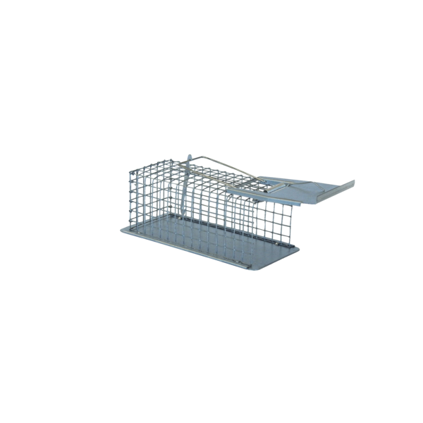
4004718106005 | 10600 | 73269098 | Muizenvangkooi 2 ingangen | 1 st. |  | 8 | 672 | 7,55 | 12,50 | 21 | NL,BE,LU,FR | https://pim.bsi-products.com/00_Marketing/02_Packshots/BSI/32755/image-thumb__32755__web/10600_C1R1.png | 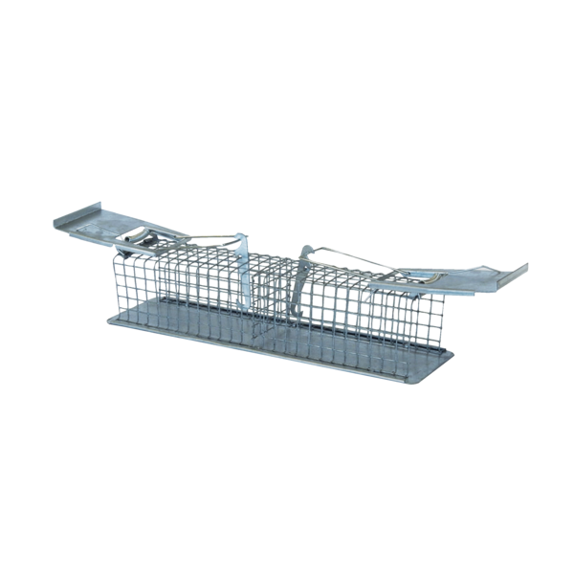
4004718113003 | 11300 | 73269098 | Rattenvangkooi 2 ingangen | 1 st. |  | 6 | 168 | 13,05 | 21,50 | 21 | NL,BE,LU,FR | https://pim.bsi-products.com/00_Marketing/02_Packshots/BSI/32760/image-thumb__32760__web/11300_C1R1.png | 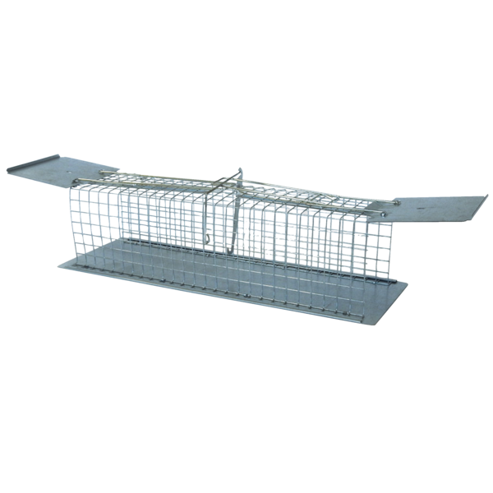
4004718554004 | 55400 | 73269098 | Rattenvangkooi met kantelval | 1 st. |  | 6 | 168 | 35,50 | 58,50 | 21 | NL,BE,LU,FR | https://pim.bsi-products.com/00_Marketing/03_Beeldbank/Product/BSI/32904/image-thumb__32904__web/55400_C1R0.png | 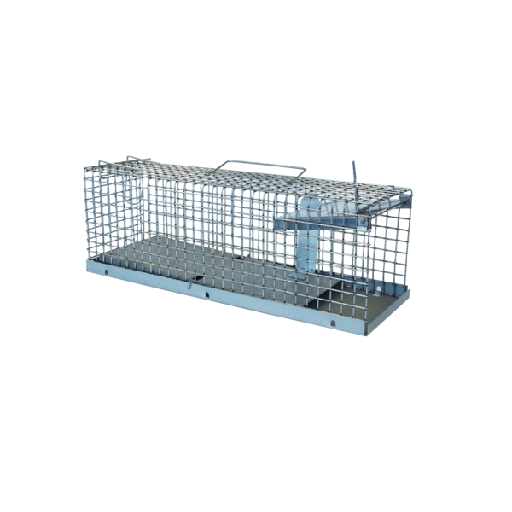
4027600104446 | 10444 AE | 38089110 | Aeroxon Mierenlokdoos | BE2019-0068,190/19/L-000,NL-0022157-0000,FR-2020-0022 | 14 | 2688 | 3,05 |  | 21 | NL,BE,LU,FR
4027600194423 | 19442 AE | 38089190 | Aeroxon Lavendelbloemen | 1 st. |  | 16 | 2304 | 4,20 | 6,95 | 21 | NL,BE,LU | https://pim.bsi-products.com/00_Marketing/02_Packshots/Aeroxon/33319/image-thumb__33319__web/19442-AE_C1N1.png | 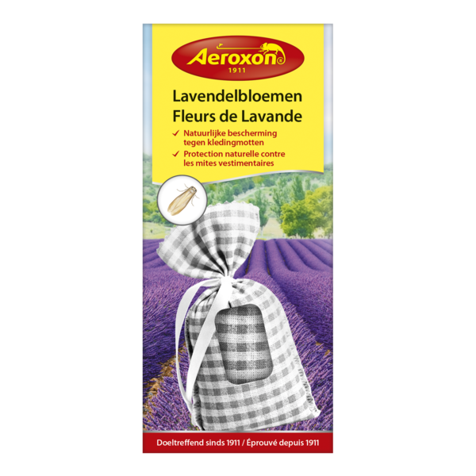
4027600204436 | 20443 AE | 38089990 | Aeroxon Zilvervisjeslokdoos | BE2026-0023 | 14 | 2688 |  |  | 21 | BE
4027600234402 | 23440 AE | 38089190 | Aeroxon Kleermottenval | EU-0030989-0000,FR-2024-0056,96/24/L-000 | 14 | 2240 | 3,65 | 5,95 | 21 | NL,BE,LU,FR | https://pim.bsi-products.com/00_Marketing/02_Packshots/Aeroxon/33317/image-thumb__33317__web/23440-AE_C1N1.png | 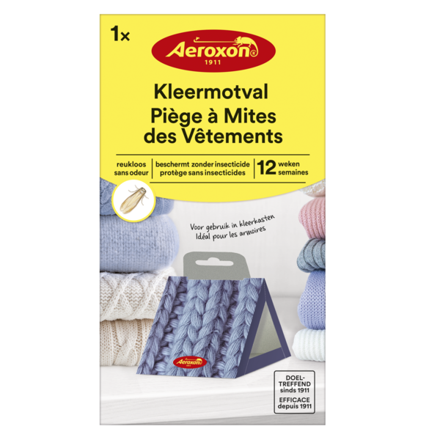
4027600364406 | 36440 AE | 38089190 | Aeroxon Gele insectenvallen | 10 st. |  | 7 | 2394 | 6,10 | 9,95 | 21 | NL,BE,LU,FR | https://pim.bsi-products.com/00_Marketing/02_Packshots/Aeroxon/33323/image-thumb__33323__web/36440-AE_C1N1.png | 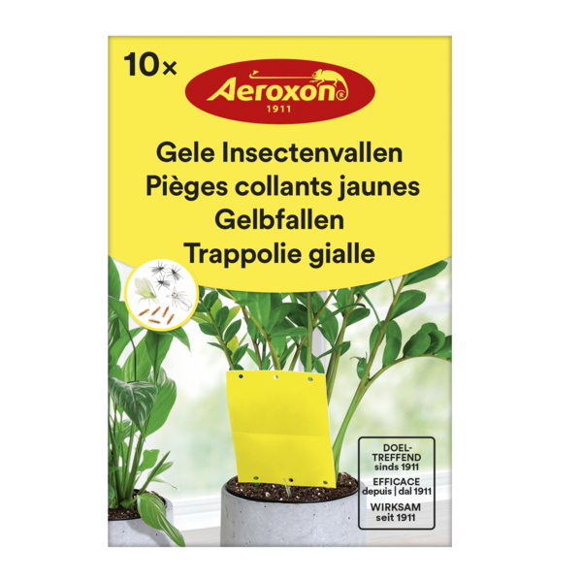
4027600448014 | 44801 AE | 38089190 | Aeroxon Levensmiddelenmottenval | 2 st. | 121/24/L,EU-0032219-0000 ,FR-2025-0028 | 14 | 2240 | 4,20 | 6,95 | 21 | NL,BE,LU,FR | https://pim.bsi-products.com/00_Marketing/02_Packshots/Aeroxon/33315/image-thumb__33315__web/44801-AE_C1N1.png | 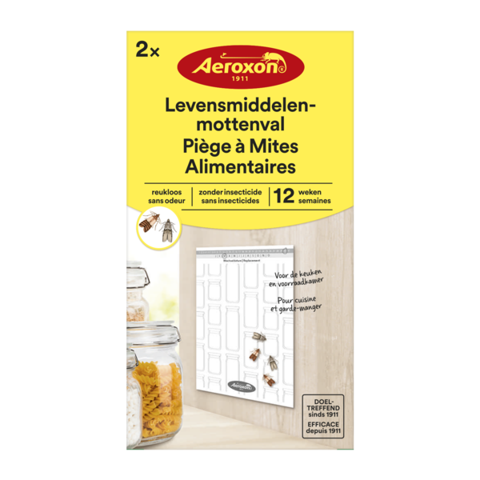
4027600500903 | 50090 AE | 39269097 | Aeroxon Vliegenmepper |  | 72 | 2304 | 0,90 | 1,50 | 21 | NL,BE,LU,FR | https://pim.bsi-products.com/00_Marketing/02_Packshots/Aeroxon/33328/image-thumb__33328__web/50090-AE_C1R1.png | 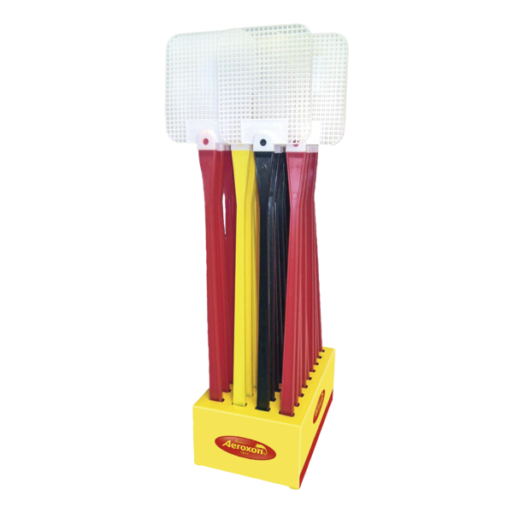
4027600753408 | 75340 AE | 38089190 | Aeroxon Vliegenval voor ramen | 4 st. |  | 12 | 2664 | 3,65 | 5,95 | 21 | NL,BE,LU | https://pim.bsi-products.com/00_Marketing/02_Packshots/Aeroxon/33305/image-thumb__33305__web/75340-AE_C1N1.png | 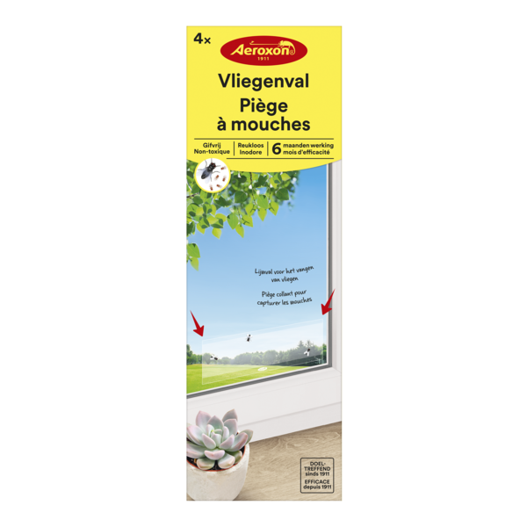
4027600764510 | 76451 AE | 38089190 | Aeroxon Vliegenval Venstersticker | 4 st. |  | 12 | 5292 | 3,65 | 5,95 | 21 | NL,BE,LU | https://pim.bsi-products.com/00_Marketing/02_Packshots/Aeroxon/33326/image-thumb__33326__web/76451-AE_C1N1.png | 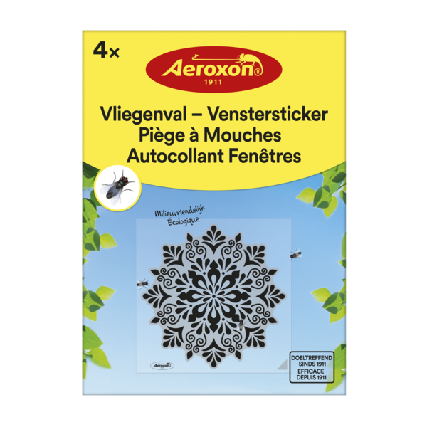
4027600908020 | 90802 AE | 38089190 | Aeroxon Vliegenvangers | 4 st. |  | 22 | 4620 | 1,70 | 2,95 | 21 | NL,BE,LU | https://pim.bsi-products.com/00_Marketing/02_Packshots/Aeroxon/33310/image-thumb__33310__web/90802-AE_C1N1.png | 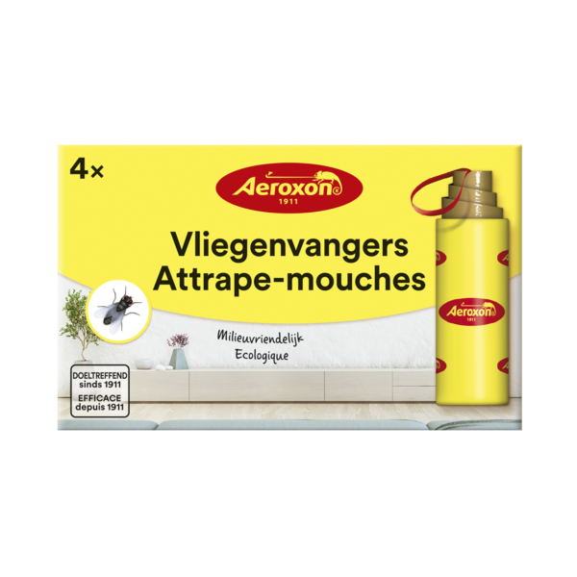
4027600924419 | 92441 AE | 38089190 | Aeroxon Fruitvliegenval | 40 ml | EU-0026770-0000,122/22/L-000,FR-2022-0066 | 6 | 1152 | 5,40 | 8,95 | 21 | NL,BE,LU,FR | https://pim.bsi-products.com/00_Marketing/02_Packshots/Aeroxon/33311/image-thumb__33311__web/92441-AE_C1N1.png | 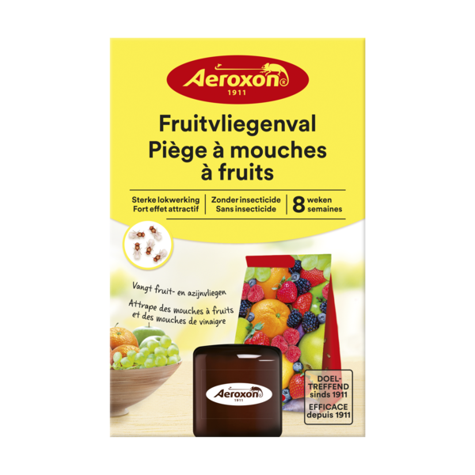
5420046601378 | 01378 | 28334000 | Oxy-Pool & Spa | 2,5 kg |  | 8 | 192 | 30,30 | 49,95 | 21 | NL,BE,LU | https://pim.bsi-products.com/00_Marketing/02_Packshots/BSI/32739/image-thumb__32739__web/01378_C1N1.png | 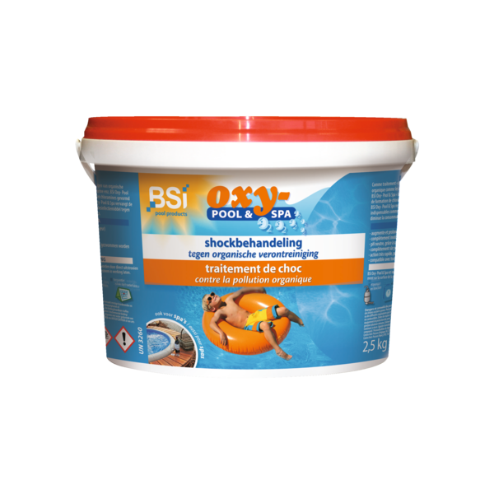
5420046601811 | 01811 | 28369990 | Mini Pool | 1 kg |  | 12 | 432 | 8,50 | 13,95 | 21 | NL | https://pim.bsi-products.com/00_Marketing/02_Packshots/BSI/32432/image-thumb__32432__web/01811_C1N1.png | 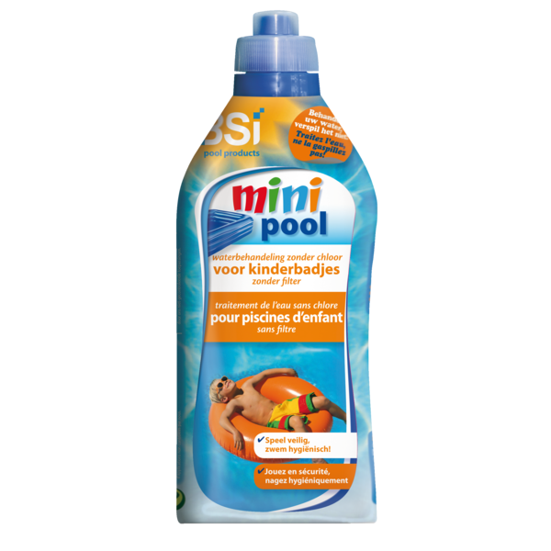
5420046601842 | 01842 | 39269097 | Bodemschepnet de Luxe |  | 6 | 300 | 5,10 | 8,50 | 21 | NL,BE,LU,FR | https://pim.bsi-products.com/00_Marketing/02_Packshots/BSI/32431/image-thumb__32431__web/01842_C1N1.png | 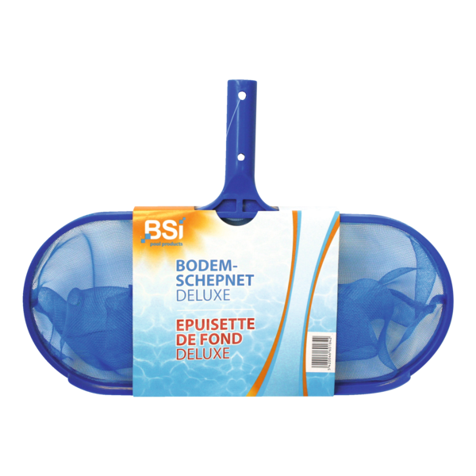
5420046601859 | 01859 | 76169990 | Telescopische steel | 3 m (3 x 1 m) |  | 12 | 480 | 14,00 | 22,95 | 21 | NL,BE,LU,FR | https://pim.bsi-products.com/00_Marketing/02_Packshots/BSI/32383/image-thumb__32383__web/01859_C1N1.png | 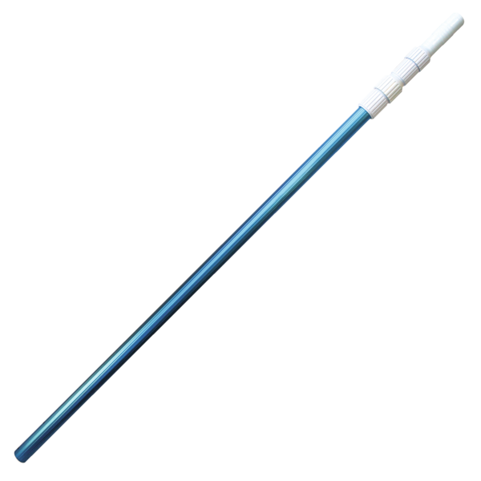
5420046601866 | 01866 | 96039099 | Wand- & Waterlijnborstel |  | 6 | 336 | 4,85 | 7,95 | 21 | NL,BE,LU,FR | https://pim.bsi-products.com/00_Marketing/02_Packshots/BSI/32385/image-thumb__32385__web/01866_C1C1.png | 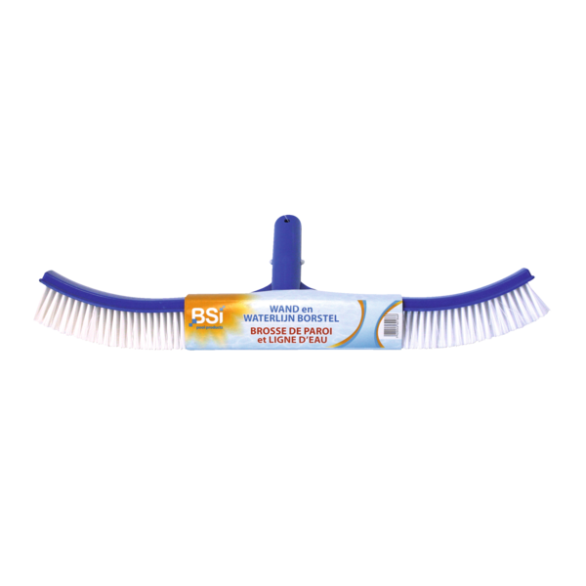
5420046601873 | 01873 | 96039099 | Handschuurborstel |  | 6 | 1620 | 2,00 | 3,50 | 21 | NL,BE,LU,FR | https://pim.bsi-products.com/00_Marketing/02_Packshots/BSI/32436/image-thumb__32436__web/01873_C1N1.png | 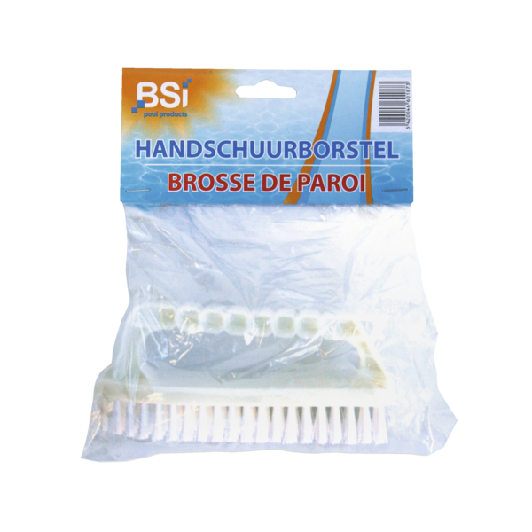
5420046601927 | 01927 | 90278930 | pH-Meter |  | 12 | 840 | 36,50 | 59,95 | 21 | NL,BE,LU,FR | https://pim.bsi-products.com/00_Marketing/02_Packshots/BSI/32420/image-thumb__32420__web/01927_C1N1.png | 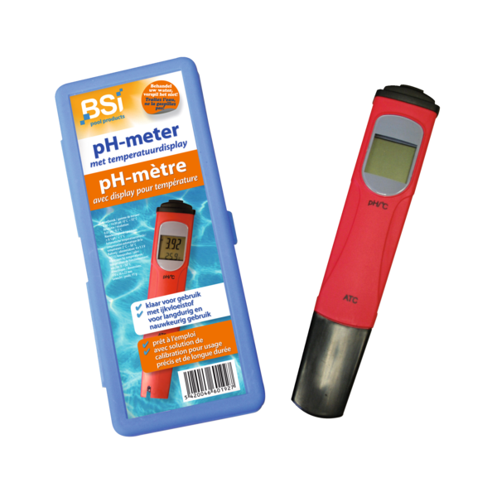
5420046602047 | 02047 | 39269097 | Mini Vlotter | Tabletjes 20 g |  | 12 | 840 | 3,00 | 4,95 | 21 | NL,BE,LU,FR | https://pim.bsi-products.com/00_Marketing/03_Beeldbank/Product/BSI/32868/image-thumb__32868__web/02047_C1N0.png | 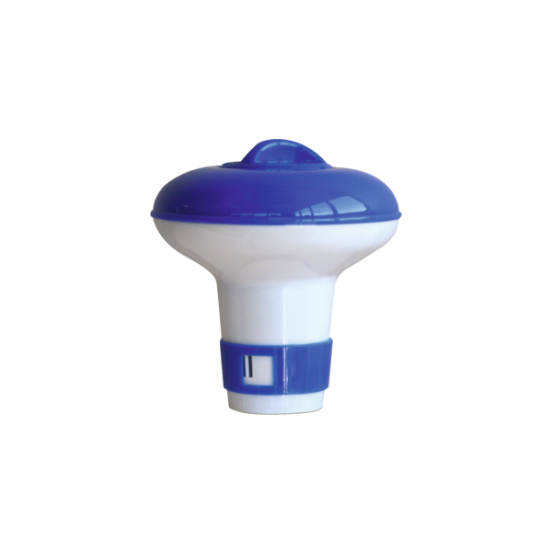
5420046602122 | 02122 | 33019090 | Essence Lavendel | 250 ml |  | 12 | 2352 | 12,15 | 19,95 | 21 | NL,BE,LU,FR | https://pim.bsi-products.com/00_Marketing/02_Packshots/BSI/32390/image-thumb__32390__web/02122_C1N1.png | 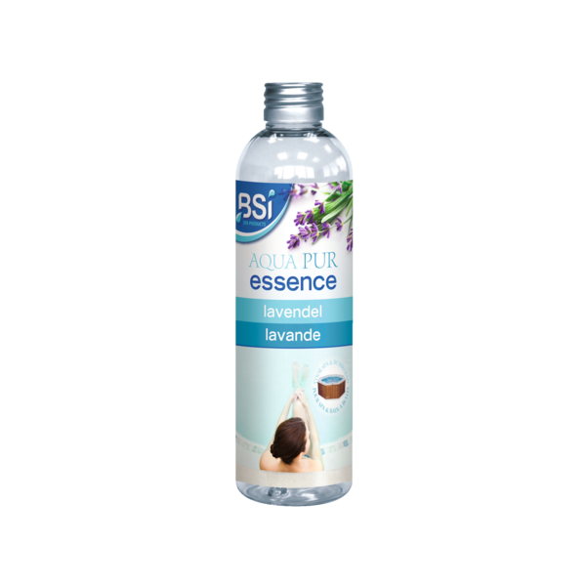
5420046602139 | 02139 | 33019090 | Essence Eucalyptus | 250 ml |  | 12 | 2352 | 12,15 | 19,95 | 21 | NL,BE,LU,FR | https://pim.bsi-products.com/00_Marketing/02_Packshots/BSI/32386/image-thumb__32386__web/02139_C1N1.png | 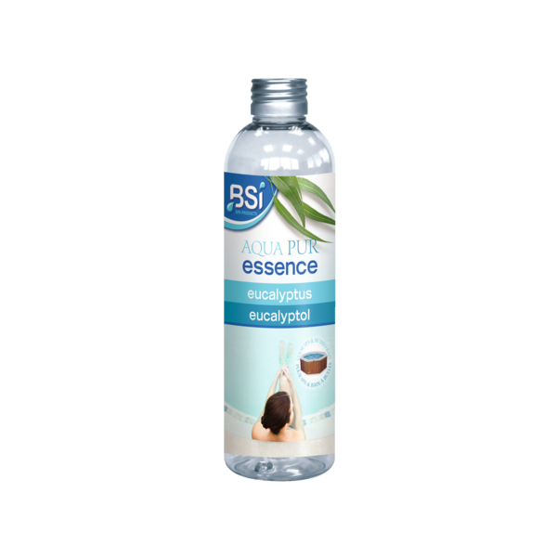
5420046602146 | 02146 | 33019090 | Essence Ijsmunt | 250 ml |  | 12 | 2352 | 12,15 | 19,95 | 21 | NL,BE,LU,FR | https://pim.bsi-products.com/00_Marketing/02_Packshots/BSI/32384/image-thumb__32384__web/02146_C1N1.png | 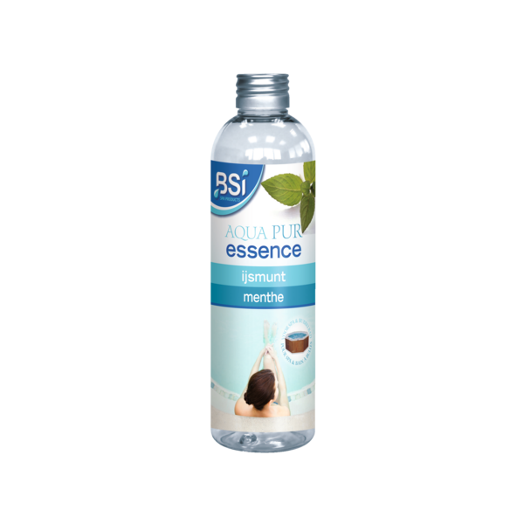
5420046602153 | 02153 | 33019090 | Essence Rozentuin | 250 ml |  | 12 | 2352 | 12,15 | 19,95 | 21 | NL,BE,LU,FR | https://pim.bsi-products.com/00_Marketing/02_Packshots/BSI/32387/image-thumb__32387__web/02153_C1N1.png | 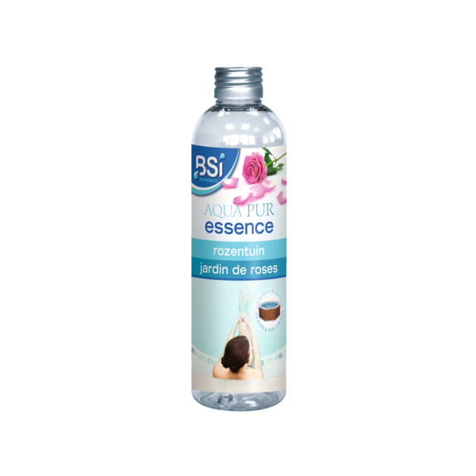
5420046602160 | 02160 | 33019090 | Essence Appelbloesem | 250 ml |  | 12 | 2352 | 12,15 | 19,95 | 21 | NL,BE,LU,FR | https://pim.bsi-products.com/00_Marketing/02_Packshots/BSI/32388/image-thumb__32388__web/02160_C1N1.png | 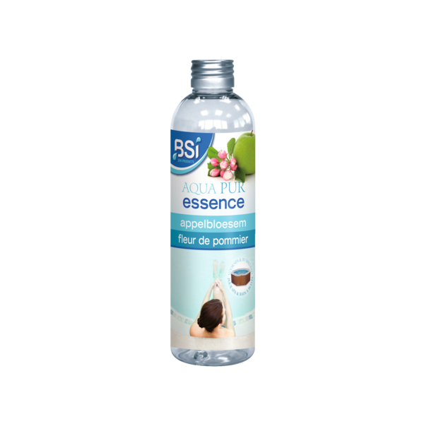
5420046602177 | 02177 | 33019090 | Essence Heidebloem | 250 ml |  | 12 | 2352 | 12,15 | 19,95 | 21 | NL,BE,LU,FR | https://pim.bsi-products.com/00_Marketing/02_Packshots/BSI/32389/image-thumb__32389__web/02177_C1N1.png | 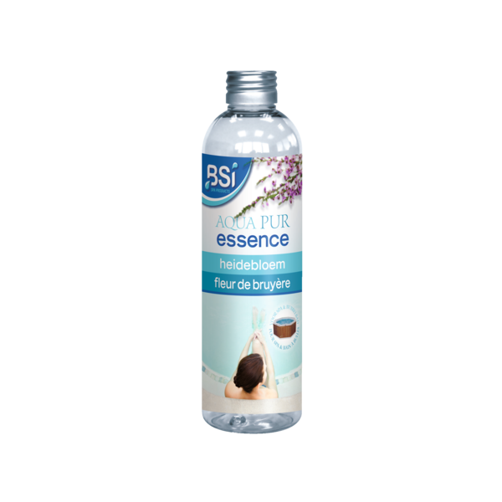
5420046602184 | 02184 | 34025010 | Aqua Pur Schuimverwijderaar | 1 L |  | 12 | 432 | 10,00 | 15,95 | 21 | NL,BE,LU,FR | https://pim.bsi-products.com/00_Marketing/02_Packshots/BSI/32402/image-thumb__32402__web/02184_C1N1_nl.png | 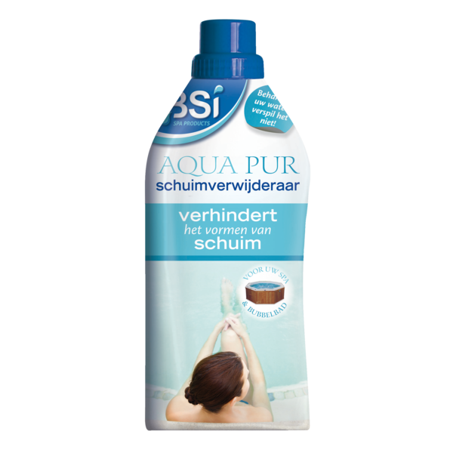
5420046602191 | 02191 | 34025010 | Aqua Pur 5 in 1 | 1 L |  | 12 | 432 | 14,85 | 23,95 | 21 | NL,BE,LU,FR | https://pim.bsi-products.com/00_Marketing/02_Packshots/BSI/32397/image-thumb__32397__web/02191_C1N1_nl.png | 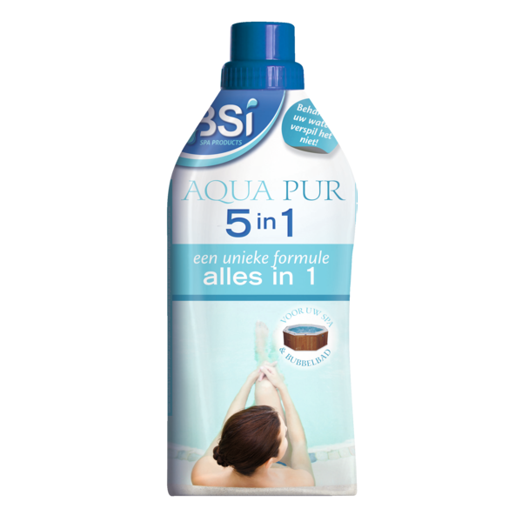
5420046602221 | 02221 | 33019090 | ASSORTIMENT Geuressences |  | 1 | 60 | 145,80 | 239,40 | 21 | NL,BE,LU,FR | https://pim.bsi-products.com/00_Marketing/02_Packshots/BSI/33608/image-thumb__33608__web/02221_C1N1.png | 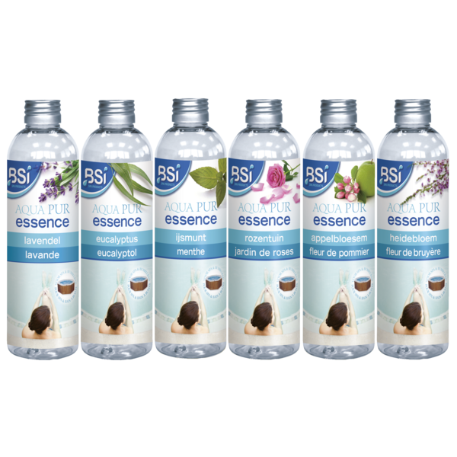
5420046610080 | 10080 | 38089327 | Cito RTU | Herbicide 800 ml | 10199G/B,13858N | 12 | 432 | 9,70 |  | 21 | NL,BE | https://pim.bsi-products.com/00_Marketing/02_Packshots/BSI/32457/image-thumb__32457__web/10080_C1N1.png | 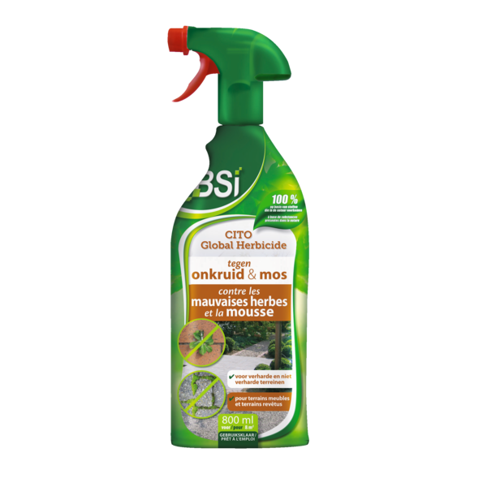
5420046615061 | 15061 | 38089190 | MiteSpray | 500 ml |  | 12 | 840 | 12,80 | 20,95 | 21 | NL,BE,LU,FR | https://pim.bsi-products.com/00_Marketing/02_Packshots/BSI/32453/image-thumb__32453__web/15061_C1N1.png | 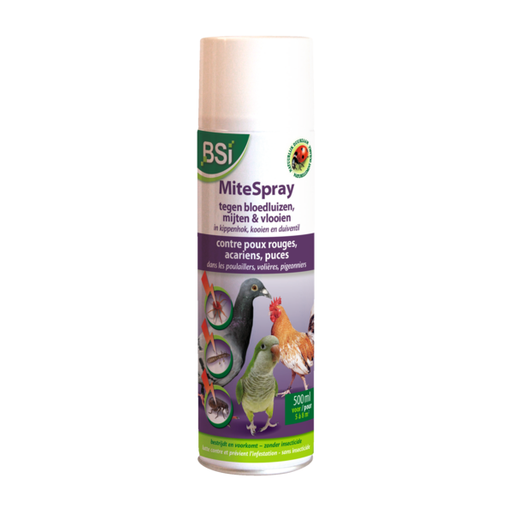
5420046615207 | 15207 | 38089190 | Kleefvallen spinnen e.a. kruipende ins. | 6 st. |  | 12 | 2016 | 5,40 | 8,95 | 21 | NL,BE,LU,FR | https://pim.bsi-products.com/00_Marketing/02_Packshots/BSI/32460/image-thumb__32460__web/15207_C1L1.png | 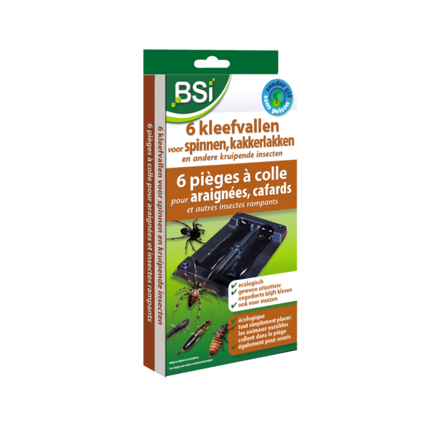
5420046616709 | 16709 | 38248600 | COMBI-DISPLAY Aqua Power Type B VLNL |  | 1 | 4 | 1332,00 | 2219,40 | 21 | NL,BE | https://pim.bsi-products.com/00_Marketing/02_Packshots/BSI/32491/image-thumb__32491__web/16709_C1LP_nl.png | 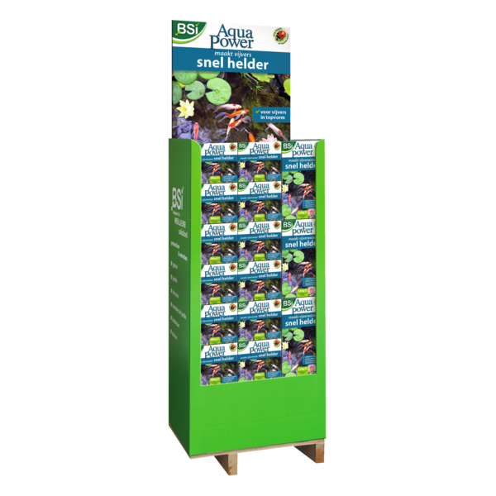
5420046617898 | 17898 | 38249996 | Aqua Clear | 900 g |  | 12 | 432 | 13,10 | 21,50 | 21 | NL,BE,LU,FR | https://pim.bsi-products.com/00_Marketing/02_Packshots/BSI/32493/image-thumb__32493__web/17898_C1N1_nl.png | 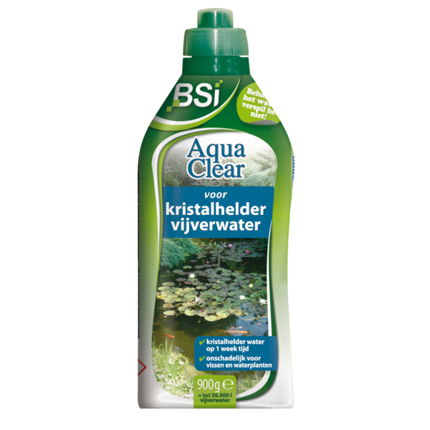
5420046617904 | 17904 | 38249996 | Aqua Clear | 4 kg |  | 4 | 96 | 39,40 | 64,95 | 21 | NL,BE,LU,FR | https://pim.bsi-products.com/00_Marketing/02_Packshots/BSI/32497/image-thumb__32497__web/17904_C1N1.png | 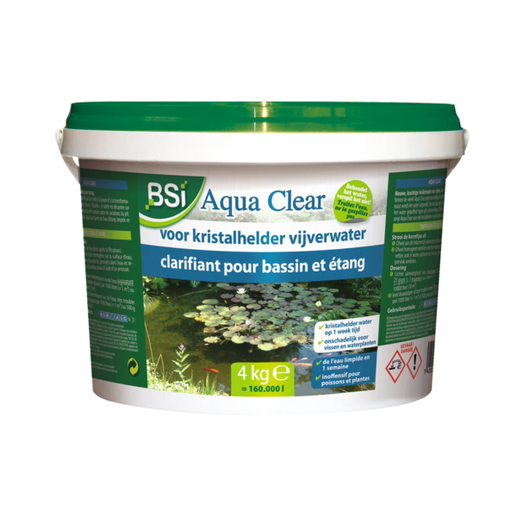
5420046618260 | 18260 | 31021090 | Compostversneller voor Grasmaaisel | 6 kg |  | 4 | 96 | 10,70 | 17,50 | 21 | NL,BE,LU,FR | https://pim.bsi-products.com/00_Marketing/02_Packshots/BSI/32538/image-thumb__32538__web/18260_C1N1.png | 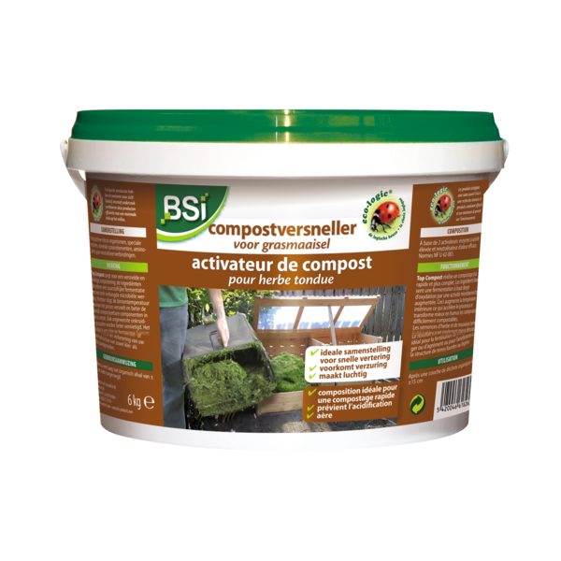
5420046618765 | 18765 | 38089990 | Slakkenvraat GR | 2,5 kg |  | 8 | 192 | 11,20 | 18,50 | 21 | NL,BE,FR | https://pim.bsi-products.com/00_Marketing/02_Packshots/BSI/32522/image-thumb__32522__web/18765_C1N1.png | 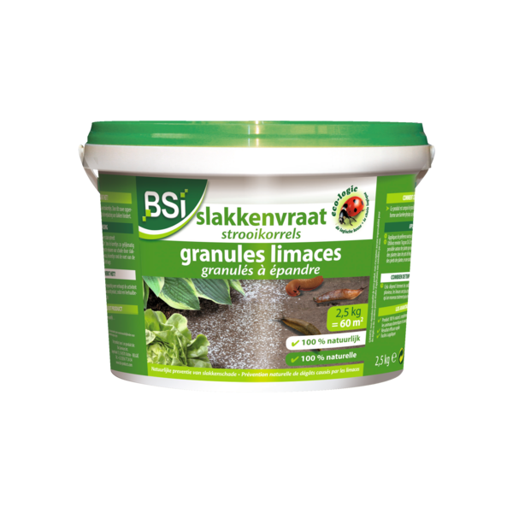
5420046618796 | 18796 | 85437090 | Solar Mol | 1 st. |  | 6 | 192 | 24,00 | 39,50 | 21 | NL,BE,LU,FR | https://pim.bsi-products.com/00_Marketing/02_Packshots/BSI/32542/image-thumb__32542__web/18796_C1L1.png | 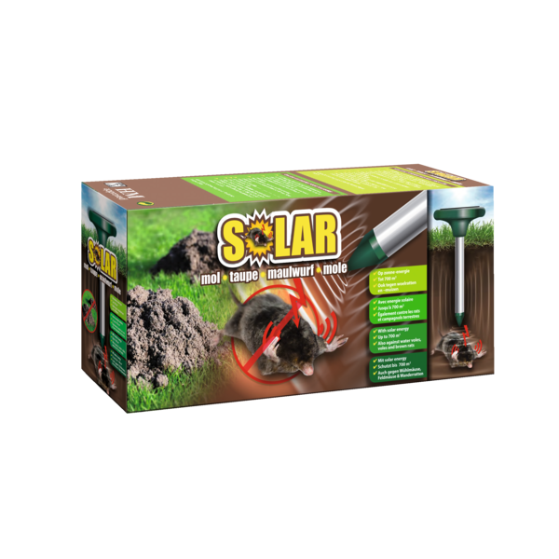
5420046618819 | 18819 | 85437090 | Elektrische Muizen- en Rattenval | 1 st. |  | 6 | 288 | 30,20 | 49,95 | 21 | NL,BE,LU,FR | https://pim.bsi-products.com/00_Marketing/02_Packshots/BSI/32527/image-thumb__32527__web/18819_C1L1.png | 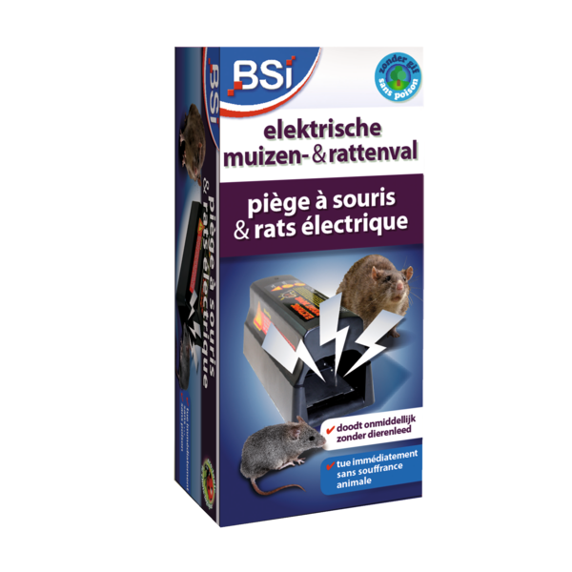
5420046618826 | 18826 | 39269097 | Adapter Elektrische Muizen- en Rattenval | 1 pc. |  | 6 | 3696 | 6,50 | 10,95 | 21 | NL,BE,LU,FR | https://pim.bsi-products.com/00_Marketing/02_Packshots/BSI/32801/image-thumb__32801__web/18826_C1N0.png | 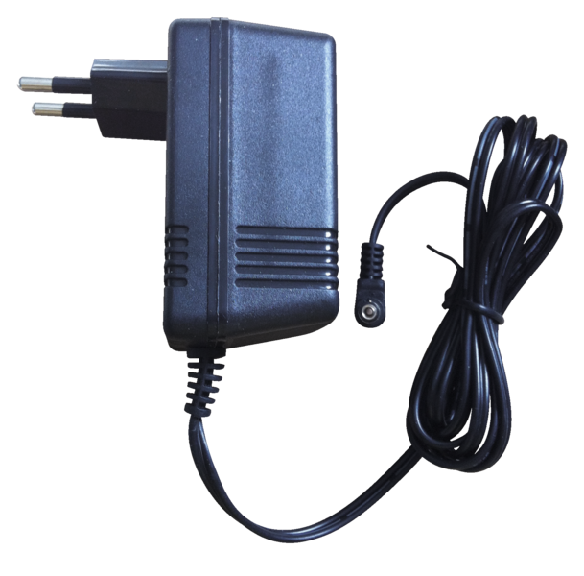
5420046618840 | 18840 | 39269097 | Kantelval voor Muizen | 1 st. |  | 24 | 960 | 3,85 | 6,50 | 21 | NL,BE,LU,FR | https://pim.bsi-products.com/00_Marketing/02_Packshots/BSI/32537/image-thumb__32537__web/18840_C1R1.png | 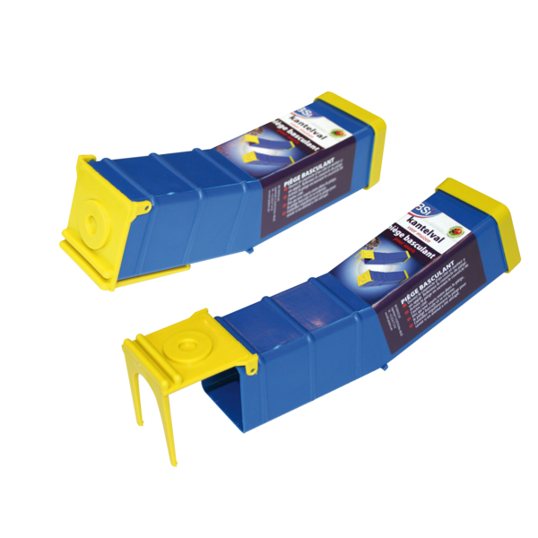
5420046618925 | 18925 | 39235090 | BDS | Bovendop Vat |  | 1 | 0 | 5,00 | 9,95 | 21 | NL,BE,LU,FR
5420046618932 | 18932 | 84219990 | BDS | Zeef voor Vat |  | 1 | 0 | 5,00 | 9,95 | 21 | NL,BE,LU,FR
5420046618956 | 18956 | 39269097 | Flash Off Vogelafweerlinten | 2 st. |  | 12 | 3648 | 12,20 | 19,95 | 21 | NL,BE,LU,FR | https://pim.bsi-products.com/00_Marketing/02_Packshots/BSI/32521/image-thumb__32521__web/18956_C1L1_nl.png | 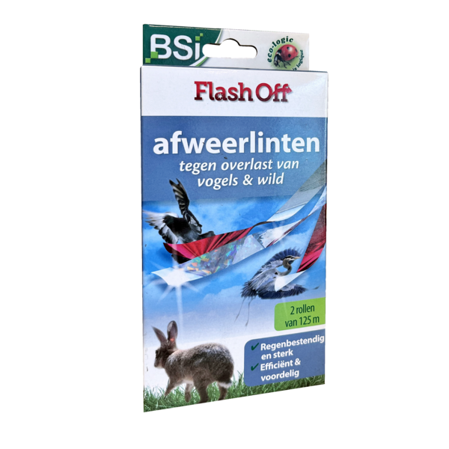
5420046619038 | 19038 | 38089990 | Stop GR Konijn | 600 g |  | 12 | 432 | 9,10 | 14,95 | 21 | NL,BE,LU,FR | https://pim.bsi-products.com/00_Marketing/02_Packshots/BSI/32529/image-thumb__32529__web/19038_C1C1_nl.png | 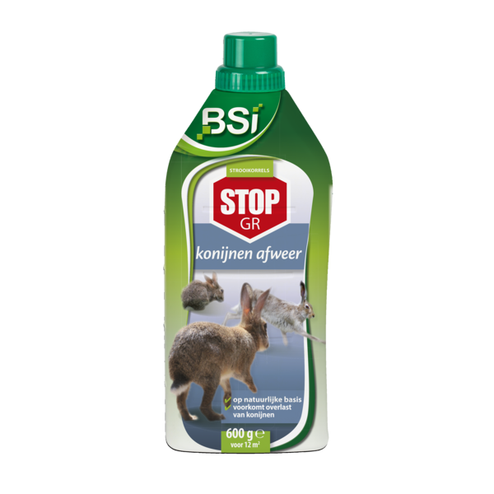
5420046619151 | 19151 | 38089990 | Slakkenlokstof | 200 g |  | 12 | 840 | 10,30 | 16,95 | 21 | NL,BE | https://pim.bsi-products.com/00_Marketing/02_Packshots/BSI/32519/image-thumb__32519__web/19151_C1L1_nl.png | 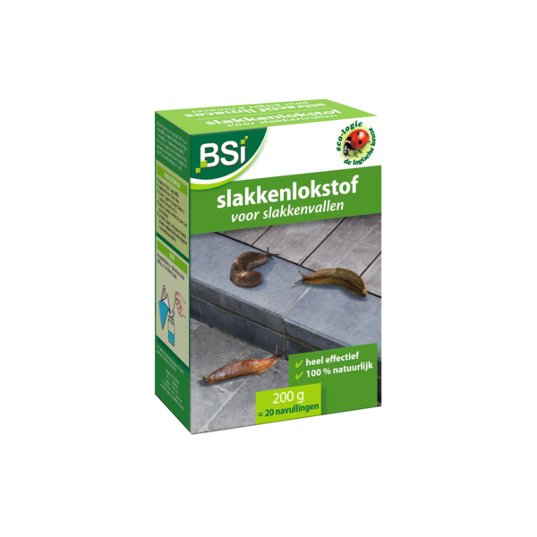
5420046619182 | 19182 | 85437090 | Mollen-Stop + Kabel & Adapter | 1 st. |  | 6 | 336 | 43,00 | 69,95 | 21 | NL,BE,LU,FR | https://pim.bsi-products.com/00_Marketing/02_Packshots/BSI/33591/image-thumb__33591__web/19182_C1N1.png | 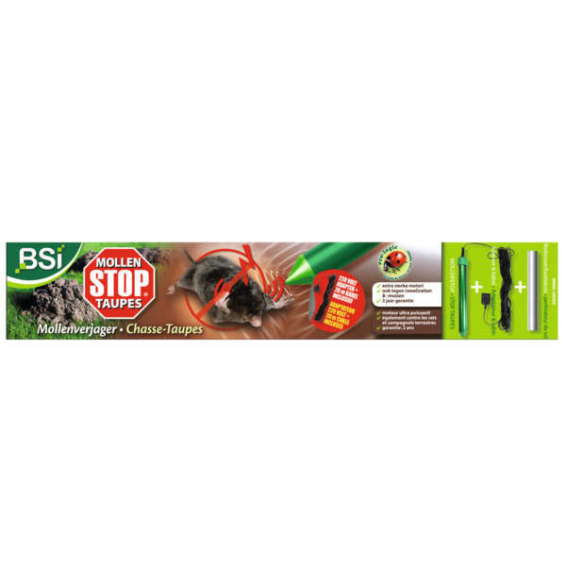
5420046619199 | 19199 | 85365011 | BDS | Fiche voor Lader |  | 1 | 0 | 5,00 | 9,95 | 21 | NL,BE,LU,FR
5420046619205 | 19205 | 84219910 | BDS | Binnenfilter |  | 1 | 0 | 5,00 | 9,95 | 21 | NL,BE,LU,FR
5420046619212 | 19212 | 85365011 | BDS | Switchregelaar |  | 1 | 0 | 5,00 | 9,95 | 21 | NL,BE,LU,FR
5420046619434 | 19434 | 84244100 | Handdrukspuit Turbo 360 | 1,3 L |  | 12 | 384 | 10,90 | 17,95 | 21 | NL,BE,LU,FR | https://pim.bsi-products.com/00_Marketing/02_Packshots/BSI/32727/image-thumb__32727__web/19434_C1C1.png | 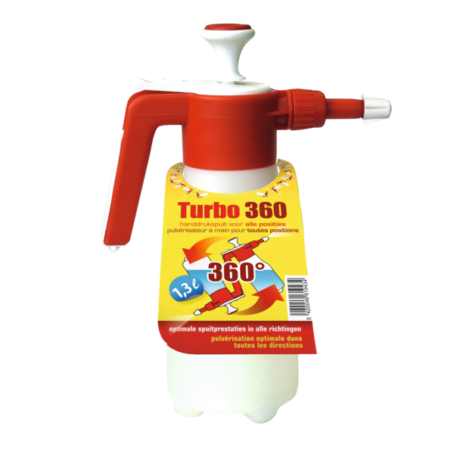
5420046619441 | 19441 | 84244100 | Handdrukspuit Double Action 360 | 500 ml |  | 24 | 720 | 7,85 | 12,95 | 21 | NL,BE,LU,FR | https://pim.bsi-products.com/00_Marketing/02_Packshots/BSI/32720/image-thumb__32720__web/19441_C1N1.png | 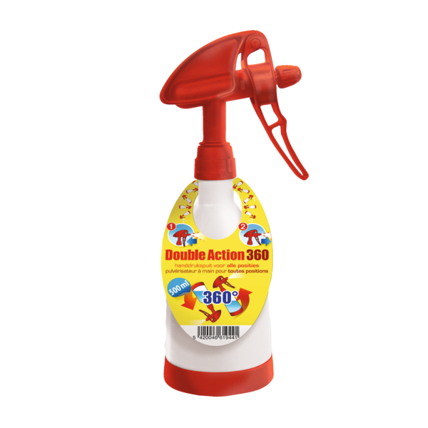
5420046619496 | 19496 | 38089990 | Slakkenval | 1 stuk + Slakkenlokstof (50 g) |  | 12 | 480 | 7,25 | 11,95 | 21 | NL,BE | https://pim.bsi-products.com/00_Marketing/02_Packshots/BSI/32550/image-thumb__32550__web/19496_C1C1.png | 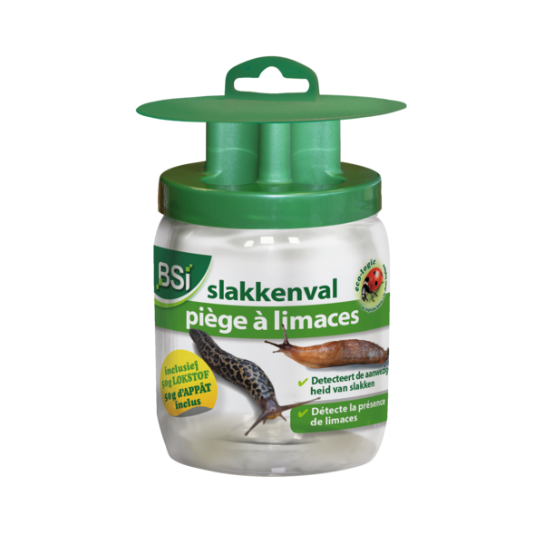
5420046619519 | 19519 | 38089990 | Wildafweer | 600 g |  | 12 | 432 | 9,10 | 14,95 | 21 | NL,BE,LU,FR | https://pim.bsi-products.com/00_Marketing/02_Packshots/BSI/32559/image-thumb__32559__web/19519_C1C1_nl.png | 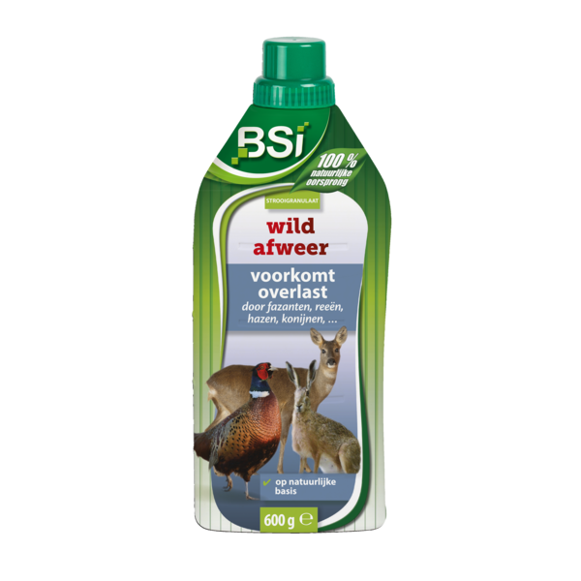
5420046620010 | 20010 | 31010000 | Bio-Korrel-Kalk | 25 kg |  | 1 | 42 | 10,35 | 16,95 | 21 | NL,BE,LU | https://pim.bsi-products.com/00_Marketing/02_Packshots/BSI/32567/image-thumb__32567__web/20010_C1L1.png | 
5420046620072 | 20072 | 31052010 | Minerale Gazonmest | 25 kg |  | 1 | 40 | 65,60 | 108,50 | 21 | NL,BE,LU | https://pim.bsi-products.com/00_Marketing/02_Packshots/BSI/32574/image-thumb__32574__web/20072_C1L1.png | 
5420046620164 | 20164 | 31010000 | Greentime | 4 kg |  | 6 | 144 | 13,85 | 22,95 | 21 | NL,BE,LU | https://pim.bsi-products.com/00_Marketing/02_Packshots/BSI/32578/image-thumb__32578__web/20164_C1L1_nl.png | 
5420046620300 | 20300 | 31010000 | Rozen Meststof | 1,25 kg |  | 12 | 288 | 7,00 | 11,50 | 21 | NL,BE,LU,FR | https://pim.bsi-products.com/00_Marketing/02_Packshots/BSI/33593/image-thumb__33593__web/20300_C1L1_nl.png | 
5420046620317 | 20317 | 31010000 | Rozen Meststof | 4 kg |  | 6 | 144 | 12,70 | 20,95 | 21 | NL,BE,LU | https://pim.bsi-products.com/00_Marketing/02_Packshots/BSI/32572/image-thumb__32572__web/20317_C1L1_nl.png | 
5420046620324 | 20324 | 31010000 | Hagen, Taxus & Coniferen Meststof | 1,25 kg |  | 12 | 288 | 7,00 | 11,50 | 21 | NL,BE,LU,FR | https://pim.bsi-products.com/00_Marketing/02_Packshots/BSI/33597/image-thumb__33597__web/20324_C1L1_nl.png | 
5420046620331 | 20331 | 31010000 | Hagen, Taxus & Coniferen Meststof | 4 kg |  | 6 | 144 | 12,70 | 20,95 | 21 | NL,BE,LU,FR | https://pim.bsi-products.com/00_Marketing/02_Packshots/BSI/32586/image-thumb__32586__web/20331_C1L1_nl.png | 
5420046620348 | 20348 | 31010000 | Hortensia & Rododendron Meststof | 1,25 kg |  | 12 | 288 | 7,00 | 11,50 | 21 | NL,BE,LU,FR | https://pim.bsi-products.com/00_Marketing/02_Packshots/BSI/33598/image-thumb__33598__web/20348_C1L1_nl.png | 
5420046620355 | 20355 | 31010000 | Hortensia & Rododendron Meststof | 4 kg |  | 6 | 144 | 12,70 | 20,95 | 21 | NL,BE,LU,FR | https://pim.bsi-products.com/00_Marketing/02_Packshots/BSI/32573/image-thumb__32573__web/20355_C1L1_nl.png | 
5420046620379 | 20379 | 31010000 | Buxus Meststof | 1,25 kg |  | 12 | 288 | 7,00 | 11,50 | 21 | NL,BE,LU,FR | https://pim.bsi-products.com/00_Marketing/02_Packshots/BSI/33602/image-thumb__33602__web/20379_C1L1_nl.png | 
5420046620386 | 20386 | 31010000 | Buxus Meststof | 4 kg |  | 6 | 144 | 12,70 | 20,95 | 21 | NL,BE,LU,FR | https://pim.bsi-products.com/00_Marketing/02_Packshots/BSI/32585/image-thumb__32585__web/20386_C1L1_nl.png | 
5420046620393 | 20393 | 31010000 | Universele Tuinmeststof | 1,25 kg |  | 12 | 288 | 7,00 | 11,50 | 21 | NL,BE,LU,FR | https://pim.bsi-products.com/00_Marketing/02_Packshots/BSI/33600/image-thumb__33600__web/20393_C1L1_nl.png | 
5420046620409 | 20409 | 31010000 | Universele Tuinmeststof | 4 kg |  | 6 | 144 | 12,70 | 20,95 | 21 | NL,BE,LU,FR | https://pim.bsi-products.com/00_Marketing/02_Packshots/BSI/32581/image-thumb__32581__web/20409_C1L1_nl.png | 
5420046620423 | 20423 | 31052090 | Orchideeën Anorganische Meststof | 800 ml |  | 12 | 432 | 7,30 | 11,95 | 21 | NL,BE,LU,FR | https://pim.bsi-products.com/00_Marketing/02_Packshots/BSI/32562/image-thumb__32562__web/20423_C1N1.png | 
5420046620522 | 20522 | 31010000 | Duo Gazon | Meststof + Kalk 20 kg |  | 1 | 42 | 25,00 | 41,50 | 21 | NL,BE,LU | https://pim.bsi-products.com/00_Marketing/02_Packshots/BSI/32575/image-thumb__32575__web/20522_C1L1.png | 
5420046620539 | 20539 | 31010000 | Greentime | 10 kg |  | 1 | 66 | 22,00 | 36,50 | 21 | NL,BE,LU | https://pim.bsi-products.com/00_Marketing/02_Packshots/BSI/33601/image-thumb__33601__web/20539_C1L1.png | 
5420046625015 | 25015 | 85437090 | Mollen-Stop | Mollenverjager 1 st. |  | 12 | 432 | 27,35 | 44,95 | 21 | NL,BE,LU,FR | https://pim.bsi-products.com/00_Marketing/02_Packshots/BSI/32733/image-thumb__32733__web/25015_C1L1.png | 
5420046625053 | 25053 | 73261990 | Mol-Weg in 1 dag | 2 st. |  | 12 | 432 | 15,45 | 25,50 | 21 | NL,BE,LU,FR | https://pim.bsi-products.com/00_Marketing/02_Packshots/BSI/32796/image-thumb__32796__web/25053_C1L1_nl.png | 
5420046625060 | 25060 | 73261990 | Mollen-, woelratten- en woelmuizenval | 1 st. |  | 12 | 1584 | 5,40 | 8,95 | 21 | NL,BE,LU,FR | https://pim.bsi-products.com/00_Marketing/02_Packshots/BSI/32524/image-thumb__32524__web/25060_C1L1_nl.png | 
5420046625107 | 25107 | 39269097 | Klassieke Muizenvallen | 2 st. |  | 24 | 3960 | 2,40 | 3,95 | 21 | NL,BE,LU,FR | https://pim.bsi-products.com/00_Marketing/02_Packshots/BSI/32580/image-thumb__32580__web/25107_C1N1.png | 
5420046625411 | 25411 | 39269097 | BDS | Spleetdop + Spuitkap + Koppelstuk |  | 6 | 600 | 12,20 | 19,95 | 21 | NL,BE,LU,FR | https://pim.bsi-products.com/00_Marketing/03_Beeldbank/Product/BSI/32908/image-thumb__32908__web/25411_C1L0.png | 
5420046625480 | 25480 | 39239000 | Sproeiboom | 1 st. |  | 12 | 336 | 8,50 | 13,95 | 21 | NL,BE,LU,FR | https://pim.bsi-products.com/00_Marketing/02_Packshots/BSI/32535/image-thumb__32535__web/25480_C1N1.png | 
5420046625497 | 25497 | 39269097 | Multi-Muizenval | 1 st. |  | 12 | 288 | 10,00 | 16,50 | 21 | NL,BE,LU,FR | https://pim.bsi-products.com/00_Marketing/02_Packshots/BSI/32566/image-thumb__32566__web/25497_C1L1.png | 
5420046625527 | 25527 | 73170020 | Pigeon Free | 6 x 25 cm |  | 12 | 216 | 16,70 | 27,50 | 21 | NL,BE,LU,FR | https://pim.bsi-products.com/00_Marketing/02_Packshots/BSI/32568/image-thumb__32568__web/25527_C1L1_nl.png | 
5420046625558 | 25558 | 39239000 | Zuinige Sproeiboom | 1 st. |  | 12 | 336 | 8,50 | 13,95 | 21 | NL,BE,LU,FR | https://pim.bsi-products.com/00_Marketing/02_Packshots/BSI/33931/image-thumb__33931__web/25558_C1N1.png
5420046625565 | 25565 | 73269098 | Mollenklem | 1 st. |  | 24 | 1152 | 5,20 | 8,50 | 21 | NL,BE,LU,FR | https://pim.bsi-products.com/00_Marketing/02_Packshots/BSI/32818/image-thumb__32818__web/25565_C1N0.png | 
5420046625589 | 25589 | 39173900 | BDS | Verlengdarm |  | 30 | 360 | 24,40 | 39,95 | 21 | NL,BE,LU,FR | https://pim.bsi-products.com/00_Marketing/02_Packshots/BSI/32366/image-thumb__32366__web/25589_C1N1.png | 
5420046630101 | 30101 | 38089990 | Stop GR Hond | 600 g |  | 12 | 432 | 9,10 | 14,95 | 21 | NL,BE,LU,FR | https://pim.bsi-products.com/00_Marketing/02_Packshots/BSI/32555/image-thumb__32555__web/30101_C1C1_nl.png | 
5420046640025 | 40025 | 34025010 | Power cleaner vinyl & plastics gebruiksklaar 800ml |  | 12 | 432 | 7,30 | 11,95 | 21 | NL,BE,LU | https://pim.bsi-products.com/00_Marketing/02_Packshots/BSI/32719/image-thumb__32719__web/40025_C1N1.png | 
5420046640582 | 64058 | 84198998 | Thermo Kill Trio |  | 6 | 72 | 28,00 | 45,95 | 21 | NL,BE,LU,FR | https://pim.bsi-products.com/00_Marketing/02_Packshots/BSI/32753/image-thumb__32753__web/64058_C1N1.png | 
5420046640599 | 64059 | 84198998 | HerbiFlam | Onkruidbrander op gas |  | 6 | 180 | 34,50 | 56,95 | 21 | NL,BE,LU,FR | https://pim.bsi-products.com/00_Marketing/02_Packshots/BSI/32761/image-thumb__32761__web/64059_C1N1.png | 
5420046640605 | 64060 | 27111391 | HerbiFlam Gaz | 600 ml |  | 12 | 840 | 5,75 | 9,50 | 21 | NL,BE,LU,FR | https://pim.bsi-products.com/00_Marketing/02_Packshots/BSI/32728/image-thumb__32728__web/64060_C1N1.png | 
5420046640827 | 64082 | 39269097 | Houten Muizenvallen | 4 st. |  | 12 | 1176 | 3,20 | 5,50 | 21 | NL,BE,LU,FR | https://pim.bsi-products.com/00_Marketing/02_Packshots/BSI/32642/image-thumb__32642__web/64082_C1N1.png | 
5420046640834 | 64083 | 39269097 | Houten Rattenval | 1 st. |  | 12 | 1080 | 3,30 | 5,50 | 21 | NL,BE,LU,FR | https://pim.bsi-products.com/00_Marketing/02_Packshots/BSI/32629/image-thumb__32629__web/64083_C1N1.png | 
5420046640865 | 64086 | 39269097 | Lokaasdozen Muis | 3 st. |  | 6 | 420 | 10,70 | 17,50 | 21 | NL,BE,LU,FR | https://pim.bsi-products.com/00_Marketing/02_Packshots/BSI/32626/image-thumb__32626__web/64086_C1L1_nl.png | 
5420046640872 | 64087 | 39269097 | Lokaasdoos Rat | 1 st. |  | 6 | 240 | 7,25 | 11,95 | 21 | NL,BE,LU,FR | https://pim.bsi-products.com/00_Marketing/02_Packshots/BSI/32637/image-thumb__32637__web/64087_C1L1.png | 
5420046641107 | 64110 | 33029090 | Mollen-Weg Geurzakjes | 50 st. |  | 12 | 432 | 12,20 | 19,95 | 21 | NL,BE,LU,FR | https://pim.bsi-products.com/00_Marketing/02_Packshots/BSI/32638/image-thumb__32638__web/64110_C1L1_nl.png | 
5420046641213 | 64121 | 38089110 | Imidasect | 10 g | BE2017-0013,NL-0018484-0000,Fr-2017-0020,175/22/L-000 | 12 | 2100 | 10,85 | 17,95 | 21 | NL,BE,LU,FR | https://pim.bsi-products.com/00_Marketing/02_Packshots/BSI/32732/image-thumb__32732__web/64121_C1N1.png | 
5420046641824 | 64182 | 38089990 | Ferrimax | 400 g NL | 15661N | 12 | 432 | 6,70 | 10,95 | 21 | NL | https://pim.bsi-products.com/00_Marketing/02_Packshots/BSI/33957/image-thumb__33957__web/64182_C1N1.png | 
5420046641831 | 64183 | 38089990 | Ferrimax | 1 kg NL | 15661N | 12 | 360 | 11,20 | 18,50 | 21 | NL | https://pim.bsi-products.com/00_Marketing/02_Packshots/BSI/33958/image-thumb__33958__web/64183_C1N1.png | 
5420046641893 | 64189 | 38089327 | Fertimoss | 3,5 kg | 10411G/B (EM028.B),15149N | 4 | 200 | 10,90 | 17,95 | 21 | NL,BE | https://pim.bsi-products.com/00_Marketing/02_Packshots/BSI/33552/image-thumb__33552__web/64189_C1L1_nl.png | 
5420046641909 | 64190 | 38089190 | Feromoonvallen Buxusmotten | 2 st. |  | 6 | 120 | 21,80 | 35,95 | 21 | NL,BE,LU,FR | https://pim.bsi-products.com/00_Marketing/02_Packshots/BSI/32654/image-thumb__32654__web/64190_C1L1_nl.png | 
5420046641916 | 64191 | 38089190 | Feromooncapsules Buxusmottenval | 2 st. |  | 12 | 3696 | 10,30 | 16,95 | 21 | NL,BE,LU,FR | https://pim.bsi-products.com/00_Marketing/02_Packshots/BSI/32628/image-thumb__32628__web/64191_C1L1.png | 
5420046641961 | 64196 | 38089110 | Omni Insect | Sierplanten 25 ml NL | 15752N | 12 | 576 | 11,40 | 18,95 | 21 | NL | https://pim.bsi-products.com/a.%20Marketing/e.%20Packshots/48297/image-thumb__48297__web/64196_C1L1.png | 48297
5420046642005 | 64200 | 38089110 | COMBI-DISPLAY Buxus NL |  | 1 | 4 | 1045,20 | 1730,80 | 21 | NL | https://pim.bsi-products.com/00_Marketing/02_Packshots/BSI/33852/image-thumb__33852__web/64200_C1LP.png | 
5420046642050 | 64205 | 85394900 | UV-A Lamp Insect Stop | F4T5BL |  | 1 | 0 | 4,50 | 8,95 | 21 | NL,BE,LU,FR | https://pim.bsi-products.com/00_Marketing/02_Packshots/BSI/32716/image-thumb__32716__web/64205_C1N1.png | 
5420046642081 | 64208 | 38089190 | Handy Feromoonval Buxusmotten |  | 12 | 480 | 10,00 | 16,50 | 21 | NL,BE,LU,FR | https://pim.bsi-products.com/00_Marketing/02_Packshots/BSI/32641/image-thumb__32641__web/64208_C1L1_nl.png | 
5420046642111 | 64211 | 73269098 | Handy Mollenklem | 1 st. |  | 12 | 432 | 5,95 | 9,95 | 21 | NL,BE,LU,FR | https://pim.bsi-products.com/00_Marketing/02_Packshots/BSI/32600/image-thumb__32600__web/64211_C1L1.png | 
5420046642203 | 64220 | 38089190 | Diatosect P Kruipende Insecten | 200 g | BE2022-0002-01-01,NL-0028080-0001 | 12 | 480 | 7,25 | 11,95 | 21 | NL,BE | https://pim.bsi-products.com/00_Marketing/02_Packshots/BSI/32714/image-thumb__32714__web/64220_C1N1.png | 
5420046642210 | 64221 | 38089190 | Diatosect P Pluimvee | 200 g | BE2022-0002-01-01,NL-0028080-0001 | 12 | 480 | 7,25 | 11,95 | 21 | NL,BE | https://pim.bsi-products.com/00_Marketing/02_Packshots/BSI/32814/image-thumb__32814__web/64221_C1N1.png | 
5420046642234 | 64223 | 38089327 | Herbex | 225 ml NL | 15812N | 12 | 576 | 11,80 | 19,50 | 21 | NL | https://pim.bsi-products.com/00_Marketing/02_Packshots/BSI/33886/image-thumb__33886__web/64223_C1L1.png | 
5420046642241 | 64224 | 38089327 | Herbex | 450 ml NL | 15812N | 12 | 576 | 20,20 | 33,50 | 21 | NL | https://pim.bsi-products.com/00_Marketing/02_Packshots/BSI/33888/image-thumb__33888__web/64224_C1L1.png | 
5420046642258 | 64225 | 38089327 | Herbex | 900 ml NL | 15812N | 12 | 480 | 33,65 | 55,50 | 21 | NL | https://pim.bsi-products.com/00_Marketing/02_Packshots/BSI/33887/image-thumb__33887__web/64225_C1L1.png | 
5420046642531 | 64253 | 38089110 | Somi Mierenpoeder | 150 g | BE2019-0021,FR-2018-0016,72/21/L-000,NL-0019284-0000 | 12 | 1512 | 6,00 | 9,95 | 21 | NL,BE,LU,FR | https://pim.bsi-products.com/00_Marketing/02_Packshots/BSI/32590/image-thumb__32590__web/64253_C1N1.png | 
5420046642548 | 64254 | 38089910 | Somi Mierenpoeder | 400 g | BE2019-0021,FR-2018-0016,72/21/L-000,NL-0019284-0000 | 12 | 1152 | 11,50 | 18,95 | 21 | NL,BE,LU,FR | https://pim.bsi-products.com/00_Marketing/02_Packshots/BSI/32591/image-thumb__32591__web/64254_C1N1.png | 
5420046642685 | 64268 | 39269097 | Vallen Woelmuizen & Woelratten | 2 st. |  | 12 | 576 | 17,00 | 27,95 | 21 | NL,BE,LU,FR | https://pim.bsi-products.com/00_Marketing/02_Packshots/BSI/32644/image-thumb__32644__web/64268_C1L1_nl.png | 
5420046642692 | 64269 | 39269097 | Woelmuisval + Toolkit | 1 st. |  | 6 | 216 | 20,00 | 32,95 | 21 | NL,BE,LU,FR | https://pim.bsi-products.com/00_Marketing/02_Packshots/BSI/32647/image-thumb__32647__web/64269_C1L1_nl.png | 
5420046642739 | 64273 | 39269097 | Muizenvallen | 2 st |  | 10 | 490 | 4,15 | 6,95 | 21 | NL,BE,LU,FR | https://pim.bsi-products.com/00_Marketing/02_Packshots/BSI/32613/image-thumb__32613__web/64273_C1N1.png | 
5420046642852 | 64285 | 85437090 | Mousti Lum + |  | 12 | 960 | 12,20 | 19,95 | 21 | NL,BE,LU,FR | https://pim.bsi-products.com/00_Marketing/02_Packshots/BSI/32597/image-thumb__32597__web/64285_C1L1_nl.png | 
5420046642869 | 64286 | 85437090 | Insect Zap |  | 6 | 180 | 23,00 | 37,95 | 21 | NL,BE,LU,FR | https://pim.bsi-products.com/00_Marketing/02_Packshots/BSI/32779/image-thumb__32779__web/64286_C1L1_nl.png | 
5420046642951 | 64295 | 85437090 | BSI Insect Stop 15W |  | 6 | 48 | 42,95 | 69,95 | 21 | NL,BE,LU,FR | https://pim.bsi-products.com/00_Marketing/02_Packshots/BSI/32653/image-thumb__32653__web/64295_C1L1_nl.png | 
5420046642999 | 64299 | 39269097 | Bird Free Afweerballonnen | 2 st. |  | 6 | 360 | 12,20 | 19,95 | 21 | NL,BE,LU,FR | https://pim.bsi-products.com/00_Marketing/02_Packshots/BSI/32700/image-thumb__32700__web/64299_C1L1_nl.png | 
5420046643361 | 64336 | 38089190 | EcoShield | Bladinsecten Ecopur 10 ml |  | 12 | 576 | 10,10 | 16,50 | 21 | NL,BE,LU | https://pim.bsi-products.com/00_Marketing/02_Packshots/BSI/32675/image-thumb__32675__web/64336_C1L1_nl.png | 
5420046643378 | 64337 | 38089190 | EcoShield | Bladinsecten Ecopur 30 ml |  | 12 | 576 | 16,85 | 27,95 | 21 | NL,BE,LU | https://pim.bsi-products.com/00_Marketing/02_Packshots/BSI/33565/image-thumb__33565__web/64337_C1L1_nl.png | 
5420046643538 | 64353 | 85394900 | UV-A Lamp Insect Zap | PL5WBL |  | 1 | 0 | 3,50 | 6,95 | 21 | NL,BE,LU,FR | https://pim.bsi-products.com/00_Marketing/03_Beeldbank/Product/BSI/32873/image-thumb__32873__web/64353_C1N0.png | 
5420046643545 | 64354 | 85437090 | Fly Shock & Flash |  | 20 | 720 | 6,10 | 9,95 | 21 | NL,BE,LU,FR | https://pim.bsi-products.com/00_Marketing/02_Packshots/BSI/32786/image-thumb__32786__web/64354_C1N1.png | 
5420046643552 | 64355 | 38089190 | Wasp Attract | Wespen- en hoornaarval 200 ml | EU-0027006-0000 | 12 | 480 | 9,00 | 14,95 | 21 | NL,BE,LU | https://pim.bsi-products.com/00_Marketing/02_Packshots/BSI/32672/image-thumb__32672__web/64355_C1N1_s01.png | 
5420046643583 | 64358 | 3917400091 | BDS | Dichtingen Spuitlans |  | 1 | 0 | 5,00 | 9,95 | 21 | NL,BE,LU,FR
5420046643682 | 64368 | 84244100 | Handige Drukspuit 5 L |  | 6 | 96 | 7,65 | 15,95 | 21 | NL,BE | https://pim.bsi-products.com/00_Marketing/02_Packshots/BSI/49215/image-thumb__49215__web/64368_C1L1_nl.png | 
5420046644238 | 64423 | 12099999 | Graszaad Promo | 3 kg |  | 4 | 96 | 29,60 | 48,95 | 21 | NL,BE,LU,FR | https://pim.bsi-products.com/00_Marketing/02_Packshots/BSI/32711/image-thumb__32711__web/64423_C1L1_nl.png | 
5420046644306 | 64430 | 38089190 | Fly Attract | Vliegenlokstof 400 g (10 x 40 g) | EU-0027005-0000,FR-2022-0077 | 12 | 384 | 10,60 | 17,50 | 21 | NL,BE,LU,FR | https://pim.bsi-products.com/00_Marketing/02_Packshots/BSI/32693/image-thumb__32693__web/64430_C1L1_nl.png | 
5420046644320 | 64432 | 38089190 | MiteStop | 50 ml |  | 12 | 576 | 20,50 | 33,95 | 21 | NL,BE,LU,FR | https://pim.bsi-products.com/00_Marketing/02_Packshots/BSI/32334/image-thumb__32334__web/64432_C1L1_nl.png | 
5420046644337 | 64433 | 38089190 | MiteStop | 50 ml + Drukspuit 1,5 l |  | 4 | 96 | 30,30 | 49,95 | 21 | NL,BE,LU | https://pim.bsi-products.com/00_Marketing/02_Packshots/BSI/32345/image-thumb__32345__web/64433_C1L1_nl.png | 
5420046644351 | 64435 | 12099999 | Graszaad Sport & Speel | 500 g |  | 6 | 510 | 6,40 | 10,50 | 21 | NL,BE,LU,FR | https://pim.bsi-products.com/00_Marketing/02_Packshots/BSI/33573/image-thumb__33573__web/64435_C1L1_nl.png | 
5420046644368 | 64436 | 12099999 | Graszaad Sport & Speel | 1 kg |  | 6 | 288 | 11,40 | 18,95 | 21 | NL,BE,LU,FR | https://pim.bsi-products.com/00_Marketing/02_Packshots/BSI/33570/image-thumb__33570__web/64436_C1L1_nl.png | 
5420046644375 | 64437 | 12099999 | Graszaad Sport & Speel | 2,5 kg |  | 4 | 96 | 26,90 | 44,50 | 21 | NL,BE,LU,FR | https://pim.bsi-products.com/00_Marketing/02_Packshots/BSI/32355/image-thumb__32355__web/64437_C1L1_nl.png | 
5420046644382 | 64438 | 12099999 | Graszaad Sport & Speel | 5 kg |  | 1 | 90 | 48,70 | 79,95 | 21 | NL,BE,LU,FR | https://pim.bsi-products.com/00_Marketing/02_Packshots/BSI/33555/image-thumb__33555__web/64438_C1N1_nl.png | 
5420046644399 | 64439 | 12099999 | Graszaad Snel Herstel | 500 g |  | 6 | 510 | 6,65 | 10,95 | 21 | NL,BE,LU,FR | https://pim.bsi-products.com/00_Marketing/02_Packshots/BSI/33578/image-thumb__33578__web/64439_C1L1_nl.png | 
5420046644405 | 64440 | 12099999 | Graszaad Snel Herstel | 1 kg |  | 6 | 288 | 12,10 | 19,95 | 21 | NL,BE,LU,FR | https://pim.bsi-products.com/00_Marketing/02_Packshots/BSI/33569/image-thumb__33569__web/64440_C1L1_nl.png | 
5420046644412 | 64441 | 12099999 | Graszaad Weide | 2,5 kg |  | 4 | 96 | 33,35 | 54,95 | 21 | NL,BE,LU,FR | https://pim.bsi-products.com/00_Marketing/02_Packshots/BSI/32353/image-thumb__32353__web/64441_C1L1_nl.png | 
5420046644474 | 64447 | 38089490 | PoolSan cs | Zero Chloor 250 ml | BE2020-0005,NL-0028663-0000 | 12 | 576 | 16,30 | 26,95 | 21 | NL,BE | https://pim.bsi-products.com/00_Marketing/02_Packshots/BSI/33615/image-thumb__33615__web/64447_C1L1_nl.png | 
5420046644481 | 64448 | 38089490 | PoolSan cs | Zero Chloor 500 ml | BE2020-0005,NL-0028663-0000 | 12 | 480 | 26,00 | 42,95 | 21 | NL,BE | https://pim.bsi-products.com/00_Marketing/02_Packshots/BSI/33614/image-thumb__33614__web/64448_C1L1_nl.png | 
5420046644528 | 64452 | 38089490 | PoolSan cs | Start Set Zero Chloor | BE2020-0005 | 1 | 112 | 45,85 | 75,50 | 21 | NL,BE | https://pim.bsi-products.com/00_Marketing/02_Packshots/BSI/33617/image-thumb__33617__web/64452_C1L1.png | 
5420046644542 | 64454 | 85437090 | Elektrische Muizenval + Adapter | 1 st. |  | 6 | 864 | 24,25 | 39,95 | 21 | NL,BE,LU,FR | https://pim.bsi-products.com/00_Marketing/02_Packshots/BSI/32323/image-thumb__32323__web/64454_C1L1.png | 
5420046644573 | 64457 | 39269097 | Lokaasdoos Rat XL | 1 st. |  | 6 | 192 | 8,10 | 13,50 | 21 | NL,BE,LU,FR | https://pim.bsi-products.com/00_Marketing/02_Packshots/BSI/32337/image-thumb__32337__web/64457_C1L1.png | 
5420046644672 | 64467 | 39269097 | Lokaasdoos Muis Bulk |  | 24 | 1680 | 3,90 | 6,50 | 21 | NL,BE,LU,FR | https://pim.bsi-products.com/00_Marketing/03_Beeldbank/Product/BSI/33698/image-thumb__33698__web/64467_C1L0.png | 
5420046644740 | 64474 EX | 39269097 | Lokaasdoos Rat XL Bulk |  | 20 | 480 | 5,20 | 8,50 | 21 | NL,BE,LU,FR | https://pim.bsi-products.com/00_Marketing/02_Packshots/BSIExpert/49222/image-thumb__49222__web/64474-EX_C1L1.png | 
5420046644757 | 64475 | 38089490 | Aqua Pur Deluxe Start Set |  | 1 | 60 | 44,95 | 74,95 | 21 | NL | https://pim.bsi-products.com/00_Marketing/02_Packshots/BSI/49662/image-thumb__49662__web/64475_C1L1.png | 
5420046644818 | 64481 | 12099999 | COMBI-DISPLAY Graszaad Sport & Speel VLNL |  | 1 | 4 | 726,40 | 1203,60 | 21 | NL,BE | https://pim.bsi-products.com/00_Marketing/02_Packshots/BSI/49567/image-thumb__49567__web/64481_C1LP.png | 
5420046644832 | 64483 | 12099999 | COMBI-DISPLAY Graszaad Snel Herstel VLNL |  | 1 | 4 | 767,00 | 1264,20 | 21 | NL,BE | https://pim.bsi-products.com/00_Marketing/02_Packshots/BSI/49591/image-thumb__49591__web/64483_C1LP.png | 
5420046644849 | 64484 | 12099999 | DISPLAY Graszaad Promo | 24 x 3 kg VLNL |  | 1 | 4 | 710,40 | 1174,80 | 21 | NL,BE | https://pim.bsi-products.com/00_Marketing/02_Packshots/BSI/49587/image-thumb__49587__web/64484_C1LP.png | 
5420046644870 | 64487 | 38089190 | COMBI-DISPLAY Vliegen & Wespen VLNL |  | 1 | 4 | 654,00 | 1080,60 | 21 | NL,BE | https://pim.bsi-products.com/00_Marketing/02_Packshots/BSI/33824/image-thumb__33824__web/64487_C1LP.png | 
5420046644900 | 64490 | 85437090 | Fly Off |  | 6 | 480 | 10,70 | 17,50 | 21 | NL,BE,LU,FR | https://pim.bsi-products.com/00_Marketing/02_Packshots/BSI/32320/image-thumb__32320__web/64490_C1L1.png | 
5420046644924 | 64492 | 39269097 | Basis Vuilzuiger voor Kleine Zwembaden |  | 6 | 96 | 11,50 | 18,95 | 21 | NL,BE,LU,FR | https://pim.bsi-products.com/00_Marketing/02_Packshots/BSI/32363/image-thumb__32363__web/64492_C1N1.png | 
5420046644931 | 64493 | 90251180 | Vlotter met Thermometer |  | 12 | 216 | 5,40 | 8,95 | 21 | NL,BE,LU,FR | https://pim.bsi-products.com/00_Marketing/03_Beeldbank/Product/BSI/32881/image-thumb__32881__web/64493_C1N0.png | 
5420046644962 | 64496 | 39269097 | Comfort Filterbollen | 500 g |  | 24 | 576 | 10,45 | 17,50 | 21 | NL,BE,LU,FR | https://pim.bsi-products.com/00_Marketing/02_Packshots/BSI/32817/image-thumb__32817__web/64496_C1L1.png | 
5420046644979 | 64497 | 90251180 | Thermometer Kids ASSORTIMENT | 4 x 3 stuks |  | 1 | 24 | 51,00 | 83,40 | 21 | NL,BE,LU,FR | https://pim.bsi-products.com/00_Marketing/03_Beeldbank/Product/BSI/32935/image-thumb__32935__web/64497_C1N0.png | 
5420046644986 | 64498 | 90251180 | Thermometer Kids | Vrouw |  | 12 | 119988 | 4,25 | 6,95 | 21 | NL,BE,LU,FR | https://pim.bsi-products.com/00_Marketing/03_Beeldbank/Product/BSI/33441/image-thumb__33441__web/64498_C1N0.png | 
5420046644993 | 64499 | 90251180 | Thermometer Kids | Eend |  | 12 | 119988 | 4,25 | 6,95 | 21 | NL,BE,LU,FR | https://pim.bsi-products.com/00_Marketing/03_Beeldbank/Product/BSI/33444/image-thumb__33444__web/64499_C1N0.png | 
5420046645006 | 64500 | 90251180 | Thermometer Kids | Ijsbeer |  | 12 | 119988 | 4,25 | 6,95 | 21 | NL,BE,LU,FR | https://pim.bsi-products.com/00_Marketing/03_Beeldbank/Product/BSI/33443/image-thumb__33443__web/64500_C1N0.png | 
5420046645013 | 64501 | 90251180 | Thermometer Kids | Kikker |  | 12 | 119988 | 4,25 | 6,95 | 21 | NL,BE,LU,FR | https://pim.bsi-products.com/00_Marketing/03_Beeldbank/Product/BSI/33442/image-thumb__33442__web/64501_C1N0.png | 
5420046645020 | 64502 | 39269097 | Onderhoudskit Zwembad |  | 6 | 36 | 18,20 | 29,95 | 21 | NL,BE,LU,FR | https://pim.bsi-products.com/00_Marketing/02_Packshots/BSI/32367/image-thumb__32367__web/64502_C1N1.png | 
5420046645174 | 64517 | 38089190 | Mierenlokdoos | 3 st. | BE2019-0068,NL-0022157-0000,FR-2020-0022, DE-0007025-18 ,190/19/L-000 | 14 | 1792 | 7,60 | 12,50 | 21 | NL,BE,LU,FR | https://pim.bsi-products.com/00_Marketing/02_Packshots/BSI/32324/image-thumb__32324__web/64517_C1N1.png | 
5420046645341 | 64534 | 38089190 | COMBI-DISPLAY Vliegen VLNL |  | 1 | 4 | 769,60 | 1274,80 | 21 | NL,BE | https://pim.bsi-products.com/00_Marketing/02_Packshots/BSI/41087/image-thumb__41087__web/64534_C1LP.png | 
5420046645365 | 64536 | 38089190 | COMBI-DISPLAY Rode Vogelmijt Type A NL |  | 1 | 4 | 1266,90 | 2086,35 | 21 | NL | https://pim.bsi-products.com/00_Marketing/02_Packshots/BSI/49588/image-thumb__49588__web/64536_C1LP.png | 
5420046645372 | 64537 | 38089190 | COMBI-DISPLAY Rode Vogelmijt Type B NL |  | 1 | 4 | 1267,40 | 2097,10 | 21 | NL | https://pim.bsi-products.com/00_Marketing/02_Packshots/BSI/49663/image-thumb__49663__web/64537_C1LP.png | 
5420046645396 | 64539 | 32141010 | Arbopasta Magic | 250 g |  | 12 | 1512 | 8,80 | 14,50 | 21 | NL,BE,LU,FR | https://pim.bsi-products.com/00_Marketing/02_Packshots/BSI/32321/image-thumb__32321__web/64539_C1N1.png | 
5420046645433 | 64543 | 38089327 | COMBI-DISPLAY Herbex NL |  | 1 | 4 | 2273,00 | 3760,00 | 21 | NL | https://pim.bsi-products.com/00_Marketing/02_Packshots/BSI/33858/image-thumb__33858__web/64543_C1LP.png | 
5420046645440 | 64544 | 85437090 | DISPLAY Fly Shock & Flash | 80 st. BELUNLFR |  | 1 | 9 | 488,00 | 796,00 | 21 | NL,BE,LU,FR | https://pim.bsi-products.com/00_Marketing/02_Packshots/BSI/32831/image-thumb__32831__web/64544_C1NP.png | 
5420046645570 | 64557 | 82019000 | Easyweed | Onkruidtrekker |  | 6 | 72 | 22,20 | 36,50 | 21 | NL,BE,LU,FR | https://pim.bsi-products.com/00_Marketing/02_Packshots/BSI/32325/image-thumb__32325__web/64557_C1N1.png | 
5420046645587 | 64558 | 84244100 | Batterijdrukspuit met Trolley | 16 L |  | 1 | 18 | 130,00 | 214,50 | 21 | NL,BE,LU,FR | https://pim.bsi-products.com/00_Marketing/02_Packshots/BSI/32806/image-thumb__32806__web/64558_C1L1_nl.png | 
5420046645655 | 64565 | 85437090 | BDS1 | Deksel + Inlaatventiel + O-ring (set) |  | 1 | 0 | 3,00 | 5,95 | 21 | NL,BE,LU,FR
5420046645662 | 64566 | 85437090 | BDS2 | Zeefvat |  | 1 | 0 | 2,00 | 3,95 | 21 | NL,BE,LU,FR
5420046645679 | 64567 | 85437090 | BDS3 | Inlaat + Buis + Kleine zeef (set) |  | 1 | 0 | 3,00 | 5,95 | 21 | NL,BE,LU,FR
5420046645686 | 64568 | 85437090 | BDS4 | Moer H4 + klem + Vijs M4 x 12 |  | 1 | 0 | 2,00 | 3,95 | 21 | NL,BE,LU,FR
5420046645693 | 64569 | 85437090 | BDS5 | Tank |  | 1 | 0 | 20,00 | 39,95 | 21 | NL,BE,LU,FR
5420046645709 | 64570 | 85437090 | BDS6 | O-ring + dichting + buis-clip + inl. |  | 1 | 0 | 3,00 | 5,95 | 21 | NL,BE,LU,FR
5420046645716 | 64571 | 85437090 | BDS7 | Vijs ST 4,8 x 25 (2 stuks + PLC) |  | 1 | 0 | 15,00 | 29,95 | 21 | NL,BE,LU,FR
5420046645723 | 64572 | 85437090 | BDS8 | Batterij 12V/ 7AH + Plaat |  | 1 | 0 | 35,00 | 69,95 | 21 | NL,BE,LU,FR
5420046645730 | 64573 | 85437090 | BDS9 | Vijs M5 x 15 + Sluitring + Membraanpomp |  | 1 | 0 | 27,00 | 53,95 | 21 | NL,BE,LU,FR
5420046645747 | 64574 | 85437090 | BDS10 | Sproeikop (set) |  | 1 | 0 | 2,00 | 3,95 | 21 | NL,BE,LU,FR
5420046645754 | 64575 | 85437090 | BDS11 | Sproeilans + Sproeikop (set) |  | 1 | 0 | 5,00 | 9,95 | 21 | NL,BE,LU,FR
5420046645761 | 64576 | 85437090 | BDS12 Spuitleiding (set) |  | 1 | 0 | 11,00 | 21,95 | 21 | NL,BE,LU,FR
5420046645778 | 64577 | 85437090 | BDS13 | Vijs ST2,9 x 14 (2 stuks) + Voltmeter |  | 1 | 0 | 7,00 | 13,95 | 21 | NL,BE,LU,FR
5420046645785 | 64578 | 85437090 | BDS14 | Potentiometer onderdelen |  | 1 | 0 | 16,00 | 31,95 | 21 | NL,BE,LU,FR
5420046645792 | 64579 | 85437090 | BDS15 | Schakelaar |  | 1 | 0 | 3,00 | 5,95 | 21 | NL,BE,LU,FR
5420046645808 | 64580 | 85437090 | BDS16 | Zekering onderdeel |  | 1 | 0 | 3,00 | 5,95 | 21 | NL,BE,LU,FR
5420046645815 | 64581 | 85437090 | BDS17 | Contactdoos onderdeel |  | 1 | 0 | 4,00 | 7,95 | 21 | NL,BE,LU,FR
5420046645822 | 64582 | 85437090 | BDS18 | Afdekking achter |  | 1 | 0 | 19,00 | 37,95 | 21 | NL,BE,LU,FR
5420046645839 | 64583 | 85437090 | BDS19 | Rugkussen + Sluiting (4 stuks) |  | 1 | 0 | 6,00 | 11,95 | 21 | NL,BE,LU,FR
5420046645846 | 64584 | 85437090 | BDS20 | Wielbasis |  | 1 | 0 | 9,00 | 17,95 | 21 | NL,BE,LU,FR
5420046645853 | 64585 | 85437090 | BDS21 | Trolley Frame |  | 1 | 0 | 25,00 | 49,95 | 21 | NL,BE,LU,FR
5420046645860 | 64586 | 85437090 | BDS22 | Vijs ST2,9 x 16 (5 stuks) + Tray |  | 1 | 0 | 4,00 | 7,95 | 21 | NL,BE,LU,FR
5420046645877 | 64587 | 85437090 | BDS23 | Borgmoer (2 stuks) |  | 1 | 0 | 2,00 | 3,95 | 21 | NL,BE,LU,FR
5420046645884 | 64588 | 85437090 | BDS24 | Stang + Schroefdop + Handvat |  | 1 | 0 | 10,00 | 19,95 | 21 | NL,BE,LU,FR
5420046645891 | 64589 | 85437090 | BDS25 | Riem + Slot + Haak (set) |  | 1 | 0 | 8,00 | 15,95 | 21 | NL,BE,LU,FR
5420046645907 | 64590 | 85437090 | BDS26 | Oplader 12V |  | 1 | 0 | 12,50 | 24,95 | 21 | NL,BE,LU,FR
5420046645914 | 64591 | 85437090 | BDS27 | Dubbele (4 gaten) + Enkele Sproeikop |  | 1 | 0 | 4,00 | 7,95 | 21 | NL,BE,LU,FR
5420046645921 | 64592 | 85394900 | UV-A Lamp Insect Stop 7W |  | 1 | 0 | 5,00 | 9,95 | 21 | NL,BE,LU,FR | https://pim.bsi-products.com/00_Marketing/03_Beeldbank/Product/BSI/32873/image-thumb__32873__web/64353_C1N0.png
5420046645952 | 64595 | 12099999 | Graszaad Snel Herstel | 250 g |  | 12 | 1008 | 4,80 | 7,95 | 21 | NL,BE,LU,FR | https://pim.bsi-products.com/00_Marketing/02_Packshots/BSI/33563/image-thumb__33563__web/64595_C1L1_nl.png | 
5420046645969 | 64596 | 12099999 | Graszaad Snel Herstel | 2,5 kg |  | 4 | 96 | 29,90 | 49,50 | 21 | NL,BE,LU,FR | https://pim.bsi-products.com/00_Marketing/02_Packshots/BSI/32372/image-thumb__32372__web/64596_C1L1_nl.png | 
5420046645990 | 64599 | 38249996 | Klarvital | 1 l |  | 6 | 216 | 36,40 | 59,95 | 21 | NL,BE,LU,FR | https://pim.bsi-products.com/00_Marketing/02_Packshots/BSI/32332/image-thumb__32332__web/64599_C1C1.png | 
5420046646041 | 64604 | 38089290 | Ecopur Carboguard Siertuin Fungicide 750 ml NL | 16229N | 12 | 432 | 12,20 | 19,95 | 21 | NL | https://pim.bsi-products.com/00_Marketing/02_Packshots/BSI/32373/image-thumb__32373__web/64604_C1N1_nl.png | 
5420046646058 | 64605 | 38089290 | Ecopur Carboguard Moestuin Fungicide 750 ml NL | 16229N | 12 | 432 | 12,20 | 19,95 | 21 | NL | https://pim.bsi-products.com/00_Marketing/02_Packshots/BSI/32374/image-thumb__32374__web/64605_C1N1_nl.png | 
5420046646102 | 64610 | 51033000 | Bye Bye Marter | Marterverjager 1 st. |  | 12 | 2280 | 6,10 | 9,95 | 21 | NL,BE,LU,FR | https://pim.bsi-products.com/00_Marketing/02_Packshots/BSI/32317/image-thumb__32317__web/64610_C1L1_nl.png | 
5420046646119 | 64611 | 38089190 | Citronella Geurspiralen | 10 st. |  | 12 | 1056 | 3,60 | 5,95 | 21 | NL,BE,LU,FR | https://pim.bsi-products.com/00_Marketing/02_Packshots/BSI/49593/image-thumb__49593__web/64611_C1N1.png | 
5420046646140 | 64614 | 31052090 | Larvex | 12 kg |  | 1 | 40 | 60,30 | 99,50 | 21 | NL | https://pim.bsi-products.com/00_Marketing/02_Packshots/BSI/32376/image-thumb__32376__web/64614_C1L1.png | 
5420046646386 | 64638 | 38089327 | COMBI-DISPLAY Herbex Light NL |  | 1 | 4 | 1764,00 | 2435,00 | 21 | NL | https://pim.bsi-products.com/00_Marketing/02_Packshots/BSI/33855/image-thumb__33855__web/64638_C1LP.png | 
5420046646461 | 64646 | 84244100 | Batterijdrukspuit 16 L | Accessoirepakket |  | 1 | 18 | 151,50 | 249,95 | 21 | NL,BE,LU,FR | https://pim.bsi-products.com/00_Marketing/02_Packshots/BSI/33583/image-thumb__33583__web/64646_C1L1_nl.png | 
5420046646577 | 64657 | 82019000 | DISPLAY Easyweed | 6 st. BELUNLFR |  | 1 | 8 | 133,20 | 219,00 | 21 | NL,BE,LU,FR | https://pim.bsi-products.com/00_Marketing/02_Packshots/BSI/32331/image-thumb__32331__web/64657_C1LP.png | 
5420046646614 | 64661 | 12099999 | DISPLAY Graszaad Snel Herstel | 36 x 250 g VLNL |  | 1 | 4 | 172,80 | 286,20 | 21 | NL,BE | https://pim.bsi-products.com/00_Marketing/02_Packshots/BSI/32341/image-thumb__32341__web/64661_C1LP.png | 
5420046646973 | 64697 | 38089990 | Limaguard | 400 g NL | 16294N | 12 | 432 | 6,70 | 10,95 | 21 | NL | https://pim.bsi-products.com/00_Marketing/02_Packshots/BSI/32827/image-thumb__32827__web/64697_C1N1.png | 
5420046646980 | 64698 | 38089990 | Limaguard | 700 g NL | 16294N | 12 | 360 | 10,00 | 16,50 | 21 | NL | https://pim.bsi-products.com/00_Marketing/02_Packshots/BSI/32824/image-thumb__32824__web/64698_C1N1.png | 
5420046647024 | 64702 | 85065090 | Fly Shock & Flash | Batterij |  | 1 | 0 | 3,00 | 5,95 | 21 | NL,BE,LU,FR
5420046647031 | 64703 | 85437090 | Fly Shock & Flash | USB-kabel |  | 1 | 0 | 1,50 | 2,95 | 21 | NL,BE,LU,FR
5420046647048 | 64704 | 85437090 | BDS28 | Koppelstukken Spuitleiding Trolley BDS |  | 1 | 9998000 | 5,00 | 9,95 | 21 | NL,BE,LU,FR
5420046647086 | 64708 | 8424908080 | BDS | Draagriem (2 stuks) |  | 1 | 0 | 5,00 | 9,95 | 21 | NL,BE,LU,FR
5420046647161 | 64716 | 31010000 | Super Gazon | 20 kg |  | 1 | 42 | 21,20 | 34,95 | 21 | NL,BE,LU | https://pim.bsi-products.com/00_Marketing/02_Packshots/BSI/32802/image-thumb__32802__web/64716_C1L1.png | 
5420046648205 | 64820 | 39269097 | SPA Schepnet |  | 12 | 672 | 9,65 | 15,95 | 21 | NL,BE,LU,FR | https://pim.bsi-products.com/00_Marketing/03_Beeldbank/Product/BSI/33712/image-thumb__33712__web/64820_C1N0.png | 
5420046648229 | 64822 | 39269097 | SPA Telescopische Steel | 122 cm |  | 12 | 1560 | 6,30 | 10,50 | 21 | NL,BE,LU,FR | https://pim.bsi-products.com/00_Marketing/03_Beeldbank/Product/BSI/33707/image-thumb__33707__web/64822_C1N0.png | 
5420046648267 | 64826 | 39269097 | SPA Bodemvuilzuiger| Small Pools & Spa |  | 6 | 240 | 21,15 | 34,95 | 21 | NL,BE,LU,FR | https://pim.bsi-products.com/00_Marketing/03_Beeldbank/Product/BSI/33709/image-thumb__33709__web/64826_C1N0.png | 
5420046648397 | 64839 | 39269097 | Meststofstrooier |  | 1 | 24 | 66,00 | 108,95 | 21 | NL,BE,LU,FR | https://pim.bsi-products.com/00_Marketing/02_Packshots/BSI/32738/image-thumb__32738__web/64839_C1R1_nl.png | 
5420046648700 | 64870 | 38221900 | Test Strips 9 in 1 | 25 Strips |  | 12 | 504 | 9,10 | 14,95 | 21 | NL,BE,LU,FR | https://pim.bsi-products.com/00_Marketing/02_Packshots/BSI/36408/image-thumb__36408__web/64870_C1N1_s01.png | 
5420046648717 | 64871 | 38089990 | Moss Off Gazon | 5 L BELUNL |  | 4 | 128 | 30,30 | 49,95 | 21 | NL,BE,LU,FR | https://pim.bsi-products.com/00_Marketing/02_Packshots/BSI/33341/image-thumb__33341__web/64871_C1N1.png | 
5420046648724 | 64872 | 38089990 | Moss Off Harde Oppervlakken | 5 L BELUNL |  | 4 | 128 | 30,30 | 49,95 | 21 | NL,BE,LU,FR | https://pim.bsi-products.com/00_Marketing/02_Packshots/BSI/33340/image-thumb__33340__web/64872_C1N1.png | 
5420046649165 | 64916 | 38089990 | DISPLAY Limaguard | 60 x 700 g NL |  | 1 | 4 | 600,00 | 990,00 | 21 | NL | https://pim.bsi-products.com/00_Marketing/02_Packshots/BSI/49665/image-thumb__49665__web/64916_C1LP.png | 
5420046649172 | 64917 | 38249996 | Diatosect P Pluimvee | 2 kg | BE2022-0002-01-01,NL-0028080-0001 | 1 | 55 | 27,80 | 45,95 | 21 | NL,BE | https://pim.bsi-products.com/00_Marketing/02_Packshots/BSI/33705/image-thumb__33705__web/64917_C1N1.png | 
5420046649943 | 64994 | 38089990 | Zwarte Zeep | Concentraat 500 ml |  | 12 | 540 | 9,10 | 14,95 | 21 | NL,BE,LU,FR | https://pim.bsi-products.com/00_Marketing/02_Packshots/BSI/36360/image-thumb__36360__web/64994_C1L1_nl.png | 
5420046649950 | 64995 | 38089990 | Zwarte Zeep | RTU 800 ml |  | 12 | 432 | 6,10 | 9,95 | 21 | NL,BE,LU,FR | https://pim.bsi-products.com/00_Marketing/02_Packshots/BSI/36321/image-thumb__36321__web/64995_C1N1.png | 
5420046649981 | 64998 | 39269097 | Fly Attract | Giant Fly Trap XL 6 x 40 g | EU-0027005-0000,FR-2022-0077 | 1 | 60 | 24,50 | 39,95 | 21 | NL,BE,LU,FR | https://pim.bsi-products.com/00_Marketing/02_Packshots/BSI/36357/image-thumb__36357__web/64998_C1L1_nl.png | 
5420046650079 | 50079 | 38089190 | Fly Attract | Vliegenvangzak 80 g | EU-0027005-0000,FR-2022-0077 | 12 | 288 | 7,85 | 12,95 | 21 | NL,BE,LU,FR | https://pim.bsi-products.com/00_Marketing/02_Packshots/BSI/32782/image-thumb__32782__web/50079_C1L1_nl.png | 
5420046650086 | 50086 | 38089190 | Wasp Attract | Wespenvangzak 300 ml | EU-0027006-0000,FR-2022-0078 | 12 | 288 | 7,85 | 12,95 | 21 | NL,BE,LU,FR | https://pim.bsi-products.com/00_Marketing/02_Packshots/BSI/32789/image-thumb__32789__web/50086_C1L1_nl.png | 
5420046650147 | 65014 | 38089990 | Moss Off Gazon | 2,5 L BELUNL |  | 6 | 144 | 18,30 | 29,95 | 21 | NL,BE,LU,FR | https://pim.bsi-products.com/00_Marketing/02_Packshots/BSI/36319/image-thumb__36319__web/65014_C1N1.png | 
5420046650161 | 65016 | 38089990 | Moss Off Harde Oppervlakken | 1 L BELUNL |  | 12 | 432 | 12,20 | 19,95 | 21 | NL,BE,LU,FR | https://pim.bsi-products.com/00_Marketing/02_Packshots/BSI/36414/image-thumb__36414__web/65016_C1N1.png | 
5420046650178 | 65017 | 38089990 | Moss Off Harde Oppervlakken | 2,5 L BELUNL |  | 6 | 144 | 18,30 | 29,95 | 21 | NL,BE,LU,FR | https://pim.bsi-products.com/00_Marketing/02_Packshots/BSI/36413/image-thumb__36413__web/65017_C1N1.png | 
5420046650208 | 50208 | 31052090 | Larvex | 6 kg |  | 1 | 60 | 32,00 | 52,95 | 21 | NL | https://pim.bsi-products.com/00_Marketing/02_Packshots/BSI/32813/image-thumb__32813__web/50208_C1L1_nl.png | 
5420046650215 | 50215 | 31052090 | Larvex | 21 kg |  | 1 | 18 | 100,80 | 165,95 | 21 | NL | https://pim.bsi-products.com/00_Marketing/02_Packshots/BSI/33955/image-thumb__33955__web/50215_C1C1.png | 
5420046650239 | 65023 | 38089110 | CLEAN KILL Micro-fast | 500 ML | 16482N | 12 | 840 | 9,65 | 15,95 | 21 | NL | https://pim.bsi-products.com/00_Marketing/02_Packshots/BSI/37771/image-thumb__37771__web/65023_C1N1.png | 
5420046650277 | 65027 | 34025010 | Bio Power® | 1 KG |  | 12 | 288 | 13,35 | 21,95 | 21 | NL,BE,LU | https://pim.bsi-products.com/00_Marketing/02_Packshots/BSI/36404/image-thumb__36404__web/65027_C1L1_nl.png | 
5420046650352 | 50352 | 31052090 | Larvex | 2,5 kg |  | 6 | 144 | 17,90 | 29,50 | 21 | NL | https://pim.bsi-products.com/00_Marketing/02_Packshots/BSI/33954/image-thumb__33954__web/50352_C1L1.png | 
5420046650413 | 65041 | 38089110 | CLEAN KILL Micro-fast Mier | 500 ML | 16482N | 12 | 840 | 9,65 | 15,95 | 21 | NL | https://pim.bsi-products.com/00_Marketing/02_Packshots/BSI/37772/image-thumb__37772__web/65041_C1N1.png | 
5420046650420 | 65042 | 38089110 | CLEAN KILL Micro-Fast Spin | 500 ML | 16482N | 12 | 840 | 9,65 | 15,95 | 21 | NL | https://pim.bsi-products.com/00_Marketing/02_Packshots/BSI/37770/image-thumb__37770__web/65042_C1N1.png | 
5420046650437 | 65043 | 38089110 | CLEAN KILL Micro-Fast Kakkerlakken & Zilvervisjes | 16482N | 12 | 840 | 9,65 | 15,95 | 21 | NL | https://pim.bsi-products.com/00_Marketing/02_Packshots/BSI/37773/image-thumb__37773__web/65043_C1N1.png | 
5420046650444 | 65044 | 38089110 | CLEAN KILL Micro-Fast Container Spray | 500 ML | 16482N | 12 | 840 | 9,65 | 15,95 | 21 | NL | https://pim.bsi-products.com/00_Marketing/02_Packshots/BSI/37774/image-thumb__37774__web/65044_C1N1.png | 
5420046650468 | 65046 | 38089110 | COMBI-DISPLAY Clean Kill Micro-Fast NL |  | 1 | 4 | 926,40 | 1531,20 | 21 | NL | https://pim.bsi-products.com/00_Marketing/02_Packshots/BSI/39197/image-thumb__39197__web/65046_C1NP.png | 
5420046650529 | 65052 | 34025010 | DISPLAY Bio Power | 54 x 1 kg VLNL |  | 1 | 4 | 720,90 | 1185,30 | 21 | NL,BE | https://pim.bsi-products.com/00_Marketing/02_Packshots/BSI/49592/image-thumb__49592__web/65052_C1LP.png | 
5420046650550 | 50550 | 34025090 | Total Clear (zwarte) Aanslag Reiniger | 5 L |  | 4 | 128 | 14,00 | 22,95 | 21 | NL,BE,LU,FR | https://pim.bsi-products.com/00_Marketing/02_Packshots/BSI/32621/image-thumb__32621__web/50550_C1C1.png | 
5420046650567 | 50567 | 38089190 | Fly Attract | Vliegenvangzak Bulk 80 g | EU-0027005-0000,FR-2022-0077 | 24 | 768 | 7,25 | 11,95 | 21 | NL,BE,LU,FR | https://pim.bsi-products.com/00_Marketing/02_Packshots/BSI/32751/image-thumb__32751__web/50567_C1C1.png | 
5420046650598 | 50598 | 35069900 | Reuzen-Vliegenvanger |  | 12 | 576 | 12,00 | 19,95 | 21 | NL,BE,LU,FR | https://pim.bsi-products.com/00_Marketing/02_Packshots/BSI/32715/image-thumb__32715__web/50598_C1L1.png | 
5420046650611 | 50611 | 38089990 | Mollen-Vrij GR | 600 g |  | 12 | 432 | 12,20 | 19,95 | 21 | NL,BE,LU,FR | https://pim.bsi-products.com/00_Marketing/02_Packshots/BSI/32620/image-thumb__32620__web/50611_C1C1_nl.png | 
5420046650628 | 50628 | 38089990 | Kat & Hond - Weg | 600 g |  | 12 | 432 | 9,10 | 14,95 | 21 | NL,BE,LU,FR | https://pim.bsi-products.com/00_Marketing/02_Packshots/BSI/32765/image-thumb__32765__web/50628_C1N1_nl.png | 
5420046650673 | 65067 | 38089190 | Wasp Attract | Wespen- en hoornaarlokstof 2,5 L | EU-0027006-0000,FR-2022-0078 | 6 | 240 | 19,80 | 32,50 | 21 | NL,BE,LU,FR | https://pim.bsi-products.com/00_Marketing/02_Packshots/BSI/36362/image-thumb__36362__web/65067_C1N1.png | 
5420046650970 | 65097 | 38089190 | DISPLAY Giant Fly Trap | 18 st. VLNL |  | 1 | 4 | 441,00 | 719,10 | 21 | NL,BE
5420046651250 | 65125 | 33079000 | TPD Deo Cat Litter Pine Fresh | 750 g |  | 12 | 780 | 5,30 | 8,95 | 21 | NL,BE,LU,FR | https://pim.bsi-products.com/00_Marketing/02_Packshots/ThePetDoctor/32265/image-thumb__32265__web/65125_C1N1.png | 
5420046651267 | 65126 | 33079000 | TPD Deo Cat Litter Flower Fresh | 750 g |  | 12 | 780 | 5,30 | 8,95 | 21 | NL,BE,LU,FR | https://pim.bsi-products.com/00_Marketing/02_Packshots/ThePetDoctor/32261/image-thumb__32261__web/65126_C1N1.png | 
5420046651274 | 65127 | 33079000 | TPD Deo Cat Litter Spring Fresh | 750 g |  | 12 | 780 | 5,30 | 8,95 | 21 | NL,BE,LU,FR | https://pim.bsi-products.com/00_Marketing/02_Packshots/ThePetDoctor/32262/image-thumb__32262__web/65127_C1N1.png | 
5420046651281 | 65128 | 33079000 | TPD Deo Rodent Garden Flowers | 750 g |  | 12 | 780 | 5,30 | 8,95 | 21 | NL,BE,LU,FR | https://pim.bsi-products.com/00_Marketing/02_Packshots/ThePetDoctor/32264/image-thumb__32264__web/65128_C1N1.png | 
5420046651342 | 65134 | 34025010 | TPD Ontvlekker en Ontgeurder | 500 ml |  | 12 | 840 | 6,70 | 10,95 | 21 | NL,BE,LU,FR | https://pim.bsi-products.com/00_Marketing/02_Packshots/ThePetDoctor/32269/image-thumb__32269__web/65134_C1N1.png | 
5420046651359 | 65135 | 33074900 | TPD Kattenbak Ontgeurder | 500 ml |  | 12 | 840 | 5,30 | 8,95 | 21 | NL,BE,LU,FR | https://pim.bsi-products.com/00_Marketing/02_Packshots/ThePetDoctor/32260/image-thumb__32260__web/65135_C1N1.png | 
5420046651700 | 65170 | 85437090 | Solar Sonic | Mollenverjager |  | 6 | 144 | 30,20 | 49,95 | 21 | NL,BE,LU,FR | https://pim.bsi-products.com/00_Marketing/02_Packshots/BSI/40532/image-thumb__40532__web/65170_C1L1.png | 
5420046651717 | 65171 | 85437090 | MultiStop Mini |  | 12 | 576 |  |  | 21 | NL,BE,LU,FR | https://pim.bsi-products.com/00_Marketing/02_Packshots/BSI/51597/image-thumb__51597__web/65171_C1L1.png | 
5420046651724 | 65172 | 85437090 | MultiStop Mini 3-Pack |  | 12 | 288 |  |  | 21 | NL,BE,LU,FR | https://pim.bsi-products.com/00_Marketing/02_Packshots/BSI/51596/image-thumb__51596__web/65172_C1L1.png | 
5420046651731 | 65173 | 85437090 | MultiStop Interior+ |  | 12 | 576 |  |  | 21 | NL,BE,LU,FR | https://pim.bsi-products.com/00_Marketing/02_Packshots/BSI/51595/image-thumb__51595__web/65173_C1L1.png | 
5420046651748 | 65174 | 85437090 | MultiStop Pro |  | 12 | 576 |  |  | 21 | NL,BE,LU,FR | https://pim.bsi-products.com/00_Marketing/02_Packshots/BSI/51601/image-thumb__51601__web/65174_C1L1.png | 
5420046651755 | 65175 | 85437090 | MultiStop Outdoor+ |  | 6 | 216 |  |  | 21 | NL,BE,LU,FR | https://pim.bsi-products.com/00_Marketing/02_Packshots/BSI/51598/image-thumb__51598__web/65175_C1L1.png | 
5420046651762 | 65176 | 85437090 | MultiStop Outdoor Solar |  | 6 | 216 |  |  | 21 | NL,BE,LU,FR | https://pim.bsi-products.com/00_Marketing/02_Packshots/BSI/51599/image-thumb__51599__web/65176_C1L1.png | 
5420046652769 | 65276 | 38089990 | Moss Off Gazon | 1 L BELUNL |  | 12 | 432 | 12,20 | 19,95 | 21 | NL,BE,LU,FR | https://pim.bsi-products.com/00_Marketing/02_Packshots/BSI/48085/image-thumb__48085__web/65276_C1N1.png | 
5420046652783 | 65278 | 38089110 | Omni Insect | Moestuin 25 ml NL | 15752N | 12 | 576 | 11,40 | 18,95 | 21 | NL | https://pim.bsi-products.com/00_Marketing/02_Packshots/BSI/48064/image-thumb__48064__web/65278_C1L1.png | 
5420046652875 | 65287 | 38249996 | Aqua Power | 5 kg BELUNL |  | 4 | 96 | 60,00 | 98,95 | 21 | NL,BE,LU | https://pim.bsi-products.com/00_Marketing/02_Packshots/BSI/47675/image-thumb__47675__web/65287_C1N1.png | 
5420046652882 | 65288 | 38089420 | Hypomen | Snelwerkend Chloor Granulaat 1 kg | BE2023-0010-03-01,NL-0030067-0007,FR-2022-0088-03-01 ,DE-0030066-0007 1-3,Oostenrijk AT-0030075-0007 | 6 | 432 | 15,10 | 24,95 | 21 | NL,BE,FR | https://pim.bsi-products.com/00_Marketing/02_Packshots/CalHyp-O/49911/image-thumb__49911__web/65288_C1N1.png | 
5420046652899 | 65289 | 38089420 | Hypomen | Snelwerkend Chloor Granulaat 2,5 kg | BE2023-0010-03-01,NL-0030067-0007,FR-2022-0088-03-01 ,DE-0030066-0007 1-3,Oostenrijk AT-0030075-0007 | 8 | 240 | 27,00 | 44,50 | 21 | NL,BE,FR | https://pim.bsi-products.com/00_Marketing/02_Packshots/CalHyp-O/49575/image-thumb__49575__web/65289_C1N1.png | 
5420046652929 | 65292 | 38089420 | Hypomen Sticks | Chloor sticks 300 g - 900 g | BE2023-0010-03-03,NL-0030067-0009,FR-2022-0088-03-03,DE-0030066-0009,AT-0030075-0009 | 6 | 432 | 17,95 | 29,50 | 21 | NL,BE,FR | https://pim.bsi-products.com/00_Marketing/02_Packshots/CalHyp-O/49569/image-thumb__49569__web/65292_C1N1.png | 
5420046652936 | 65293 | 38089420 | Hypomen Sticks | Chloor sticks 300 g - 4,5 kg | BE2023-0010-03-03,NL-0030067-0009,FR-2022-0088-03-03,DE-0030066-0009,AT-0030075-0009 | 4 | 96 | 61,45 | 101,50 | 21 | NL,BE,FR | https://pim.bsi-products.com/00_Marketing/02_Packshots/CalHyp-O/49583/image-thumb__49583__web/65293_C1N1.png
5420046652943 | 65294 | 38089420 | Hypomen Tablets | Chloor briquettes 7 g - 1 kg | BE2023-0010-03-02,NL-0030067-0008,FR-2022-0088-03-02 ,DE-0030066-0008 1-3,AT-0030075-0008 | 6 | 432 | 15,10 | 24,95 | 21 | NL,BE,FR | https://pim.bsi-products.com/00_Marketing/02_Packshots/CalHyp-O/49571/image-thumb__49571__web/65294_C1N1.png | 
5420046653032 | 65303 | 85437090 | MultiStop Portable | Ratten, Muizen & Insecten |  | 12 | 1200 |  |  | 21 | NL,BE,LU,FR | https://pim.bsi-products.com/00_Marketing/02_Packshots/BSI/51594/image-thumb__51594__web/65303_C1L1.png | 
5420046653056 | 65305 | 38089327 | Cito RTU | Herbicide 5 L | 10199G/B,13858N | 4 | 128 | 24,00 |  | 21 | NL,BE | https://pim.bsi-products.com/00_Marketing/02_Packshots/BSI/43072/image-thumb__43072__web/65305_C1C1.png | 
5420046653063 | 65306 | 38089410 | Green Kill klaar voor gebruik | 5 L | BE-REG-02023,16847 N,80434,95/24/L | 4 | 128 | 9,10 | 14,95 | 21 | NL,BE,LU,FR | https://pim.bsi-products.com/00_Marketing/02_Packshots/BSI/49408/image-thumb__49408__web/65306_C1C1.png | 
5420046653070 | 65307 | 38089190 | COMBI-DISPLAY Wespen NL |  | 1 | 4 | 787,40 | 1295,30 | 21 | NL | https://pim.bsi-products.com/00_Marketing/02_Packshots/BSI/49667/image-thumb__49667__web/65307_C1LP.png | 
5420046653179 | 65317 | 38089490 | COMBI-DISPLAY PoolSan VLNL |  | 1 | 4 | 940,10 | 1550,60 | 21 | NL,BE | https://pim.bsi-products.com/00_Marketing/02_Packshots/BSI/49658/image-thumb__49658__web/65317_C0NP.png | 
5420046653797 | 65379 | 85437090 | De Ontmoller | Start Kit |  | 6 | 240 | 51,20 | 84,50 | 21 | NL,BE,LU | https://pim.bsi-products.com/00_Marketing/02_Packshots/BSI/42605/image-thumb__42605__web/65379_C1R1.png | 
5420046653803 | 65380 | 85437090 | De Ontmoller | Navullingen 5 st. (winkelverkoop) |  | 12 | 720 | 9,95 | 16,50 | 21 | NL,BE,LU | https://pim.bsi-products.com/00_Marketing/02_Packshots/BSI/42605/image-thumb__42605__web/65379_C1R1.png
5420046653810 | 65381 | 85437090 | De Ontmoller | Navullingen 8 st. (e-commerce) |  | 36 | 432 | 16,25 | 26,95 | 21 | NL,BE,LU | https://pim.bsi-products.com/00_Marketing/02_Packshots/BSI/42599/image-thumb__42599__web/65381_C1N1.png | 
5420046653827 | 65382 | 85437090 | De Ontmoller | Navullingen 10+2 (winkelverkoop) |  | 12 | 720 | 19,65 | 32,50 | 21 | NL,BE,LU | https://pim.bsi-products.com/00_Marketing/02_Packshots/BSI/42600/image-thumb__42600__web/65382_C1N1.png | 
5420046653841 | 65384 | 85437090 | De Ontmoller | Kit Woelmuizen (winkelverkoop) |  | 12 | 720 | 14,60 | 23,95 | 21 | NL,BE,LU | https://pim.bsi-products.com/00_Marketing/02_Packshots/BSI/42604/image-thumb__42604__web/65384_C1N1.png | 
5420046653858 | 65385 | 85437090 | De Ontmoller | Kit Onderdelen |  | 5 | 1000 | 6,65 | 10,95 | 21 | NL,BE,LU | https://pim.bsi-products.com/00_Marketing/02_Packshots/BSI/42597/image-thumb__42597__web/65385_C1L1.png | 
5420046653902 | 65390 | 85437090 | De Ontmoller | Kit Woelmuizen (e-commerce) |  | 36 | 432 | 15,65 | 25,95 | 21 | NL,BE,LU | https://pim.bsi-products.com/00_Marketing/02_Packshots/BSI/42603/image-thumb__42603__web/65390_C1N1.png | 
5420046653919 | 65391 | 85437090 | DISPLAY De Ontmoller | 6 st. BELUNL |  | 1 | 35 | 307,20 | 507,00 | 21 | NL,BE,LU | https://pim.bsi-products.com/00_Marketing/02_Packshots/BSI/42606/image-thumb__42606__web/65391_C1LP.png | 
5420046653926 | 65392 | 85437090 | COMBI-DISPLAY De Ontmoller BELUNL |  | 1 | 8 | 853,20 | 1410,00 | 21 | NL,BE,LU | https://pim.bsi-products.com/00_Marketing/02_Packshots/BSI/42607/image-thumb__42607__web/65392_C1LP.png | 
5420046654015 | 65401 | 38089420 | Hypomen Tablets | Chloor Briquettes 7g - 2,5 kg | BE2023-0010-03-02,NL-0030067-0008,FR-2022-0088-03-02 ,DE-0030066-0008 1-3,AT-0030075-0008 | 8 | 240 | 27,00 | 44,50 | 21 | NL,BE,FR | https://pim.bsi-products.com/00_Marketing/02_Packshots/CalHyp-O/49577/image-thumb__49577__web/65401_C1N1.png | 
5420046654022 | 65402 | 38089420 | Hypomen | Snelwerkend Chloor Granulaat 5 kg | BE2023-0010-03-01,NL-0030067-0007,FR-2022-0088-03-01 ,DE-0030066-0007 1-3,Oostenrijk AT-0030075-0007 | 4 | 96 | 48,25 | 79,50 | 21 | NL,BE,FR | https://pim.bsi-products.com/00_Marketing/02_Packshots/CalHyp-O/49585/image-thumb__49585__web/65402_C1N1.png | 
5420046654039 | 65403 | 38089420 | Hypomen | Snelwerkend Chloor Granulaat 10 kg | BE2023-0010-03-01,NL-0030067-0007,FR-2022-0088-03-01 ,DE-0030066-0007 1-3,Oostenrijk AT-0030075-0007 | 1 | 60 | 94,00 | 154,95 | 21 | NL,BE,FR | https://pim.bsi-products.com/00_Marketing/02_Packshots/CalHyp-O/49582/image-thumb__49582__web/65403_C1N1.png | 
5420046654961 | 65496 | 85437090 | MultiStop Portable | Marters |  | 12 | 1200 |  |  | 21 | NL,BE,LU,FR | https://pim.bsi-products.com/00_Marketing/02_Packshots/BSI/51593/image-thumb__51593__web/65496_C1L1.png | 
5420046655029 | 65502 | 38089990 | DISPLAY Moss Off Gazon | 24 x 5 L VLNL |  | 1 | 4 | 727,20 | 1198,80 | 21 | NL,BE | https://pim.bsi-products.com/00_Marketing/02_Packshots/BSI/49595/image-thumb__49595__web/65502_C1LP.png | 
5420046655043 | 65504 | 38089990 | COMBI-DISPLAY Moss Off Gazon VLNL |  | 1 | 4 | 876,00 | 1437,60 | 21 | NL,BE | https://pim.bsi-products.com/00_Marketing/02_Packshots/BSI/49605/image-thumb__49605__web/65504_C1LP.png | 
5420046655142 | 65514 | 38089327 | DISPLAY CITO RTU | 24 x 5 L VLNL |  | 1 | 4 | 576,00 |  | 21 | NL,BE | https://pim.bsi-products.com/00_Marketing/02_Packshots/BSI/49596/image-thumb__49596__web/65514_C1LP.png | 
5420046655289 | 65528 | 85437090 | DISPLAY Solar Sonic | 18 st. VLNL |  | 1 | 4 | 543,60 | 899,10 | 21 | NL,BE | https://pim.bsi-products.com/00_Marketing/02_Packshots/BSI/49647/image-thumb__49647__web/65528_C1LP.png | 
5420046655364 | 65536 | 38089990 | COMBI-DISPLAY Kat & Hond VLNL |  | 1 | 4 | 1273,00 | 1435,50 | 21 | NL,BE | https://pim.bsi-products.com/00_Marketing/02_Packshots/BSI/49649/image-thumb__49649__web/65536_C1LP.png | 
5420046655425 | 65542 | 38089410 | COMBI-DISPLAY Green Kill 40 NL |  | 1 | 4 | 657,60 | 1092,00 | 21 | NL | https://pim.bsi-products.com/00_Marketing/02_Packshots/BSI/49666/image-thumb__49666__web/65542_C1LP.png | 
5420046655432 | 65543 | 38089990 | COMBI-DISPLAY Moss Off Harde Oppervlakken VLNL |  | 1 | 4 | 876,00 | 1437,60 | 21 | NL,BE
5420046655470 | 65547 | 38089990 | Stop Spray | 800 ml | EU-0028889-0000,EU-0028889-0000 TBC,FR-2023-0025 | 12 | 432 | 10,90 | 17,95 | 21 | NL,BE,LU,FR | https://pim.bsi-products.com/00_Marketing/02_Packshots/BSI/49660/image-thumb__49660__web/65547_C1N1.png | 
5420046655487 | 65548 | 38089990 | Quick Exit | 500 ml | EU-0028889-0000,EU-0028889-0000 | 12 | 840 | 10,00 |  | 21 | NL,BE,LU
5420046655494 | 65549 | 38089990 | Quick Exit | 2 L | EU-0028889-0000,EU-0028889-0000 | 6 | 240 | 25,25 |  | 21 | NL,BE,LU
5420046655616 | 65561 | 38089327 | DISPLAY Cito RTU | 72 x 5 L BENL |  | 1 | 2 | 1728,00 |  | 21 | NL,BE | https://pim.bsi-products.com/00_Marketing/02_Packshots/BSI/49638/image-thumb__49638__web/65561_C1LP.png | 
5420046655623 | 65562 | 38089410 | DISPLAY Green Kill RTU | 72 x 5 L BENL |  | 1 | 2 | 655,20 | 1076,40 | 21 | NL,BE | https://pim.bsi-products.com/00_Marketing/02_Packshots/BSI/49639/image-thumb__49639__web/65562_C1LP.png | 
5420046655647 | 65564 | 34025090 | DISPLAY Total-Clear | 72 x 5 L BELUNL |  | 1 | 2 | 1008,00 | 1652,40 | 21 | NL,BE,LU | https://pim.bsi-products.com/00_Marketing/02_Packshots/BSI/49637/image-thumb__49637__web/65564_C1LP.png | 
5420046655838 | 65583 | 38089410 | DISPLAY Green Kill RTU | 24 x 5 L VLNL |  | 1 | 4 | 218,40 | 358,80 | 21 | NL,BE | https://pim.bsi-products.com/00_Marketing/02_Packshots/BSI/49628/image-thumb__49628__web/65583_C1LP.png | 
5420046655920 | 65592 | 38089190 | COMBI-DISPLAY Mieren NL |  | 1 | 4 | 1198,60 | 1975,40 | 21 | NL | https://pim.bsi-products.com/00_Marketing/02_Packshots/BSI/49668/image-thumb__49668__web/65592_C1LP.png | 
5420046655968 | 65596 | 38089990 | COMBI-DISPLAY Limaguard NL |  | 1 | 4 | 534,40 | 878,40 | 21 | NL | https://pim.bsi-products.com/00_Marketing/02_Packshots/BSI/49664/image-thumb__49664__web/65596_C1LP.png | 
5420046655975 | 65597 | 38089990 | COMBI-DISPLAY Ferrimax NL |  | 1 | 4 | 572,80 | 942,40 | 21 | NL
5420046656484 | 65648 | 38089490 | Always Blue | Anti-Alg 250 ml | BE2020-0005,NL-0028663-0000,116/23/L-OOO,FR-2019-0080 | 12 | 576 | 16,30 | 26,95 | 21 | NL,BE,LU,FR | https://pim.bsi-products.com/00_Marketing/02_Packshots/BSI/50465/image-thumb__50465__web/65648_C1L1_nl.png | 
5420046656491 | 65649 | 38089490 | Always Blue | Anti-Alg 500 ml | BE2020-0005,NL-0028663-0000,116/23/L-OOO,FR-2019-0080 | 12 | 480 | 26,00 | 42,95 | 21 | NL,BE,LU,FR | https://pim.bsi-products.com/00_Marketing/02_Packshots/BSI/50461/image-thumb__50461__web/65649_C1L1_nl.png | 
5420046656507 | 65650 | 38089490 | Always Blue | Winter 250 ml | BE2020-0005,NL-0028663-0000,116/23/L-OOO,FR-2019-0080 | 12 | 576 | 16,30 | 26,95 | 21 | NL,BE,LU,FR | https://pim.bsi-products.com/00_Marketing/02_Packshots/BSI/50467/image-thumb__50467__web/65650_C1L1_nl.png | 
5420046656514 | 65651 | 38089490 | Always Blue | Winter 500 ml | BE2020-0005,NL-0028663-0000,116/23/L-OOO,FR-2019-0080 | 12 | 480 | 26,00 | 42,95 | 21 | NL,BE,LU,FR | https://pim.bsi-products.com/00_Marketing/02_Packshots/BSI/50463/image-thumb__50463__web/65651_C1L1_nl.png | 
5420046657399 | 65739 | 31010000 | Graszaad 3 in 1 | 4 kg |  | 3 | 144 |  |  | 21
5420046657504 | 65750 | 31052090 | Organische Meststof Universeel | 500 ml |  | 8 | 1152 |  |  | 21
5420046657511 | 65751 | 31052090 | Organische Meststof Universeel | 1 L |  | 12 | 576 |  |  | 21
5420046657528 | 65752 | 31052090 | Organische Meststof Geranium | 500 ml |  | 8 | 1152 |  |  | 21
5420046657535 | 65753 | 31052090 | Organische Meststof Geranium | 1 L |  | 12 | 576 |  |  | 21
5420046657542 | 65754 | 31052090 | Organische Meststof Citrus | 500 ml |  | 8 | 1152 |  |  | 21
5420046657559 | 65755 | 31052090 | Organische Meststof Kamerplanten | 500 ml |  | 8 | 1152 |  |  | 21
5420046657566 | 65756 | 31052090 | Organische Meststof Orchideeën | 500 ml |  | 8 | 1152 |  |  | 21
5420046657573 | 65757 | 38089190 | Fly Attract | Vliegenlokstof 200 g (5 x 40 g) | EU-0027005-0000,FR-2022-0077 | 12 | 12 |  |  | 21 | NL,BE,LU,FR
5420046657597 | 65759 | 38089190 | Wasp Attract | Wespen- en Hoornaarlokstof 500 ml | EU-0027006-0000,FR-2022-0078 | 12 | 840 |  |  | 21 | NL,BE,LU,FR
5420046657641 | 65764 | 33029090 | COMBI-DISPLAY Mollen VLNL |  | 1 | 4 |  |  | 21
5420046657726 | 65772 | 39269097 | Lokaasdoos Muis met val |  | 6 | 240 |  |  | 21 | NL,BE,LU,FR
5420046657733 | 65773 | 39269097 | Lokaasdoos Rat met val |  | 6 | 192 |  |  | 21 | NL,BE,LU,FR
5420046657740 | 65774 | 85437090 | Double Kill Mouse Trap |  | 6 | 6 |  |  | 21 | NL,BE,LU,FR
5420046657757 | 65775 | 39269097 | Muizenval | 2 st |  | 12 | 12 |  |  | 21 | NL,BE,LU,FR
5420046657771 | 65777 | 39269097 | Rattenval |  | 6 | 6 |  |  | 21 | NL,BE,LU,FR
5420046657801 | 65780 | 85437090 | COMBI-DISPLAY Multistop VLNL |  | 1 | 4 |  |  | 21
5420046657825 | 65782 | 38089990 | COMBI-DISPLAY Afweer VLNL |  | 1 | 4 |  |  | 21 | NL,BE
5420046658051 | 65805 AE | 38089110 | COMBI-DISPLAY Aeroxon NL |  | 1 | 4 |  |  | 21
5420046682988 | 82988 | 33059000 | TPD Vlo & Teek Stop Pipettes Hond | 5 st. |  | 12 | 3696 | 6,80 | 10,95 | 21 | NL,BE,LU,FR | https://pim.bsi-products.com/00_Marketing/02_Packshots/ThePetDoctor/32267/image-thumb__32267__web/82988_C1L1.png | 
5420046682995 | 82995 | 33059000 | TPD Vlo & Teek Stop Pipettes Kat | 4 st. |  | 12 | 3696 | 6,40 | 10,50 | 21 | NL,BE,LU,FR | https://pim.bsi-products.com/00_Marketing/02_Packshots/ThePetDoctor/32270/image-thumb__32270__web/82995_C1L1.png | 
5420046683008 | 83008 | 33051000 | TPD Vlo & Teek Stop Shampoo | 200 ml |  | 12 | 2352 | 7,40 | 11,95 | 21 | NL,BE,LU,FR | https://pim.bsi-products.com/00_Marketing/02_Packshots/ThePetDoctor/32253/image-thumb__32253__web/83008_C1N1.png | 
5420046683015 | 83015 | 33059000 | TPD Vlo & Teek Stop Lotion | 200 ml |  | 12 | 2352 | 6,65 | 10,95 | 21 | NL,BE,LU,FR | https://pim.bsi-products.com/00_Marketing/02_Packshots/ThePetDoctor/32252/image-thumb__32252__web/83015_C1N1.png | 
5420046683022 | 83022 | 33059000 | TPD Vlo & Teek Stop Spray | 200 ml |  | 12 | 2016 | 7,25 | 11,95 | 21 | NL,BE,LU,FR | https://pim.bsi-products.com/00_Marketing/02_Packshots/ThePetDoctor/32255/image-thumb__32255__web/83022_C1N1.png | 
5420046683039 | 83039 | 34025010 | The Pet Doctor Vlo & Teek Stop Spray M- en tapijt |  | 12 | 432 | 10,90 | 17,95 | 21 | NL,BE,LU,FR | https://pim.bsi-products.com/00_Marketing/02_Packshots/ThePetDoctor/32256/image-thumb__32256__web/83039_C1N1.png | 
5420046683046 | 83046 | 38089190 | TPD Vlo & Teek Stop Halsband Hond | 74 cm |  | 12 | 3696 | 5,40 | 8,95 | 21 | NL,BE,LU,FR | https://pim.bsi-products.com/00_Marketing/02_Packshots/ThePetDoctor/32266/image-thumb__32266__web/83046_C1L1.png | 
5420046683053 | 83053 | 38089190 | TPD Vlo & Teek Stop Halsband Kat | 38 cm |  | 12 | 3696 | 5,40 | 8,95 | 21 | NL,BE,LU,FR | https://pim.bsi-products.com/00_Marketing/02_Packshots/ThePetDoctor/32263/image-thumb__32263__web/83053_C1L1.png | 
5420046691577 | 91577 | 39269097 | BDS | Dubbele Spuitkop (geel) |  | 1 | 0 | 4,00 | 7,95 | 21 | NL,BE,LU,FR
5420046691584 | 91584 | 39269097 | BDS | Enkele spuitkop (wit) |  | 1 | 0 | 3,00 | 5,95 | 21 | NL,BE,LU,FR
5420046691591 | 91591 | 39269097 | BDS | Spleetdop |  | 1 | 0 | 3,00 | 5,95 | 21 | NL,BE,LU,FR
5420046691607 | 91607 | 39269097 | BDS | Koppelstuk spleetdop |  | 1 | 0 | 4,00 | 7,95 | 21 | NL,BE,LU,FR
5420046691614 | 91614 | 39269097 | BDS | Spuitkap |  | 1 | 0 | 4,00 | 7,95 | 21 | NL,BE,LU,FR
5420046691638 | 91638 | 8424908080 | BDS | Spuitlans |  | 1 | 0 | 5,00 | 9,95 | 21 | NL,BE,LU,FR
5420046691645 | 91645 | 39269097 | BDS | Handvat |  | 1 | 0 | 10,00 | 19,95 | 21 | NL,BE,LU,FR
5420046691652 | 91652 | 85437090 | BDS | Batterijmeter |  | 1 | 0 | 7,50 | 14,95 | 21 | NL,BE,LU,FR
5420046691669 | 91669 | 85065090 | BDS | Batterij |  | 1 | 0 | 25,00 | 49,95 | 21 | NL,BE,LU,FR
5420046691676 | 91676 | 85437090 | BDS | Lader |  | 1 | 0 | 15,00 | 29,95 | 21 | NL,BE,LU,FR
5420046691683 | 91683 | 39269097 | BDS | On/Off knop |  | 1 | 0 | 5,00 | 9,95 | 21 | NL,BE,LU,FR
5420046691690 | 91690 | 39269097 | BDS | Laderknop/drukregelaar |  | 1 | 0 | 3,00 | 5,95 | 21 | NL,BE,LU,FR
5420046691706 | 91706 | 39269097 | BDS | Universeel Koppelstuk |  | 1 | 0 | 5,00 | 9,95 | 21 | NL,BE,LU,FR
5420046691713 | 91713 | 8413508090 | BDS | Motortje + pompje |  | 1 | 0 | 20,00 | 39,95 | 21 | NL,BE,LU,FR
5420046691720 | 91720 | 85444290 | BDS | Bedrading |  | 1 | 0 | 15,00 | 29,95 | 21 | NL,BE,LU,FR
5425001710294 | 0294 | 38089410 | Green Kill 40 | 1 L NL | 12881N | 12 | 432 | 6,95 | 11,50 | 21 | NL | https://pim.bsi-products.com/00_Marketing/02_Packshots/BSI/32421/image-thumb__32421__web/0294_C1N1_nl.png | 
5425001710485 | 0485 | 38089410 | Green Kill 40 | 2,5 l | 12881N | 6 | 240 | 13,50 | 22,50 | 21 | NL | https://pim.bsi-products.com/00_Marketing/02_Packshots/BSI/32746/image-thumb__32746__web/0485_C1C1_nl.png | 
5425001710492 | 0492 | 38089410 | Turbo Antigroen & -Alg | 300 ml | 12883N | 12 | 576 | 9,40 | 15,50 | 21 | NL | https://pim.bsi-products.com/00_Marketing/02_Packshots/BSI/32400/image-thumb__32400__web/0492_C1L1_nl.png | 
5425001710737 | 0737 | 38089410 | Turbo Antigroen & -Alg | 1 l | 12883N | 12 | 432 | 18,25 | 29,95 | 21 | NL | https://pim.bsi-products.com/00_Marketing/02_Packshots/BSI/32414/image-thumb__32414__web/0737_C1N1_nl.png | 
5425001710874 | 0874 | 38089990 | Stop GR Kat | 600 g |  | 12 | 432 | 9,10 | 14,95 | 21 | NL,BE,LU,FR | https://pim.bsi-products.com/00_Marketing/02_Packshots/BSI/32407/image-thumb__32407__web/0874_C1C1_nl.png | 
5425001710898 | 0898 | 38089990 | Anti-Marter Spray | 500 ml |  | 12 | 840 | 9,10 | 14,95 | 21 | NL,BE,LU,FR | https://pim.bsi-products.com/00_Marketing/02_Packshots/BSI/32395/image-thumb__32395__web/0898_C1C1.png | 
5425001710935 | 0935 | 38089990 | Anti-Groen & -Alg Zwembad | 300 ml | 12883N | 12 | 576 | 9,40 | 15,50 | 21 | NL | https://pim.bsi-products.com/00_Marketing/02_Packshots/BSI/32399/image-thumb__32399__web/0935_C1L1_nl.png | 
5425001710959 | 0959 | 38089990 | Turbo Anti-Groen & -Alg Zwembad | 1 l | 12883N | 12 | 432 | 18,25 | 29,95 | 21 | NL | https://pim.bsi-products.com/00_Marketing/02_Packshots/BSI/32410/image-thumb__32410__web/0959_C1N1_nl.png | 
5425001711246 | 1246 | 31010000 | Green Star | 17,5 kg |  | 1 | 48 | 36,40 | 59,95 | 21 | NL,BE,LU | https://pim.bsi-products.com/00_Marketing/02_Packshots/BSI/32428/image-thumb__32428__web/1246_C1N1.png | 
5425001711321 | 1321 | 31052090 | Universele Anorganische Meststof | 1 L |  | 12 | 432 | 7,30 | 11,95 | 21 | NL,BE,LU,FR | https://pim.bsi-products.com/00_Marketing/02_Packshots/BSI/32424/image-thumb__32424__web/1321_C1N1.png | 
5425001711338 | 1338 | 31052090 | Universele Anorganische Meststof | 5 L |  | 4 | 128 | 20,50 | 33,95 | 21 | NL,BE,LU,FR | https://pim.bsi-products.com/00_Marketing/02_Packshots/BSI/32430/image-thumb__32430__web/1338_C1C1.png | 
5425001711369 | 1369 | 31010000 | Greentime | 20 kg |  | 1 | 42 | 33,00 | 54,50 | 21 | NL,BE,LU | https://pim.bsi-products.com/00_Marketing/02_Packshots/BSI/32434/image-thumb__32434__web/1369_C1L1.png | 
5425001711604 | 1604 | 29309095 | Oxi kill® Roestvlekken verwijderaar | 500 ml |  | 12 | 840 | 13,90 | 22,95 | 21 | NL,BE,LU,FR | https://pim.bsi-products.com/00_Marketing/02_Packshots/BSI/32735/image-thumb__32735__web/1604_C1N1.png | 
5425001711772 | 1772 | 38089990 | Slakkenvallen | 2 st. |  | 12 | 384 | 10,30 | 16,95 | 21 | NL,BE,LU | https://pim.bsi-products.com/00_Marketing/02_Packshots/BSI/32418/image-thumb__32418__web/1772_C1L1_nl.png | 
5425001711857 | 1857 | 38089190 | Fly Attract | Vliegenval met lokstof 40 g | EU-0027005-0000,FR-2022-0077 | 12 | 480 | 9,00 | 14,95 | 21 | NL,BE,LU,FR | https://pim.bsi-products.com/00_Marketing/02_Packshots/BSI/32398/image-thumb__32398__web/1857_C1C1.png | 
5425001712076 | 2076 | 39269097 | Wespen- en hoornaarval zonder lokstof |  | 12 | 480 | 7,95 | 12,95 | 21 | NL,BE,LU,FR | https://pim.bsi-products.com/00_Marketing/02_Packshots/BSI/32391/image-thumb__32391__web/2076_C1C1.png | 
5425001712083 | 2080 | 38089190 | Wasp Attract | Wespen- en hoornaarlokstof 1 L | EU-0027006-0000,FR-2022-0078 | 12 | 432 | 8,50 | 13,95 | 21 | NL,BE,LU,FR | https://pim.bsi-products.com/00_Marketing/02_Packshots/BSI/32415/image-thumb__32415__web/2080_C1N1.png | 
5425001712304 | 2304 | 31052090 | Geranium Anorganische Meststof | 1 L |  | 12 | 432 | 7,30 | 11,95 | 21 | NL,BE,LU,FR | https://pim.bsi-products.com/00_Marketing/02_Packshots/BSI/32465/image-thumb__32465__web/2304_C1N1.png | 
5425001712311 | 2311 | 31052090 | Buxus Anorganische Meststof | 1 L |  | 12 | 432 | 7,30 | 11,95 | 21 | NL,BE,LU,FR | https://pim.bsi-products.com/00_Marketing/02_Packshots/BSI/32516/image-thumb__32516__web/2311_C1N1.png | 
5425001712328 | 2328 | 31052090 | Buxus Anorganische Meststof | 5 L |  | 4 | 128 | 20,50 | 33,95 | 21 | NL,BE,LU,FR | https://pim.bsi-products.com/00_Marketing/02_Packshots/BSI/32501/image-thumb__32501__web/2328_C1C1.png | 
5425001712342 | 2342 | 31052090 | Geranium Anorganische Meststof | 5 L |  | 4 | 128 | 20,50 | 33,95 | 21 | NL,BE,LU,FR | https://pim.bsi-products.com/00_Marketing/02_Packshots/BSI/32473/image-thumb__32473__web/2342_C1C1.png | 
5425001713202 | 3202 | 39269097 | De Beste Muizenval | 2 st. |  | 12 | 576 | 4,15 | 6,95 | 21 | NL,BE,LU,FR | https://pim.bsi-products.com/00_Marketing/02_Packshots/BSI/32476/image-thumb__32476__web/3202_C1N1.png | 
5425001713257 | 3257 | 39269097 | De Beste Rattenval | 1 st. |  | 6 | 504 | 6,95 | 11,50 | 21 | NL,BE,LU,FR | https://pim.bsi-products.com/00_Marketing/02_Packshots/BSI/32455/image-thumb__32455__web/3257_C1C1.png | 
5425001713851 | 3851 | 38249996 | Aqua Power | 400 g BELUNL |  | 12 | 432 | 11,95 | 19,95 | 21 | NL,BE,LU | https://pim.bsi-products.com/00_Marketing/02_Packshots/BSI/32770/image-thumb__32770__web/3851_C1L1_nl.png | 
5425001713868 | 3868 | 38249996 | Aqua Power | 1,6 kg BELUNL |  | 12 | 288 | 26,20 | 43,50 | 21 | NL,BE,LU | https://pim.bsi-products.com/00_Marketing/02_Packshots/BSI/32513/image-thumb__32513__web/3868_C1L1_nl.png | 
5425001713882 | 3882 | 38248600 | COMBI-DISPLAY Aqua Power Type A VLNL |  | 1 | 4 | 1373,40 | 2284,20 | 21 | NL,BE | https://pim.bsi-products.com/00_Marketing/02_Packshots/BSI/32488/image-thumb__32488__web/3882_C1LP_nl.png | 
5425001716210 | 6210 | 28273200 | Cristal Clear | 1 l |  | 12 | 432 | 10,70 | 17,50 | 21 | NL,BE,LU | https://pim.bsi-products.com/00_Marketing/02_Packshots/BSI/32472/image-thumb__32472__web/6210_C1C1.png | 
5425001716227 | 6227 | 28273200 | Cristal Clear | 5 l |  | 4 | 128 | 41,75 | 68,89 | 21 | NL,BE,LU | https://pim.bsi-products.com/00_Marketing/02_Packshots/BSI/32477/image-thumb__32477__web/6227_C1C1.png | 
5425001716234 | 6234 | 28331900 | pH Down Poeder | 2,5 kg |  | 8 | 192 | 7,95 | 12,95 | 21 | NL,BE,LU | https://pim.bsi-products.com/00_Marketing/02_Packshots/BSI/32459/image-thumb__32459__web/6234_C1N1.png | 
5425001716241 | 6241 | 28331900 | pH Down Liquid | 1 l |  | 12 | 432 | 2,95 | 4,95 | 21 | NL,BE,LU | https://pim.bsi-products.com/00_Marketing/02_Packshots/BSI/32510/image-thumb__32510__web/6241_C1N1.png | 
5425001716258 | 6258 | 28331900 | pH Down Liquid | 5 l |  | 4 | 128 | 7,85 | 12,95 | 21 | NL,BE,LU | https://pim.bsi-products.com/00_Marketing/02_Packshots/BSI/32478/image-thumb__32478__web/6258_C1C1.png | 
5425001716265 | 6265 | 28362000 | pH Up Poeder | 2,5 kg |  | 8 | 192 | 7,95 | 12,95 | 21 | NL,BE,LU | https://pim.bsi-products.com/00_Marketing/02_Packshots/BSI/32458/image-thumb__32458__web/6265_C1N1.png | 
5425001716272 | 6272 | 28362000 | pH Up Liquid | 1 l |  | 12 | 432 | 2,95 | 4,95 | 21 | NL,BE,LU | https://pim.bsi-products.com/00_Marketing/02_Packshots/BSI/32463/image-thumb__32463__web/6272_C1N1.png | 
5425001716289 | 6289 | 28362000 | pH Up Liquid | 5 l |  | 4 | 128 | 7,85 | 12,95 | 21 | NL,BE,LU | https://pim.bsi-products.com/00_Marketing/02_Packshots/BSI/32333/image-thumb__32333__web/6289_C1C1.png | 
5425001716296 | 6296 | 38249945 | Micro Floc | 1 l |  | 12 | 432 | 6,00 | 9,95 | 21 | NL,BE,LU | https://pim.bsi-products.com/00_Marketing/02_Packshots/BSI/32468/image-thumb__32468__web/6296_C1N1.png | 
5425001716319 | 6319 | 38249996 | Winterproof 1 l |  | 12 | 432 | 8,25 | 13,50 | 21 | NL,BE,LU,FR | https://pim.bsi-products.com/00_Marketing/02_Packshots/BSI/32509/image-thumb__32509__web/6319_C1N1.png | 
5425001716326 | 6326 | 38249945 | Calc Free | 1 l |  | 12 | 432 | 4,85 | 7,95 | 21 | NL,BE,LU | https://pim.bsi-products.com/00_Marketing/02_Packshots/BSI/32511/image-thumb__32511__web/6326_C1N1.png | 
5425001716371 | 6371 | 34059010 | Filtercleaner | 1 l |  | 12 | 432 | 4,00 | 6,50 | 21 | NL,BE,LU | https://pim.bsi-products.com/00_Marketing/02_Packshots/BSI/32505/image-thumb__32505__web/6371_C1N1.png | 
5425001716395 | 6395 | 38221900 | Test Kit | pH en Cl Testflesjes |  | 12 | 756 | 5,65 | 9,50 | 21 | NL,BE,LU,FR | https://pim.bsi-products.com/00_Marketing/02_Packshots/BSI/32490/image-thumb__32490__web/6395_C1RM.png | 
5425001716432 | 6432 | 28363000 | Alkalinity Up | 5 kg |  | 4 | 72 | 16,10 | 26,50 | 21 | NL,BE,LU | https://pim.bsi-products.com/00_Marketing/02_Packshots/BSI/32470/image-thumb__32470__web/6432_C1N1.png | 
5425001716449 | 6449 | 28332200 | Floc Socks | 8 x 125 g |  | 12 | 672 | 12,15 | 19,95 | 21 | NL,BE,LU | https://pim.bsi-products.com/00_Marketing/02_Packshots/BSI/32451/image-thumb__32451__web/6449_C1L1.png | 
5425001716456 | 6456 | 38249996 | Winterproof 5 l |  | 4 | 128 | 28,55 | 46,95 | 21 | NL,BE,LU | https://pim.bsi-products.com/00_Marketing/02_Packshots/BSI/32480/image-thumb__32480__web/6456_C1C1.png | 
5425001716494 | 6494 | 38249945 | Micro Floc | 5 l |  | 4 | 128 | 18,20 | 29,95 | 21 | NL,BE,LU | https://pim.bsi-products.com/00_Marketing/02_Packshots/BSI/32474/image-thumb__32474__web/6494_C1C1.png | 
5425001716524 | 6524 | 28334000 | Oxy-Pool & Spa | 1 kg |  | 12 | 432 | 17,00 | 27,95 | 21 | NL,BE,LU | https://pim.bsi-products.com/00_Marketing/02_Packshots/BSI/32503/image-thumb__32503__web/6524_C1N1.png | 
5425001716548 | 6548 | 35061000 | Reparatiekit Liner & Plonsbad & Jacuzzi |  | 12 | 2520 | 5,20 | 8,50 | 21 | NL,BE,LU,FR | https://pim.bsi-products.com/00_Marketing/02_Packshots/BSI/32496/image-thumb__32496__web/6548_C1N1.png | 
5425001716555 | 6555 | 90251180 | Thermometer |  | 12 | 1728 | 4,25 | 6,95 | 21 | NL,BE,LU,FR | https://pim.bsi-products.com/00_Marketing/02_Packshots/BSI/32454/image-thumb__32454__web/6555_C1N1.png | 
5425001716579 | 6579 | 39269097 | Vlotter voor Chloortabletten | 200 g |  | 12 | 288 | 4,75 | 7,95 | 21 | NL,BE,LU,FR | https://pim.bsi-products.com/00_Marketing/03_Beeldbank/Product/BSI/32871/image-thumb__32871__web/6579_C1N0.png | 
5425001716593 | 6593 | 38221900 | Navulling pH + Cl |  | 12 | 2640 | 4,00 | 6,50 | 21 | NL,BE,LU,FR | https://pim.bsi-products.com/00_Marketing/02_Packshots/BSI/32461/image-thumb__32461__web/6593_C1N1.png | 
5425001716609 | 6609 | 28331900 | pH Down Vijver | 1 l |  | 12 | 432 | 5,40 | 8,95 | 21 | NL,BE,LU,FR | https://pim.bsi-products.com/00_Marketing/02_Packshots/BSI/36406/image-thumb__36406__web/6609_C1N1.png | 
5425001716647 | 6647 | 38249996 | Aqua pH KH GH | 600 g |  | 12 | 432 | 7,85 | 12,95 | 21 | NL,BE,LU,FR | https://pim.bsi-products.com/00_Marketing/02_Packshots/BSI/36402/image-thumb__36402__web/6647_C1L1_nl.png | 
5425001716654 | 6654 | 38249996 | Aqua pH KH GH | 1,5 kg |  | 12 | 288 | 12,20 | 19,95 | 21 | NL,BE,LU,FR | https://pim.bsi-products.com/00_Marketing/02_Packshots/BSI/36411/image-thumb__36411__web/6654_C1L1_nl.png | 
5425001716913 | 6913 | 39269097 | Schepnet | 140 cm |  | 12 | 360 | 9,10 | 14,95 | 21 | NL,BE,LU,FR | https://pim.bsi-products.com/00_Marketing/02_Packshots/BSI/32514/image-thumb__32514__web/6913_C1N1_nl.png | 
5425001716951 | 6951 | 25309070 | Zeoliet Super Filtersubstraat | 10 kg |  | 1 | 60 | 8,15 | 14,95 | 21 | NL,BE,LU | https://pim.bsi-products.com/00_Marketing/02_Packshots/BSI/32467/image-thumb__32467__web/6951_C1N1.png | 
15420046643016 | 64301 | 39269097 | BDS | Waterreservoir 15 l (blauw vat) |  | 1 | 0 | 15,00 | 29,95 | 21 | NL,BE,LU,FR | https://pim.bsi-products.com/00_Marketing/02_Packshots/BSI/32722/image-thumb__32722__web/64301_C1N1.png | 
15420046657587 | 65758 | 38089190 | Wasp Attract | Hoornaarval 200 ml | EU-0027006-0000 | 12 | 480 |  |  | 21 | NL,BE,LU,FR

